vernier_output_data
z1 | z2 | z3 | z4 | Total Rotations | Total Ratio | Gear Ratio Spur | Gear Ratio Worm | Error Sensor worm [deg] | Error sensor spur [deg] | Error combined [deg] | Error sensor linear
4 | 27 | 11 | 7 | 74 | 0.09 | 0.64 | 0.15 | 3.38 | 5.30 | 8.68 | 0.17 | Sensor Base Error [deg] | 0.5
4 | 27 | 11 | 8 | 74 | 0.11 | 0.73 | 0.15 | 3.38 | 4.64 | 8.02 | 0.16 | Pitch | 7
4 | 27 | 11 | 9 | 74 | 0.12 | 0.82 | 0.15 | 3.38 | 4.13 | 7.50 | 0.15
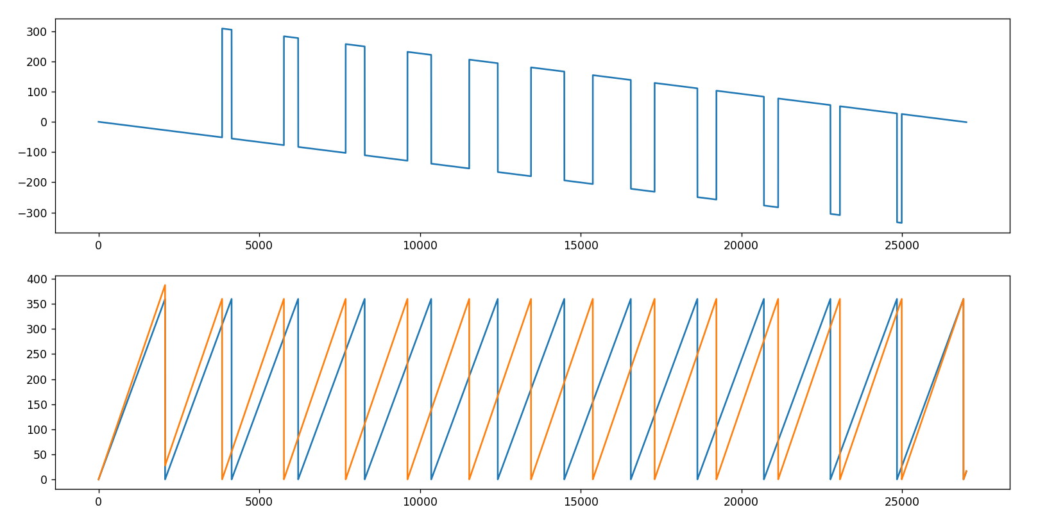
4 | 27 | 11 | 10 | 74 | 0.13 | 0.91 | 0.15 | 3.38 | 3.71 | 7.09 | 0.14
4 | 27 | 11 | 12 | 74 | 0.16 | 1.09 | 0.15 | 3.38 | 3.09 | 6.47 | 0.13
4 | 27 | 11 | 13 | 74 | 0.18 | 1.18 | 0.15 | 3.38 | 2.86 | 6.23 | 0.12
4 | 27 | 11 | 14 | 74 | 0.19 | 1.27 | 0.15 | 3.38 | 2.65 | 6.03 | 0.12
4 | 27 | 11 | 15 | 74 | 0.20 | 1.36 | 0.15 | 3.38 | 2.48 | 5.85 | 0.11
3 | 16 | 14 | 9 | 75 | 0.12 | 0.64 | 0.19 | 2.67 | 4.15 | 6.81 | 0.13
3 | 16 | 14 | 11 | 75 | 0.15 | 0.79 | 0.19 | 2.67 | 3.39 | 6.06 | 0.12
3 | 16 | 14 | 13 | 75 | 0.17 | 0.93 | 0.19 | 2.67 | 2.87 | 5.54 | 0.11
3 | 16 | 14 | 15 | 75 | 0.20 | 1.07 | 0.19 | 2.67 | 2.49 | 5.16 | 0.10
3 | 28 | 8 | 7 | 75 | 0.09 | 0.88 | 0.11 | 4.67 | 5.33 | 10.00 | 0.19
3 | 28 | 8 | 9 | 75 | 0.12 | 1.13 | 0.11 | 4.67 | 4.15 | 8.81 | 0.17
3 | 28 | 8 | 11 | 75 | 0.15 | 1.38 | 0.11 | 4.67 | 3.39 | 8.06 | 0.16
3 | 28 | 8 | 13 | 75 | 0.17 | 1.63 | 0.11 | 4.67 | 2.87 | 7.54 | 0.15
3 | 28 | 8 | 15 | 75 | 0.20 | 1.88 | 0.11 | 4.67 | 2.49 | 7.16 | 0.14
4 | 23 | 13 | 7 | 75 | 0.09 | 0.54 | 0.17 | 2.88 | 5.34 | 8.21 | 0.16
4 | 23 | 13 | 8 | 75 | 0.11 | 0.62 | 0.17 | 2.88 | 4.67 | 7.55 | 0.15
4 | 23 | 13 | 9 | 75 | 0.12 | 0.69 | 0.17 | 2.88 | 4.15 | 7.03 | 0.14
4 | 23 | 13 | 10 | 75 | 0.13 | 0.77 | 0.17 | 2.88 | 3.74 | 6.61 | 0.13
4 | 23 | 13 | 11 | 75 | 0.15 | 0.85 | 0.17 | 2.88 | 3.40 | 6.27 | 0.12
4 | 23 | 13 | 12 | 75 | 0.16 | 0.92 | 0.17 | 2.88 | 3.11 | 5.99 | 0.12
4 | 23 | 13 | 14 | 75 | 0.19 | 1.08 | 0.17 | 2.88 | 2.67 | 5.54 | 0.11
4 | 23 | 13 | 15 | 75 | 0.20 | 1.15 | 0.17 | 2.88 | 2.49 | 5.37 | 0.10
1 | 5 | 15 | 7 | 75 | 0.09 | 0.47 | 0.20 | 2.50 | 5.36 | 7.86 | 0.15
1 | 5 | 15 | 8 | 75 | 0.11 | 0.53 | 0.20 | 2.50 | 4.69 | 7.19 | 0.14
1 | 5 | 15 | 11 | 75 | 0.15 | 0.73 | 0.20 | 2.50 | 3.41 | 5.91 | 0.11
1 | 5 | 15 | 13 | 75 | 0.17 | 0.87 | 0.20 | 2.50 | 2.88 | 5.38 | 0.10
1 | 5 | 15 | 14 | 75 | 0.19 | 0.93 | 0.20 | 2.50 | 2.68 | 5.18 | 0.10
1 | 15 | 10 | 8 | 75 | 0.05 | 0.80 | 0.07 | 7.50 | 9.38 | 16.88 | 0.33
1 | 15 | 10 | 12 | 75 | 0.08 | 1.20 | 0.07 | 7.50 | 6.25 | 13.75 | 0.27
1 | 15 | 10 | 14 | 75 | 0.09 | 1.40 | 0.07 | 7.50 | 5.36 | 12.86 | 0.25
1 | 15 | 15 | 9 | 75 | 0.04 | 0.60 | 0.07 | 7.50 | 12.50 | 20.00 | 0.39
1 | 15 | 15 | 12 | 75 | 0.05 | 0.80 | 0.07 | 7.50 | 9.38 | 16.88 | 0.33
1 | 25 | 9 | 12 | 75 | 0.05 | 1.33 | 0.04 | 12.50 | 9.38 | 21.88 | 0.43
1 | 25 | 9 | 15 | 75 | 0.07 | 1.67 | 0.04 | 12.50 | 7.50 | 20.00 | 0.39
1 | 25 | 12 | 8 | 75 | 0.03 | 0.67 | 0.04 | 12.50 | 18.75 | 31.25 | 0.61
1 | 25 | 15 | 10 | 75 | 0.03 | 0.67 | 0.04 | 12.50 | 18.75 | 31.25 | 0.61
2 | 10 | 15 | 7 | 75 | 0.09 | 0.47 | 0.20 | 2.50 | 5.36 | 7.86 | 0.15
2 | 10 | 15 | 8 | 75 | 0.11 | 0.53 | 0.20 | 2.50 | 4.69 | 7.19 | 0.14
2 | 10 | 15 | 11 | 75 | 0.15 | 0.73 | 0.20 | 2.50 | 3.41 | 5.91 | 0.11
2 | 10 | 15 | 13 | 75 | 0.17 | 0.87 | 0.20 | 2.50 | 2.88 | 5.38 | 0.10
2 | 10 | 15 | 14 | 75 | 0.19 | 0.93 | 0.20 | 2.50 | 2.68 | 5.18 | 0.10
2 | 15 | 10 | 7 | 75 | 0.09 | 0.70 | 0.13 | 3.75 | 5.36 | 9.11 | 0.18
2 | 15 | 10 | 9 | 75 | 0.12 | 0.90 | 0.13 | 3.75 | 4.17 | 7.92 | 0.15
2 | 15 | 10 | 11 | 75 | 0.15 | 1.10 | 0.13 | 3.75 | 3.41 | 7.16 | 0.14
2 | 15 | 10 | 13 | 75 | 0.17 | 1.30 | 0.13 | 3.75 | 2.88 | 6.63 | 0.13
2 | 25 | 12 | 10 | 75 | 0.07 | 0.83 | 0.08 | 6.25 | 7.50 | 13.75 | 0.27
2 | 25 | 12 | 14 | 75 | 0.09 | 1.17 | 0.08 | 6.25 | 5.36 | 11.61 | 0.23
2 | 30 | 10 | 8 | 75 | 0.05 | 0.80 | 0.07 | 7.50 | 9.38 | 16.88 | 0.33
2 | 30 | 10 | 12 | 75 | 0.08 | 1.20 | 0.07 | 7.50 | 6.25 | 13.75 | 0.27
2 | 30 | 10 | 14 | 75 | 0.09 | 1.40 | 0.07 | 7.50 | 5.36 | 12.86 | 0.25
2 | 30 | 15 | 9 | 75 | 0.04 | 0.60 | 0.07 | 7.50 | 12.50 | 20.00 | 0.39
2 | 30 | 15 | 12 | 75 | 0.05 | 0.80 | 0.07 | 7.50 | 9.38 | 16.88 | 0.33
3 | 15 | 15 | 7 | 75 | 0.09 | 0.47 | 0.20 | 2.50 | 5.36 | 7.86 | 0.15
3 | 15 | 15 | 8 | 75 | 0.11 | 0.53 | 0.20 | 2.50 | 4.69 | 7.19 | 0.14
3 | 15 | 15 | 11 | 75 | 0.15 | 0.73 | 0.20 | 2.50 | 3.41 | 5.91 | 0.11
3 | 15 | 15 | 13 | 75 | 0.17 | 0.87 | 0.20 | 2.50 | 2.88 | 5.38 | 0.10
3 | 15 | 15 | 14 | 75 | 0.19 | 0.93 | 0.20 | 2.50 | 2.68 | 5.18 | 0.10
3 | 25 | 9 | 7 | 75 | 0.09 | 0.78 | 0.12 | 4.17 | 5.36 | 9.52 | 0.19
3 | 25 | 9 | 8 | 75 | 0.11 | 0.89 | 0.12 | 4.17 | 4.69 | 8.85 | 0.17
3 | 25 | 9 | 10 | 75 | 0.13 | 1.11 | 0.12 | 4.17 | 3.75 | 7.92 | 0.15
3 | 25 | 9 | 11 | 75 | 0.15 | 1.22 | 0.12 | 4.17 | 3.41 | 7.58 | 0.15
3 | 25 | 9 | 13 | 75 | 0.17 | 1.44 | 0.12 | 4.17 | 2.88 | 7.05 | 0.14
3 | 25 | 9 | 14 | 75 | 0.19 | 1.56 | 0.12 | 4.17 | 2.68 | 6.85 | 0.13
4 | 20 | 15 | 7 | 75 | 0.09 | 0.47 | 0.20 | 2.50 | 5.36 | 7.86 | 0.15
4 | 20 | 15 | 8 | 75 | 0.11 | 0.53 | 0.20 | 2.50 | 4.69 | 7.19 | 0.14
4 | 20 | 15 | 11 | 75 | 0.15 | 0.73 | 0.20 | 2.50 | 3.41 | 5.91 | 0.11
4 | 20 | 15 | 13 | 75 | 0.17 | 0.87 | 0.20 | 2.50 | 2.88 | 5.38 | 0.10
4 | 20 | 15 | 14 | 75 | 0.19 | 0.93 | 0.20 | 2.50 | 2.68 | 5.18 | 0.10
4 | 25 | 12 | 7 | 75 | 0.09 | 0.58 | 0.16 | 3.13 | 5.36 | 8.48 | 0.16
4 | 25 | 12 | 11 | 75 | 0.15 | 0.92 | 0.16 | 3.13 | 3.41 | 6.53 | 0.13
4 | 25 | 12 | 13 | 75 | 0.17 | 1.08 | 0.16 | 3.13 | 2.88 | 6.01 | 0.12
4 | 30 | 10 | 7 | 75 | 0.09 | 0.70 | 0.13 | 3.75 | 5.36 | 9.11 | 0.18
4 | 30 | 10 | 9 | 75 | 0.12 | 0.90 | 0.13 | 3.75 | 4.17 | 7.92 | 0.15
4 | 30 | 10 | 11 | 75 | 0.15 | 1.10 | 0.13 | 3.75 | 3.41 | 7.16 | 0.14
4 | 30 | 10 | 13 | 75 | 0.17 | 1.30 | 0.13 | 3.75 | 2.88 | 6.63 | 0.13
5 | 25 | 15 | 7 | 75 | 0.09 | 0.47 | 0.20 | 2.50 | 5.36 | 7.86 | 0.15
5 | 25 | 15 | 8 | 75 | 0.11 | 0.53 | 0.20 | 2.50 | 4.69 | 7.19 | 0.14
5 | 25 | 15 | 11 | 75 | 0.15 | 0.73 | 0.20 | 2.50 | 3.41 | 5.91 | 0.11
5 | 25 | 15 | 13 | 75 | 0.17 | 0.87 | 0.20 | 2.50 | 2.88 | 5.38 | 0.10
5 | 25 | 15 | 14 | 75 | 0.19 | 0.93 | 0.20 | 2.50 | 2.68 | 5.18 | 0.10
5 | 29 | 13 | 7 | 75 | 0.09 | 0.54 | 0.17 | 2.90 | 5.39 | 8.29 | 0.16
5 | 29 | 13 | 8 | 75 | 0.11 | 0.62 | 0.17 | 2.90 | 4.71 | 7.61 | 0.15
5 | 29 | 13 | 9 | 75 | 0.12 | 0.69 | 0.17 | 2.90 | 4.19 | 7.09 | 0.14
5 | 29 | 13 | 10 | 75 | 0.13 | 0.77 | 0.17 | 2.90 | 3.77 | 6.67 | 0.13
5 | 29 | 13 | 11 | 75 | 0.15 | 0.85 | 0.17 | 2.90 | 3.43 | 6.33 | 0.12
5 | 29 | 13 | 12 | 75 | 0.16 | 0.92 | 0.17 | 2.90 | 3.14 | 6.04 | 0.12
5 | 29 | 13 | 14 | 75 | 0.19 | 1.08 | 0.17 | 2.90 | 2.69 | 5.59 | 0.11
5 | 29 | 13 | 15 | 75 | 0.20 | 1.15 | 0.17 | 2.90 | 2.51 | 5.41 | 0.11
5 | 27 | 14 | 9 | 76 | 0.12 | 0.64 | 0.19 | 2.70 | 4.20 | 6.90 | 0.13
5 | 27 | 14 | 11 | 76 | 0.15 | 0.79 | 0.19 | 2.70 | 3.44 | 6.14 | 0.12
5 | 27 | 14 | 13 | 76 | 0.17 | 0.93 | 0.19 | 2.70 | 2.91 | 5.61 | 0.11
5 | 27 | 14 | 15 | 76 | 0.20 | 1.07 | 0.19 | 2.70 | 2.52 | 5.22 | 0.10
1 | 19 | 8 | 10 | 76 | 0.07 | 1.25 | 0.05 | 9.50 | 7.60 | 17.10 | 0.33
1 | 19 | 8 | 14 | 76 | 0.09 | 1.75 | 0.05 | 9.50 | 5.43 | 14.93 | 0.29
1 | 19 | 12 | 9 | 76 | 0.04 | 0.75 | 0.05 | 9.50 | 12.67 | 22.17 | 0.43
1 | 19 | 12 | 15 | 76 | 0.07 | 1.25 | 0.05 | 9.50 | 7.60 | 17.10 | 0.33
2 | 19 | 8 | 7 | 76 | 0.09 | 0.88 | 0.11 | 4.75 | 5.43 | 10.18 | 0.20
2 | 19 | 8 | 9 | 76 | 0.12 | 1.13 | 0.11 | 4.75 | 4.22 | 8.97 | 0.17
2 | 19 | 8 | 11 | 76 | 0.14 | 1.38 | 0.11 | 4.75 | 3.45 | 8.20 | 0.16
2 | 19 | 8 | 13 | 76 | 0.17 | 1.63 | 0.11 | 4.75 | 2.92 | 7.67 | 0.15
2 | 19 | 8 | 15 | 76 | 0.20 | 1.88 | 0.11 | 4.75 | 2.53 | 7.28 | 0.14
3 | 19 | 12 | 7 | 76 | 0.09 | 0.58 | 0.16 | 3.17 | 5.43 | 8.60 | 0.17
3 | 19 | 12 | 11 | 76 | 0.14 | 0.92 | 0.16 | 3.17 | 3.45 | 6.62 | 0.13
3 | 19 | 12 | 13 | 76 | 0.17 | 1.08 | 0.16 | 3.17 | 2.92 | 6.09 | 0.12
2 | 17 | 9 | 7 | 77 | 0.09 | 0.78 | 0.12 | 4.25 | 5.46 | 9.71 | 0.19
2 | 17 | 9 | 8 | 77 | 0.10 | 0.89 | 0.12 | 4.25 | 4.78 | 9.03 | 0.18
2 | 17 | 9 | 10 | 77 | 0.13 | 1.11 | 0.12 | 4.25 | 3.83 | 8.08 | 0.16
2 | 17 | 9 | 11 | 77 | 0.14 | 1.22 | 0.12 | 4.25 | 3.48 | 7.73 | 0.15
2 | 17 | 9 | 13 | 77 | 0.17 | 1.44 | 0.12 | 4.25 | 2.94 | 7.19 | 0.14
2 | 17 | 9 | 14 | 77 | 0.18 | 1.56 | 0.12 | 4.25 | 2.73 | 6.98 | 0.14
3 | 23 | 10 | 7 | 77 | 0.09 | 0.70 | 0.13 | 3.83 | 5.48 | 9.31 | 0.18
3 | 23 | 10 | 9 | 77 | 0.12 | 0.90 | 0.13 | 3.83 | 4.26 | 8.09 | 0.16
3 | 23 | 10 | 11 | 77 | 0.14 | 1.10 | 0.13 | 3.83 | 3.48 | 7.32 | 0.14
3 | 23 | 10 | 13 | 77 | 0.17 | 1.30 | 0.13 | 3.83 | 2.95 | 6.78 | 0.13
1 | 7 | 11 | 7 | 77 | 0.09 | 0.64 | 0.14 | 3.50 | 5.50 | 9.00 | 0.18
1 | 7 | 11 | 8 | 77 | 0.10 | 0.73 | 0.14 | 3.50 | 4.81 | 8.31 | 0.16
1 | 7 | 11 | 9 | 77 | 0.12 | 0.82 | 0.14 | 3.50 | 4.28 | 7.78 | 0.15
1 | 7 | 11 | 10 | 77 | 0.13 | 0.91 | 0.14 | 3.50 | 3.85 | 7.35 | 0.14
1 | 7 | 11 | 12 | 77 | 0.16 | 1.09 | 0.14 | 3.50 | 3.21 | 6.71 | 0.13
1 | 7 | 11 | 13 | 77 | 0.17 | 1.18 | 0.14 | 3.50 | 2.96 | 6.46 | 0.13
1 | 7 | 11 | 14 | 77 | 0.18 | 1.27 | 0.14 | 3.50 | 2.75 | 6.25 | 0.12
1 | 7 | 11 | 15 | 77 | 0.19 | 1.36 | 0.14 | 3.50 | 2.57 | 6.07 | 0.12
1 | 11 | 7 | 8 | 77 | 0.10 | 1.14 | 0.09 | 5.50 | 4.81 | 10.31 | 0.20
1 | 11 | 7 | 9 | 77 | 0.12 | 1.29 | 0.09 | 5.50 | 4.28 | 9.78 | 0.19
1 | 11 | 7 | 10 | 77 | 0.13 | 1.43 | 0.09 | 5.50 | 3.85 | 9.35 | 0.18
1 | 11 | 7 | 11 | 77 | 0.14 | 1.57 | 0.09 | 5.50 | 3.50 | 9.00 | 0.18
1 | 11 | 7 | 12 | 77 | 0.16 | 1.71 | 0.09 | 5.50 | 3.21 | 8.71 | 0.17
1 | 11 | 7 | 13 | 77 | 0.17 | 1.86 | 0.09 | 5.50 | 2.96 | 8.46 | 0.16
1 | 11 | 7 | 15 | 77 | 0.19 | 2.14 | 0.09 | 5.50 | 2.57 | 8.07 | 0.16
1 | 11 | 14 | 8 | 77 | 0.05 | 0.57 | 0.09 | 5.50 | 9.63 | 15.13 | 0.29
1 | 11 | 14 | 10 | 77 | 0.06 | 0.71 | 0.09 | 5.50 | 7.70 | 13.20 | 0.26
1 | 11 | 14 | 12 | 77 | 0.08 | 0.86 | 0.09 | 5.50 | 6.42 | 11.92 | 0.23
2 | 11 | 14 | 9 | 77 | 0.12 | 0.64 | 0.18 | 2.75 | 4.28 | 7.03 | 0.14
2 | 11 | 14 | 11 | 77 | 0.14 | 0.79 | 0.18 | 2.75 | 3.50 | 6.25 | 0.12
2 | 11 | 14 | 13 | 77 | 0.17 | 0.93 | 0.18 | 2.75 | 2.96 | 5.71 | 0.11
2 | 11 | 14 | 15 | 77 | 0.19 | 1.07 | 0.18 | 2.75 | 2.57 | 5.32 | 0.10
2 | 14 | 11 | 7 | 77 | 0.09 | 0.64 | 0.14 | 3.50 | 5.50 | 9.00 | 0.18
2 | 14 | 11 | 8 | 77 | 0.10 | 0.73 | 0.14 | 3.50 | 4.81 | 8.31 | 0.16
2 | 14 | 11 | 9 | 77 | 0.12 | 0.82 | 0.14 | 3.50 | 4.28 | 7.78 | 0.15
2 | 14 | 11 | 10 | 77 | 0.13 | 0.91 | 0.14 | 3.50 | 3.85 | 7.35 | 0.14
2 | 14 | 11 | 12 | 77 | 0.16 | 1.09 | 0.14 | 3.50 | 3.21 | 6.71 | 0.13
2 | 14 | 11 | 13 | 77 | 0.17 | 1.18 | 0.14 | 3.50 | 2.96 | 6.46 | 0.13
2 | 14 | 11 | 14 | 77 | 0.18 | 1.27 | 0.14 | 3.50 | 2.75 | 6.25 | 0.12
2 | 14 | 11 | 15 | 77 | 0.19 | 1.36 | 0.14 | 3.50 | 2.57 | 6.07 | 0.12
2 | 22 | 7 | 8 | 77 | 0.10 | 1.14 | 0.09 | 5.50 | 4.81 | 10.31 | 0.20
2 | 22 | 7 | 9 | 77 | 0.12 | 1.29 | 0.09 | 5.50 | 4.28 | 9.78 | 0.19
2 | 22 | 7 | 10 | 77 | 0.13 | 1.43 | 0.09 | 5.50 | 3.85 | 9.35 | 0.18
2 | 22 | 7 | 11 | 77 | 0.14 | 1.57 | 0.09 | 5.50 | 3.50 | 9.00 | 0.18
2 | 22 | 7 | 12 | 77 | 0.16 | 1.71 | 0.09 | 5.50 | 3.21 | 8.71 | 0.17
2 | 22 | 7 | 13 | 77 | 0.17 | 1.86 | 0.09 | 5.50 | 2.96 | 8.46 | 0.16
2 | 22 | 7 | 15 | 77 | 0.19 | 2.14 | 0.09 | 5.50 | 2.57 | 8.07 | 0.16
2 | 22 | 14 | 8 | 77 | 0.05 | 0.57 | 0.09 | 5.50 | 9.63 | 15.13 | 0.29
2 | 22 | 14 | 10 | 77 | 0.06 | 0.71 | 0.09 | 5.50 | 7.70 | 13.20 | 0.26
2 | 22 | 14 | 12 | 77 | 0.08 | 0.86 | 0.09 | 5.50 | 6.42 | 11.92 | 0.23
3 | 21 | 11 | 7 | 77 | 0.09 | 0.64 | 0.14 | 3.50 | 5.50 | 9.00 | 0.18
3 | 21 | 11 | 8 | 77 | 0.10 | 0.73 | 0.14 | 3.50 | 4.81 | 8.31 | 0.16
3 | 21 | 11 | 9 | 77 | 0.12 | 0.82 | 0.14 | 3.50 | 4.28 | 7.78 | 0.15
3 | 21 | 11 | 10 | 77 | 0.13 | 0.91 | 0.14 | 3.50 | 3.85 | 7.35 | 0.14
3 | 21 | 11 | 12 | 77 | 0.16 | 1.09 | 0.14 | 3.50 | 3.21 | 6.71 | 0.13
3 | 21 | 11 | 13 | 77 | 0.17 | 1.18 | 0.14 | 3.50 | 2.96 | 6.46 | 0.13
3 | 21 | 11 | 14 | 77 | 0.18 | 1.27 | 0.14 | 3.50 | 2.75 | 6.25 | 0.12
3 | 21 | 11 | 15 | 77 | 0.19 | 1.36 | 0.14 | 3.50 | 2.57 | 6.07 | 0.12
4 | 22 | 14 | 9 | 77 | 0.12 | 0.64 | 0.18 | 2.75 | 4.28 | 7.03 | 0.14
4 | 22 | 14 | 11 | 77 | 0.14 | 0.79 | 0.18 | 2.75 | 3.50 | 6.25 | 0.12
4 | 22 | 14 | 13 | 77 | 0.17 | 0.93 | 0.18 | 2.75 | 2.96 | 5.71 | 0.11
4 | 22 | 14 | 15 | 77 | 0.19 | 1.07 | 0.18 | 2.75 | 2.57 | 5.32 | 0.10
4 | 28 | 11 | 7 | 77 | 0.09 | 0.64 | 0.14 | 3.50 | 5.50 | 9.00 | 0.18
4 | 28 | 11 | 8 | 77 | 0.10 | 0.73 | 0.14 | 3.50 | 4.81 | 8.31 | 0.16
4 | 28 | 11 | 9 | 77 | 0.12 | 0.82 | 0.14 | 3.50 | 4.28 | 7.78 | 0.15
4 | 28 | 11 | 10 | 77 | 0.13 | 0.91 | 0.14 | 3.50 | 3.85 | 7.35 | 0.14
4 | 28 | 11 | 12 | 77 | 0.16 | 1.09 | 0.14 | 3.50 | 3.21 | 6.71 | 0.13
4 | 28 | 11 | 13 | 77 | 0.17 | 1.18 | 0.14 | 3.50 | 2.96 | 6.46 | 0.13
4 | 28 | 11 | 14 | 77 | 0.18 | 1.27 | 0.14 | 3.50 | 2.75 | 6.25 | 0.12
4 | 28 | 11 | 15 | 77 | 0.19 | 1.36 | 0.14 | 3.50 | 2.57 | 6.07 | 0.12
3 | 29 | 8 | 7 | 77 | 0.09 | 0.88 | 0.10 | 4.83 | 5.52 | 10.36 | 0.20
3 | 29 | 8 | 9 | 77 | 0.12 | 1.13 | 0.10 | 4.83 | 4.30 | 9.13 | 0.18
3 | 29 | 8 | 11 | 77 | 0.14 | 1.38 | 0.10 | 4.83 | 3.52 | 8.35 | 0.16
3 | 29 | 8 | 13 | 77 | 0.17 | 1.63 | 0.10 | 4.83 | 2.97 | 7.81 | 0.15
3 | 29 | 8 | 15 | 77 | 0.19 | 1.88 | 0.10 | 4.83 | 2.58 | 7.41 | 0.14
1 | 6 | 13 | 7 | 78 | 0.09 | 0.54 | 0.17 | 3.00 | 5.57 | 8.57 | 0.17
1 | 6 | 13 | 8 | 78 | 0.10 | 0.62 | 0.17 | 3.00 | 4.88 | 7.88 | 0.15
1 | 6 | 13 | 9 | 78 | 0.12 | 0.69 | 0.17 | 3.00 | 4.33 | 7.33 | 0.14
1 | 6 | 13 | 10 | 78 | 0.13 | 0.77 | 0.17 | 3.00 | 3.90 | 6.90 | 0.13
1 | 6 | 13 | 11 | 78 | 0.14 | 0.85 | 0.17 | 3.00 | 3.55 | 6.55 | 0.13
1 | 6 | 13 | 12 | 78 | 0.15 | 0.92 | 0.17 | 3.00 | 3.25 | 6.25 | 0.12
1 | 6 | 13 | 14 | 78 | 0.18 | 1.08 | 0.17 | 3.00 | 2.79 | 5.79 | 0.11
1 | 6 | 13 | 15 | 78 | 0.19 | 1.15 | 0.17 | 3.00 | 2.60 | 5.60 | 0.11
1 | 13 | 12 | 10 | 78 | 0.06 | 0.83 | 0.08 | 6.50 | 7.80 | 14.30 | 0.28
1 | 13 | 12 | 14 | 78 | 0.09 | 1.17 | 0.08 | 6.50 | 5.57 | 12.07 | 0.23
1 | 26 | 9 | 12 | 78 | 0.05 | 1.33 | 0.04 | 13.00 | 9.75 | 22.75 | 0.44
1 | 26 | 9 | 15 | 78 | 0.06 | 1.67 | 0.04 | 13.00 | 7.80 | 20.80 | 0.40
1 | 26 | 12 | 8 | 78 | 0.03 | 0.67 | 0.04 | 13.00 | 19.50 | 32.50 | 0.63
1 | 26 | 15 | 10 | 78 | 0.03 | 0.67 | 0.04 | 13.00 | 19.50 | 32.50 | 0.63
2 | 12 | 13 | 7 | 78 | 0.09 | 0.54 | 0.17 | 3.00 | 5.57 | 8.57 | 0.17
2 | 12 | 13 | 8 | 78 | 0.10 | 0.62 | 0.17 | 3.00 | 4.88 | 7.88 | 0.15
2 | 12 | 13 | 9 | 78 | 0.12 | 0.69 | 0.17 | 3.00 | 4.33 | 7.33 | 0.14
2 | 12 | 13 | 10 | 78 | 0.13 | 0.77 | 0.17 | 3.00 | 3.90 | 6.90 | 0.13
2 | 12 | 13 | 11 | 78 | 0.14 | 0.85 | 0.17 | 3.00 | 3.55 | 6.55 | 0.13
2 | 12 | 13 | 12 | 78 | 0.15 | 0.92 | 0.17 | 3.00 | 3.25 | 6.25 | 0.12
2 | 12 | 13 | 14 | 78 | 0.18 | 1.08 | 0.17 | 3.00 | 2.79 | 5.79 | 0.11
2 | 12 | 13 | 15 | 78 | 0.19 | 1.15 | 0.17 | 3.00 | 2.60 | 5.60 | 0.11
2 | 13 | 12 | 7 | 78 | 0.09 | 0.58 | 0.15 | 3.25 | 5.57 | 8.82 | 0.17
2 | 13 | 12 | 11 | 78 | 0.14 | 0.92 | 0.15 | 3.25 | 3.55 | 6.80 | 0.13
2 | 13 | 12 | 13 | 78 | 0.17 | 1.08 | 0.15 | 3.25 | 3.00 | 6.25 | 0.12
2 | 26 | 12 | 10 | 78 | 0.06 | 0.83 | 0.08 | 6.50 | 7.80 | 14.30 | 0.28
2 | 26 | 12 | 14 | 78 | 0.09 | 1.17 | 0.08 | 6.50 | 5.57 | 12.07 | 0.23
3 | 18 | 13 | 7 | 78 | 0.09 | 0.54 | 0.17 | 3.00 | 5.57 | 8.57 | 0.17
3 | 18 | 13 | 8 | 78 | 0.10 | 0.62 | 0.17 | 3.00 | 4.88 | 7.88 | 0.15
3 | 18 | 13 | 9 | 78 | 0.12 | 0.69 | 0.17 | 3.00 | 4.33 | 7.33 | 0.14
3 | 18 | 13 | 10 | 78 | 0.13 | 0.77 | 0.17 | 3.00 | 3.90 | 6.90 | 0.13
3 | 18 | 13 | 11 | 78 | 0.14 | 0.85 | 0.17 | 3.00 | 3.55 | 6.55 | 0.13
3 | 18 | 13 | 12 | 78 | 0.15 | 0.92 | 0.17 | 3.00 | 3.25 | 6.25 | 0.12
3 | 18 | 13 | 14 | 78 | 0.18 | 1.08 | 0.17 | 3.00 | 2.79 | 5.79 | 0.11
3 | 18 | 13 | 15 | 78 | 0.19 | 1.15 | 0.17 | 3.00 | 2.60 | 5.60 | 0.11
3 | 26 | 9 | 7 | 78 | 0.09 | 0.78 | 0.12 | 4.33 | 5.57 | 9.90 | 0.19
3 | 26 | 9 | 8 | 78 | 0.10 | 0.89 | 0.12 | 4.33 | 4.88 | 9.21 | 0.18
3 | 26 | 9 | 10 | 78 | 0.13 | 1.11 | 0.12 | 4.33 | 3.90 | 8.23 | 0.16
3 | 26 | 9 | 11 | 78 | 0.14 | 1.22 | 0.12 | 4.33 | 3.55 | 7.88 | 0.15
3 | 26 | 9 | 13 | 78 | 0.17 | 1.44 | 0.12 | 4.33 | 3.00 | 7.33 | 0.14
3 | 26 | 9 | 14 | 78 | 0.18 | 1.56 | 0.12 | 4.33 | 2.79 | 7.12 | 0.14
4 | 24 | 13 | 7 | 78 | 0.09 | 0.54 | 0.17 | 3.00 | 5.57 | 8.57 | 0.17
4 | 24 | 13 | 8 | 78 | 0.10 | 0.62 | 0.17 | 3.00 | 4.88 | 7.88 | 0.15
4 | 24 | 13 | 9 | 78 | 0.12 | 0.69 | 0.17 | 3.00 | 4.33 | 7.33 | 0.14
4 | 24 | 13 | 10 | 78 | 0.13 | 0.77 | 0.17 | 3.00 | 3.90 | 6.90 | 0.13
4 | 24 | 13 | 11 | 78 | 0.14 | 0.85 | 0.17 | 3.00 | 3.55 | 6.55 | 0.13
4 | 24 | 13 | 12 | 78 | 0.15 | 0.92 | 0.17 | 3.00 | 3.25 | 6.25 | 0.12
4 | 24 | 13 | 14 | 78 | 0.18 | 1.08 | 0.17 | 3.00 | 2.79 | 5.79 | 0.11
4 | 24 | 13 | 15 | 78 | 0.19 | 1.15 | 0.17 | 3.00 | 2.60 | 5.60 | 0.11
4 | 26 | 12 | 7 | 78 | 0.09 | 0.58 | 0.15 | 3.25 | 5.57 | 8.82 | 0.17
4 | 26 | 12 | 11 | 78 | 0.14 | 0.92 | 0.15 | 3.25 | 3.55 | 6.80 | 0.13
4 | 26 | 12 | 13 | 78 | 0.17 | 1.08 | 0.15 | 3.25 | 3.00 | 6.25 | 0.12
5 | 26 | 15 | 7 | 78 | 0.09 | 0.47 | 0.19 | 2.60 | 5.57 | 8.17 | 0.16
5 | 26 | 15 | 8 | 78 | 0.10 | 0.53 | 0.19 | 2.60 | 4.88 | 7.48 | 0.15
5 | 26 | 15 | 11 | 78 | 0.14 | 0.73 | 0.19 | 2.60 | 3.55 | 6.15 | 0.12
5 | 26 | 15 | 13 | 78 | 0.17 | 0.87 | 0.19 | 2.60 | 3.00 | 5.60 | 0.11
5 | 26 | 15 | 14 | 78 | 0.18 | 0.93 | 0.19 | 2.60 | 2.79 | 5.39 | 0.10
5 | 30 | 13 | 7 | 78 | 0.09 | 0.54 | 0.17 | 3.00 | 5.57 | 8.57 | 0.17
5 | 30 | 13 | 8 | 78 | 0.10 | 0.62 | 0.17 | 3.00 | 4.88 | 7.88 | 0.15
5 | 30 | 13 | 9 | 78 | 0.12 | 0.69 | 0.17 | 3.00 | 4.33 | 7.33 | 0.14
5 | 30 | 13 | 10 | 78 | 0.13 | 0.77 | 0.17 | 3.00 | 3.90 | 6.90 | 0.13
5 | 30 | 13 | 11 | 78 | 0.14 | 0.85 | 0.17 | 3.00 | 3.55 | 6.55 | 0.13
5 | 30 | 13 | 12 | 78 | 0.15 | 0.92 | 0.17 | 3.00 | 3.25 | 6.25 | 0.12
5 | 30 | 13 | 14 | 78 | 0.18 | 1.08 | 0.17 | 3.00 | 2.79 | 5.79 | 0.11
5 | 30 | 13 | 15 | 78 | 0.19 | 1.15 | 0.17 | 3.00 | 2.60 | 5.60 | 0.11
5 | 28 | 14 | 9 | 78 | 0.11 | 0.64 | 0.18 | 2.80 | 4.36 | 7.16 | 0.14
5 | 28 | 14 | 11 | 78 | 0.14 | 0.79 | 0.18 | 2.80 | 3.56 | 6.36 | 0.12
5 | 28 | 14 | 13 | 78 | 0.17 | 0.93 | 0.18 | 2.80 | 3.02 | 5.82 | 0.11
5 | 28 | 14 | 15 | 78 | 0.19 | 1.07 | 0.18 | 2.80 | 2.61 | 5.41 | 0.11
4 | 21 | 15 | 7 | 79 | 0.09 | 0.47 | 0.19 | 2.63 | 5.63 | 8.25 | 0.16
4 | 21 | 15 | 8 | 79 | 0.10 | 0.53 | 0.19 | 2.63 | 4.92 | 7.55 | 0.15
4 | 21 | 15 | 11 | 79 | 0.14 | 0.73 | 0.19 | 2.63 | 3.58 | 6.20 | 0.12
4 | 21 | 15 | 13 | 79 | 0.17 | 0.87 | 0.19 | 2.63 | 3.03 | 5.65 | 0.11
4 | 21 | 15 | 14 | 79 | 0.18 | 0.93 | 0.19 | 2.63 | 2.81 | 5.44 | 0.11
3 | 17 | 14 | 13 | 79 | 0.16 | 0.93 | 0.18 | 2.83 | 3.05 | 5.88 | 0.11
3 | 17 | 14 | 9 | 79 | 0.11 | 0.64 | 0.18 | 2.83 | 4.41 | 7.24 | 0.14
3 | 17 | 14 | 11 | 79 | 0.14 | 0.79 | 0.18 | 2.83 | 3.61 | 6.44 | 0.13
3 | 17 | 14 | 15 | 79 | 0.19 | 1.07 | 0.18 | 2.83 | 2.64 | 5.48 | 0.11
4 | 29 | 11 | 7 | 80 | 0.09 | 0.64 | 0.14 | 3.63 | 5.70 | 9.32 | 0.18
4 | 29 | 11 | 8 | 80 | 0.10 | 0.73 | 0.14 | 3.63 | 4.98 | 8.61 | 0.17
4 | 29 | 11 | 9 | 80 | 0.11 | 0.82 | 0.14 | 3.63 | 4.43 | 8.06 | 0.16
4 | 29 | 11 | 10 | 80 | 0.13 | 0.91 | 0.14 | 3.63 | 3.99 | 7.61 | 0.15
4 | 29 | 11 | 12 | 80 | 0.15 | 1.09 | 0.14 | 3.63 | 3.32 | 6.95 | 0.14
4 | 29 | 11 | 13 | 80 | 0.16 | 1.18 | 0.14 | 3.63 | 3.07 | 6.69 | 0.13
4 | 29 | 11 | 14 | 80 | 0.18 | 1.27 | 0.14 | 3.63 | 2.85 | 6.47 | 0.13
4 | 29 | 11 | 15 | 80 | 0.19 | 1.36 | 0.14 | 3.63 | 2.66 | 6.28 | 0.12
...

Worm Data
Table of worm parameters
Worm gear - Worm
Gear module | mn | 1
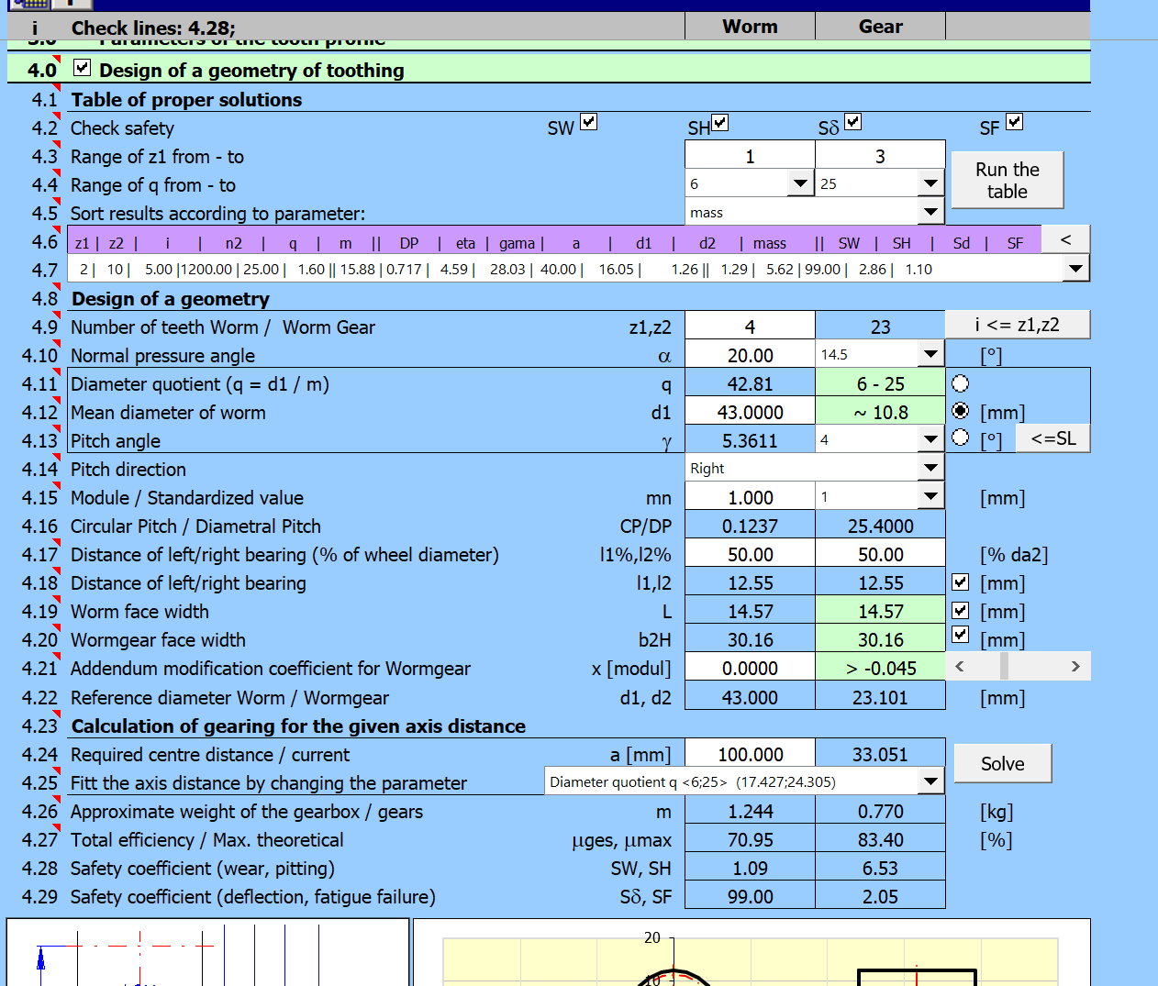
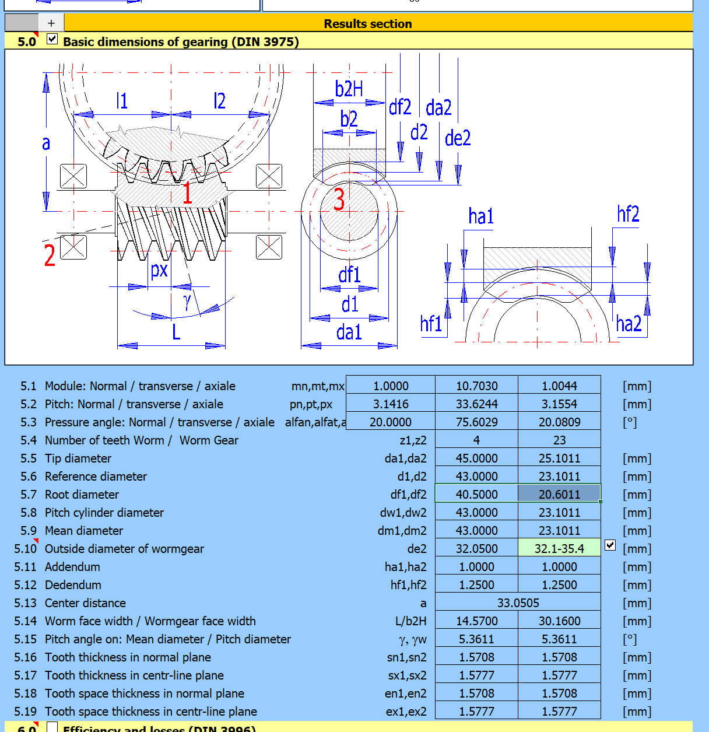
Number of teeth Worm / Worm Gear | z1 | 4
Normal pressure angle | alfa | 20
Reference diameter | d1 | 43
Tip diameter | da1 | 45
Worm face width | L | 14.57
Accuracy grade (ISO1328)
Material | 16MnCr5
Center distance | a | 33.051
Number of drawing of the wheel in mesh
Number of teeth of the wheel in mesh | z2 | 23

Table of wheel parameters
Worm gear - Gear
Gear module | mn | 1
Number of teeth Worm / Worm Gear | z2 | 23
Normal pressure angle | alfa | 20
Reference diameter | d2 | 23.101
Tip diameter | da2 | 25.101
Wormgear face width | b2H | 30.16
Addendum modification coefficient for Wormgear | x2 | 0
Accuracy grade (ISO1328)
Material | CuSn12Ni2-C-GZ (DIN EN 1982)
Center distance | a | 33.051
Number of drawing of the wheel in mesh
Number of teeth of the wheel in mesh | z1 | 4

