Sheet1
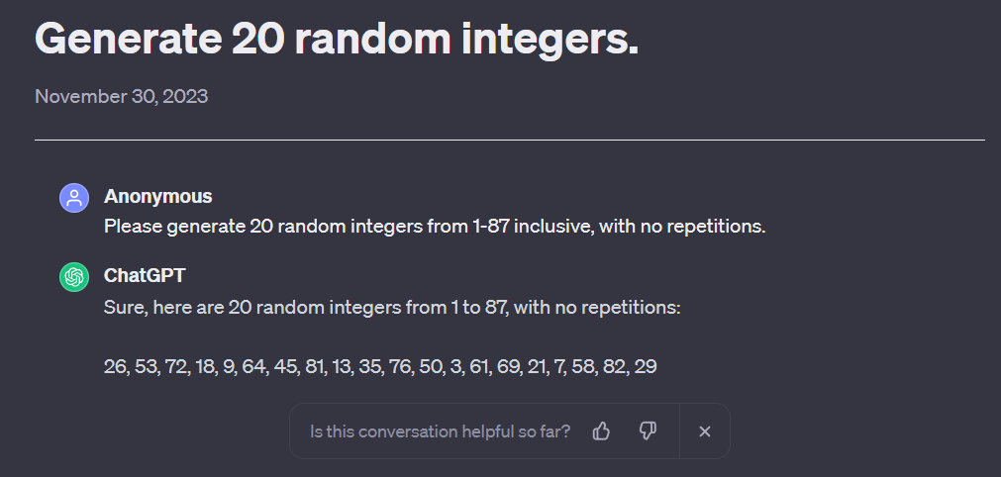
Num | Rand Num | Original Id | Question | Included? | Correct Label (of 10) | Answer
1 | 26 | 4.5 | How many dimensions need to be specified when passing a multi-dimensional array as an argument to a function? | Yes | 4 | All the dimensions, except the first one.
2 | 53 | 8.7 | What operations would you need to perform to find a given element on a stack? | Yes | 5 | Pop all the elements and store them on another stack until the element is found, then push back all the elements on the original stack.
3 | 72 | 11.5 | What is a recursive function? | Yes | 10 | A function that calls itself.
4 | 18 | 3.4 | What is the main advantage associated with function arguments that are passed by reference? | Yes | 9 | It avoids making copies of large data structures when calling functions.
5 | 9 | 2.2 | What is the difference between a data member and a local variable inside a member function? | Yes | 5 | Data members can be accessed from any member functions inside the class defintion. Local variables can only be accessed inside the member function that defines them.
6 | 64 | 10.4 | What is a binary tree? | Yes | 6 | A tree for which the maximum number of children per node is two.
7 | 45 | 7.6 | What is the main advantage of a doubly-linked list over a basic linked list? | Yes | 6 | All the deletion and insertion operations can be performed in constant time, including those operations performed before a given location in the list or at the end of the list.
8 | 81 | 12.4 | Briefly, how does selection sort work? | Yes | 7 | It selects the minimum from an array and places it on the first position, then it selects the minimum from the rest of the array and places it on the second position, and so forth.
9 | 13 | 2.6 | What is the difference between a function prototype and a function definition? | Yes | 7 | A function prototype includes the function signature, i.e., the name of the function, the return type, and the parameters' type. The function definition includes the actual body of the function.
10 | 35 | 6.3 | What does the star (*) operator return? | No | N/A | An alias (synonym) for the name of the object that its operand points to in memory. It is the dereferencing operator.
11 | 76 | 11.9 | Briefly describe the divide-and-conquer paradigm. | Yes | 6 | Divide a problem into smaller subproblems, solve them recursively, and then combine the solutions into a solution for the original problem.
12 | 50 | 8.4 | How can you implement a stack with a list? | No | N/A | Keep the top of the stack pointing to the head of the linked list, so the push and pop operations will add or remove elements at the beginning of the list.
13 | 3 | 1.3 | What are the main advantages associated with object-oriented programming? | Yes | 9 | Abstraction and reusability.
14 | 61 | 10.1 | What is a tree? | No | N/A | A collection of nodes, which has a special node called root, and the rest of the nodes are partitioned into one or more disjoint sets, each set being a tree.
15 | 69 | 11.2 | What are the access-specifiers that can be used in a C++ class definition? | No | N/A | Private and public.
16 | 21 | 3.7 | What are the similarities between iteration and recursion? | Yes | 8 | They both involve repetition; they both have termination tests; they can both occur infinitely.
17 | 7 | 1.7 | What is the main difference between a while and a do...while statement? | Yes | 8 | The block inside a do...while statement will execute at least once.
18 | 58 | 9.5 | Which implementation (array-based vs. list-based) is preferred for a queue, and why? | No | N/A | Link-based, because they are dynamic (no size constraints)
19 | 82 | 12.5 | What is the advantage of linked lists over arrays? | Yes | 9 | Linked lists are dynamic structures, which allow for a variable number of elements to be stored.
20 | 29 | 5.1 | In one sentence, what is the main idea implemented by insertion sort? | Yes | 5 | Taking one array element at a time, from left to right, it inserts it in the right position among the already sorted elements on its left.
 |  |  |  |  | 104 / 150
 |  |  |  |  | ~69.33%

 |  |  | Random Number Selection:
 |  |  | https://chat.openai.com/share/4568724d-dc1b-49fc-910f-e22110dd7fe0

