SUMMARY
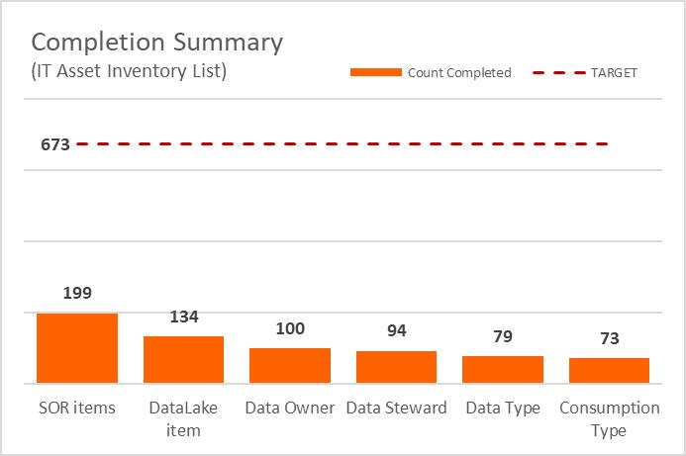
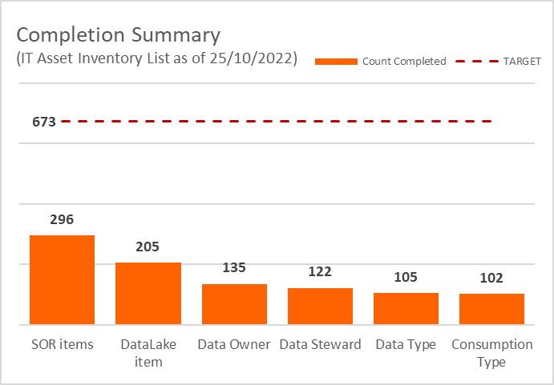
Completion Meter (IT Asset Inventory List as of 19/12/2022)
Metadata Completion Summary (Tagged SoR as of 19/12/2022)
 | Total | SOR
DataLake item | 525 | 644
Data Owner | 404 | 644
Data Steward | 405 | 644
Data Type | 338 | 644
Consumption Type | 342 | 644
Daily Completion (IT Asset Inventory List)
Report Date | 19-Oct-22
TOTAL Line Items | 670

 | Count Completed | TARGET | % Completed
Items Reviewed | 100.0% | 100% | 0% |  |  |  |  | Completed | Target
DataLake item | 550 | 673 | 82% |  | Total | SOR | 2022-10-20 | 180 | 673
Data Owner | 428 | 673 | 64% | DataLake item | 59 | 644 | 2022-10-21 | 199 | 673
Data Steward | 429 | 673 | 64% | Data Owner | 41 | 644 | 2022-10-24 | 215 | 673
Data Type | 364 | 673 | 54% | Data Steward | 36 | 644 | 2022-10-25 | 221 | 673
Consumption Type | 367 | 673 | 55% | Data Type | 42 | 644 | 2022-10-26 | 315 | 673
 |  |  |  | Consumption Type | 39 | 644 | 2022-10-27 | 368 | 673
 |  |  |  |  |  |  | 2022-10-28 | 435 | 673
 |  |  |  |  |  |  | 2022-11-02 | 550 | 673
 |  |  |  |  |  |  | 2022-11-03 | 586 | 673
 |  |  |  |  |  |  | 2022-11-04 | 586 | 673
 |  |  |  |  |  |  | 2022-11-07 | 586 | 673
 |  |  |  |  |  |  | 2022-11-08 | 586 | 673
 |  |  |  |  |  |  | 2022-11-09 | 586 | 673
SoR DBNL - Tribe level
 | No | Yes | (blank)
Retail Advice HK NL | 1
CoE Pricing & Value Creation |  | 1
NL Engineering Enablement | 1
Finance & Risk Support Chain | 1
CoE IT Architects | 2
Payments | 2
Procurement Bank NL | 2 | 1
Collections NL | 3
Insurance | 3
Data Management BE | 4
Real Estate Finance NL | 3 | 1
Asset Based Finance | 4
People Services | 4
ComFin | 2 | 2
CRO Domestic Bank Netherlands | 4
Branches NL | 4 | 1
Client Services Daily Banking NL | 5
Lease | 7 | 1
CoE Communications and brand exp | 5 | 3
KYC Services NL | 7 | 2
Facilitymgt NL |  | 10
Consumer Loans | 11 | 1
Business lending | 11 | 3
CoreBanking | 12 | 4
Document & Content Services | 17 | 1
Omnichannel | 23 | 2
CRO NL | 31
Fraud & Cyber Security NL | 8 | 29
Digital Business Banking | 35 | 5
Finance NL | 14 |  | 26
Investments | 37 | 3
Assisted channels | 16 | 26
Digital & Customer Interaction | 37 | 8
Daily Banking Digital First NL | 41 | 9
Data Management NL | 53
Mortgages NL | 39 | 21
Payments NL | 34 | 27
 |  |  |  |  |  |  | 2022-11-17 | 592 | 673
 |  |  |  |  |  |  | 2022-11-18 | 606 | 673
 |  |  |  |  |  |  | 2022-11-21 | 606 | 673
 |  |  |  |  |  |  | 2022-11-22 | 606 | 673
 |  |  |  |  |  |  | 2022-11-23 | 608 | 673
 |  |  |  |  |  |  | 2022-11-28 | 644 | 673

