Objective 3
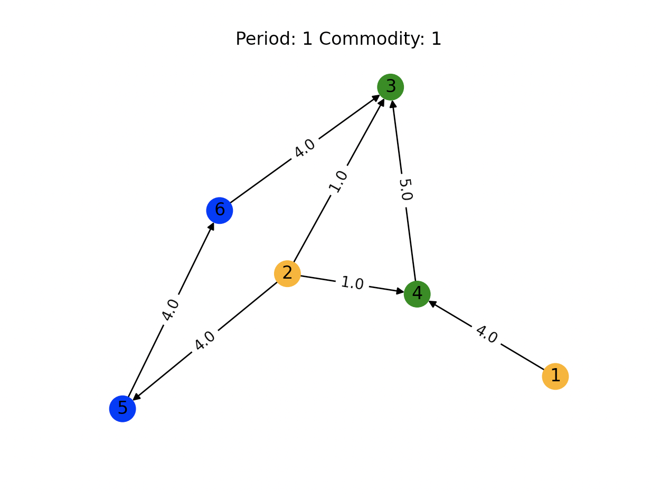
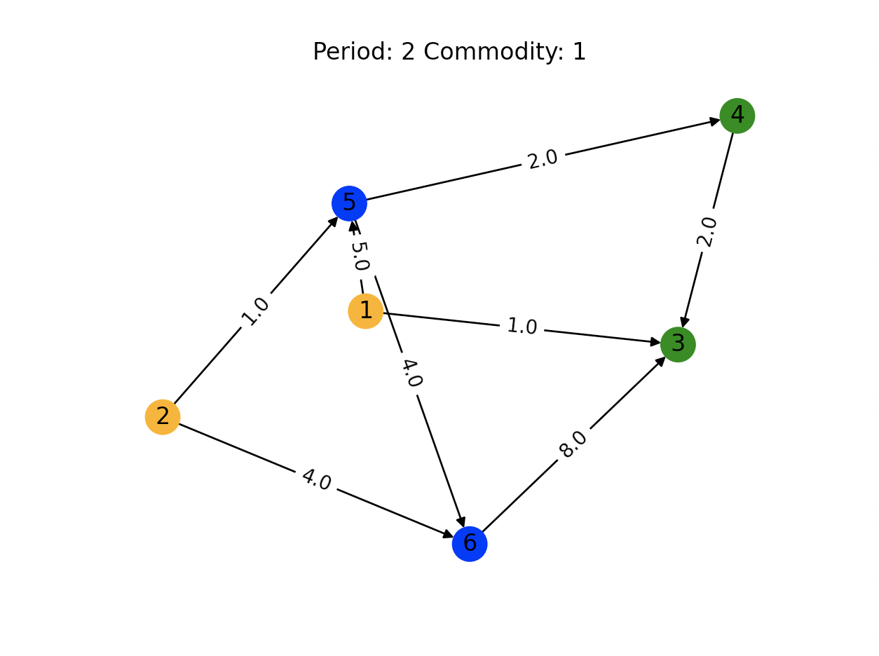
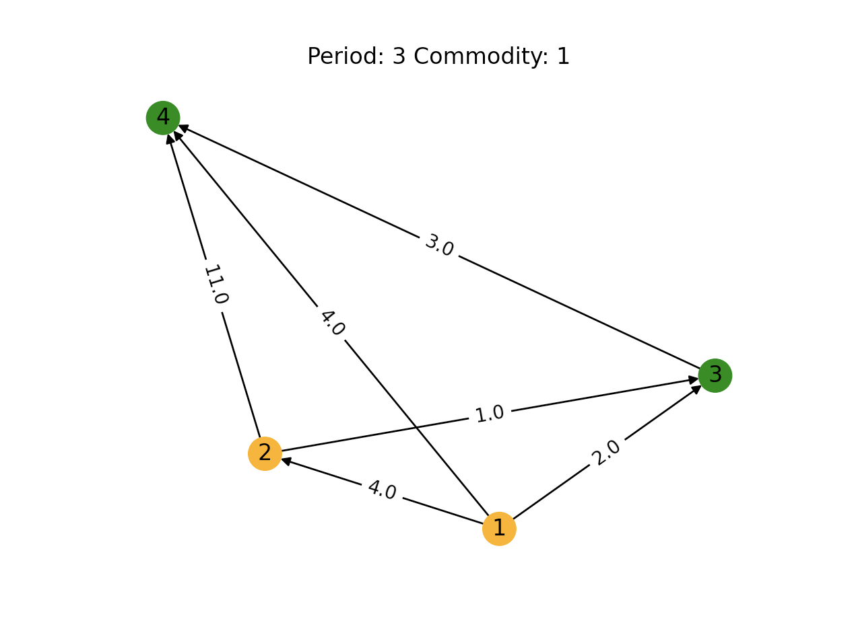

 |  |  | Supply Nodes |  |  |  | Demand Nodes
 |  |  |  | Time Period 1 | Time Period 2 | Time Period 3 |  | Time Period 1 | Time Period 2 | Time Period 3
Supply Nodes: 1 - 2 |  |  | 1 | 4 | 6 | 10 | 3 | 30 | 30 | 30
Demand Nodes: 3 - 4 |  |  | 2 | 6 | 5 | 8 | 4 | 7 | 20 | 12
Transshipment Nodes: 5 - 6
Objective 3: Maximize min time-discounted satisfied demand over demand nodes

 | All supply sources are sent | All demand is satisfied | All demand / source not satisfied |  |  |  |  |  | arc not full capacity
 |  |  |  |  |  |  |  |  | arc full capacity

Objective 2
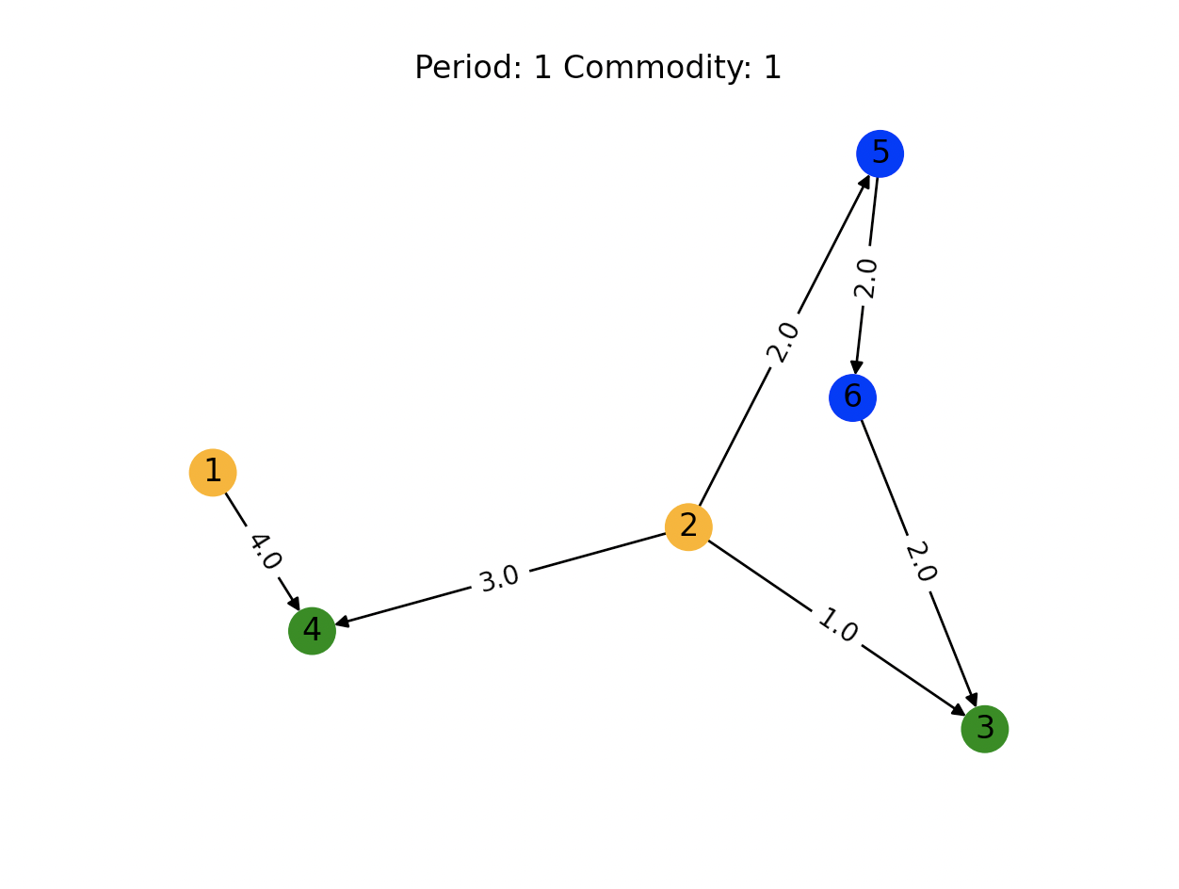
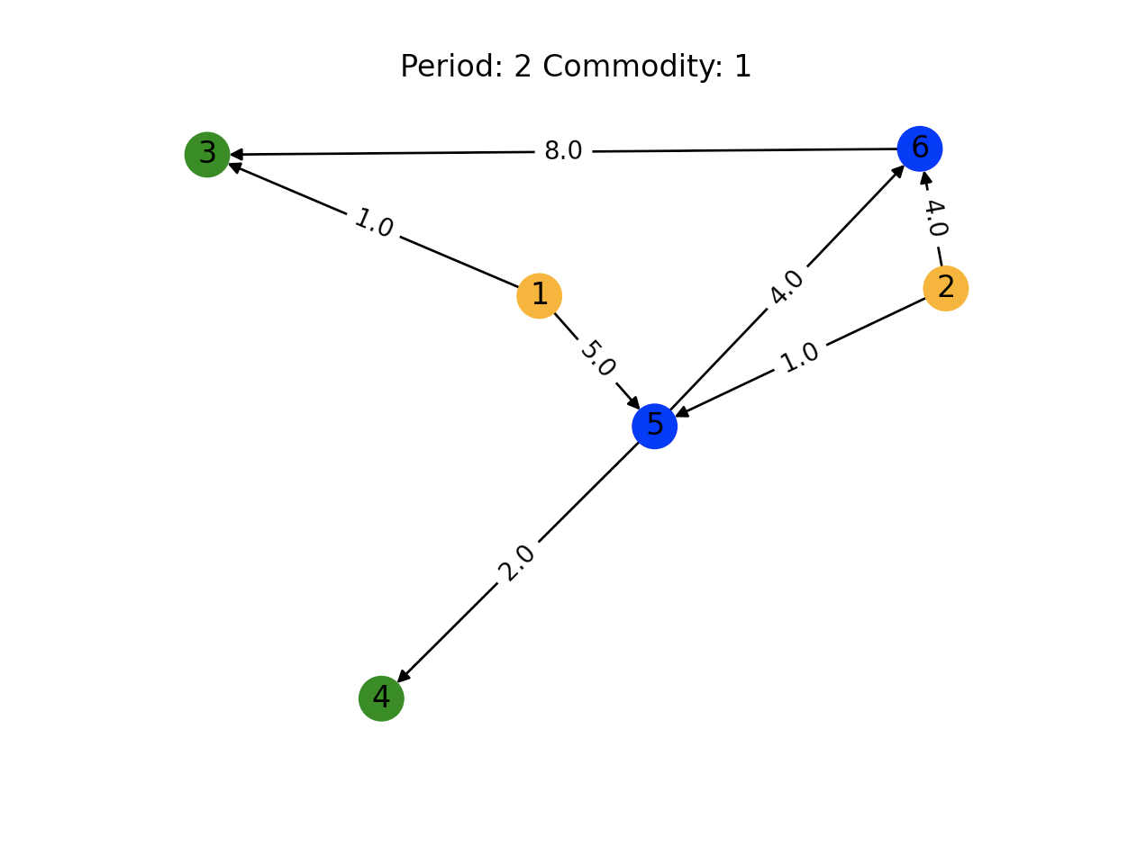
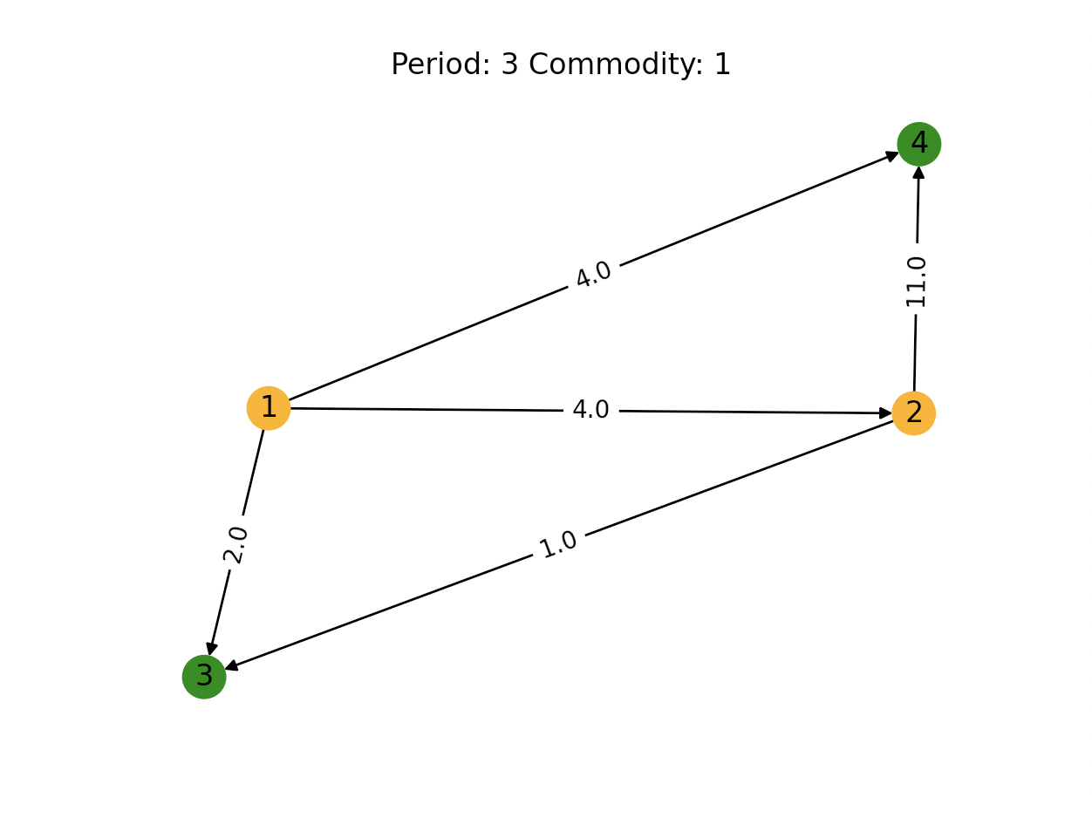

 |  |  | Supply Nodes |  |  |  | Demand Nodes
 |  |  |  | Time Period 1 | Time Period 2 | Time Period 3 |  | Time Period 1 | Time Period 2 | Time Period 3
Supply Nodes: 1 - 2 |  |  | 1 | 4 | 6 | 10 | 3 | 30 | 30 | 30
Demand Nodes: 3 - 4 |  |  | 2 | 6 | 5 | 8 | 4 | 7 | 20 | 12
Transshipment Nodes: 5 - 6
Objective 3: Maximize total time-discounted satisfied demand over demand nodes

 | All supply sources are sent | All demand is satisfied | All demand / source not satisfied |  |  |  |  |  | arc not full capacity
 |  |  |  |  |  |  |  |  | arc full capacity

