Overview
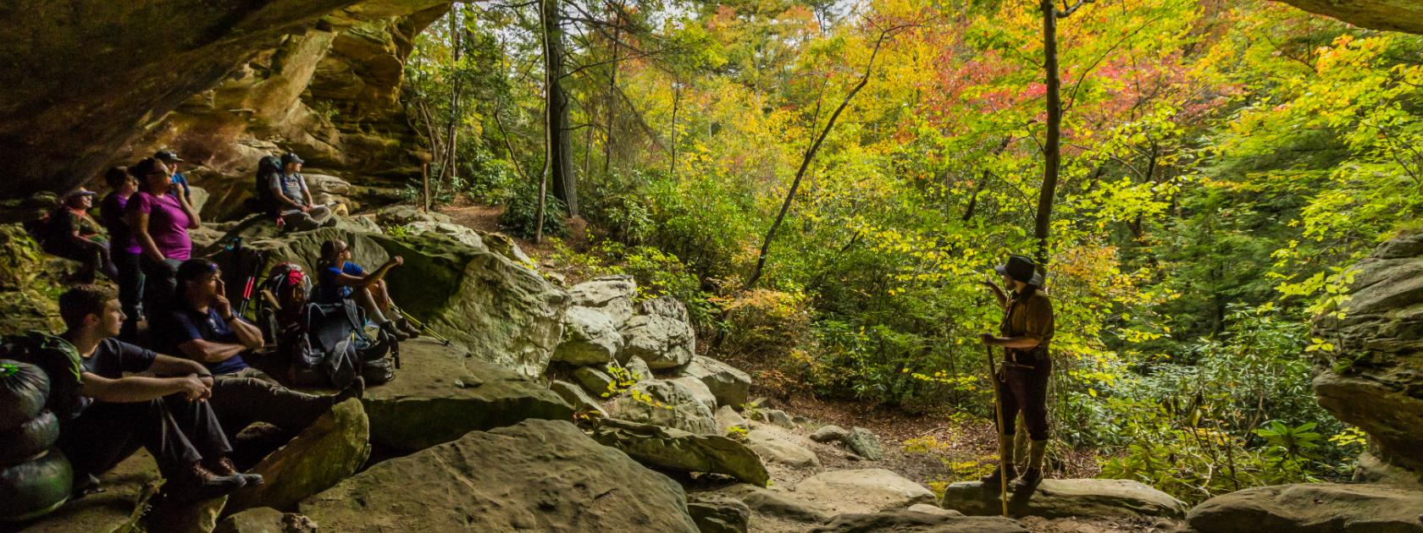
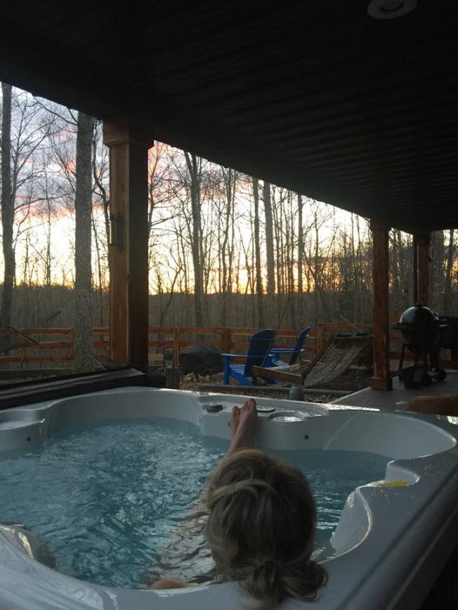
Trip to Livingston, TN |  | 3 days 2 nights

Stay at a Cabin
 | Could travel for food and activities Gainsboro 25 min to Lexington
 | Could stay in/bring food/relax outdoors nearby/hottub/massages


Stay at Lofts
 | In Lexington, easy to get to any activities and food
 | Not very secluded
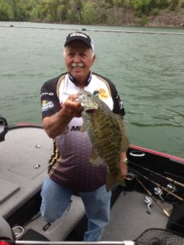

Stay at the marina
 | Water local, restaurants nearby.
 | 18 Min from lexington

Stay
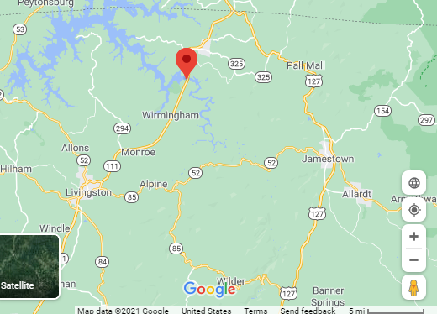
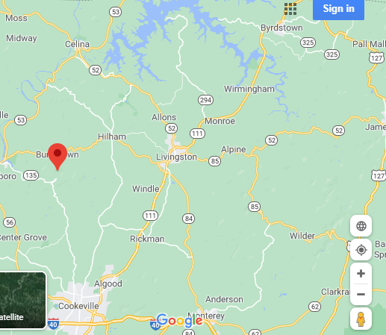
Where | Info/Pictures | Address |  | Talley
Talley's Cabins and Breakfast | CABIN 1 | 766 Hickory Lane Hilham, Tn 38568
Talley's Cabins and Breakfast | CABIN 2 | 764 Hickory Lane Hilham, Tn 38568
Livingston Lofts | LOFTS | 05 East Court Square | Livingston | TN​ | USA
Sunset Marina and Resort | MARINA | 2040 Sunset Dock Rd. Monroe, TN 38573

 |  | Cabins are 25 Min West of Livingston - Food
 |  | Lofts - In livingston
 |  | Marina - 18 min north of Livingston

 |  |  |  |  | 5

 |  |  |  | lofts
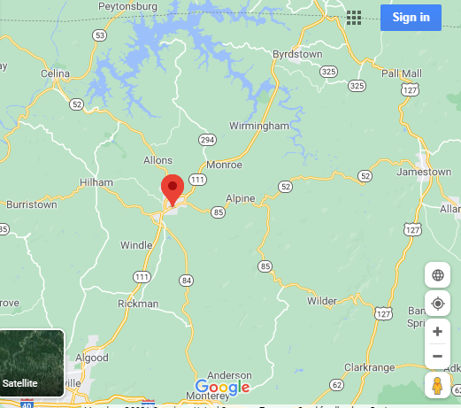

 |  |  | Marina

Do
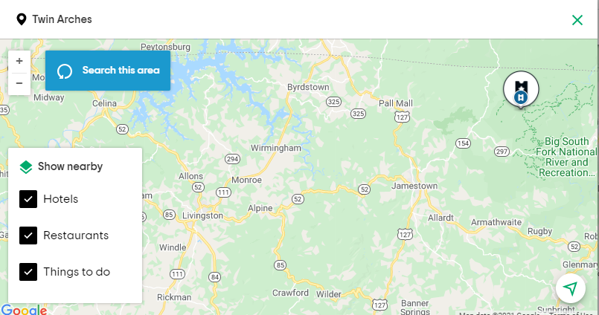
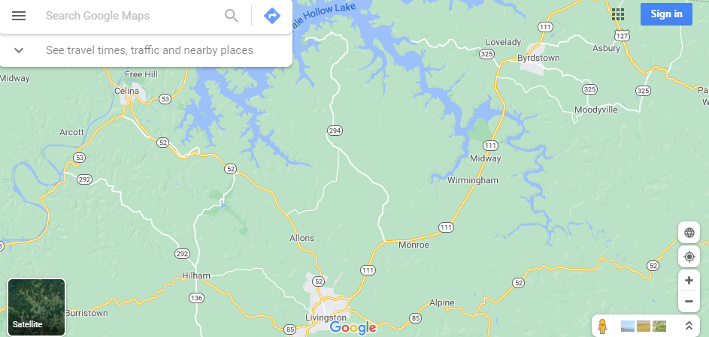
Activity | Link | Minutes from Livingstion

Twin Arches | Twin | 1 hr 20 min away
Holly Ridge Winery and Vineyard | Wine | 7
Overton County Heritage Museum | Museum | 0
Livingston Roller Rink | Rink | 0
Fishing |  | 18 | to the marina bait shop
Standing Stone State Park | ST Park | 13 | Allons NW
Grey Wolf Ranch | Horse | 24 | near marina NE
Cordell Hull Birthplace | CH Birthplace | 23 | near marina NE
Russel Stover Chocolates | Chocolate | 20 | cookeville SW

 |  | Minutes from Cabins
Wartrace Creek | WT Creek | 30
Cummins Falls | Cummins Falls | 28 | near cookeville S
DelMonaco Winery and Vineyards | Winery | 40 | cookeville

