Instructions
Income Workbook Introduction

 |  | *You can hide this Introduction sheet after review and refer back to it by unhiding if needed*
 |  | To return, click the 'Instructions' Button at the top left of the I&D Worksheet.

Version 2026.1
Version Updates: 2026.1 - Updated workbook for 2025 tax year and 2026 YTD calculations. Version Updates: 2025.5 - Updated instructions for entering rental income in MORE LOS. Version Updates: 2025.4 - Updated instructions for entering data in MORE LOS. 2025.3 - Due to Microsoft default changes, we have updated the workbook to remove Active X options (i.e. Buttons, checkboxes), and switched them to Form Control functions. Updated Rental Income worksheets to remove prior year option on conventional loans.

 | Use this excel workbook to analyze and calculate qualifying Income, calculate the Housing and Income to Debt ratios, and document your calculations and results.

 | The workbook consists of individual worksheets for each type of income that may affect a borrowers total qualifying income such as W2, rental, self-employed, and other income sources. Each worksheet is designed to indicate what amount to start the calculation with for that source, what amounts to add or take away from this, where to find the specific figures needed, and provide important notes explaining why/when you can add or must deduct an amount.

 | The first worksheet, the 'Income and Debt' worksheet, will reflect all of the income as calculated on the completed income worksheets. The 'Income and Debt' worksheets also indicates what debts to count against the borrower(s), and has fields for these debts to be entered. Once completed, the Housing and Debt to Income ratios will be automatically calculated and displayed.
Getting Started
 | 1. There are multiple worksheets that can be accessed in the workbook. Start on the I&D Worksheet by clicking the 'Home' bottom, the 'Click Here to get Started' button, or 'I&D Worksheet' tab and select which worksheets you would like to add. This will add a tab for the desired worksheet along the bottom of the workbook. Click 'View/Go' button or on the tab of the desired tab to access that worksheet. See the 'How-to/Tips' section below for more details.

 | 2. Documentation needed to complete the income worksheets may consist of paystubs, written verifications of income, awards letters, 1099's, W2's, personal tax returns, rent leases, business K1's, business tax returns… Review the borrowers tax returns to determine what types of income/losses are applicable.

 | 3. Complete each income worksheets needed for the income types specific to the loan. The monthly income/loss and source will auto-populate onto the 'Income Summary' worksheet and update the 'Income and Debt' worksheet with the total from all sources.

 | •Enter data as it applies into the Blue fields on each worksheet. All other fields, pink/orange, and the white fields with amount totals auto fill based on the information entered into the blue fields.
 | •Income worksheets have notes addressing when income and expenses can be added or may need to be deducted. Many sheets have pop-up cautions to serve as reminders to double check the worksheet notes and the amounts entered.
 | •Additional worksheets can be added for each income type to accommodate multiple income sources of the same type, such as multiple 1065 businesses or multiple properties reported on schedule E.

 | 4. Enter all non-subject properties owned on the 'Rental Income' and 'Additional Properties' Worksheets.

 | 5. Complete the Income and Debt worksheet by entering the proposed subject property expenses and the borrowers debts. (credit report, child support, alimony…)

Worksheets Included in this Workbook
 | Summary Sheets: |  | Rental Income (and other properties):
 | - Income and Debt worksheet |  | - Rental Income - "From Schedule E"
 | - Income Summary |  | - Additional Properties
 | - Notes |  | - Investment Purchase or Refinance
 |  |  | - Primary with Rental Income
 | W2 and Other Income (non self-employed):
 | - Income Expert and Averager - W2 Wage Earner |  | Self-Employed Income:
 | - Income Expert - W2 Wage Earner |  | - Sole Proprietorship - "Schedule C"
 | - Income Expert - Retirement / SSI / Other |  | - Partnership - "Form 1065"
 | - Income Averager |  | - S Corporation - "Form 1120S"
 | - FHA Variable with Increase |  | - Corporation - "Form 1120"
 | - Assets as Income |  | - Farming Income - "Schedule F"
 | - Interest & Dividends - "Schedule B" |  | (All include P&L Analysis worksheet)
 | - 30% of Income Calc.
 | - RSU Income
 | - 1099 Non-Self Employed

 | Other: Drill Pay, Residual Income, Household Income, Employment History, Business Liquidity,
 |  | Business Cash Flow, Employment History, FHA Self-Sufficiency Test, MCC Tax Income Credit
 |  | Assets (QC Worksheet), Credit and Liabilities (QC worksheet)
How-to / Tips
 | Starting and Enabling the Workbook

 | 1. Saving and Trusting the workbook: If you receive the workbook through email, rather than opening the workbook directly from the email, please be sure to drag or save it your desktop (or location on your computer), and then open it. If Downloading it, please save it to your desktop or a location on your computer other than the 'Downloads' folder. Once open, You may see the following Security Risk error message at the top of the screen. (Fig 0.1) If you do not receive this message, Skip this step. If you do receive this message, you will need to 'Trust" the document for the buttons and many other aspects of the workbook to work correctly. To do this, follow these steps. 1. Close the workbook. 2. Locate your copy of it on your computer. 3. Right-click on the file/icon and select “Properties” 4. Check “Unblock” (Fig 0.2) 5. Click "Ok" or “Apply” 6. Re-open the workbook. You will also need to click enable Content at the top of the workbook. (Fig 0.3) Once Fully Trusted and Enabled, be sure to Resave your copy, and then these setting will remain intact on this copy. |  | 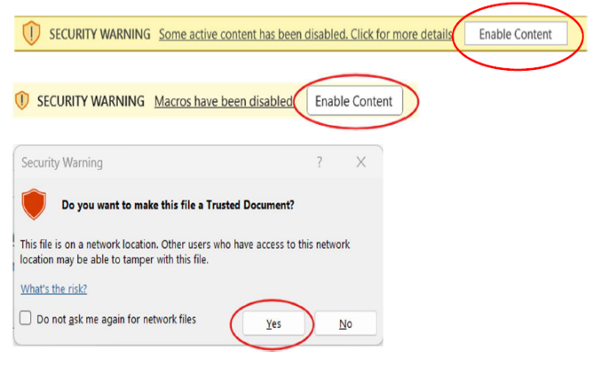 Fig 0.1 Fig 0.2 Fig 0.3
 | You will also need to click 'Enable Content' at the top of the workbook. If any other Enable or Trust notices appear, please accept. (Fig 0.3) If preferred, You may also want to turn off auto save. (Fig 0.4) Once Fully Trusted and Enabled, be sure to Resave your copy, and then these setting will remain intact on this copy. |  | 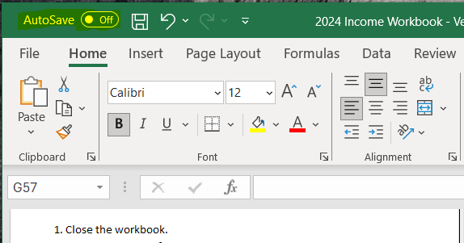 Fig 0.4
 | *If the Buttons are not working correctly - Make sure the workbook is 'Trusted' and 'Enabled' as described above, check the 'Display' settings as described below, and make sure your Computer and Excel are up to date*
 | 2. Fix button issues with the display settings: If you are having issues with the buttons not working you may need to change your display setting from 'Optimize for best appearance' to 'Optimize for compatibility'. There are 2 possible options for this: Option 1 (if available): at the bottom right of the screen, if it shows "Display Settings" you can check it by clicking here and selected to "Optimize for Compatibility" This will require you to save and restart excel, and should fix any button issues. (Fig 0.5) |  | 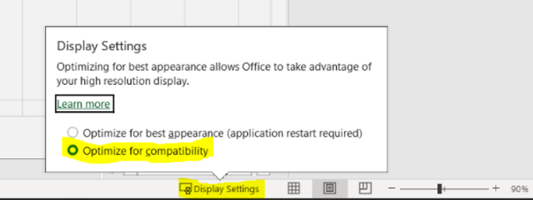 Fig 0.5 Fig 0.6
 | Option 2, Go to File, Options, General, User Interface options, and select Optimize for Compatibility. This will require you to save and restart excel, and should fix any button issues. You can also make sure your computer is up to date, and that you are opening the from a saved place on your computer or desktop, and not directly from an email attachment or link. (Fig 0.6) |  | 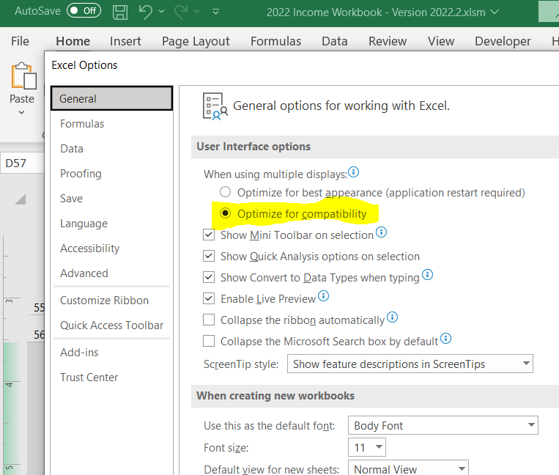
 | *If you have completed the above steps and only the 'Add' buttons are not working correctly, try the below: Double click it quickly, After clicking the 'Add' button press the space bar, Right click and then click again, Press the 'Esc' button on your keyboard and then click again... *You can also add sheets with the 'View/Go' buttons (Fig 1.1), or Manually by right clicking on the tab of the wkst you are currently on at the bottom of the workbook and selecting the unhide option, then select the desired worksheet from the list to un-hide. (Fig 0.7) |  | Fig 0.7

 | Adding & Accessing Worksheets

 | 1. Add/View Buttons: Worksheet Access buttons have been added on the I&D Worksheet to the right on the next page over. This allows you to click and add all the initial worksheets you may need for calculating income and also access them without have to scroll through the tabs or have unnecessary tabs open, making the I&D Worksheet more of a home page for the workbook. Click the 'Add' button for all the initial sheets needed to add their tabs to the workbook. Press the 'View/Go' button to the worksheet without having to scroll through tabs or unhide tabs one at a time (note, the 'View/Go' button will also add the worksheet if it has not already been added. (Fig 1.1) |  | 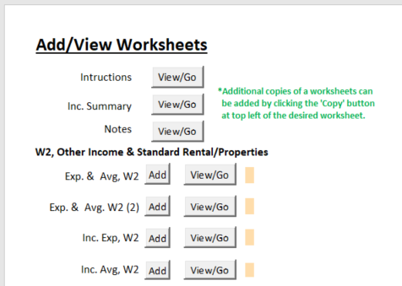 Fig 1.1
 | *If the Buttons in the Workbook are not working correctly, refer to the 'Starting and Enabling the Workbook' section above*
 | Home Button - Returning to I&D Worksheet

 | 1. Home Button: A home button has been added to all worksheets that takes you back to the I&D Worksheet if clicked. (Fig 1.2) |  | 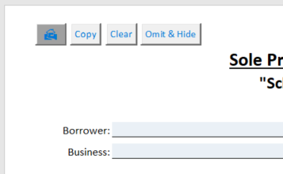 Fig 1.2
 | Hide/Unhide Worksheets

 | 1. Hiding Worksheets: Worksheets can be hidden/omitted by clicking the 'Hide' or 'Omit & Hide' button found at the top left of each page. Some sheets only have a 'Hide' button as the data on the sheet does not carry to any other sheets, while sheets that do have data that carries to the I&D Worksheet only have an 'Omit & Hide' button; this is because sheets that have data carrying forward should not be hidden, and if they are the data will still carry forward even thought the sheet is hidden unless the data is also omitted. The 'Omit & Hide' button will automatically select the 'Omit' check box on the worksheets while simultaneously hiding it. (Fig 1.3) If a worksheet is hidden it can be unhidden by clicking the appropriate 'Add' button on the I&D worksheet, unless the Hidden sheet was a copy. If a copy of a worksheet is hidden, it must be unhidden following the instructions below for Unhiding a worksheet. |  | 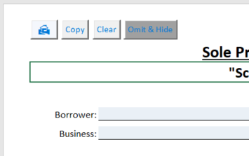 Fig 1.3
 | 2. Unhiding Worksheets: Unhide Worksheets by clicking the 'Add' button on the I&D Worksheet next the appropriate worksheet type. Note this only works for 1st version of each worksheet; If you are needing to unhide a copy of a worksheet that was hidden, you must do this by right clicking on any tab and selecting the unhide option, then select the desired worksheet from the list to un-hide. (Fig 1.2). The only exception to this of Exp. & Avg W2 (2) worksheet as it has its own spot on the I&D worksheet and can be unhidden there. |  | 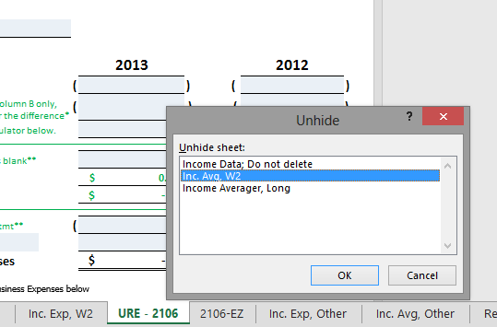 Fig 1.4
 | 3. Hiding Worksheets without Omitting: This generally shouldn’t be needed as worksheets with data on them that are not omitted should not be hidden, however pressing the 'Omit & Hide' button does check the 'Omit' box even if there is not data entered on the sheet which can be undesirable. if you wish to hide a worksheet without the omit button being checked worksheets and their tabs can be hidden from view by right clicking on the desired worksheets tab and selecting the 'Hide' option. (Fig 1.5) |  | 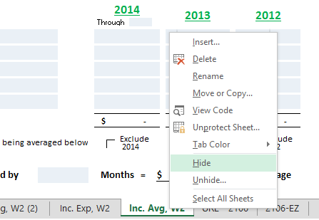 Fig 1.5

 | Clearing All Data Entered on a Worksheet and Resetting it to its Original Settings

 | 1. Clearing Worksheets: All data and selections can be cleared/reset on a worksheet by clicking the 'Clear' button at the top left of the desired worksheet. It will take a few seconds to complete as it has to run though all the fields on the sheet. Please note, clearing data on a sheet by using this button CANNOT BE UNDONE and all data will have to be re-entered if done in error. You may wish to save a copy before using this feature. It is recommended to always start a new loan with a blank QM workbook rather than clearing sheets, this is primarily added for clearing copied sheets or reworking worksheets. (Fig2.2) |  | 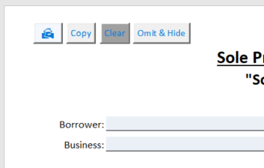 Fig 2.2
 | Multiple Worksheets Needed for the Same Type of Business/Income

 | 1. Adding more worksheets: Once you have added the first worksheet needed for any income by clicking the appropriate 'Add' on the I&D Worksheet, you can then add copies of the worksheets by clicking the 'Copy' button at the top left of the desired worksheet. When you click 'Copy' it will duplicate the sheet you are on, including any data that has been entered, create a new tab for it, and take you directly to the new copy. Multiple copies can be made, but there is a limit on how many will carry forward to the Income Summary and I&D Worksheet, and Manual entry may be required if indicated. (Fig 2.3) |  | 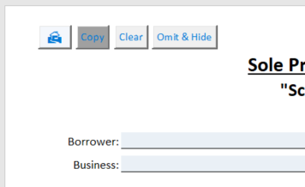 Fig 2.3

 | 2. Worksheet data Auto-Feeding: Data from Worksheets and Copies of worksheet will auto feed to the income summary and 'Income' and 'Debt Worksheets' as long as the maximum number of copies of each allowed is not exceeded and the tab names are not renamed from their default names. If information from a sheet is not auto feeding a pop-up on the sheet will let you know. Information from sheets that are not auto feeding must be manually entered on the 'Income Summary' sheet. (The Income Averager and Investment Refinance sheets do not auto-feed) (Fig 2.4) |  | 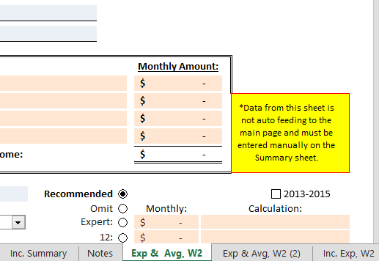 Fig 2.4
 | Cautions/Error Messages

 | 1. Declining Income Indicator: If declining income is detected a pop-up highlighted in yellow will indicate this and the check box to exclude the previous year will highlight yellow as a reminder to exclude the previous year in most cases. (Fig 3.1) On self-employed worksheets the 'Add P&L Analysis' box will also highlight yellow and a P&L should be obtained and analyzed when there is declining income. *The declining income indicator and the and yellow highlighting in both areas will remain regardless of whether the box is checked or not. |  | 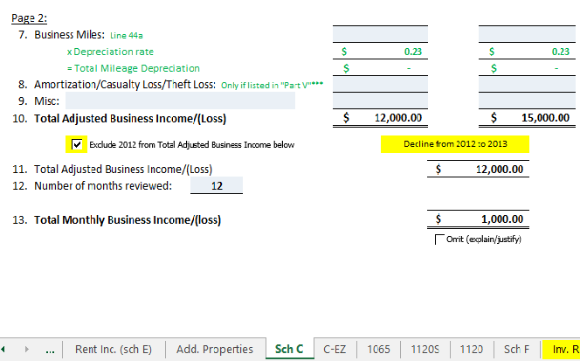 Fig 3.1
 | 2. Declining Income Cautions: If declining income is detected and the # of months reviewed by is entered without the excluded check box being checked, or the # of months reviewed entered is greater than 12 the exclude checkbox and/or # of months reviewed box will highlight red and a caution message will appear. When the checked box is checked or the # of months reviewed is adjust to 12 or below the red highlighting and caution message will be removed. (Fig 3.2) |  | 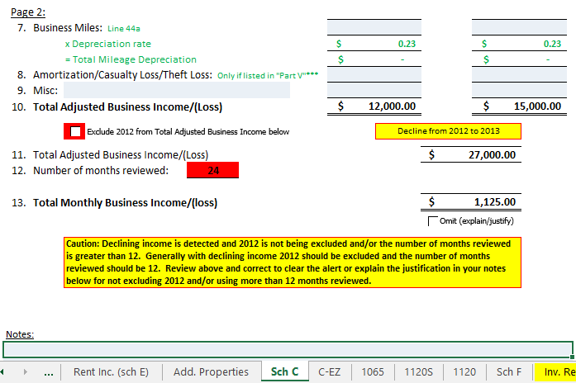 Fig 3.2
 | 3. Exclude Checkbox/Months Reviewed Cautions with increasing income: If income is increasing and the exclude check box is checked, or the # of months reviewed entered is less than 24 months reviewed, the exclude check box or number of months reviewed box will highlight red and a caution message will appear. When the checked box is unchecked or the # of months reviewed is adjust to 24 the red highlighting and caution message will be removed. (Fig 3.3) |  | 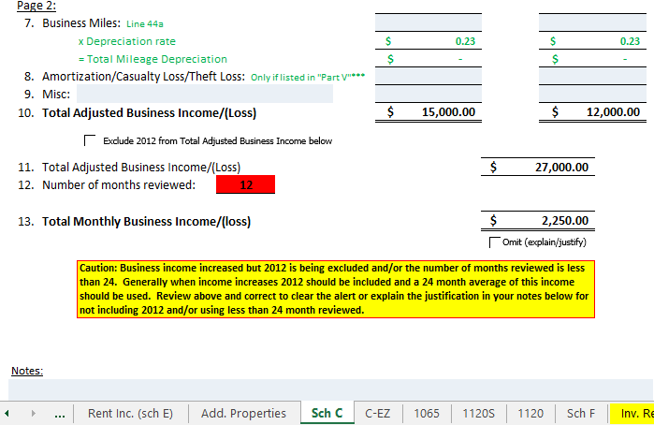 Fig 3.3
 | 4. Yellow Entry Cautions: Some fields will turn yellow if any amount is entered to indicate that this is field has specific instructions in the Worksheet Instruction section at the bottom of the worksheet and that you should double check to make sure the entry follows the instructions. (This is not indicating that your entry is incorrect and will stay highlighted yellow, just a reminder to double check your entry with the instructions) (Fig 3.4 and Fig 3.5) In the example shown in Fig 3.4 and Fig 3.5, an amount is entered on the 1120S worksheet for 'Other' income from the 1120S corporate tax returns. The field highlights and the matching instruction at the bottom of the worksheet will highlight. It states that other income should generally be entered as a negative amount on the worksheet and explains that in most situation 'Other' income must be deducted, not added to the qualifying income. |  | 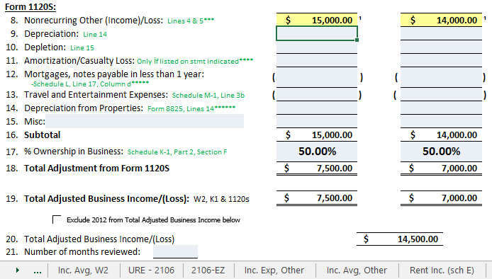 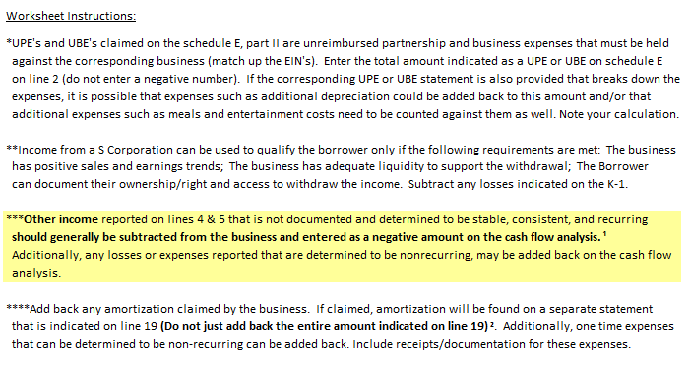 Fig 3.4 Fig 3.5
 | Printing the Workbook

 | 1. Printing Workbook: When you are ready to print/PDF you can simply click the 'Print' button located at the top left of the I&D Worksheet; this will allow you to select a printer or PDF printer and will automatically print all the worksheets that have been added to the workbook. or, you can go to File, Print, and make sure the print settings are set to Print Entire Workbook. (Fig 4.1 and Fig 4.2) |  | 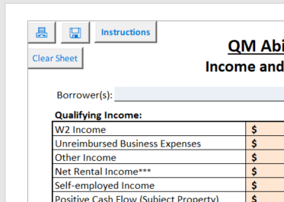 Fig 4.1

 | 2. Printing Individual Worksheets: If you want to print individual worksheets, or only specific worksheets, make sure you are on the worksheet you want to print or have highlighted the tabs of the worksheets you want to print by holding ctrl and clicking on the desired worksheet tabs, then go to File, Print, and make sure the print settings are set to Print Active Sheets. |  | 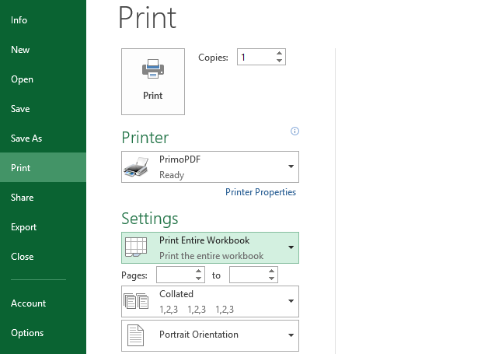 Fig 4.2
 | Additional Items
 | 1. Automatic calculations (Calculations aren't updating): If totals/calculations are not updating automatically make sure that 'Calculation Options' setting under the Formulas toolbar is set to automatic. (This can switch to manual in error) (Fig 5.1) |  | 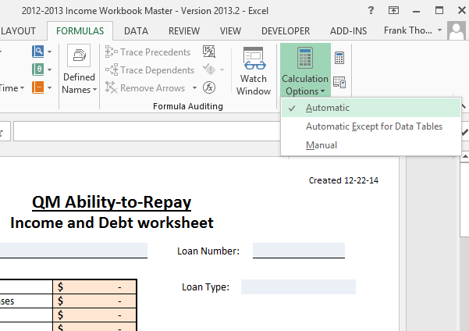 Fig 5.1
 | 2. Worksheet Colors: There should be blue and pink/orange fields on the worksheets in the workbook. The blues fields are the only fields that you can make entries into. The pink/orange fields auto fill based on the data entered elsewhere. If the colors are not visible on one of your computer screens making the worksheets hard to read, the following adjustments may be helpful: Right click on your desktop background and select Graphic Properties. (Fig 5.2) Select 'Basic' if asked. In the Display, Color Enhancement settings, select the Display monitor you would like to adjust and try adjusting the Gamma down slightly. This may help the colors become visible/darker. (Fig 5.3) |  | 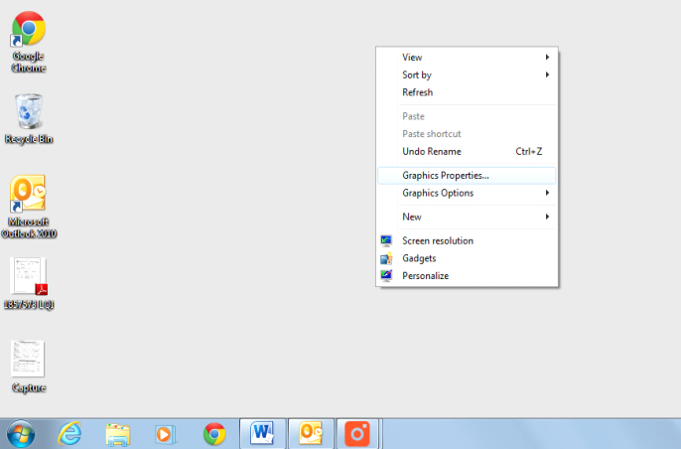 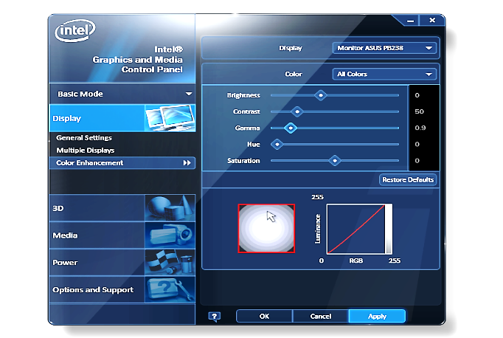 Fig 5.2 Fig 5.3

 | 3. Worksheets Margins/Page Display: The worksheet margins and max page size that will be displayed and print are affected by the printer that is set as your default printer. Some printers do not support the full page size of the worksheets and the bottom or right side of the worksheets may be cut off and run onto a second page. If your default printer does not allow the entire worksheet to fit onto the page and display properly there are simple adjustments that can be made that may help fit the worksheet to your printer and display correctly or at least better. If your worksheets are not fitting onto the single pages as displayed to the right for example. (Fig 5.4) Click on the 'Page Layout' tab on the tool bar and adjust the 'Scale to fit' settings. (Fig 5.5) You can then change the width to '1 page' rather than 'automatic', or change the length to 1 or more pages (depending on how many sheets there are) rather than 'automatic', or leave the length and width set to 'automatic' and adjust the scale to less than 100%. Different settings can help with how the worksheets display and print for different printers. |  | 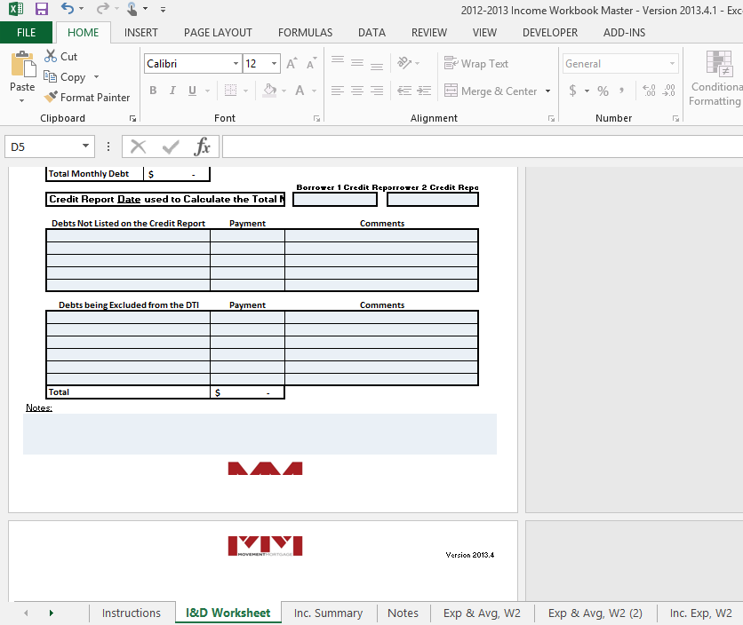 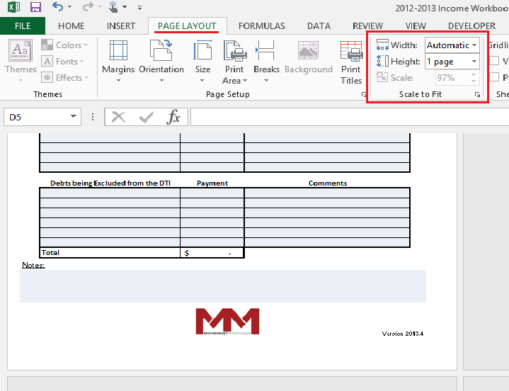 Fig 5.4 Fig 5.5
 | 4. Changing the Years On Self Employed and Averaging Worksheets: The years can be changed by double clicking on the more recent year indicated and typing in the desired year. This will automatically update the prior year(s) and and worksheet data as well. (Fig 5.6) |  | 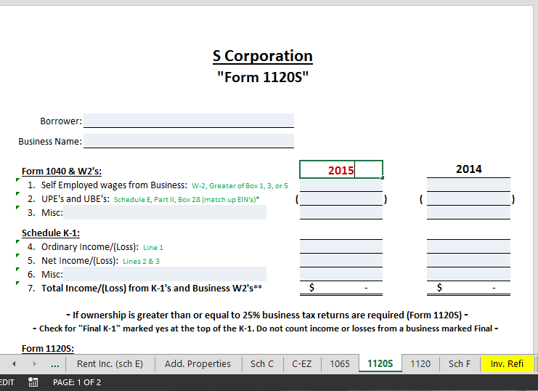 Fig 5.6
 | 5. Adding a P&L Analysis worksheet to a self-employed worksheet: All of the self-employment worksheets have the option to add a P&L analysis worksheet which will use data entered on both worksheets to produce analysis results. To add a P&L worksheet, click the check box labeled Add P&L Analysis, found near the bottom left of the appropriate self-employment worksheet. P&L's should be obtained and analyzed any time there in a decline in self employment income, or after the 1st qtr on all FHA loans, all USDA loans, and all VA manual UW loans. (Fig 5.7) |  | 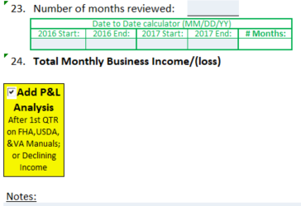 Fig 5.7
 | 6. Selecting the Years for P&L: When adding a P&L worksheet and selecting the Years between worksheets , the most recent filed tax return year should be entered in the left column of the self-employment worksheet and be sequential with the years on the P&L with no gaps in years or duplicate years. (Fig 5.8 and Fig 5.9) |  | 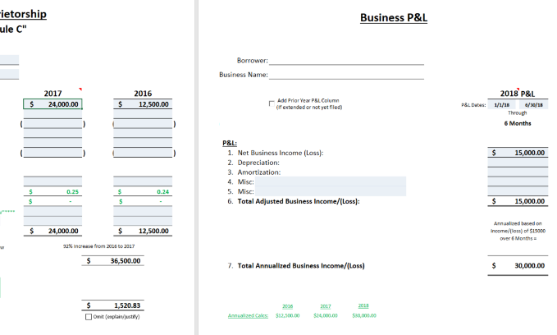 Fig 5.8
 |  |  | 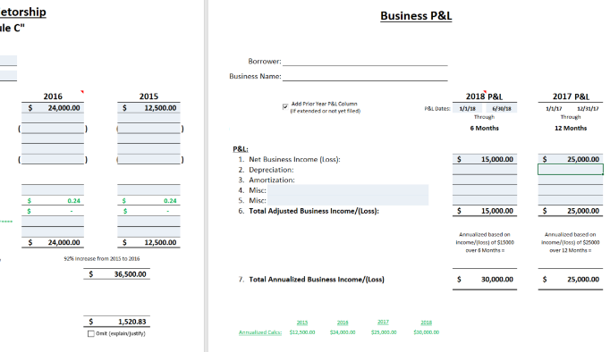 Fig 5.9

 |  |  |  | Version 2026.1

