Sheet1
BOARD PIN | SOFTWARE PIN | FUNCTION | MAPPING | CONFIGURED | LIDAR | https://files.seeedstudio.com/wiki/Grove-TF_Mini_LiDAR/res/SJ-PM-TF-Luna-A03-Product-Manual.pdf
DO | PF6 | UARTRX | LIDAR_IN | YES | 1 | 5V
D1 | PF7 | UARTTX | LIDAR_OUT | YES | 2 | RX
D2 | PG13 | GPIO |  |  | 3 | TX
D3 | PF10 | PWM | LEFT_MOTOR_SPEED | YES | 4 | GND
D4 | PB6 | GPIO | LEFT_MOTOR_1 | YES
D5 | PE6 | GPIO | LEFT_MOTOR_2 | YES
D6 | PB0 | PWM | RIGHT_MOTOR_SPEED | YES
D7 | PC13 | GPIO | RIGHT_MOTOR_1 | YES | MOTOR | https://lastminuteengineers.com/l298n-dc-stepper-driver-arduino-tutorial/
D8 | PA4 | GPIO | RIGHT_MOTOR_2 | YES
 |  |  |  |  | 1 | 5-35V | top on sides is for power out
BUTTON | PA0 | GPIOI | METRIC_CHANGE | YES | 2 | GND | bottom on sides is for gnd out
 |  |  |  |  | 3 | None
 |  |  |  |  | 4 | LEFT_MOTOR_SPEED
 |  | lidar not dependent |  |  | 5 | LEFT_MOTOR_1
 |  | motor dependent on lidar |  |  | 6 | LEFT_MOTOR_2
 |  | metric depeent on motor |  |  | 7 | RIGHT_MOTOR_1
 |  | screen dependent on metric |  |  | 8 | RIGHT_MOTOR_2
 |  |  |  |  | 9 | RIGHT_MOTOR_SPEED

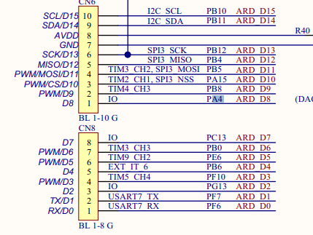
 |  | tick count for each task

 |  | lidar 51
 |  | display 120

 |  | motor could be main thread

