instructions
Nachtfliegen Enterprises earns 0.5 rubles per quadcopter.
Use Excel Scenarios to capture what we'd earn when producing 1, 10, and 100.
Name the workbook: acuid_whatif_1.xlsx
Build the model in worksheet whatif_1
Color the cells appropriately blue/yellow/orange as discussed in class.
Name the scenarios "one", "ten", and "hundred".
Create a Scenario Summary sheet, and name it whatif_1_summary
The sheet can look something like:
Rubric
10 | Workbook name
10 | Sheet name
10 | Colored Cells
60 | Correct Summary Sheet
10 | Summary Sheet Name
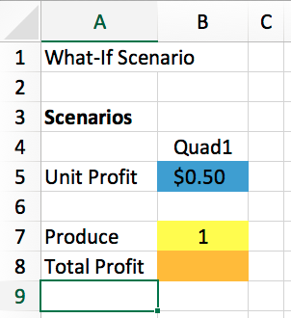
100

