Problem
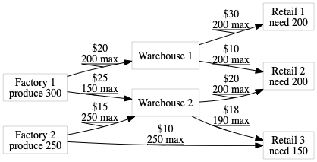
Nachtfliegen Enterprises is shipping many things! Use Solver to minimize shipping costs of the following network.
Route costs and constraints are shown on the arcs.
"Produce" and "Need" mark the desired quanitities of the factories and retail outlets.

