Problem
Nachtfliegen's Shipping Department needs help in optimizing shipping routes. The following worksheet is incomplete.
Use the data in the graph to finish the worksheet and use Solver to calculate how many units to ship along each route to minimize shipping costs.
As you begin, a note arrives informing you that routes are limited to 120 units.

Base
Quiz_Networks_02

 | From | To | Ship |  | Capacity | Unit Cost | Nodes | In | Out | Net |  | Supply/Demand
 | Seattle | New York |  | <= | 120 | $20 | Seattle | 0 | 0 | 0 | = | ?????
 | Seattle | Abilene |  | <= | 120 | $10 | Fresno | 0 | 0 | 0 | = | ?????
 | Abilene | New York |  | <= | 120 | $8 | Abilene | 0 | 0 | 0 | = | ?????
 | Abilene | Miami |  | <= | 120 | $7 | New York | 0 | 0 | 0 | = | ?????
 | Fresno | Abilene |  | <= | 120 | $11 | Miami | 0 | 0 | 0 | = | ?????
 | Fresno | Miami |  | <= | 120 | $21
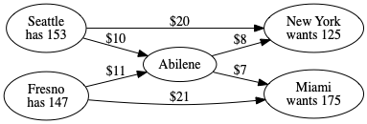
 |  | Total Cost | ?????

