Problem
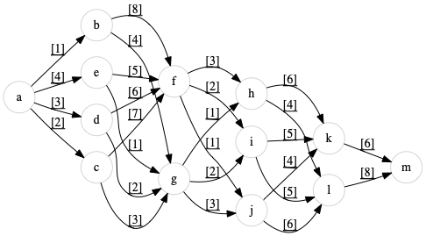
Nachtfliegen Enterprises is shipping many things!
Use Solver to maximize the flow through the following network.
Route constraints are shown on the arcs.
Indicate in the column next to the route constraints, which ones are binding.
Enter the objective function in D30.

