Problem Solving
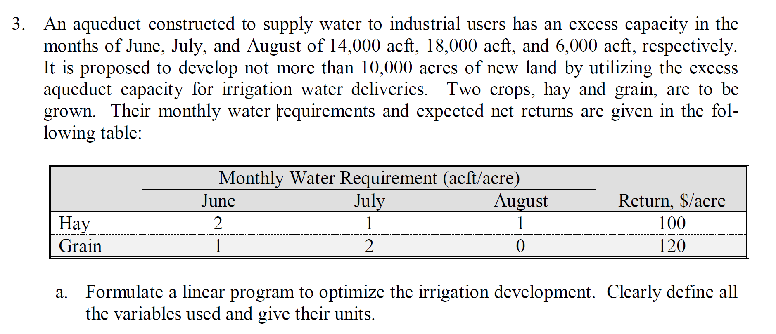
1. Problem Formulation

Max Z = 100 Xhay + 120 Xgrain
s.t. 14,000 >= 2 Xhay + 2 Xgrain
18,000 >= 1 Xhay + 2 Xgrain
6,000 >= 1 Xhay + 0 Xgrain
10,000 >= 1 Xhay + 1 Xgrain

Item | Hay | Grain | Left-Hand Side Value | b (RHS)
Objective function coefficient ($/plant) | 100 | 120 | NA | NA
June Water Constraint (ac-ft) | 2 | 1 | 12,000 | 14,000
July Water Constraint (ac-ft) | 1 | 2 | 18,000 | 18,000
August Water Constraint (ac-ft) | 1 | 0 | 2,000 | 6,000
Land constraint (ac) | - | - | 10,000 | 10,000
Decision variable values (ac planted) | 2000 | 8000 | NA | NA
Objective function value ($) | $1,160,000.00

2. Enter problem data into Solver
A. For Set Objective, enter cell with objective function value (B17)
B. Set To to the desired direction (Max)
C. Enter range for cells with decision variable values in By Changing Variable Cells:
D. Under Subject to the Contraints, click Add and enter cells with left- and right-hand side values
E. Leave Make unconstrained variables non-negative checked (why?)
F. Set Select a Solving Method to Simplex LP (later in the semester we will use other methods)
G. Click Solve
F. In the Solver Results window, under Reports, select Answer and Sensitivity. Then click OK.

3. Interpret results
A. What is the optimal objective function value? (HINT: look in the cell you specified in Step 3A)
B. What are the optimal decision variable values? (HINT: look in the cells you specified in Step 3C)
C. On the new Answer Report worksheet, what are the slack values for the constraints? What do these values mean?
D. We will interpret results in the Sensitivity Report in class

