Figure_1
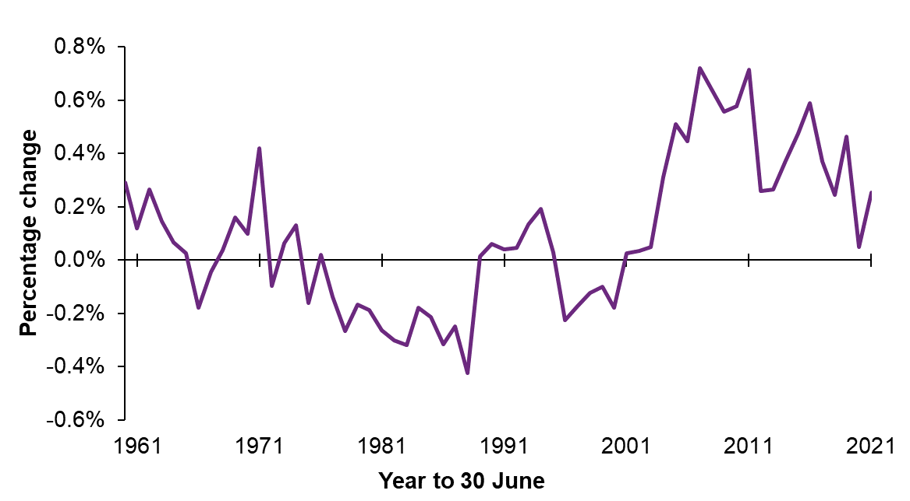
Figure 1: Annual population change, 1960 to 2021
Table of contents

Figure_2
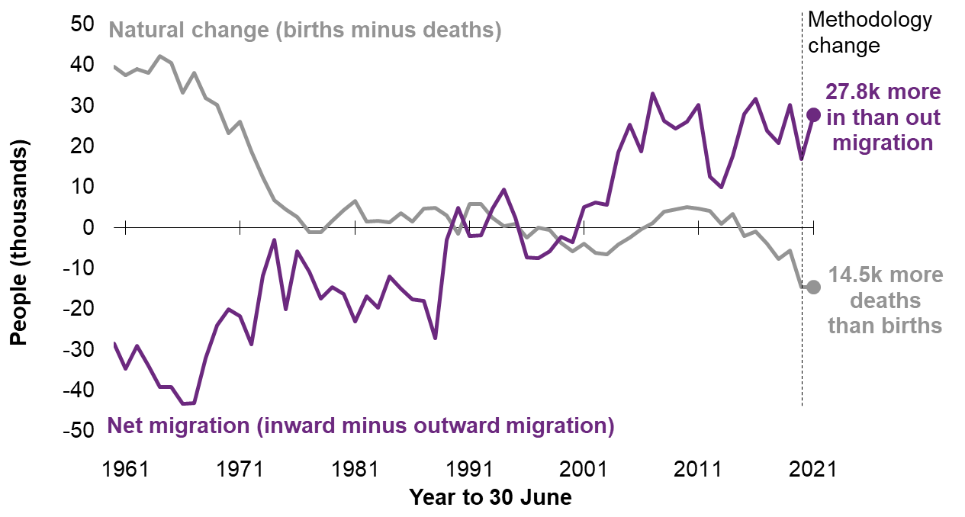
Figure 2: Natural change and net migration, 1960 to 2021
Table of contents

Figure_3
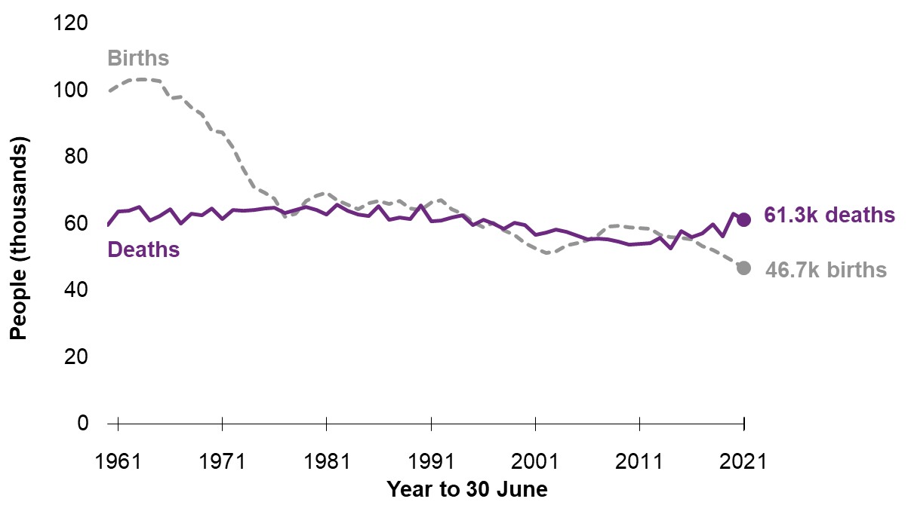
Figure 3: Mid-year births and deaths, 1960 to 2021
Table of contents

Figure_4
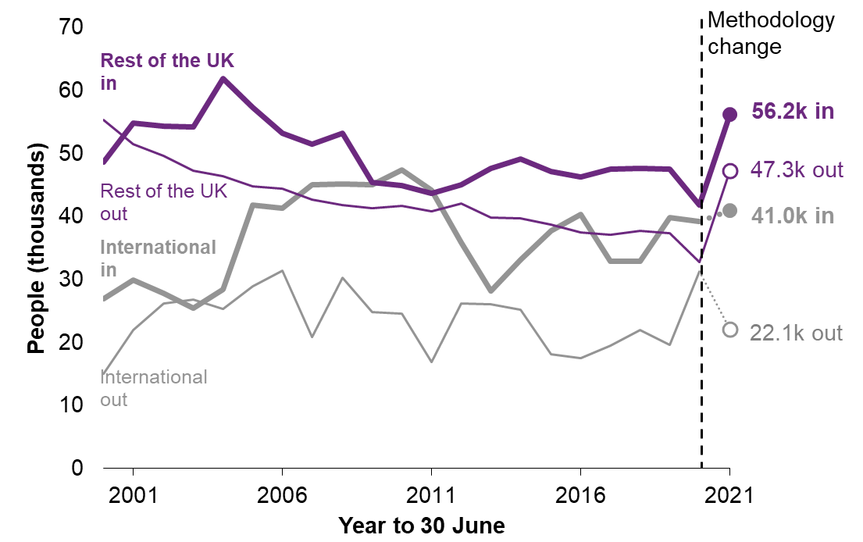
Figure 4: Movements to/from the rest of the UK and internationally, 2000 to 2021
Table of contents

Figure_5
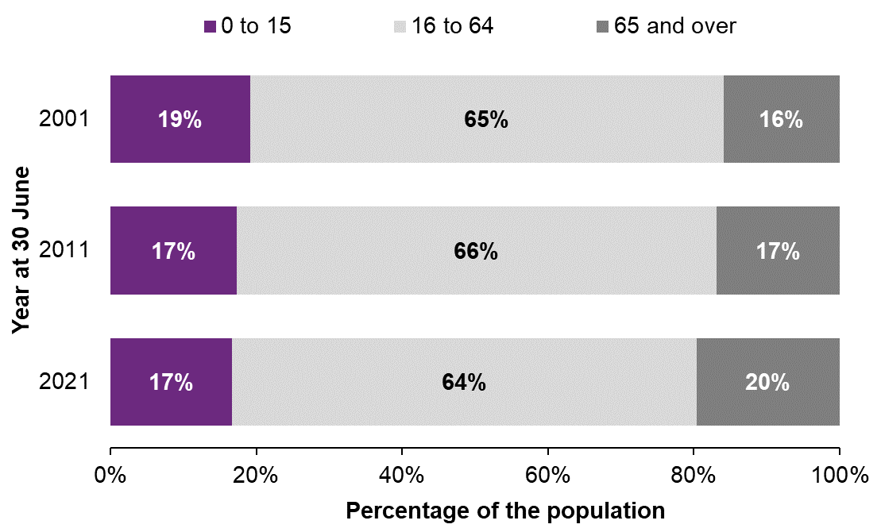
Figure 5: Age groups as proportion of Scotland's population, mid-2001 to mid-2021
Table of contents

Figure_7
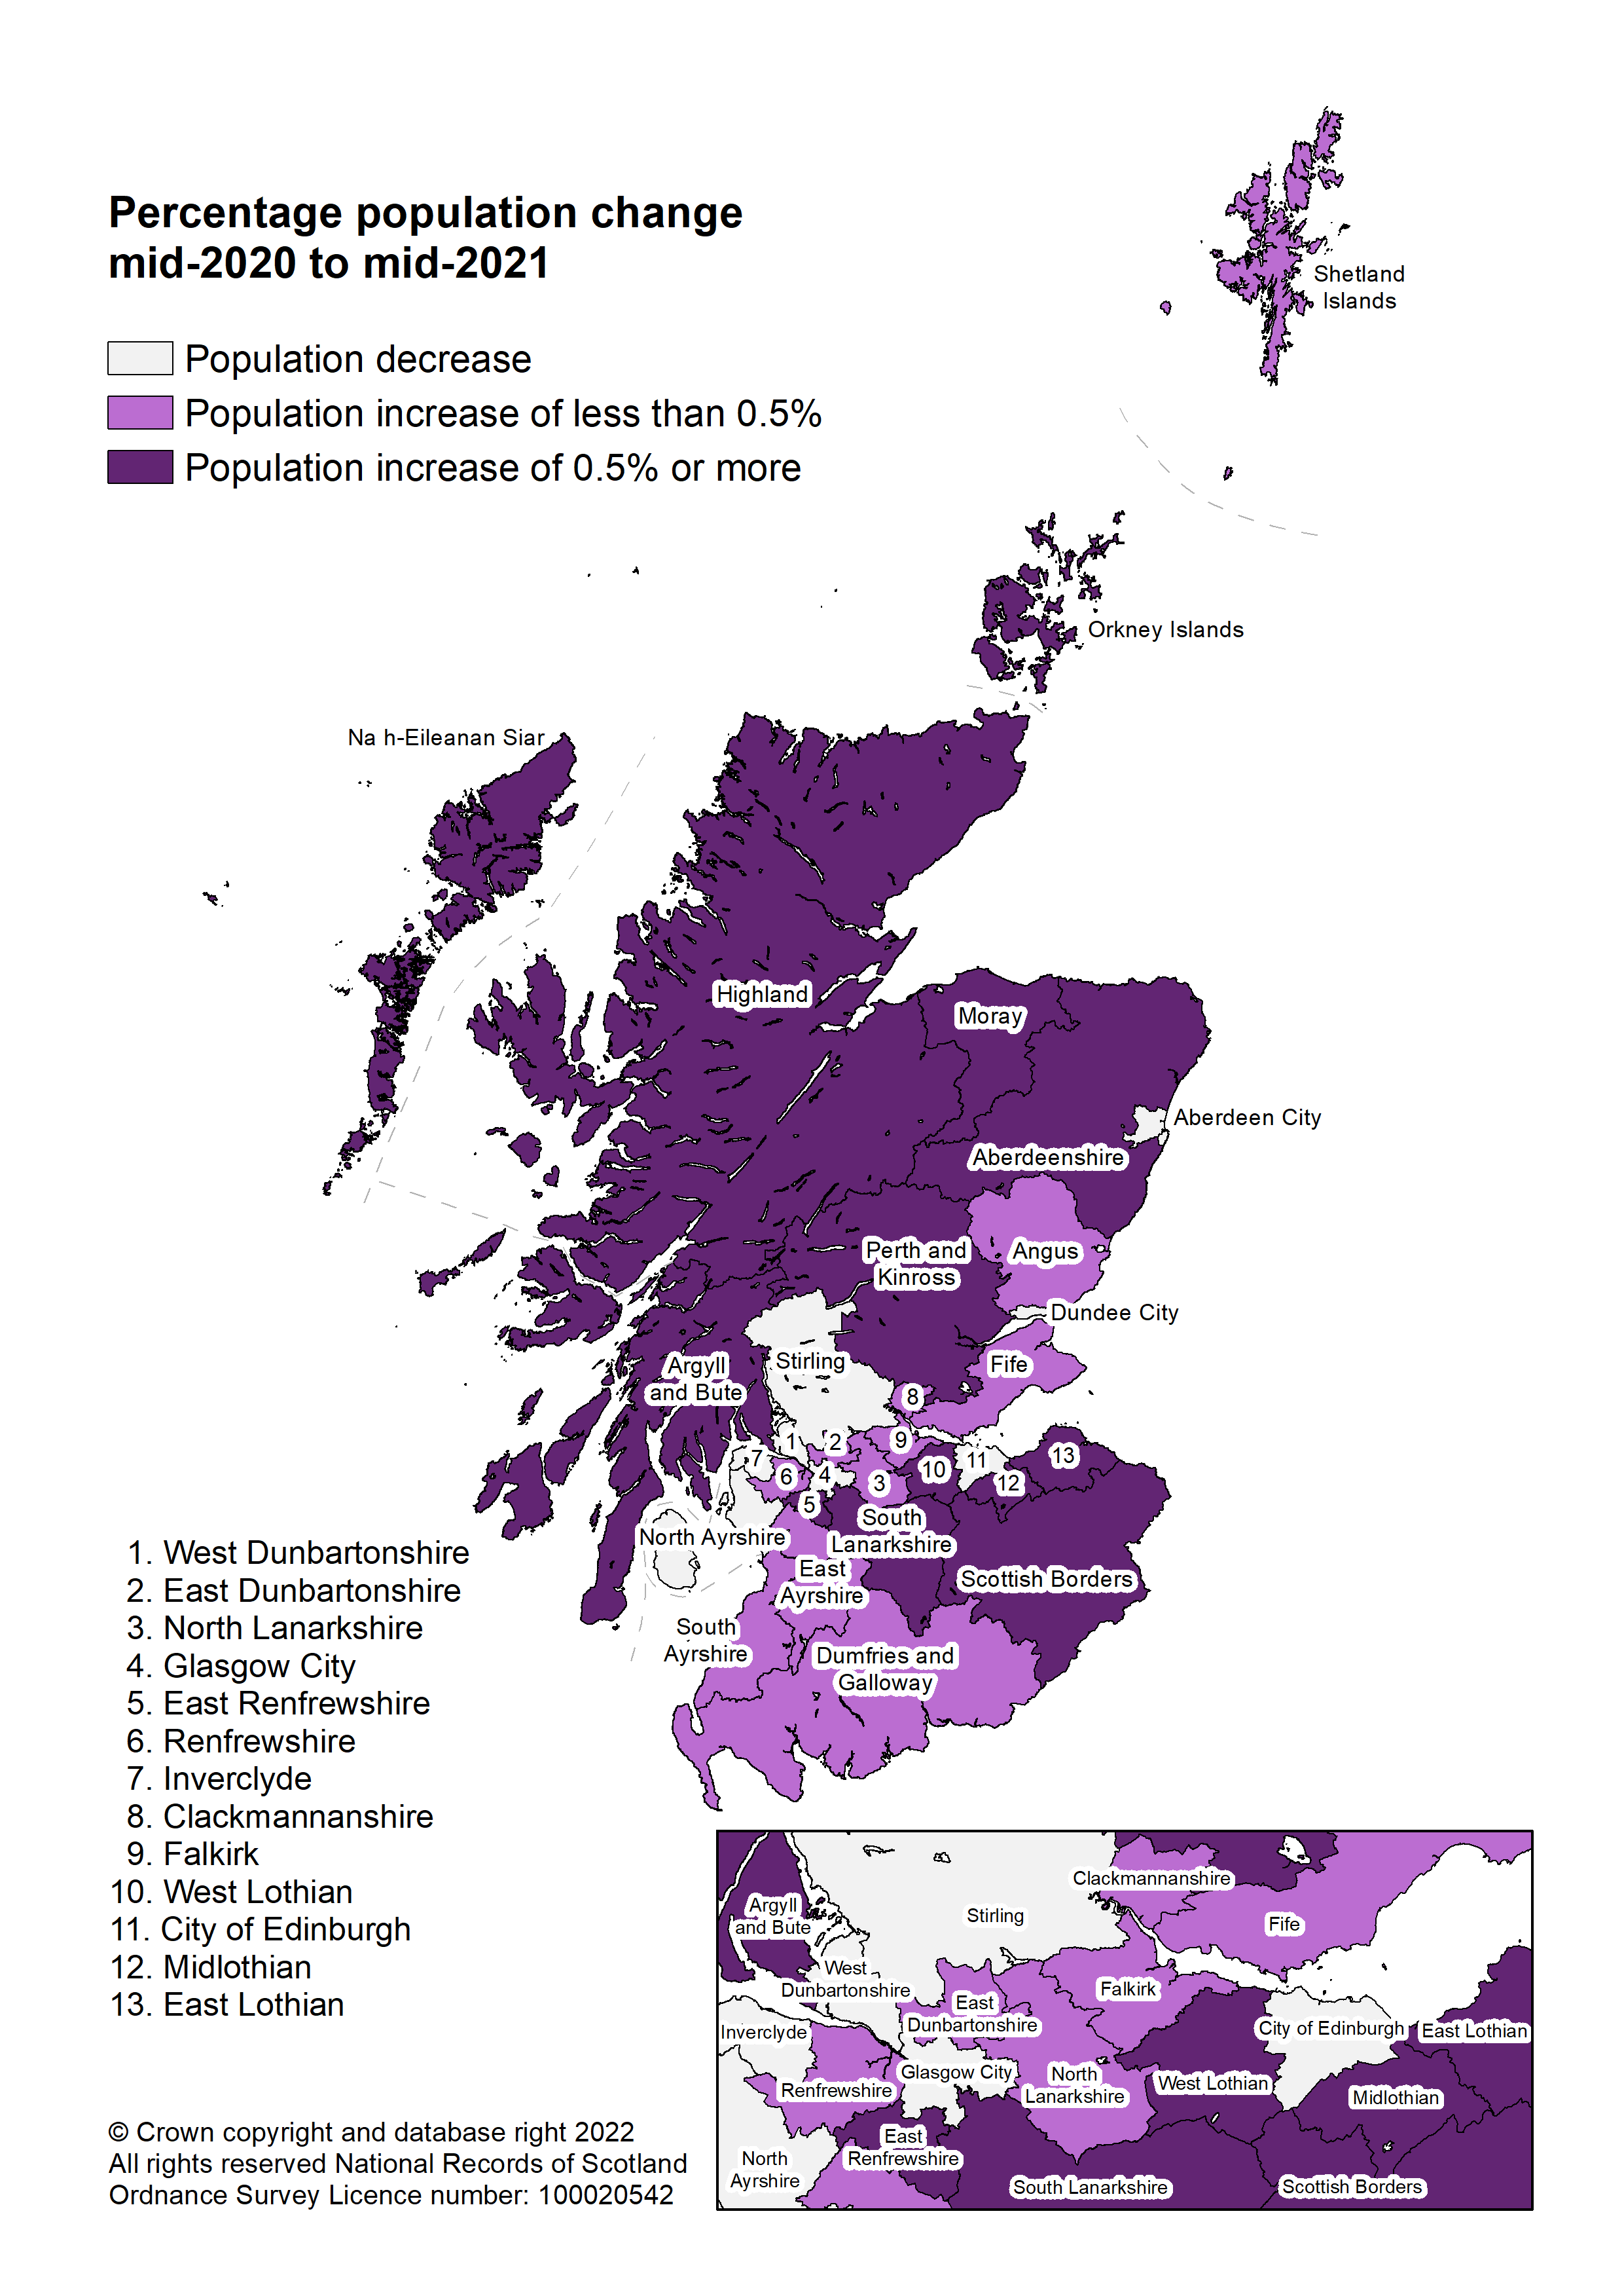
Figure 7: Population change by council area, mid-2020 to mid-2021
Table of contents

Figure_8
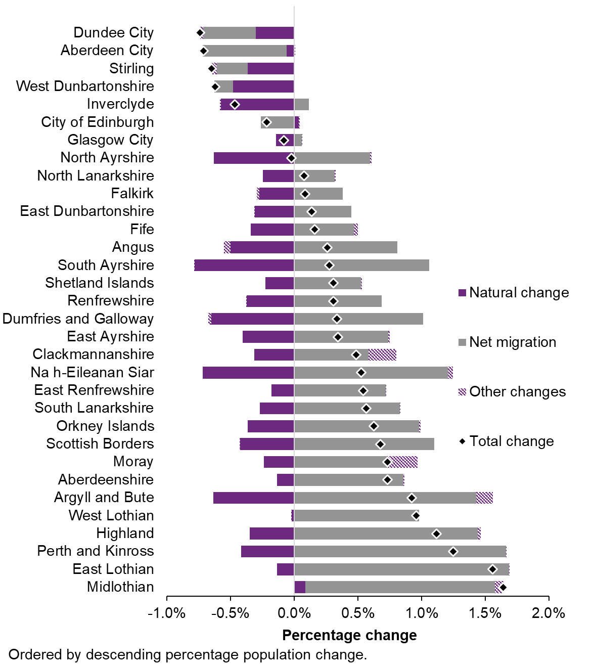
Figure 8: Components of population change by council area, mid-2020 to mid-2021
Table of contents

Figure_9
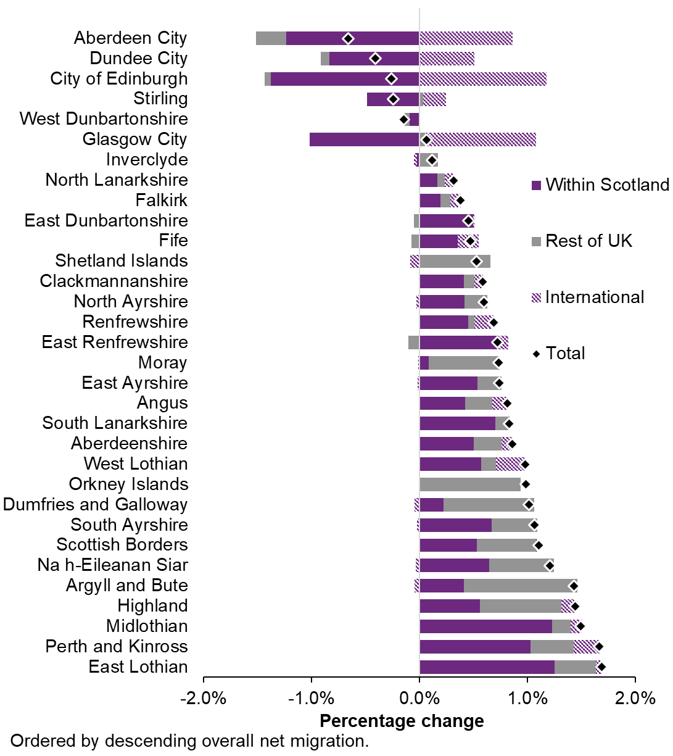
Figure 9: Components of population change due to net migration by council area, mid-2020 to mid-2021
Table of contents

Figure_10
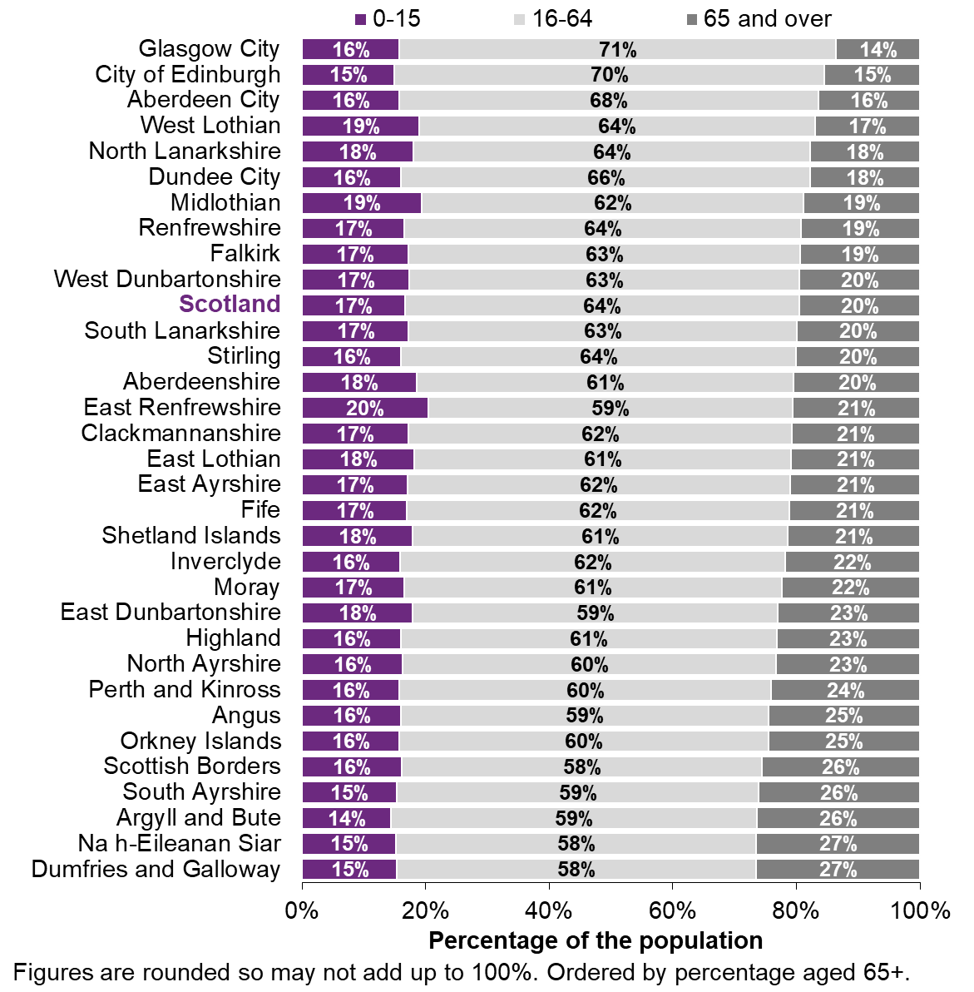
Figure 10: Age structure of council areas, mid-2021
Table of contents

Figure_11
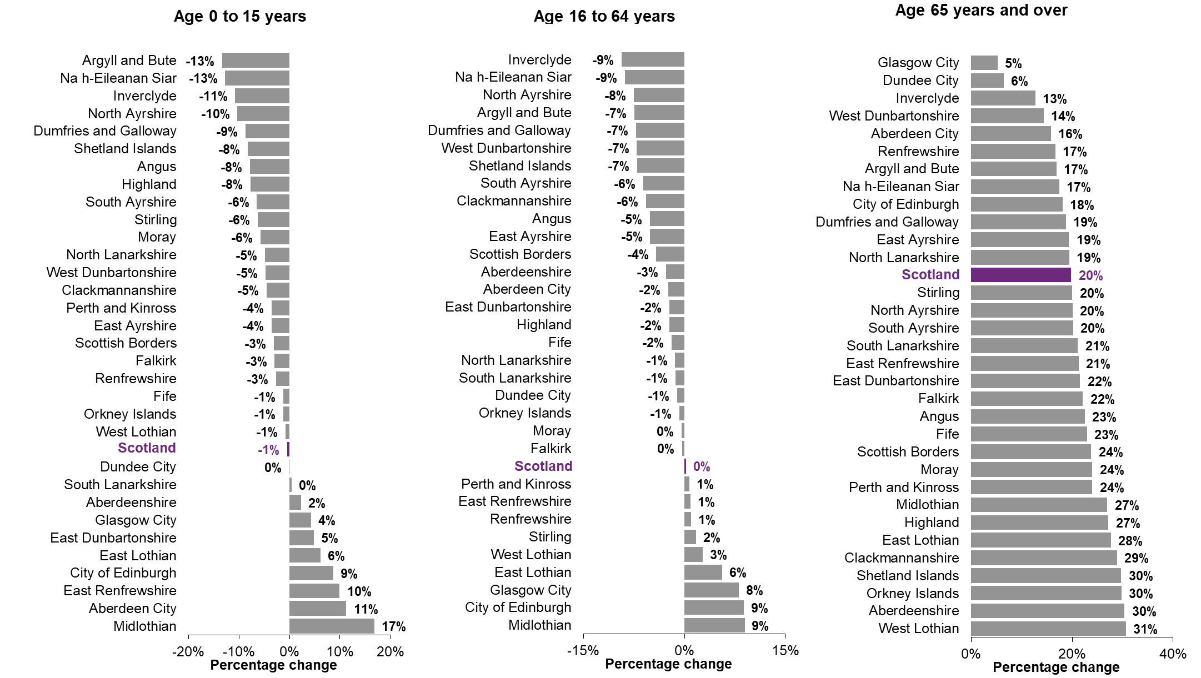
Figure 11: Percentage change in age group by council area, mid-2011 to mid-2021
Table of contents

