PPO
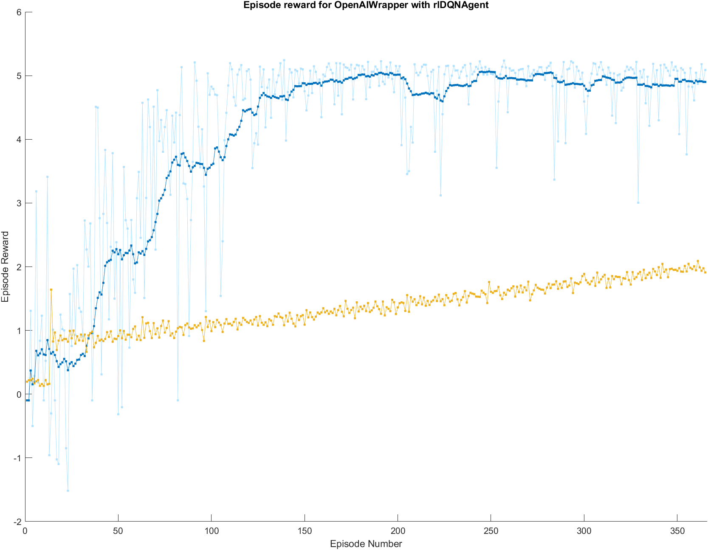
Training Plot | Baseline Average (mL/meter) | 56.325351942
 | RL Average | 49.359492829

 | Improvement | -12%

 |  | RL Fuel Consumption Values (mL/meter) |  | Baseline Fuel Consumption Values (mL/meter)
 |  | 48.72938283 | -7.595969112 | 56.35515902 | 0.029807078214
 |  | 54.814690417 | -1.5106615244 | 58.90153624 | 2.5761842982
 |  | 46.699306435 | -9.626045507 | 56.01950277 | -0.30584917179
 |  | 52.414455875 | -3.9108960668 | 62.51257672 | 6.1872247782
 |  | 47.155632999 | -9.1697189429 | 64.65007534 | 8.3247233982
 |  | 49.687665329 | -6.6376866133 | 57.75093863 | 1.4255866882
 |  | 45.893133658 | -10.432218284 | 53.28790543 | -3.0374465118
Notes |  | 45.580915009 | -10.744436932 | 60.02069207 | 3.6953401282
Agent is trained on light cycles of green=red=30 seconds |  | 48.753118904 | -7.5722330374 | 53.78926995 | -2.5360819918
Trained agent has learned almost never to get stopped at a red light |  | 49.167928094 | -7.1574238473 | 57.56307788 | 1.2377259382
 |  | 49.162200378 | -7.1631515633 | 59.51013175 | 3.1847798082
 |  | 49.480366998 | -6.8449849433 | 57.68692298 | 1.3615710382
Reward Fcn |  | 50.264988121 | -6.0603638209 | 49.39339428 | -6.9319576618
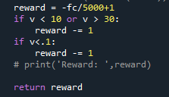
 |  | 47.727304492 | -8.5980474494 | 55.17560706 | -1.1497448818
 |  | 51.054468799 | -5.2708831428 | 54.07365846 | -2.2516934818
 |  | 48.30059837 | -8.0247535722 | 59.00578255 | 2.6804306082
 |  | 49.217088264 | -7.1082636778 | 55.57835808 | -0.74699386179
 |  | 51.178777372 | -5.1465745702 | 55.29992413 | -1.0254278118
 |  | 47.49610601 | -8.829245932 | 47.95716494 | -8.3681870018
 |  | 52.132555883 | -4.192796059 | 53.09325821 | -3.2320937318
Example |  | 51.049766804 | -5.2755851376 | 60.33664063 | 4.0112886882
 |  | 47.637665646 | -8.687686296 | 59.34014666 | 3.0147947182
 |  | 49.17155893 | -7.1537930115 | 56.11120115 | -0.21415079179
 |  | 47.021382887 | -9.3039690543 | 50.6952533 | -5.6300986418
 |  | 48.131373008 | -8.1939789334 | 51.13044362 | -5.1949083218
 |  | 47.14995191 | -9.1754000317 | 55.31094748 | -1.0144044618
 |  | 52.993287254 | -3.3320646882 | 60.97707524 | 4.6517232982
 |  | 45.145741346 | -11.179610596 | 55.5832098 | -0.74214214179
 |  | 51.053865748 | -5.2714861942
 |  | 50.17793338 | -6.1474185618
 |  | 47.543482337 | -8.7818696051 |  |  | Box & Whisker Plot
 |  | 49.235094998 | -7.0902569439
 |  | 49.212522573 | -7.1128293687
 |  | 49.511193399 | -6.814158543
 |  | 52.298499433 | -4.026852509
 |  | 48.984210039 | -7.3411419028
 |  | 48.134692631 | -8.1906593103
 |  | 50.179998028 | -6.145353914
 |  | 51.679489745 | -4.6458621971
 |  | 50.999933625 | -5.3254183168
 |  | 49.739691449 | -6.5856604929
 |  | 53.814469246 | -2.5108826959
 |  | 50.231805448 | -6.0935464935
 |  | 50.543485276 | -5.7818666657
 |  | 50.391239322 | -5.9341126199
 |  | 50.003107059 | -6.3222448826
 |  | 46.574819764 | -9.7505321777
 |  | 47.570233744 | -8.7551181983
 |  | 49.504513636 | -6.820838306
 |  | 47.37894855 | -8.9464033919

DQN
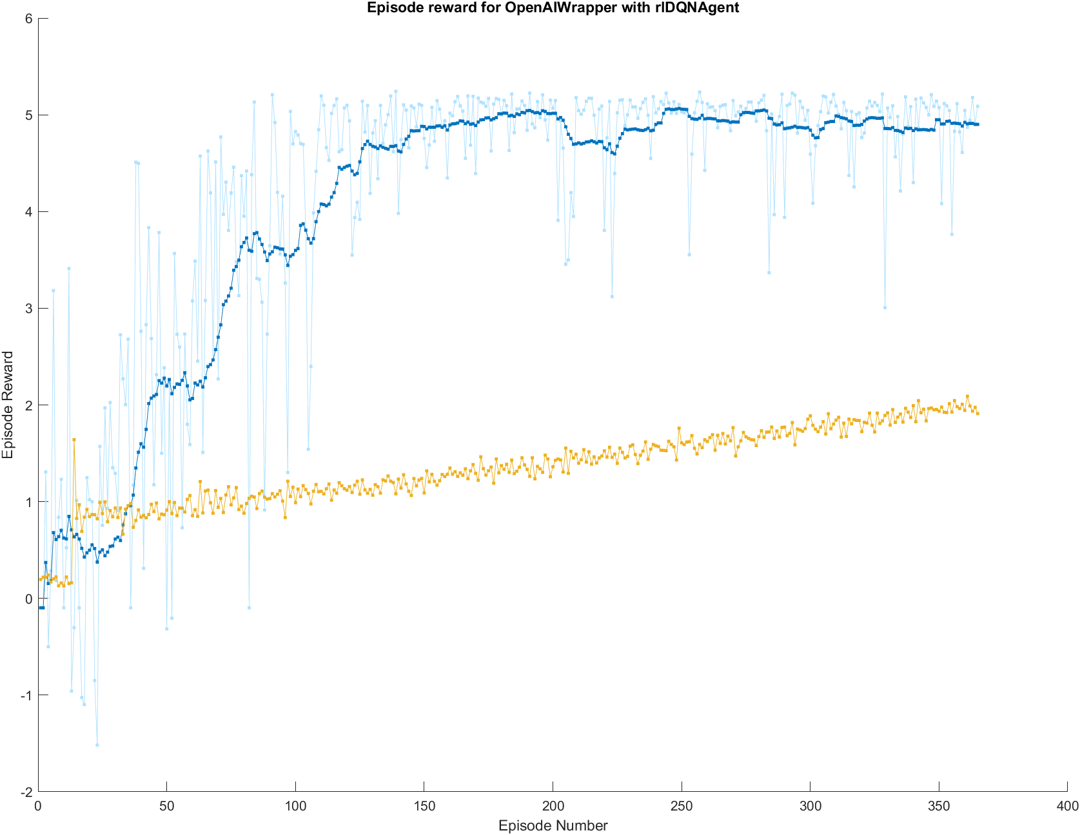
Training Plot | Baseline Average (mL/meter) | 56.325351942
 | RL Average | 53.06516212

 | Improvement | -6%

 |  | RL Fuel Consumption Values (mL/meter) |  | Baseline Fuel Consumption Values (mL/meter)
 |  | 52.839713006 | -3.4856389355 | 56.35515902 | 0.029807078214
 |  | 53.076078485 | -3.2492734569 | 58.90153624 | 2.5761842982
 |  | 53.274503511 | -3.0508484309 | 56.01950277 | -0.30584917179
 |  | 50.890451976 | -5.4348999654 | 62.51257672 | 6.1872247782
 |  | 58.928224634 | 2.6028726924 | 64.65007534 | 8.3247233982
 |  | 55.019339838 | -1.3060121037 | 57.75093863 | 1.4255866882
 |  | 52.53441405 | -3.7909378922 | 53.28790543 | -3.0374465118
Notes |  | 54.943176621 | -1.3821753205 | 60.02069207 | 3.6953401282
Agent is trained on light cycles of green=red=30 seconds |  | 53.773450402 | -2.55190154 | 53.78926995 | -2.5360819918
Trained agent has learned almost never to get stopped at a red light |  | 52.705064641 | -3.6202873012 | 57.56307788 | 1.2377259382
 |  | 51.426754958 | -4.8985969837 | 59.51013175 | 3.1847798082
 |  | 47.416636591 | -8.9087153504 | 57.68692298 | 1.3615710382
Reward Fcn |  | 55.541457889 | -0.78389405268 | 49.39339428 | -6.9319576618
 |  | 52.38969767 | -3.9356542716 | 55.17560706 | -1.1497448818
 |  | 52.763982106 | -3.5613698358 | 54.07365846 | -2.2516934818
 |  | 56.524246721 | 0.19889477956 | 59.00578255 | 2.6804306082
 |  | 50.401772859 | -5.9235790828 | 55.57835808 | -0.74699386179
 |  | 50.723952209 | -5.6013997325 | 55.29992413 | -1.0254278118
 |  |  |  | 47.95716494 | -8.3681870018
 |  |  |  | 53.09325821 | -3.2320937318
Example |  |  |  | 60.33664063 | 4.0112886882
 |  |  |  | 59.34014666 | 3.0147947182
 |  |  |  | 56.11120115 | -0.21415079179
 |  |  |  | 50.6952533 | -5.6300986418
 |  |  |  | 51.13044362 | -5.1949083218
 |  |  |  | 55.31094748 | -1.0144044618
 |  |  |  | 60.97707524 | 4.6517232982
 |  |  |  | 55.5832098 | -0.74214214179

 | Box & Whisker Plot

DQN Variable Lights
Training Plot | Baseline Average (mL/meter) | 56.325351942
 | RL Average | 51.650164396
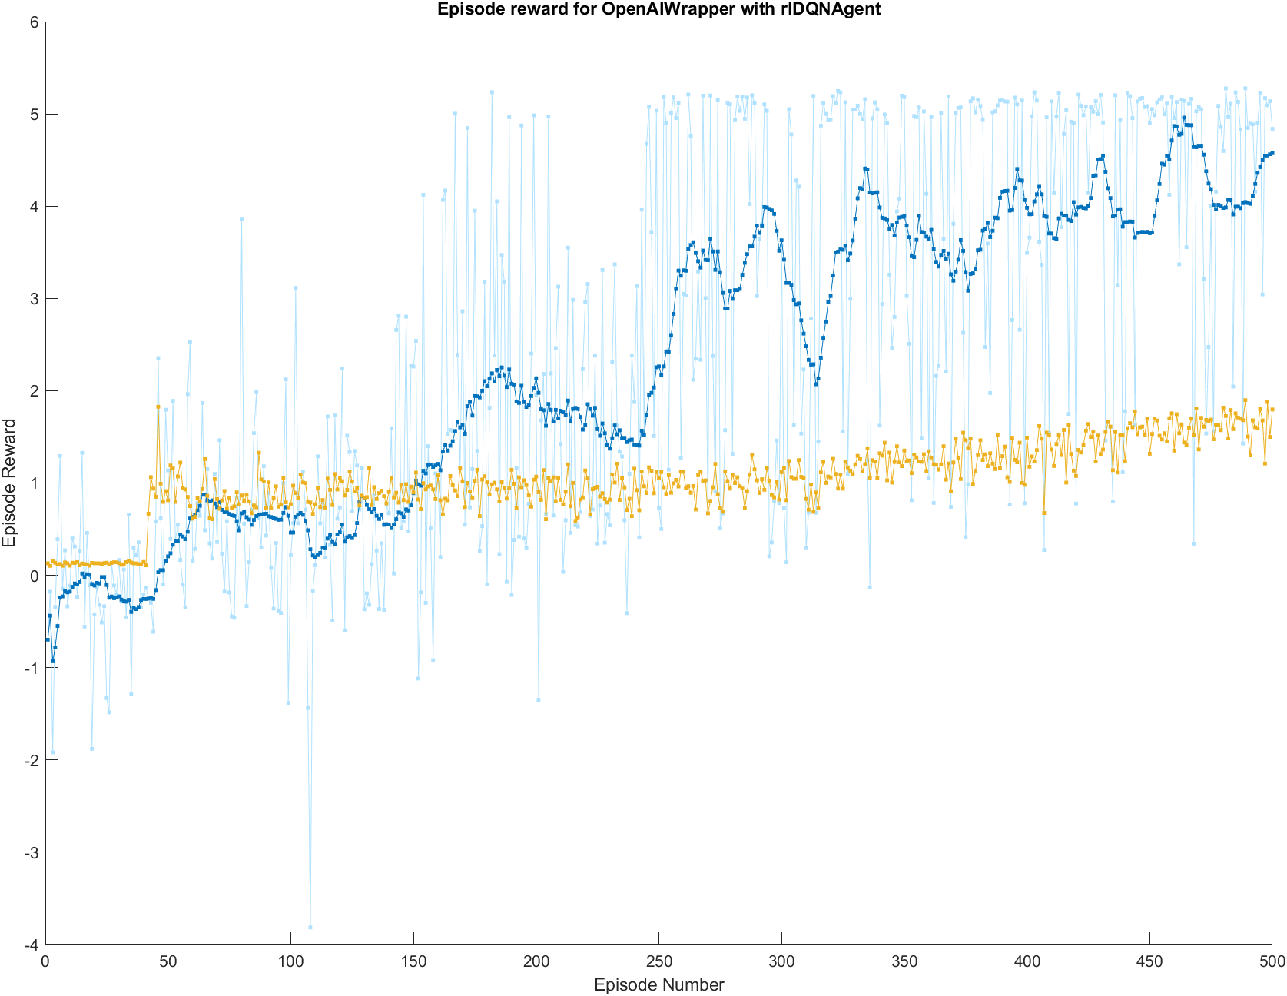
 | Improvement | -8%

 |  | RL Fuel Consumption Values (mL/meter) |  | Baseline Fuel Consumption Values (mL/meter)
 |  | 52.179000902 | -4.1463510398 | 56.35515902 | 0.029807078214
 |  | 50.453516341 | -5.8718356011 | 58.90153624 | 2.5761842982
 |  | 47.579369419 | -8.7459825228 | 56.01950277 | -0.30584917179
 |  | 52.074316464 | -4.2510354779 | 62.51257672 | 6.1872247782
 |  | 51.817041207 | -4.5083107348 | 64.65007534 | 8.3247233982
 |  | 48.968195 | -7.3571569419 | 57.75093863 | 1.4255866882
 |  | 52.481010986 | -3.8443409556 | 53.28790543 | -3.0374465118
Notes |  | 49.297123746 | -7.0282281954 | 60.02069207 | 3.6953401282
Agent is trained on 60 second light cycles with random red/green ratio |  | 52.630404039 | -3.6949479027 | 53.78926995 | -2.5360819918
Trained agent has learned almost never to get stopped at a red light |  | 52.65810945 | -3.6672424918 | 57.56307788 | 1.2377259382
 |  | 52.1080304 | -4.2173215416 | 59.51013175 | 3.1847798082
 |  | 48.169739802 | -8.1556121394 | 57.68692298 | 1.3615710382
Reward Fcn |  | 51.676285624 | -4.6490663179 | 49.39339428 | -6.9319576618
 |  | 53.941005667 | -2.3843462752 | 55.17560706 | -1.1497448818
 |  | 52.516083719 | -3.8092682227 | 54.07365846 | -2.2516934818
 |  | 46.44401559 | -9.8813363523 | 59.00578255 | 2.6804306082
 |  | 53.434738437 | -2.8906135049 | 55.57835808 | -0.74699386179
 |  | 49.552898523 | -6.7724534191 | 55.29992413 | -1.0254278118
 |  | 53.531700032 | -2.7936519098 | 47.95716494 | -8.3681870018
 |  | 47.906085236 | -8.4192667061 | 53.09325821 | -3.2320937318
Example |  | 51.725605336 | -4.5997466059 | 60.33664063 | 4.0112886882
 |  | 52.578992466 | -3.7463594753 | 59.34014666 | 3.0147947182
 |  | 51.4098307 | -4.915521242 | 56.11120115 | -0.21415079179
 |  | 53.66343341 | -2.6619185322 | 50.6952533 | -5.6300986418
 |  | 57.379822183 | 1.0544702408 | 51.13044362 | -5.1949083218
 |  | 53.803979203 | -2.5213727386 | 55.31094748 | -1.0144044618
 |  | 54.5741048 | -1.7512471422 | 60.97707524 | 4.6517232982
 |  |  |  | 55.5832098 | -0.74214214179

 |  |  |  |  |  | Box & Whisker Plot

DQN Variable Lights 2
Training Plot | Baseline Average (mL/meter) | 56.325351942
 | RL Average | 53.919885657
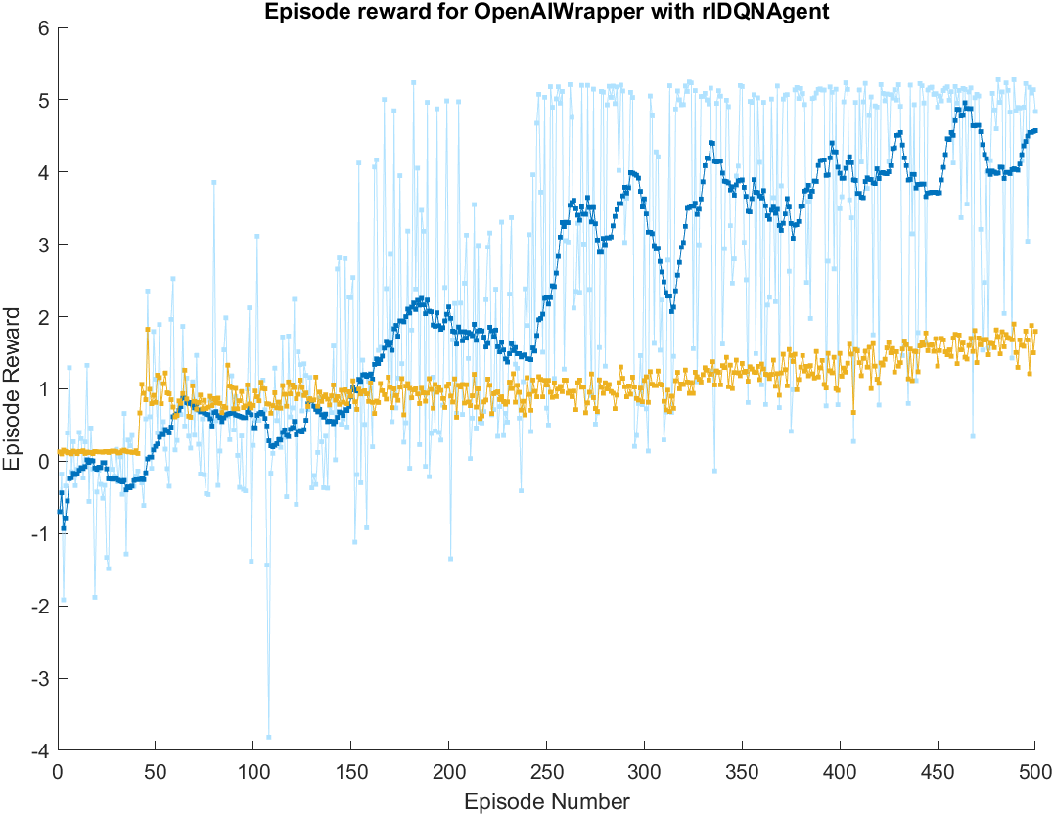
 | Improvement | -4%

 |  | RL Fuel Consumption Values (mL/meter) |  | Baseline Fuel Consumption Values (mL/meter)
 |  | 51.247241685 | -5.0781102564 | 56.35515902 | 0.029807078214
 |  | 54.163952917 | -2.161399025 | 58.90153624 | 2.5761842982
 |  | 51.766536518 | -4.5588154234 | 56.01950277 | -0.30584917179
 |  | 66.678368473 | 10.353016532 | 62.51257672 | 6.1872247782
 |  | 50.123359711 | -6.2019922308 | 64.65007534 | 8.3247233982
 |  | 52.704908631 | -3.6204433112 | 57.75093863 | 1.4255866882
 |  | 56.854580449 | 0.52922850676 | 53.28790543 | -3.0374465118
Notes |  | 51.915237968 | -4.4101139735 | 60.02069207 | 3.6953401282
Agent is trained on 60 second light cycles with random red/green ratio |  | 51.585483843 | -4.7398680984 | 53.78926995 | -2.5360819918
Trained agent has learned almost never to get stopped at a red light |  | 49.731432455 | -6.5939194867 | 57.56307788 | 1.2377259382
 |  | 54.625177779 | -1.7001741629 | 59.51013175 | 3.1847798082
 |  | 50.977902631 | -5.3474493106 | 57.68692298 | 1.3615710382
Reward Fcn |  | 50.040165197 | -6.2851867448 | 49.39339428 | -6.9319576618
 |  | 60.400663216 | 4.0753112738 | 55.17560706 | -1.1497448818
 |  | 56.964870346 | 0.63951840462 | 54.07365846 | -2.2516934818
 |  | 52.85054881 | -3.4748031316 | 59.00578255 | 2.6804306082
 |  | 49.174584924 | -7.1507670174 | 55.57835808 | -0.74699386179
 |  | 49.971638357 | -6.3537135844 | 55.29992413 | -1.0254278118
 |  | 52.653369554 | -3.6719823878 | 47.95716494 | -8.3681870018
 |  | 49.392096764 | -6.9332551778 | 53.09325821 | -3.2320937318
Example |  | 49.034491945 | -7.290859997 | 60.33664063 | 4.0112886882
 |  | 47.005546404 | -9.3198055378 | 59.34014666 | 3.0147947182
 |  | 48.717000442 | -7.6083514996 | 56.11120115 | -0.21415079179
 |  | 86.425056371 | 30.099704429 | 50.6952533 | -5.6300986418
 |  | 54.205364369 | -2.1199875731 | 51.13044362 | -5.1949083218
 |  | 55.298635536 | -1.026716406 | 55.31094748 | -1.0144044618
 |  | 57.018158035 | 0.69280609358 | 60.97707524 | 4.6517232982
 |  | 50.289164413 | -6.0361875284 | 55.5832098 | -0.74214214179
 |  | 53.70947469 | -2.615877252
 |  | 52.071557281 | -4.2537946604
 |  |  |  |  |  | Box & Whisker Plot

DQN with Traffic
Training Plot | Baseline Average (mL/meter) | 58.597565184
 | RL Average | 57.193274132
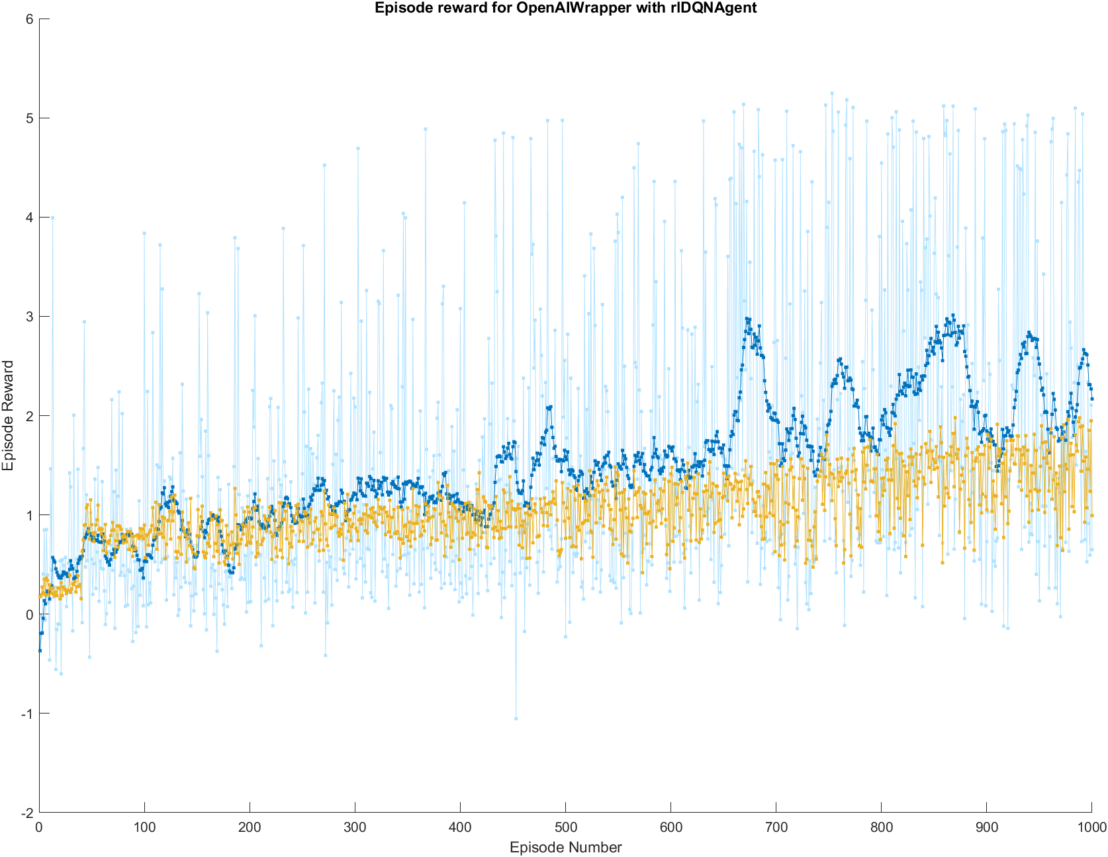
 | Improvement | -2%

 |  | RL Fuel Consumption Values (mL/meter) |  | Baseline Fuel Consumption Values (mL/meter)
 |  | 62.024269628 | 3.4267044446 | 63.86153291 | 5.2639677265
 |  | 57.420475828 | -1.1770893556 | 70.607795284 | 12.010230101
 |  | 51.574472557 | -7.0230926266 | 50.83845908 | -7.7591061034
 |  | 52.171653122 | -6.4259120617 | 64.319927452 | 5.7223622683
 |  | 57.082714595 | -1.5148505889 | 54.376935073 | -4.2206301107
 |  | 63.619323386 | 5.0217582024 | 48.305958199 | -10.291606984
 |  | 53.500400414 | -5.0971647695 | 47.603189912 | -10.994375272
Notes |  | 63.268964481 | 4.6713992972 | 63.999940981 | 5.4023757977
Agent is trained on 60 second light cycles with random red/green ratio |  | 54.885053067 | -3.7125121161 | 61.085403352 | 2.4878381686
 |  | 51.391051951 | -7.2065132323 | 62.507350831 | 3.9097856473
 |  | 55.077527171 | -3.5200380122 | 58.399858716 | -0.19770646752
 |  | 53.285531931 | -5.3120332524 | 62.902218073 | 4.3046528896
Reward Fcn |  | 51.206679766 | -7.3908854178 | 50.53438727 | -8.0631779136
 |  | 64.820412362 | 6.2228471783 | 60.264646238 | 1.6670810545
 |  | 59.317502533 | 0.7199373495 | 56.207991065 | -2.3895741187
 |  | 54.903918413 | -3.6936467705 | 62.439512226 | 3.8419470422
 |  | 58.364709486 | -0.23285569801 | 66.447467635 | 7.8499024511
 |  | 66.866787379 | 8.2692221958 | 59.02283979 | 0.42527460636
 |  | 59.388107079 | 0.79054189593 | 57.561839131 | -1.0357260522
 |  | 53.551035496 | -5.0465296875 | 68.309327544 | 9.7117623603
Example |  | 59.219926022 | 0.62236083832 | 63.314556442 | 4.7169912581
 |  | 60.571006459 | 1.9734412752 | 58.977288896 | 0.37972371216
 |  | 55.318585925 | -3.2789792583 | 52.478401638 | -6.1191635456
 |  | 62.90588415 | 4.308318966 | 52.151576528 | -6.4459886551
 |  | 58.137426963 | -0.46013822098 | 60.591040793 | 1.9934756097
 |  | 54.811621685 | -3.7859434983 | 44.80082953 | -13.796735653
 |  | 55.350849773 | -3.2467154104 | 52.361349077 | -6.2362161065
 |  | 51.628290766 | -6.969274418 | 66.460201473 | 7.8626362891
 |  | 60.420619791 | 1.8230546072
 |  | 53.713421779 | -4.8841434042
 |  |  |  |  |  | Box & Whisker Plot

