Read Me
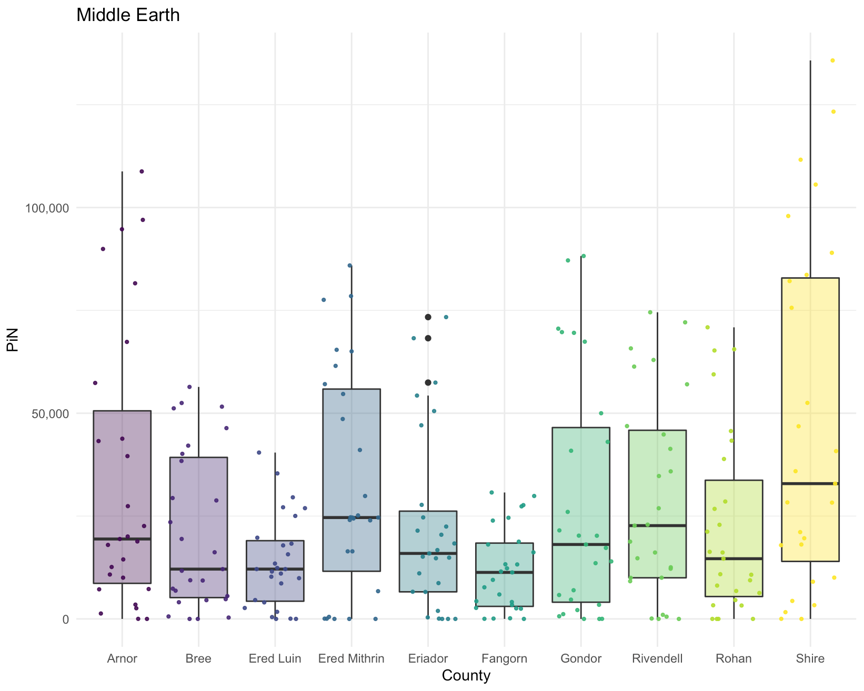
 |  | Legend |  | Named Ranges
 |  |  | If the heading is this colour, data needs to be entered in this column | Magnitude Based Indicators
 |  |  | If the heading is this colour, the formula needs to be adjusted or written | Values | Indicator values should be named "Val_" followed by the indicator number from Step 1 (e.g., Val_1)
 |  |  | Cells in these two colours have formulas in them, please do not enter anything in these cells | Severity | Severity columns in Step 2 for magnitude based indicators should be named "Sev_" followed by the indicator number from Step 1 (e.g., Sev_1)

 |  |  |  | PiN | PiN columns in Step 2 for magnitude based indicators should be named "PIN_" followed by the indicator number from Step 1 (e.g., PIN_1)

The following instructions will help to ensure this aggregation workbook is properly set up. |  |  |  | Degree Based Indicators
 |  |  |  | All Degrees | Each of the column headings for degree based indicators starts with the number of the indicator from Step 1 followed by "_Dsev_" which stands for Degree Severity, then followed by the number of the degree in question. (e.g., If indicator 1 is a degree based indicator it would be named 1_Dsev_1, 1_Dsev_2,1_DSev_3, 1_DSev_4, 1_DSev_5)

 | Note that any cells where data needs to be entered will be white.

 | Step 1 |  | While data is being collected from the sectors, update the IndicatorOverview sheet with all the relevant indicators. Be sure to update the named ranges (to set a named range, select the entire range, including the heading that lists the name for the range, go to the 'Formulas' tab on the Excel Ribbon, and select 'Create from Selection')
 | Step 2 |  | At this stage you should have collected datasets from all the sectors in the format outlined in the JIAF_DataCollection_Template. On the table labeled "Step 2-Data Entry" enter the indicator data provided by each of the sectors. Once again, remember to update the named ranges as you may have more or less administrative areas than those in the template. Note that Magnitude based indicators will only be included in the calculation of Max PiN if the sector provides PiN values for said indicator. However, all indicators will be used to calculate Severity and the Severity calculation is used to provide the minimum PiN (calculated using the 25% rule) - so even if a PiN number is not provided, the indicators will still be factored in for some parts of PiN production.
 | Step 3 |  | Input data provided by the sectors for their sectoral PiN and Severity figures.
 | Step 4 |  | The long data will need to be updated by you so it covers the correct number of indicators and areas. To do this, ensure you have the correct Admin P Codes (for the administrative level you are calculating needs at) input. If you are adding any extra rows to this list, be sure to copy and paste from the exiting rows as there are formulas that would need to be repeated. Once you have the full list for the first indicator, copy it and paste it below. Change the indicator number to 2. Repeat this process for each indicator. Update the named ranges for this sheet.
 | Step 5 |  | Adjust the formulas for the severity rankings (there is a photo on the right that points to the figures that need to be adjusted, when you are updating the Long Data sheet, the range will adjust and you need to correct it so it is covering the full Long Data range - meaning number of rows). Adjust the formula in the 'Mean of Max 50%' column. This is column AG under step 5. Make sure the formula is calculating on half of the indicators included in the analysis. If there is an odd number of indicators, round up. This mean if you have 27 indicators, you would average across the first 14 columns of severity figures. Update the named ranges for the two relevant columns (E and AG). Be sure to update the critical indicators columns so all critical indicators are listed. If you need to add additional columns, you can copy and paste the formula used for the existing critical indicators column. Be sure to update the calculated severity column so it compares the mean of max severity against the maximum across all critical indicators.
 | Step 6 |  | Step 6 can only be completed with Expert Judgement. Data provided there and in the 'PiN Overview - Expert Judgement' sheet can help facilitate expert discussions where the final PiN for each area will be decided. It uses conditional formatting to highlight which indicator is providing the maximum PiN. If a single indicator is responsible for the majority of the maximum figures, it may be worth considering the reliability of that indicator and if, perhaps, figures should be adjusted. If you have an analyst available and access to more advanced graphing capacities, consider producing a boxplot with jitter to see if the max PiN's are outliers or if other indicators also have similar values (example below). Outliers should be discussed within the expert judgement group, but evidence of multiple indicators showing similar results may be useful to confirm if Max PiN is on the right track. Remember that Max PiN should actually be considered more of a minimum than a maximum because it assumes that all needs are overlapping, when it is very possible that they are not. Things to consider during expert judgement: - Are there any large outliers? - Are the maximum indicators higher than their sector overall PiN? - if so, speak with the sector and determine if their internal process of expert judgement decided to lower PiN for any reasons. - Is the data being used for this indicator reliable? - Are these indicators possibly covered by any compound indexes? (e.g. the Food Consumption Score might be used as a component in IPC). If so, talk with the sector and ask which figure they feel is more accurately representing needs. - Do any of the indicators pertain to specific sub-groups of the population (e.g., women and girls, IDPs, Refugees, etc.). If so, carefully consider if the final PiN accurately incorporates these groups. (e.g., if there is a population of 100,000, and the PiN you have determined is 10,000, and there are 8,000 IDPs, and indicators are suggestin

 | The below image is an example of a boxplot with Jitter (produced using R) that shows the PiN figures for each indicator within a country, the whiskers give an idea for the range of PiN values. These graphs can be helpful for spotting outliers. In the example belo, Eriador has some outliers (indicated by the 3 black dots) - however, there are three different outlier points which means it's not just one indicator showing a largely different result to others. This information needs to be carefully weighed by the expert judgement group.

