3 - SHRSCalibration
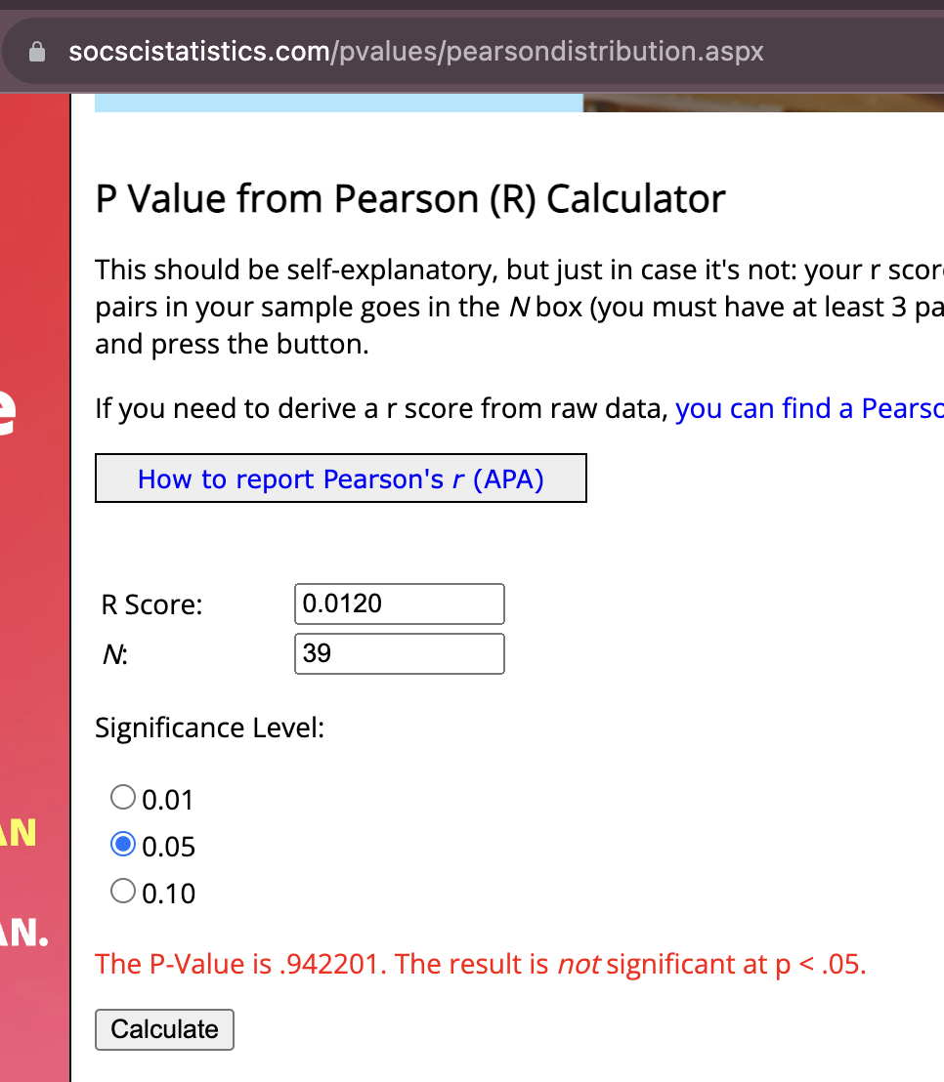
Stop ID | Old Hammer | New Hammer | same rock, almost right next to each other, hard large rock, 20 strikes | difference | average difference | median difference | Calibration group count
MM2 | 73 | 76.5 |  | -3.5 | -4 | -3.5 | 1 | 1 | 3
MM2 | 70 | 75 |  | -5 |  |  |  | 2
MM2 | 75.5 | 79 |  | -3.5 |  |  |  | 3
MM3 | 71.5 | 73 |  | -1.5 | 1.8333333333 | 2.5 | 2 | 4 | 6
MM3 | 71.5 | 67 |  | 4.5 |  |  |  | 5
MM3 | 70.5 | 68 |  | 2.5 |  |  |  | 6
MM4 | 71 | 75 | 10 strikes* | -4 | -0.33333333333 | 1.5 | 3 | 7 | 9
MM4 | 76.5 | 75 |  | 1.5 |  |  |  | 8
MM4 | 72.5 | 71 |  | 1.5 |  |  |  | 9
MM6 | 60.5 | 71 |  | -10.5 | -6.8333333333 | -7 | 4 | 10 | 12
MM6 | 62 | 69 |  | -7 |  |  |  | 11
MM6 | 63 | 66 |  | -3 |  | -0.5 |  | 12
MM7 | 71 | 66 |  | 5 | 1.1666666667 | -0.5 | 5 | 13 | 15
MM7 | 65.5 | 66 |  | -0.5 |  |  |  | 14
MM7 | 64 | 65 |  | -1 |  |  |  | 15
MM9 | 73.5 | 71 |  | 2.5 | -0.5 | 0 | 6 | 16 | 18
MM9 | 73 | 73 |  | 0 |  |  |  | 17
MM9 | 72 | 76 |  | -4 |  |  |  | 18
MA1 | 68.5 | 74 |  | -5.5 | -3.3333333333 | -3.5 | 7 | 19 | 21
MA1 | 57.5 | 58.5 |  | -1 |  |  |  | 20
MA1 | 74.5 | 78 |  | -3.5 |  |  |  | 21
MA1B | 75.5 | 77 |  | -1.5 | -1.8333333333 | -2 | 8 | 22 | 24
MA1B | 69 | 71 |  | -2 |  |  |  | 23
MA1B | 75.5 | 77.5 |  | -2 |  |  |  | 24
MA2B | 61 | 57 |  | 4 | -2.1666666667 | -4.5 | 9 | 25 | 27
MA2B | 54.5 | 60.5 |  | -6 |  |  |  | 26
MA2B | 69 | 73.5 |  | -4.5 |  |  |  | 27
MA3B | 74.5 | 76 |  | -1.5 | -1.6666666667 | -1.5 | 10 | 28 | 30
MA3B | 74.5 | 77 |  | -2.5 |  |  |  | 29
MA3B | 73 | 74 |  | -1 |  |  |  | 30
KCSH1 | 69 | 74 |  | -5 | -3.6666666667 | -3.5 | 11 | 31 | 33
KCSH1 | 72.5 | 75 |  | -2.5 |  |  |  | 32
KCSH1 | 65.5 | 69 |  | -3.5 |  |  |  | 33
KC5 | 44 | 52 |  | -8 | -4 | -2 | 12 | 34 | 36
KC5 | 52 | 54 |  | -2 |  |  |  | 35
KC5 | 48 | 50 |  | -2 |  |  |  | 36
KC6 | 51.5 | 56 |  | -4.5 | -1.5 | -4.5 | 13 | 37 | 39
KC6 | 58.5 | 63 |  | -4.5 |  |  |  | 38
KC6 | 63.5 | 59 |  | 4.5 |  |  |  | 39
 |  |  |  |  | average | median
 |  |  |  |  | -2.0641025641 | -2.0714285714 | average
 |  |  |  |  | -1.8333333333 | -2 | median

1 | -4
2 | 1.8333333333
3 | -0.33333333333
4 | -6.8333333333
5 | 1.1666666667
6 | -0.5
7 | -3.3333333333
8 | -1.8333333333
9 | -2.1666666667
10 | -1.6666666667
11 | -3.6666666667
12 | -4
13 | -1.5

Old Vs New Strengths

54.374 |  |  |  |  |  |  |  |  |  |  |  |  |  |  |  | 52.468

 |  |  |  |  |  |  |  |  |  | 1.394

 |  |  |  |  |  |  |  |  |  | If you do a simple linear regression, the y-intercept will tell you the offset and the slope of the line will help tell you whether the discrepancy varies with strength.

New Vs. Old SHRS

Difference Old - New (Negative = New is higher)
 | Difference |  | Average Difference
1 | -3.5 | 3 | -4
2 | -5
3 | -3.5
4 | -1.5 | 6 | 1.8333333333
5 | 4.5
6 | 2.5
7 | -4 | 9 | -0.33333333333
8 | 1.5
9 | 1.5
10 | -10.5 | 12 | -6.8333333333
11 | -7
12 | -3
13 | 5 | 15 | 1.1666666667
14 | -0.5
15 | -1
16 | 2.5 | 18 | -0.5
17 | 0
18 | -4
19 | -5.5 | 21 | -3.3333333333
20 | -1
21 | -3.5
22 | -1.5 | 24 | -1.8333333333
23 | -2
24 | -2
25 | 4 | 27 | -2.1666666667
26 | -6
27 | -4.5
28 | -1.5 | 30 | -1.6666666667
29 | -2.5
30 | -1
31 | -5 | 33 | -3.6666666667
32 | -2.5
33 | -3.5
34 | -8 | 36 | -4
35 | -2
36 | -2
37 | -4.5 | 39 | -1.5
38 | -4.5
39 | 4.5

 |  |  |  |  |  |  |  |  |  | p value of old and new
 |  |  |  |  |  |  |  |  |  | 0.00033953358236 | so this is below 0.05 so it is considered *significant

 |  |  |  |  |  |  |  |  |  | correl | -0.10965837166
 |  |  |  |  |  |  |  |  |  | r squared | 0.012024958476
 |  |  |  |  |  |  |  |  |  | count | 39

 |  |  |  |  |  |  |  |  |  | p from reg tpk | SUMMARY OUTPUT

 |  |  |  |  |  |  |  |  |  |  | Regression Statistics
 |  |  |  |  |  |  |  |  |  |  | Multiple R | 0.10965837166
 |  |  |  |  |  |  |  |  |  |  | R Square | 0.012024958476
 |  |  |  |  |  |  |  |  |  |  | Adjusted R Square | -0.014677069674
 |  |  |  |  |  |  |  |  |  |  | Standard Error | 3.5088504261
 |  |  |  |  |  |  |  |  |  |  | Observations | 39

 |  |  |  |  |  |  |  |  |  |  | ANOVA
 |  |  |  |  |  |  |  |  |  |  |  | df | SS | MS | F | Significance F
 |  |  |  |  |  |  |  |  |  |  | Regression | 1 | 5.5445850202 | 5.5445850202 | 0.45033876859 | 0.50634216975
 |  |  |  |  |  |  |  |  |  |  | Residual | 37 | 455.54515857 | 12.312031313
 |  |  |  |  |  |  |  |  |  |  | Total | 38 | 461.08974359

 |  |  |  |  |  |  |  |  |  |  |  | Coefficients | Standard Error | t Stat | P-value | Lower 95% | Upper 95% | Lower 95.0% | Upper 95.0%
 |  |  |  |  |  |  |  |  |  |  | Intercept | -1.3940620783 | 1.1456957375 | -1.2167821112 | 0.23139198303 | -3.7154621465 | 0.92733798999 | -3.7154621465 | 0.92733798999
 |  |  |  |  |  |  |  |  |  |  | X Variable 1 | -0.033502024291 | 0.049923081144 | -0.67107284895 | 0.50634216975 | -0.13465579504 | 0.067651746454 | -0.13465579504 | 0.067651746454

