How to Install
 | How to Install |  |  | Want to be on our macros update list?
 |  |  |  | http://trainingthestreet.com/macros
 |  | Note: This macro is compatible with Excel 2003, 2007, 2010, 2013 and 2016 for Windows |  | For support email
 |  |  |  | macros@trainingthestreet.com

 | How to install the TTS Turbo Macro (Windows Excel)

 | 1) Go to Windows Explorer and copy both the .ttsm and .xla TTS Turbo Macro files (if you can't see the extentions just find the two TTS Turbo files)

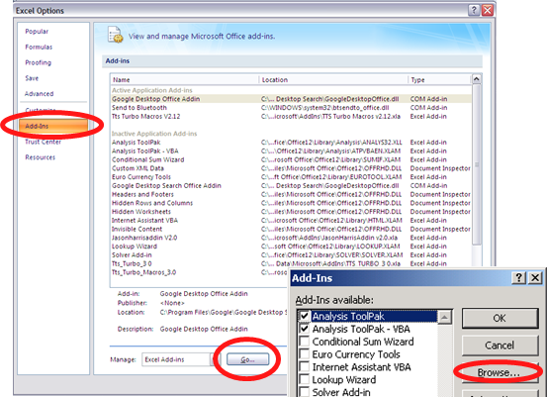
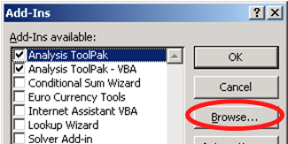
 | 2) Add the files to the default location in your Excel |  | Excel 2007, 2010, 2013 & 2016 |  | Excel 2003
 |  | 2010, 2013 & 2016: File tab, Options, Add-ins, Go (Alt F T A A, Alt+G)
 |  | 2007: Office button, Excel Options, Add-ins, Go (Alt F I A A, Alt+G)
 |  | 2003: Tools, Add-Ins (Alt T, I)

 | 3) Click on “Browse”
 |  | DO NOT change your default location Microsoft\AddIns folder

 | 4) Paste both TTS Turbo Macro files
 |  | Only the .xla file will appear on your screen.
 |  | The .ttsm file is there but hidden

 | 5) Double-click on the TTS Turbo Macro .xla file
 |  | The TTS Turbo Macro should now appear as an available add-in

 | Note: The macros should automatically load when Excel is opened. May have to deselect, click OK and reselect if the macro is not working.

x

