Sheet1
■kubernetes起動

■secrets作成

 | ▲secrets
 | Kubernetes requires secrets to be encoded as Base64 strings.

 | ▲YAML作成
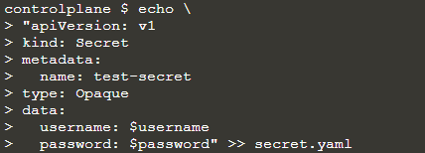

 | ▲確認
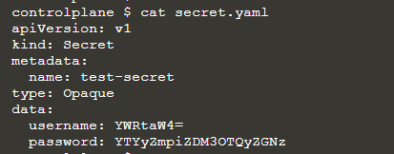

 | ▲デプロイ

 | ▲確認

 | kubectl get secrets

■環境変数として利用

 | ▲YAML作成
 | apiVersion: v1
 | kind: Pod
 | metadata:
 | name: secret-env-pod
 | spec:
 | containers:
 | - name: mycontainer
 | image: alpine:latest
 | command: ["sleep", "9999"]
 | env:
 | - name: SECRET_USERNAME
 | valueFrom:
 | secretKeyRef:
 | name: test-secret
 | key: username
 | - name: SECRET_PASSWORD
 | valueFrom:
 | secretKeyRef:
 | name: test-secret
 | key: password
 | restartPolicy: Never

 | ▲デプロイ

 | ▲確認

 | kubectl exec -it secret-env-pod env | grep SECRET_

 | Kubernetes decodes the base64 value when populating the environment variables. You should see the original username/password combination we defined. These variables can now be used for accessing APIs, Databases etc.

■Volumeで利用

 | The use of environment variables for storing secrets in memory can result in them accidentally leaking. The recommend approach is to use mount them as a Volume

 | ▲YAML作成
 | apiVersion: v1
 | kind: Pod
 | metadata:
 | name: secret-vol-pod
 | spec:
 | volumes:
 | - name: secret-volume
 | secret:
 | secretName: test-secret
 | containers:
 | - name: test-container
 | image: alpine:latest
 | command: ["sleep", "9999"]
 | volumeMounts:
 | - name: secret-volume
 | mountPath: /etc/secret-volume

 | ▲デプロイ

 | ▲全部Secretsをリスト

 | ▲アクセス

 | kubectl exec -it secret-vol-pod cat /etc/secret-volume/username

 | kubectl exec -it secret-vol-pod cat /etc/secret-volume/password

