Sheet1
■インストール
 | curl -L https://github.com/kubernetes/kompose/releases/download/v1.9.0/kompose-linux-amd64 -o /usr/bin/kompose && chmod +x /usr/bin/kompose

■インストール
 | ▲YAML作成

 | version: "2"
 | services:
 | redis-master:
 | image: redis:latest
 | ports:
 | - "6379"
 | redis-slave:
 | image: gcr.io/google_samples/gb-redisslave:v1
 | ports:
 | - "6379"
 | environment:
 | - GET_HOSTS_FROM=dns
 | frontend:
 | image: gcr.io/google-samples/gb-frontend:v3
 | ports:
 | - "80:80"
 | environment:
 | - GET_HOSTS_FROM=dns

 | ▲確認
 | kubectl get deployment,svc,pods,pvc

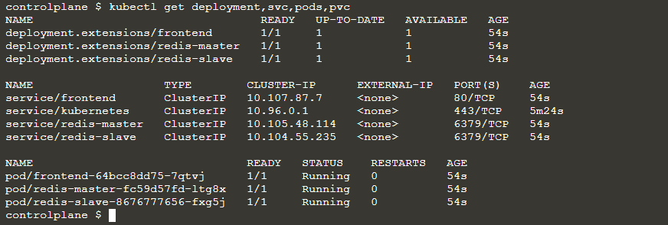

■Convert

■Kubectlデプロイ

■Openshift
 | Kompose also supports different Kubernetes distributions, for example OpenShift.

■Convert2Json

