Sheet1
■コンテナ作成

 | ▲create dockerfile

 | # Run server
 | FROM alpine:3.5
 | RUN apk add --no-cache python py2-pip py2-gevent
 | COPY requirements.txt .
 | RUN pip install -r requirements.txt
 | COPY . /app
 | WORKDIR /app
 | EXPOSE 8080
 | ENTRYPOINT ["python"]
 | CMD ["app.py"]

 | ▲Docker作成
 | docker build -t hello-webapp:v1 .

 | Sending build context to Docker daemon 135.7kB
 | Step 1/9 : FROM alpine:3.5
 | 3.5: Pulling from library/alpine
 | 8cae0e1ac61c: Already exists
 | Digest: sha256:66952b313e51c3bd1987d7c4ddf5dba9bc0fb6e524eed2448fa660246b3e76ec
 | Status: Downloaded newer image for alpine:3.5
 | ---> f80194ae2e0c
 | Step 2/9 : RUN apk add --no-cache python py2-pip py2-gevent
 | ---> Running in bb2f4037a793
 | fetch http://dl-cdn.alpinelinux.org/alpine/v3.5/main/x86_64/APKINDEX.tar.gz
 | fetch http://dl-cdn.alpinelinux.org/alpine/v3.5/community/x86_64/APKINDEX.tar.gz
 | (1/14) Installing libbz2 (1.0.6-r5)
 | (2/14) Installing expat (2.2.0-r1)
 | (3/14) Installing libffi (3.2.1-r2)
 | (4/14) Installing gdbm (1.12-r0)
 | (5/14) Installing ncurses-terminfo-base (6.0_p20171125-r1)
 | (6/14) Installing ncurses-terminfo (6.0_p20171125-r1)
 | (7/14) Installing ncurses-libs (6.0_p20171125-r1)
 | (8/14) Installing readline (6.3.008-r4)
 | (9/14) Installing sqlite-libs (3.15.2-r2)
 | (10/14) Installing python2 (2.7.15-r0)
 | (11/14) Installing py2-greenlet (0.4.10-r3)
 | (12/14) Installing py2-gevent (1.1.2-r0)
 | (13/14) Installing py-setuptools (29.0.1-r0)
 | (14/14) Installing py2-pip (9.0.0-r1)
 | Executing busybox-1.25.1-r2.trigger
 | OK: 63 MiB in 25 packages
 | Removing intermediate container bb2f4037a793
 | ---> 5b15ea03c0dc
 | Step 3/9 : COPY requirements.txt .
 | ---> 87fe160c139d
 | Step 4/9 : RUN pip install -r requirements.txt
 | ---> Running in 0dfc5ff75e11
 | Collecting flask (from -r requirements.txt (line 1))
 | Downloading https://files.pythonhosted.org/packages/e8/6d/994208daa354f68fd89a34a8bafbeaab26fda84e7af1e35bdaed02b667e6/Flask-1.1.4-py2.py3-none-any.whl (94kB)
 | Collecting requests (from -r requirements.txt (line 2))
 | Downloading https://files.pythonhosted.org/packages/92/96/144f70b972a9c0eabbd4391ef93ccd49d0f2747f4f6a2a2738e99e5adc65/requests-2.26.0-py2.py3-none-any.whl (62kB)
 | Collecting Jinja2<3.0,>=2.10.1 (from flask->-r requirements.txt (line 1))
 | Downloading https://files.pythonhosted.org/packages/7e/c2/1eece8c95ddbc9b1aeb64f5783a9e07a286de42191b7204d67b7496ddf35/Jinja2-2.11.3-py2.py3-none-any.whl (125kB)
 | Collecting Werkzeug<2.0,>=0.15 (from flask->-r requirements.txt (line 1))
 | Downloading https://files.pythonhosted.org/packages/cc/94/5f7079a0e00bd6863ef8f1da638721e9da21e5bacee597595b318f71d62e/Werkzeug-1.0.1-py2.py3-none-any.whl (298kB)
 | Collecting click<8.0,>=5.1 (from flask->-r requirements.txt (line 1))
 | Downloading https://files.pythonhosted.org/packages/d2/3d/fa76db83bf75c4f8d338c2fd15c8d33fdd7ad23a9b5e57eb6c5de26b430e/click-7.1.2-py2.py3-none-any.whl (82kB)
 | Collecting itsdangerous<2.0,>=0.24 (from flask->-r requirements.txt (line 1))
 | Downloading https://files.pythonhosted.org/packages/76/ae/44b03b253d6fade317f32c24d100b3b35c2239807046a4c953c7b89fa49e/itsdangerous-1.1.0-py2.py3-none-any.whl
 | Collecting urllib3<1.27,>=1.21.1 (from requests->-r requirements.txt (line 2))
 | Downloading https://files.pythonhosted.org/packages/af/f4/524415c0744552cce7d8bf3669af78e8a069514405ea4fcbd0cc44733744/urllib3-1.26.7-py2.py3-none-any.whl (138kB)
 | Collecting idna<3,>=2.5; python_version < "3" (from requests->-r requirements.txt (line 2))
 | Downloading https://files.pythonhosted.org/packages/a2/38/928ddce2273eaa564f6f50de919327bf3a00f091b5baba8dfa9460f3a8a8/idna-2.10-py2.py3-none-any.whl (58kB)
 | Collecting certifi>=2017.4.17 (from requests->-r requirements.txt (line 2))
 | Downloading https://files.pythonhosted.org/packages/37/45/946c02767aabb873146011e665728b680884cd8fe70dde973c640e45b775/certifi-2021.10.8-py2.py3-none-any.whl (149kB)
 | Collecting chardet<5,>=3.0.2; python_version < "3" (from requests->-r requirements.txt (line 2))
 | Downloading https://files.pythonhosted.org/packages/19/c7/fa589626997dd07bd87d9269342ccb74b1720384a4d739a1872bd84fbe68/chardet-4.0.0-py2.py3-none-any.whl (178kB)
 | Collecting MarkupSafe>=0.23 (from Jinja2<3.0,>=2.10.1->flask->-r requirements.txt (line 1))
 | Downloading https://files.pythonhosted.org/packages/b9/2e/64db92e53b86efccfaea71321f597fa2e1b2bd3853d8ce658568f7a13094/MarkupSafe-1.1.1.tar.gz
 | Installing collected packages: MarkupSafe, Jinja2, Werkzeug, click, itsdangerous, flask, urllib3, idna, certifi, chardet, requests
 | Running setup.py install for MarkupSafe: started
 | Running setup.py install for MarkupSafe: finished with status 'done'
 | Successfully installed Jinja2-2.11.3 MarkupSafe-1.1.1 Werkzeug-1.0.1 certifi-2021.10.8 chardet-4.0.0 click-7.1.2 flask-1.1.4 idna-2.10 itsdangerous-1.1.0 requests-2.26.0 urllib3-1.26.7
 | You are using pip version 9.0.0, however version 21.3.1 is available.
 | You should consider upgrading via the 'pip install --upgrade pip' command.
 | Removing intermediate container 0dfc5ff75e11
 | ---> 20b43269c06f
 | Step 5/9 : COPY . /app
 | ---> 5a169dd9fe2c
 | Step 6/9 : WORKDIR /app
 | ---> Running in c9a32a6507c2
 | Removing intermediate container c9a32a6507c2
 | ---> 6062b56de0b7
 | Step 7/9 : EXPOSE 8080
 | ---> Running in 16c9b94e0ac1
 | Removing intermediate container 16c9b94e0ac1
 | ---> 4896aab5bfc3
 | Step 8/9 : ENTRYPOINT ["python"]
 | ---> Running in 25d85e56372a
 | Removing intermediate container 25d85e56372a
 | ---> 164fbdb295f7
 | Step 9/9 : CMD ["app.py"]
 | ---> Running in 300f16afada5
 | Removing intermediate container 300f16afada5
 | ---> 6853dfb9a81f
 | Successfully built 6853dfb9a81f
 | Successfully tagged hello-webapp:v1

■Docker実行

 | docker run -d -p 80:8080 hello-webapp:v1

 | ▲確認

■kubernetesデプロイ

 | ▲YAML作成
 | ---
 | apiVersion: v1
 | kind: Service
 | metadata:
 | name: hello-webapp
 | spec:
 | selector:
 | app: hello-webapp

 | ports:
 | - protocol: TCP
 | port: 80
 | targetPort: 8080
 | type: NodePort

 | ---
 | apiVersion: extensions/v1beta1
 | kind: Deployment
 | metadata: {name: hello-webapp}
 | spec:
 | replicas: 1
 | selector:
 | matchLabels:
 | app: hello-webapp
 | track: stable
 | strategy:
 | rollingUpdate: {maxSurge: 1, maxUnavailable: 0}
 | type: RollingUpdate
 | revisionHistoryLimit: 1
 | template:
 | metadata:
 | labels:
 | app: hello-webapp
 | track: stable
 | name: hello-webapp
 | spec:
 | containers:
 | - image: IMAGE_URL
 | imagePullPolicy: IfNotPresent
 | name: hello-webapp
 | resources:
 | limits:
 | memory: 0.25G
 | cpu: 0.25
 | terminationMessagePath: /dev/termination-log
 | dnsPolicy: ClusterFirst
 | restartPolicy: Always
 | securityContext: {}
 | terminationGracePeriodSeconds: 30

■Container Registry

 | In order for your Kubernetes cluster to run an image, it needs to get a copy of the image.

 | In order to push the Docker Image to the registry, we need to create a tag for the Docker image that contains our Docker repository name.

 | we can push the image we just created to the Docker Registry
 | docker push $REGISTRY/hello-webapp:v1

■サービス作成

 | ▲YAMLの変数設定
 | sed -i -e 's@IMAGE_URL@'"$REGISTRY/hello-webapp:v1"'@' deployment.yaml

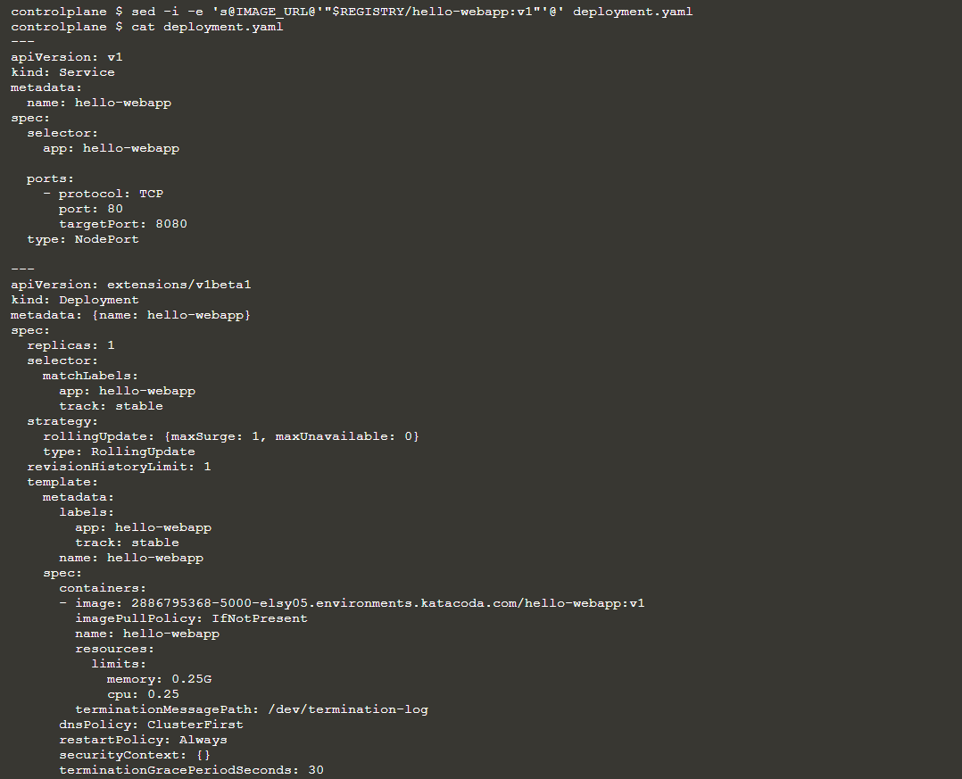

 | To gain access to the Kubernetes cluster, the Kubernetes configuration file needs to be downloaded from the master.
 | The configuration file contains the IP addresses and certificates required to communicate securely with Kubernetes.

 | scp -o UserKnownHostsFile=/dev/null -o StrictHostKeyChecking=no root@host01:/root/.kube/config ~/.kube/

 | ▲デプロイ

 | ▲確認

■クラスタへアクセス

 | export PORT=$(kubectl get svc hello-webapp -o go-template='{{range.spec.ports}}{{if .nodePort}}{{.nodePort}}{{"\n"}}{{end}}{{end}}')

■デプロイ自動化

 | ▲ソース修正
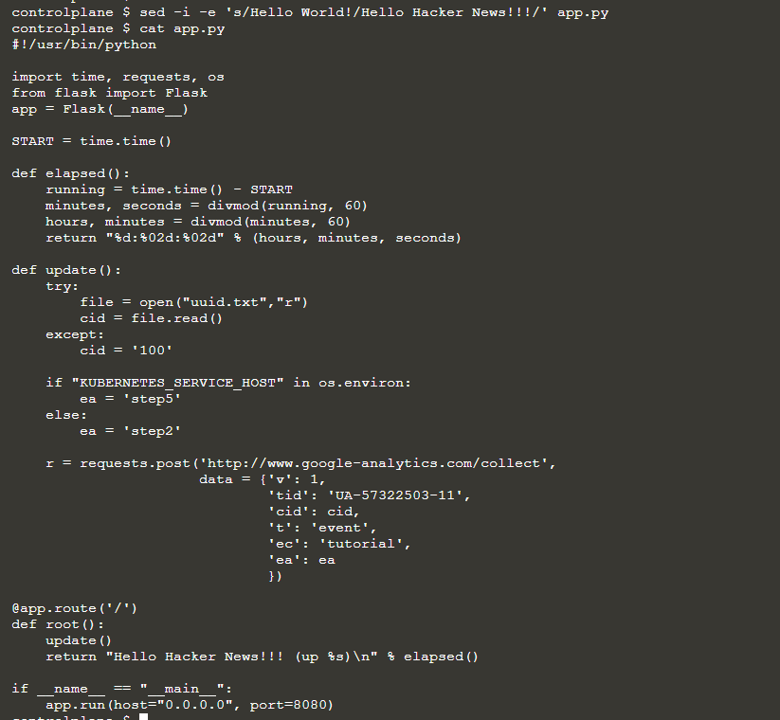

 | Forge is an open source tool for deploying services onto Kubernetes

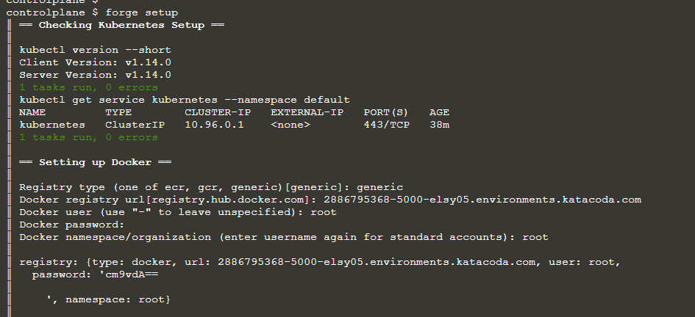

 | ║ == Checking Kubernetes Setup ==
 | ║
 | ║ kubectl version --short
 | ║ Client Version: v1.14.0
 | ║ Server Version: v1.14.0
 | ║ 1 tasks run, 0 errors
 | ║ kubectl get service kubernetes --namespace default
 | ║ NAME TYPE CLUSTER-IP EXTERNAL-IP PORT(S) AGE
 | ║ kubernetes ClusterIP 10.96.0.1 <none> 443/TCP 38m
 | ║ 1 tasks run, 0 errors
 | ║
 | ║ == Setting up Docker ==
 | ║
 | ║ Registry type (one of ecr, gcr, generic)[generic]: generic
 | ║ Docker registry url[registry.hub.docker.com]: 2886795368-5000-elsy05.environments.katacoda.com
 | ║ Docker user (use "-" to leave unspecified): root
 | ║ Docker password:
 | ║ Docker namespace/organization (enter username again for standard accounts): root
 | ║
 | ║ registry: {type: docker, url: 2886795368-5000-elsy05.environments.katacoda.com, user: root,
 | ║ password: 'cm9vdA==
 | ║
 | ║ ', namespace: root}
 | ║
 | ║ docker login -u root -p <ELIDED> 2886795368-5000-elsy05.environments.katacoda.com
 | ║ WARNING! Using --password via the CLI is insecure. Use --password-stdin.
 | ║ WARNING! Your password will be stored unencrypted in /root/.docker/config.json.
 | ║ Configure a credential helper to remove this warning. See
 | ║ https://docs.docker.com/engine/reference/commandline/login/#credentials-store
 | ║
 | ║ Login Succeeded
 | ║ docker pull registry.hub.docker.com/datawire/forge-setup-test-katacoda:1
 | ║ 1: Pulling from datawire/forge-setup-test-katacoda
 | ║ cfc728c1c558: Pulling fs layer
 | ║ cfc728c1c558: Verifying Checksum
 | ║ cfc728c1c558: Download complete
 | ║ cfc728c1c558: Pull complete
 | ║ Digest: sha256:c0537ff6a5218ef531ece93d4984efc99bbf3f7497c0a7726c88e2bb7584dc96
 | ║ Status: Downloaded newer image for registry.hub.docker.com/datawire/forge-setup-test-katacoda:1
 | ║ docker tag registry.hub.docker.com/datawire/forge-setup-test-katacoda:1 2886795368-5000-elsy05.environments.katacoda.com/root/forge_test:dummy
 | ║ docker push 2886795368-5000-elsy05.environments.katacoda.com/root/forge_test:dummy
 | ║ The push refers to repository [2886795368-5000-elsy05.environments.katacoda.com/root/forge_test]
 | ║ e154057080f4: Preparing
 | ║ e154057080f4: Pushed
 | ║ dummy: digest: sha256:11a6af2edd09100d7a35abacacefd269404cf44aff537668235321d4f4caa485 size: 528
 | ║ GET https://2886795368-5000-elsy05.environments.katacoda.com/v2/root/forge_test/manifests/dummy
 | ║ 16 tasks run, 0 errors
 | ║
 | ║ == Writing config to forge.yaml ==
 | ║
 | ║ # Global forge configuration
 | ║ # DO NOT CHECK INTO GITHUB, THIS FILE CONTAINS SECRETS
 | ║ registry:
 | ║ type: docker
 | ║ url: 2886795368-5000-elsy05.environments.katacoda.com
 | ║ user: root
 | ║ password: 'cm9vdA==
 | ║
 | ║ '
 | ║ namespace: root
 | ║
 | ║ == Done ==

 | ║ docker build /root/hello-webapp/ -f /root/hello-webapp/Dockerfile -t 2886795368-5000-elsy05.environments.katacoda.com/root/hello-webapp:07c7805f1e9dcf30a8b5805c4f7b96fba9b00f0e.sha
 | ║ Sending build context to Docker daemon 137.2kB
 | ║ Step 1/9 : FROM alpine:3.5
 | ║ ---> f80194ae2e0c
 | ║ Step 2/9 : RUN apk add --no-cache python py2-pip py2-gevent
 | ║ ---> Using cache
 | ║ ---> 5b15ea03c0dc
 | ║ Step 3/9 : COPY requirements.txt .
 | ║ ---> Using cache
 | ║ ---> 87fe160c139d
 | ║ Step 4/9 : RUN pip install -r requirements.txt
 | ║ ---> Using cache
 | ║ ---> 20b43269c06f
 | ║ Step 5/9 : COPY . /app
 | ║ ---> e6203b74948f
 | ║ Step 6/9 : WORKDIR /app
 | ║ ---> Running in f6f08c61e17e
 | ║ Removing intermediate container f6f08c61e17e
 | ║ ---> cf4710c48f1d
 | ║ Step 7/9 : EXPOSE 8080
 | ║ ---> Running in a1b33543bbd7
 | ║ Removing intermediate container a1b33543bbd7
 | ║ ---> 663faf8f1b56
 | ║ Step 8/9 : ENTRYPOINT ["python"]
 | ║ ---> Running in 999657db23fb
 | ║ Removing intermediate container 999657db23fb
 | ║ ---> 40c716b93309
 | ║ Step 9/9 : CMD ["app.py"]
 | ║ ---> Running in 62f918b89a35
 | ║ Removing intermediate container 62f918b89a35
 | ║ ---> b9d308bcaa6a
 | ║ Successfully built b9d308bcaa6a
 | ║ Successfully tagged 2886795368-5000-elsy05.environments.katacoda.com/root/hello-webapp:07c7805f1e9dcf30a8b5805c4f7b96fba9b00f0e.sha
 | ║ docker push 2886795368-5000-elsy05.environments.katacoda.com/root/hello-webapp:07c7805f1e9dcf30a8b5805c4f7b96fba9b00f0e.sha
 | ║ The push refers to repository [2886795368-5000-elsy05.environments.katacoda.com/root/hello-webapp]
 | ║ 1147e0e23a95: Preparing
 | ║ 236e75c03db5: Preparing
 | ║ 29ab64a7e228: Preparing
 | ║ bf78255a6a60: Preparing
 | ║ f566c57e6f2d: Preparing
 | ║ 29ab64a7e228: Mounted from hello-webapp
 | ║ 236e75c03db5: Mounted from hello-webapp
 | ║ f566c57e6f2d: Mounted from hello-webapp
 | ║ bf78255a6a60: Mounted from hello-webapp
 | ║ 1147e0e23a95: Pushed
 | ║ 07c7805f1e9dcf30a8b5805c4f7b96fba9b00f0e.sha: digest: sha256:f79ac965213add71f7d0c530e7b7242a82c6959ec354d948fa3cf554836f92d3 size: 1367
 | ║ warning: 'collections.OrderedDict object' has no attribute 'track' (this will become an error soon)
 | ║ warning: 'collections.OrderedDict object' has no attribute 'protocol' (this will become an error soon)
 | ║ warning: 'collections.OrderedDict object' has no attribute 'port' (this will become an error soon)
 | ║ 48 tasks run, 0 errors
 | ║
 | ║ built: Dockerfile
 | ║ pushed: hello-webapp:07c7805f1e9dcf30a8b5805c4f7b96fba9b00f0e.sha
 | ║ rendered: service/hello-webapp, deployment.extensions/hello-webapp
 | ║ deployed: hello-webapp

 | ▲確認

