Sheet1
Velero gives you tools to back up and restore your Kubernetes cluster resources and persistent volumes. Velero lets you:

Take backups of your cluster and restore in case of loss.
Copy cluster resources across cloud providers. NOTE: Cloud volume migrations are not yet supported.
Replicate your production environment for development and testing environments.
Velero consists of:

A server that runs on your cluster
A command-line client that runs locally

■環境構築

 | ▲ソースを取得
 | git clone https://github.com/heptio/velero

 | ▲クライアントダウンロードとインストール

 | ▲解凍

 | ▲PATHに追加

 | ▲Velero-specific credentials 作成

 | [default]
 | aws_access_key_id = minio
 | aws_secret_access_key = minio123

 | ▲サーバ起動

 | # Copyright 2017 the Velero contributors.
 | #
 | # Licensed under the Apache License, Version 2.0 (the "License");
 | # you may not use this file except in compliance with the License.
 | # You may obtain a copy of the License at
 | #
 | # http://www.apache.org/licenses/LICENSE-2.0
 | #
 | # Unless required by applicable law or agreed to in writing, software
 | # distributed under the License is distributed on an "AS IS" BASIS,
 | # WITHOUT WARRANTIES OR CONDITIONS OF ANY KIND, either express or implied.
 | # See the License for the specific language governing permissions and
 | # limitations under the License.

 | ---
 | apiVersion: v1
 | kind: Namespace
 | metadata:
 | name: velero

 | ---
 | apiVersion: apps/v1
 | kind: Deployment
 | metadata:
 | namespace: velero
 | name: minio
 | labels:
 | component: minio
 | spec:
 | strategy:
 | type: Recreate
 | selector:
 | matchLabels:
 | component: minio
 | template:
 | metadata:
 | labels:
 | component: minio
 | spec:
 | volumes:
 | - name: storage
 | emptyDir: {}
 | - name: config
 | emptyDir: {}
 | containers:
 | - name: minio
 | image: minio/minio:latest
 | imagePullPolicy: IfNotPresent
 | args:
 | - server
 | - /storage
 | - --config-dir=/config
 | env:
 | - name: MINIO_ACCESS_KEY
 | value: "minio"
 | - name: MINIO_SECRET_KEY
 | value: "minio123"
 | ports:
 | - containerPort: 9000
 | volumeMounts:
 | - name: storage
 | mountPath: "/storage"
 | - name: config
 | mountPath: "/config"

 | ---
 | apiVersion: v1
 | kind: Service
 | metadata:
 | namespace: velero
 | name: minio
 | labels:
 | component: minio
 | spec:
 | # ClusterIP is recommended for production environments.
 | # Change to NodePort if needed per documentation,
 | # but only if you run Minio in a test/trial environment, for example with Minikube.
 | type: ClusterIP
 | ports:
 | - port: 9000
 | targetPort: 9000
 | protocol: TCP
 | selector:
 | component: minio

 | ---
 | apiVersion: batch/v1
 | kind: Job
 | metadata:
 | namespace: velero
 | name: minio-setup
 | labels:
 | component: minio
 | spec:
 | template:
 | metadata:
 | name: minio-setup
 | spec:
 | restartPolicy: OnFailure
 | volumes:
 | - name: config
 | emptyDir: {}
 | containers:
 | - name: mc
 | image: minio/mc:latest
 | imagePullPolicy: IfNotPresent
 | command:
 | - /bin/sh
 | - -c
 | - "mc --config-dir=/config config host add velero http://minio:9000 minio minio123 && mc --config-dir=/config mb -p velero/velero"
 | volumeMounts:
 | - name: config
 | mountPath: "/config"

 | ▲デプロイ

 | velero install \
 | > --provider aws \
 | > --bucket velero \
 | > --secret-file ./credentials-velero \
 | > --use-volume-snapshots=false \
 | > --backup-location-config region=minio,s3ForcePathStyle="true",s3Url=http://minio.velero.svc:9000

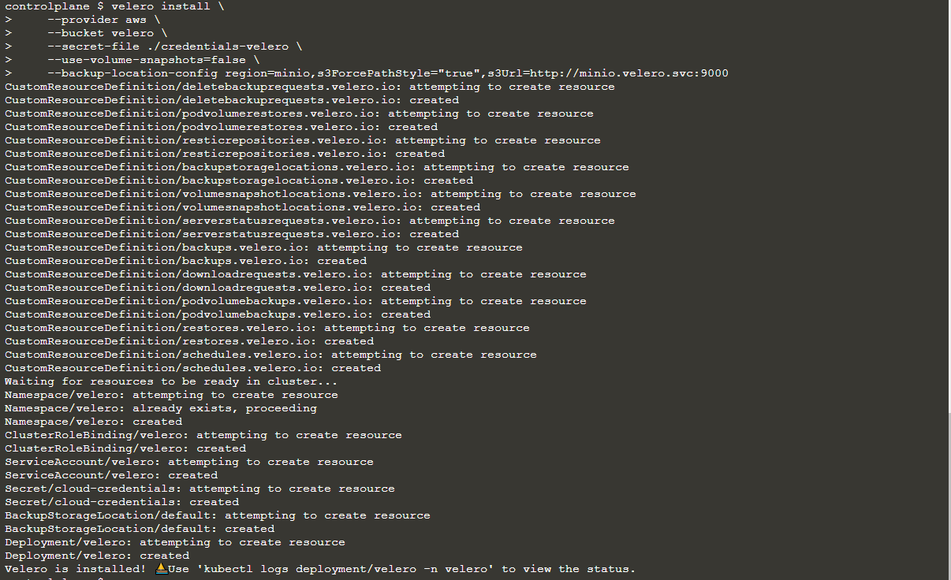

 | This example assumes that it is running within a local cluster without a volume provider capable of snapshots, so no VolumeSnapshotLocation is created (--use-volume-snapshots=false).

 | ▲nginx例をデプロイ

 | # Copyright 2017 the Velero contributors.
 | #
 | # Licensed under the Apache License, Version 2.0 (the "License");
 | # you may not use this file except in compliance with the License.
 | # You may obtain a copy of the License at
 | #
 | # http://www.apache.org/licenses/LICENSE-2.0
 | #
 | # Unless required by applicable law or agreed to in writing, software
 | # distributed under the License is distributed on an "AS IS" BASIS,
 | # WITHOUT WARRANTIES OR CONDITIONS OF ANY KIND, either express or implied.
 | # See the License for the specific language governing permissions and
 | # limitations under the License.

 | ---
 | apiVersion: v1
 | kind: Namespace
 | metadata:
 | name: nginx-example
 | labels:
 | app: nginx

 | ---
 | apiVersion: apps/v1
 | kind: Deployment
 | metadata:
 | name: nginx-deployment
 | namespace: nginx-example
 | spec:
 | replicas: 2
 | selector:
 | matchLabels:
 | app: nginx
 | template:
 | metadata:
 | labels:
 | app: nginx
 | spec:
 | containers:
 | - image: nginx:1.17.6
 | name: nginx
 | ports:
 | - containerPort: 80

 | ---
 | apiVersion: v1
 | kind: Service
 | metadata:
 | labels:
 | app: nginx
 | name: my-nginx
 | namespace: nginx-example
 | spec:
 | ports:
 | - port: 80
 | targetPort: 80
 | selector:
 | app: nginx
 | type: LoadBalancer

 | ▲確認

■リソースバックアップ

 | ▲バックアップ
 | velero backup create nginx-backup --selector app=nginx

 | ▲検証
 | velero backup describe nginx-backup
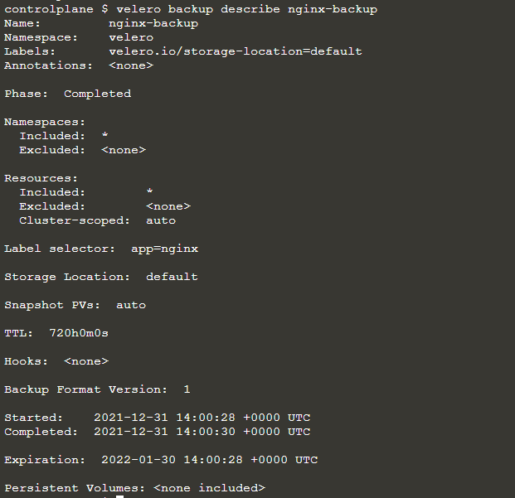

 | ▲災害模擬

 | kubectl delete namespace nginx-example

 | ▲削除結果確認

■Restore
 | ▲実施

 | ▲確認

