Sheet1
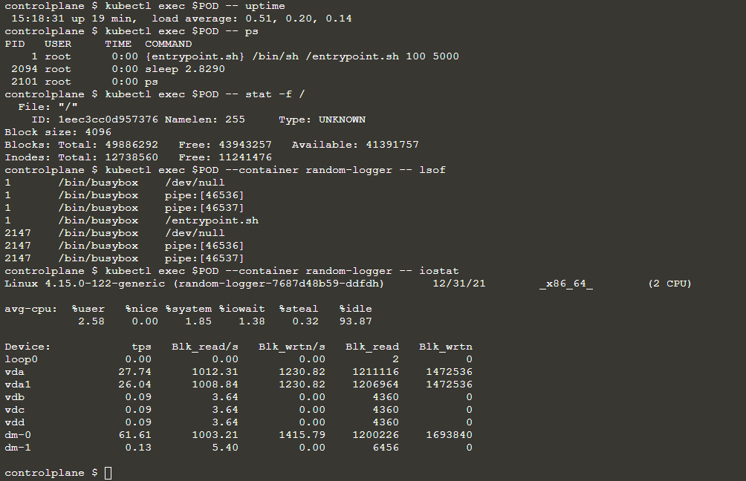
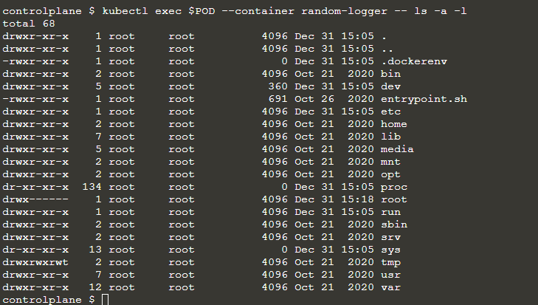
access metrics information produced by each cAdvisor in each Kubelet,
inspect resources using the Resource Metrics API,
viewing metrics reported by Metrics Server.

■基本情報

 | kubectl version --short && \
 | > kubectl get componentstatus && \
 | > kubectl get nodes && \
 | > kubectl cluster-info

■シンプルアプリをデプロイ

 | ▲作成
 | kubectl create deployment random-logger --image=chentex/random-logger

 | ソースパス：https://github.com/chentex/random-logger

 | ▲scale ３インスタンス
 | kubectl scale deployment/random-logger --replicas=3

 | ▲確認

■リソース監視

 | ▲Dumpクラスターファイル

 | tree cluster-state

 | cluster-state
 | ├── default
 | │ ├── daemonsets.json
 | │ ├── deployments.json
 | │ ├── events.json
 | │ ├── pods.json
 | │ ├── random-logger-7687d48b59-ddfdh
 | │ │ └── logs.txt
 | │ ├── random-logger-7687d48b59-m7rj5
 | │ │ └── logs.txt
 | │ ├── random-logger-7687d48b59-tk6fn
 | │ │ └── logs.txt
 | │ ├── replicasets.json
 | │ ├── replication-controllers.json
 | │ └── services.json
 | ├── kube-node-lease
 | │ ├── daemonsets.json
 | │ ├── deployments.json
 | │ ├── events.json
 | │ ├── pods.json
 | │ ├── replicasets.json
 | │ ├── replication-controllers.json
 | │ └── services.json
 | ├── kube-public
 | │ ├── daemonsets.json
 | │ ├── deployments.json
 | │ ├── events.json
 | │ ├── pods.json
 | │ ├── replicasets.json
 | │ ├── replication-controllers.json
 | │ └── services.json
 | ├── kube-system
 | │ ├── coredns-66bff467f8-dvfq4
 | │ │ └── logs.txt
 | │ ├── coredns-66bff467f8-mj8bn
 | │ │ └── logs.txt
 | │ ├── daemonsets.json
 | │ ├── dash-kubernetes-dashboard-6cc989d574-nckz9
 | │ │ └── logs.txt
 | │ ├── deployments.json
 | │ ├── etcd-controlplane
 | │ │ └── logs.txt
 | │ ├── events.json
 | │ ├── kube-apiserver-controlplane
 | │ │ └── logs.txt
 | │ ├── kube-controller-manager-controlplane
 | │ │ └── logs.txt
 | │ ├── kube-flannel-ds-amd64-4nrm4
 | │ │ └── logs.txt
 | │ ├── kube-flannel-ds-amd64-kd5bv
 | │ │ └── logs.txt
 | │ ├── kube-proxy-g5d77
 | │ │ └── logs.txt
 | │ ├── kube-proxy-p27vm
 | │ │ └── logs.txt
 | │ ├── kube-scheduler-controlplane
 | │ │ └── logs.txt
 | │ ├── pods.json
 | │ ├── replicasets.json
 | │ ├── replication-controllers.json
 | │ └── services.json
 | └── nodes.json

 | ▲
 | Show me all the container images names in the kube-system namespace.

 | jq '.items[].status.containerStatuses[].image' cluster-state/kube-system/pods.json

 | Show me when all the container images were started in the default namespace.

 | jq '.items[].status.containerStatuses[] | [.image, .state[].startedAt]' cluster-state/default/pods.json

 | ▲イベント
 | kubectl get events

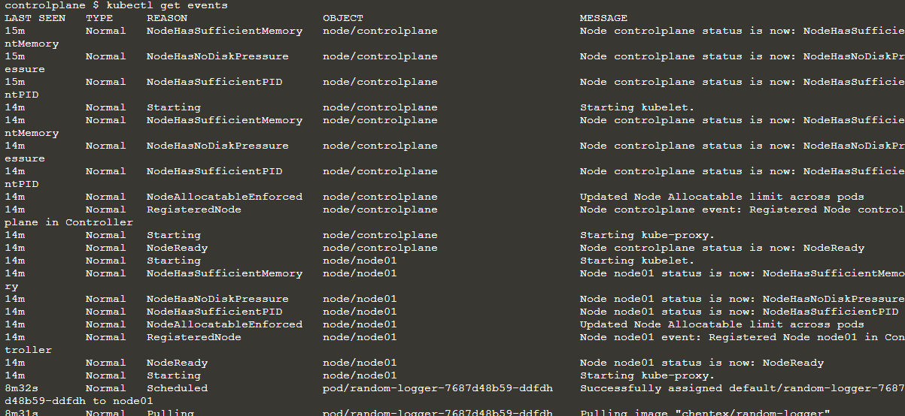

 | ▲Scale 2インスタンス

 | ▲確認

 | ▲コンテナ監視

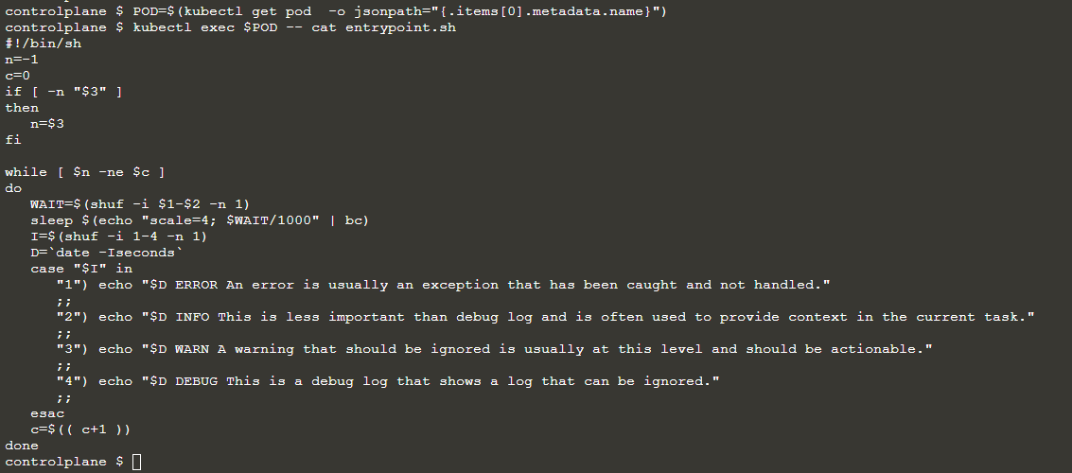

 | kubectl exec -it $POD -- /bin/sh

