Sheet1
Helm simplifies discovering and deploying services to a Kubernetes cluster.
Helm is the best way to find, share, and use software built for Kubernetes.

■インストール
 | curl -LO https://storage.googleapis.com/kubernetes-helm/helm-v2.8.2-linux-amd64.tar.gz
 | tar -xvf helm-v2.8.2-linux-amd64.tar.gz
 | mv linux-amd64/helm /usr/local/bin/

 | 別バージョンをダウンロード
 | https://get.helm.sh/helm-v3.7.1-linux-amd64.tar.gz

 | Once installed, initialise update the local cache to sync the latest available packages with the environment.

 | Helmの3からinitが廃止された。

 | ▲バージョン2インストール
 | https://get.helm.sh/helm-v2.17.0-linux-amd64.tar.gz

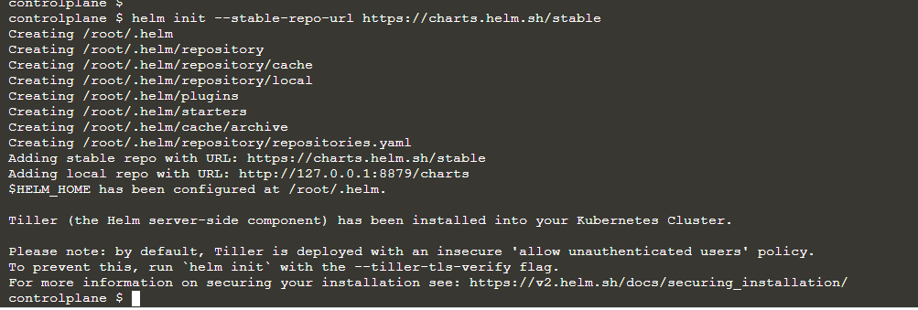

■ソフトをデプロイ
 | ▲redis chartを探す

 | ▲詳細情報

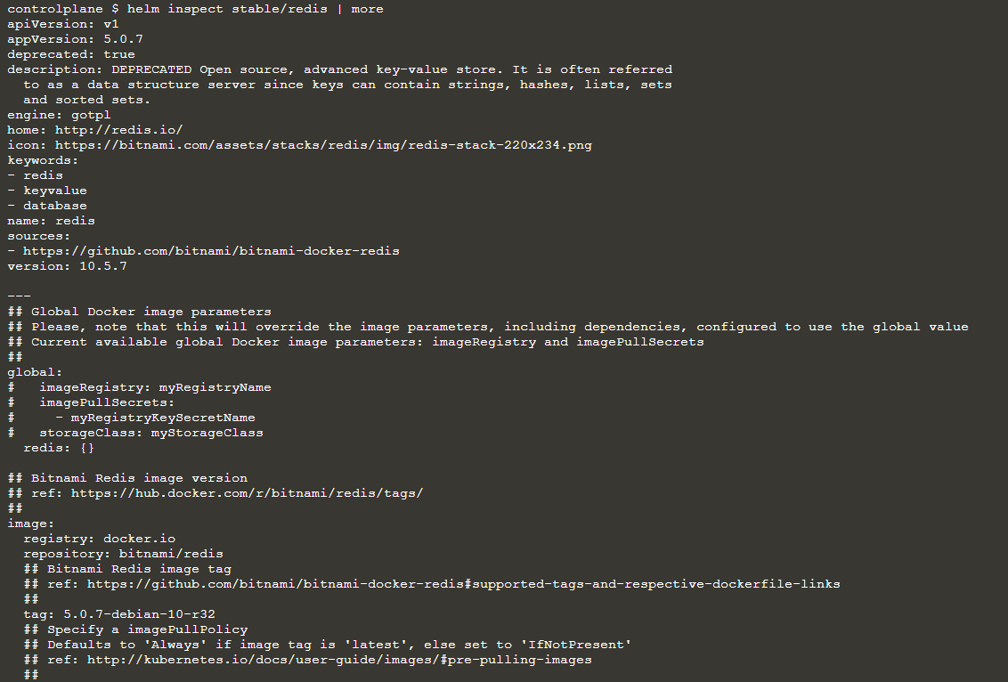

 | ▲Redisインストール
 | helm install stable/redis

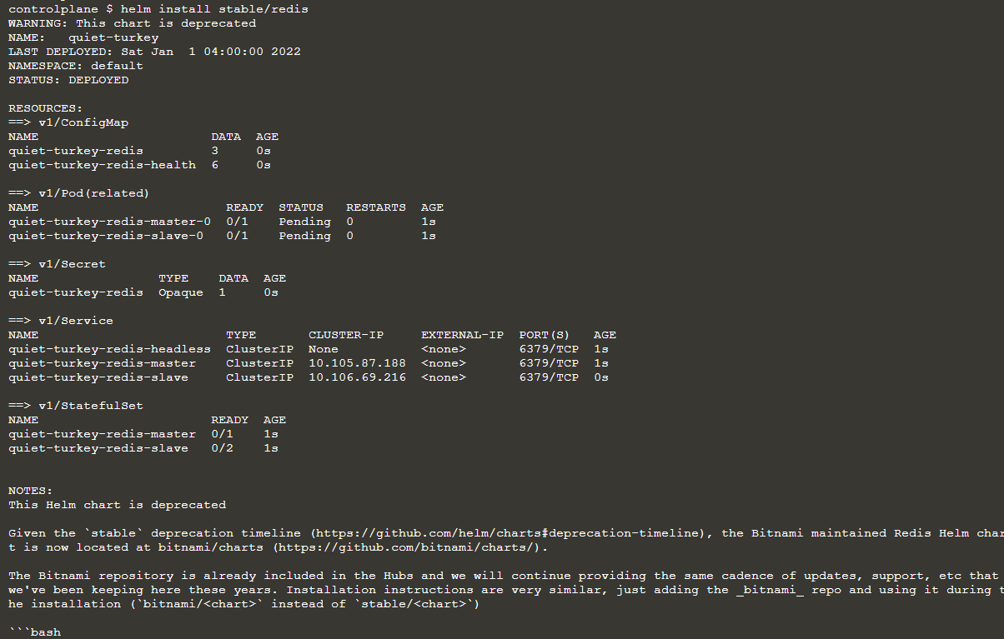

 | ▲確認
 | helm ls

■確認結果

 | ▲確認all

The pod will be in a pending state while the Docker Image is downloaded and until a Persistent Volume is available.

 | ▲PVのYAML作成
 | kind: PersistentVolume
 | apiVersion: v1
 | metadata:
 | name: pv-volume1
 | labels:
 | type: local
 | spec:
 | capacity:
 | storage: 10Gi
 | accessModes:
 | - ReadWriteOnce
 | hostPath:
 | path: "/mnt/data1"
 | ---
 | kind: PersistentVolume
 | apiVersion: v1
 | metadata:
 | name: pv-volume2
 | labels:
 | type: local
 | spec:
 | capacity:
 | storage: 10Gi
 | accessModes:
 | - ReadWriteOnce
 | hostPath:
 | path: "/mnt/data2"
 | ---
 | kind: PersistentVolume
 | apiVersion: v1
 | metadata:
 | name: pv-volume3
 | labels:
 | type: local
 | spec:
 | capacity:
 | storage: 10Gi
 | accessModes:
 | - ReadWriteOnce
 | hostPath:
 | path: "/mnt/data3"

 | ▲デプロイ

 | ▲アクセス権限を賦与

 | ▲確認

