start
视频教程
https://www.youtube.com/watch?v=HsvAVGjlN9k&t=24s

使用网站：
https://www.katacoda.com/courses/kubernetes/launch-single-node-cluster

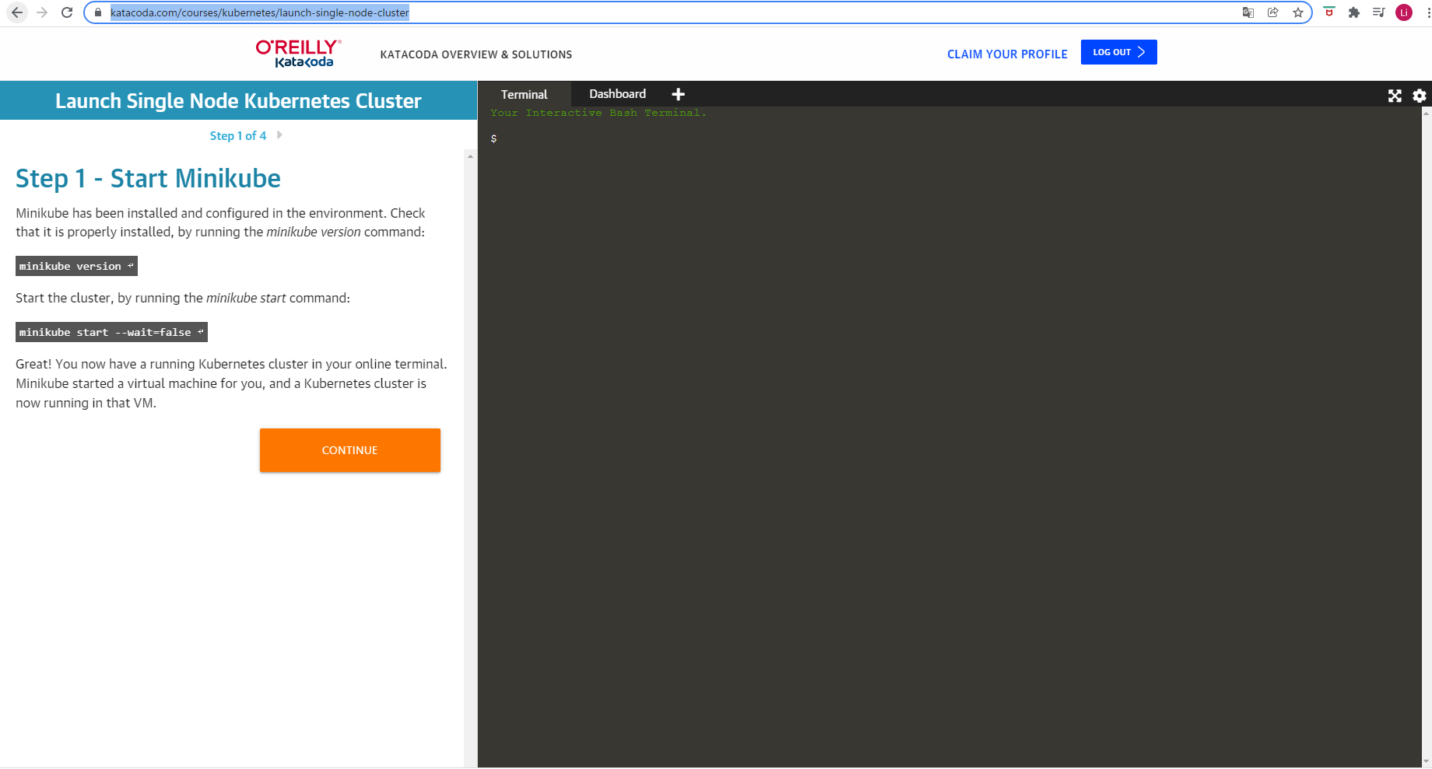

启动环境

 | minikube version

 | minikube start --wait=false

调查基本信息

kubectl cluster-info

kubectl get nodes

启动一个pod
 | kubectl create deployment first-deployment --image=kataconda/docker-http-server

查看pod
 | kubectl get pods

给创建的pod或者容器分配端口
 | kubectl expose deployment first-deployment --port=80 --type=NodePort

确认分配端口，尝试http访问

 | export PORT=$(kubectl get svc first-deployment -o go-template='{{range.spec.ports}}{{if .nodePort}}{{.nodePort}}{{"\n"}}{{end}}{{end}}')
 | echo "Accessing host01:$PORT"
 | curl host01:$(PORT)

 | TODO | 调查失败原因

启动dashboard

 | minikube addons enable dashaboard

 | kubectl apply -f /opt/kubernetes-dashboard.yaml

kubeadm
启动kubeadm
kubeadm init --token=102952.1a7dd4cc8d1f4cc5 --kubernetes-version $(kubeadm version -o short)

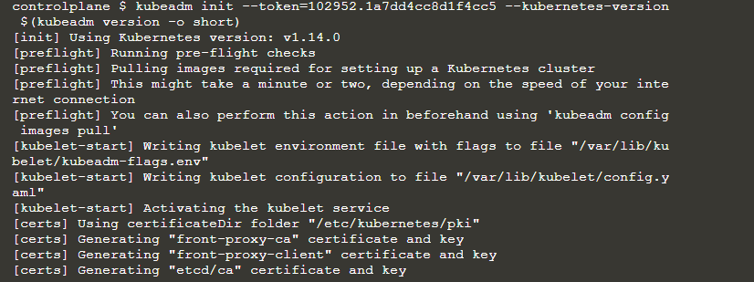

 | kubeadm init --token=102952.1a7dd4cc8d1f4cc5 --kubernetes-version $(kubeadm version -o short)
 | [init] Using Kubernetes version: v1.14.0
 | [preflight] Running pre-flight checks
 | [preflight] Pulling images required for setting up a Kubernetes cluster
 | [preflight] This might take a minute or two, depending on the speed of your internet connection
 | [preflight] You can also perform this action in beforehand using 'kubeadm config images pull'
 | [kubelet-start] Writing kubelet environment file with flags to file "/var/lib/kubelet/kubeadm-flags.env"
 | [kubelet-start] Writing kubelet configuration to file "/var/lib/kubelet/config.yaml"
 | [kubelet-start] Activating the kubelet service
 | [certs] Using certificateDir folder "/etc/kubernetes/pki"
 | [certs] Generating "front-proxy-ca" certificate and key
 | [certs] Generating "front-proxy-client" certificate and key
 | [certs] Generating "etcd/ca" certificate and key
 | [certs] Generating "etcd/peer" certificate and key
 | [certs] etcd/peer serving cert is signed for DNS names [controlplane localhost] and IPs [172.17.0.14 127.0.0.1 ::1]
 | [certs] Generating "etcd/healthcheck-client" certificate and key
 | [certs] Generating "apiserver-etcd-client" certificate and key
 | [certs] Generating "etcd/server" certificate and key
 | [certs] etcd/server serving cert is signed for DNS names [controlplane localhost] and IPs [172.17.0.14 127.0.0.1 ::1]
 | [certs] Generating "ca" certificate and key
 | [certs] Generating "apiserver" certificate and key
 | [certs] apiserver serving cert is signed for DNS names [controlplane kubernetes kubernetes.default kubernetes.default.svc kubernetes.default.svc.cluster.local] and IPs [10.96.0.1 172.17.0.14]
 | [certs] Generating "apiserver-kubelet-client" certificate and key
 | [certs] Generating "sa" key and public key
 | [kubeconfig] Using kubeconfig folder "/etc/kubernetes"
 | [kubeconfig] Writing "admin.conf" kubeconfig file
 | [kubeconfig] Writing "kubelet.conf" kubeconfig file
 | [kubeconfig] Writing "controller-manager.conf" kubeconfig file
 | [kubeconfig] Writing "scheduler.conf" kubeconfig file
 | [control-plane] Using manifest folder "/etc/kubernetes/manifests"
 | [control-plane] Creating static Pod manifest for "kube-apiserver"
 | [control-plane] Creating static Pod manifest for "kube-controller-manager"
 | [control-plane] Creating static Pod manifest for "kube-scheduler"
 | [etcd] Creating static Pod manifest for local etcd in "/etc/kubernetes/manifests"
 | [wait-control-plane] Waiting for the kubelet to boot up the control plane as static Pods from directory "/etc/kubernetes/manifests". This can take up to 4m0s
 | [apiclient] All control plane components are healthy after 17.509009 seconds
 | [upload-config] storing the configuration used in ConfigMap "kubeadm-config" in the "kube-system" Namespace
 | [kubelet] Creating a ConfigMap "kubelet-config-1.14" in namespace kube-system with the configuration for the kubelets in the cluster
 | [upload-certs] Skipping phase. Please see --experimental-upload-certs
 | [mark-control-plane] Marking the node controlplane as control-plane by adding the label "node-role.kubernetes.io/master=''"
 | [mark-control-plane] Marking the node controlplane as control-plane by adding the taints [node-role.kubernetes.io/master:NoSchedule]
 | [bootstrap-token] Using token: 102952.1a7dd4cc8d1f4cc5
 | [bootstrap-token] Configuring bootstrap tokens, cluster-info ConfigMap, RBAC Roles
 | [bootstrap-token] configured RBAC rules to allow Node Bootstrap tokens to post CSRs in order for nodes to get long term certificate credentials
 | [bootstrap-token] configured RBAC rules to allow the csrapprover controller automatically approve CSRs from a Node Bootstrap Token
 | [bootstrap-token] configured RBAC rules to allow certificate rotation for all node client certificates in the cluster
 | [bootstrap-token] creating the "cluster-info" ConfigMap in the "kube-public" namespace
 | [addons] Applied essential addon: CoreDNS
 | [addons] Applied essential addon: kube-proxy

 | Your Kubernetes control-plane has initialized successfully!

 | To start using your cluster, you need to run the following as a regular user:

 | mkdir -p $HOME/.kube
 | sudo cp -i /etc/kubernetes/admin.conf $HOME/.kube/config
 | sudo chown $(id -u):$(id -g) $HOME/.kube/config

 | You should now deploy a pod network to the cluster.
 | Run "kubectl apply -f [podnetwork].yaml" with one of the options listed at:
 | https://kubernetes.io/docs/concepts/cluster-administration/addons/

 | Then you can join any number of worker nodes by running the following on each as root:

 | kubeadm join 172.17.0.14:6443 --token 102952.1a7dd4cc8d1f4cc5 \
 | --discovery-token-ca-cert-hash sha256:c4baf6916068399e390db71c60a672f25e3e96fcdafeb42a2af4bbfa40b5fd27

部署CNI
 | kubectl apply -f /opt/weave-kube.yaml

 | 文件内容参照：E:\k8s\kubeonline\weave-kube.yaml

查看所有pod
 | kubectl get pod -n kube-system

将node加入cluster

确认token

 | kubeadm token list

确认master信息

在node上输入
 | kubeadm join --discovery-token-unsafe-skip-ca-verification --token=102952.1a7dd4cc8d1f4cc5 172.17.0.14:6443

 | ※这里使用--discovery-token-unsafe-skip-ca-verification的目的是规避token检验。

在master上确认加入结果

部署POD
 | 在master上执行
 | kubectl create deployment http --image=katacoda/docker-http-server:latest

在master上确认部署结果
 | kubectl get pods

在worker上确认部署结果
 | docker ps | grep docker-http-server

部署Dashboard
 | kubectl apply -f dashboard.yaml

在master上确认dashboard部署结果
 | kubectl get pods -n kube-system

为了能login，建立一个ServiceAccount

 | 在master上执行
 | cat <<EOF | kubectl create -f -
 | apiVersion: v1
 | kind: ServiceAccount
 | metadata:
 | name: admin-user
 | namespace: kube-system
 | ---
 | apiVersion: rbac.authorization.k8s.io/v1beta1
 | kind: ClusterRoleBinding
 | metadata:
 | name: admin-user
 | roleRef:
 | apiGroup: rbac.authorization.k8s.io
 | kind: ClusterRole
 | name: cluster-admin
 | subjects:
 | - kind: ServiceAccount
 | name: admin-user
 | namespace: kube-system
 | EOF

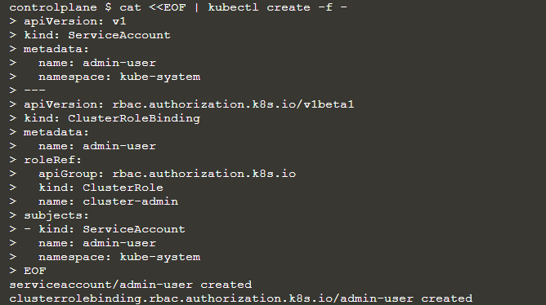

确认可以用于登录的token

 | 在master上执行
 | kubectl -n kube-system describe secret $(kubectl -n kube-system get secret | grep admin-user | awk '{print $1}')

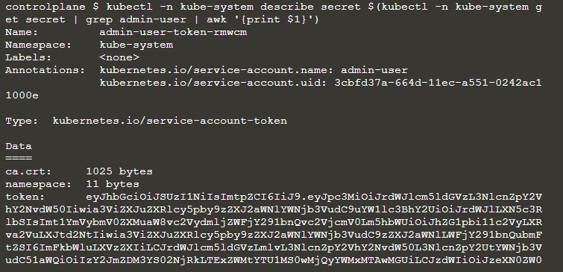

 | ※部署了dashboard后，dashboard会用externalIPs来绑定8443端口。

登录dashboard
 | https://2886795287-8443-elsy05.environments.katacoda.com/#!/login

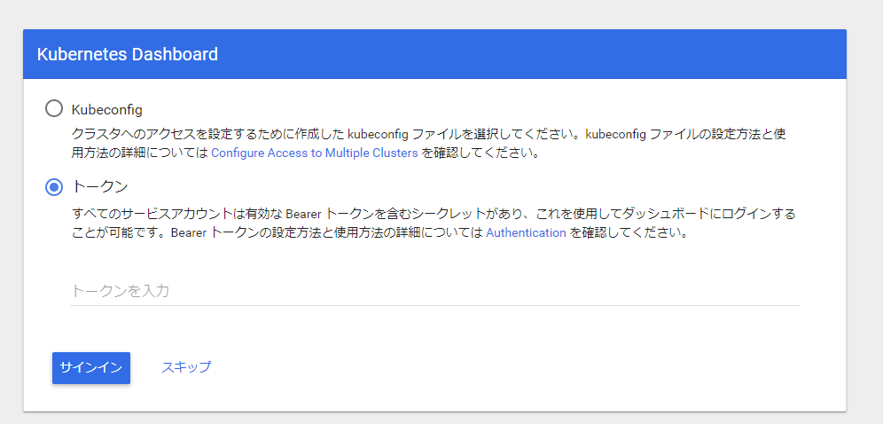

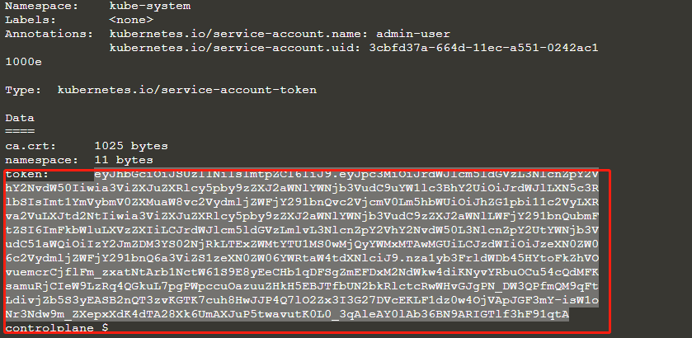

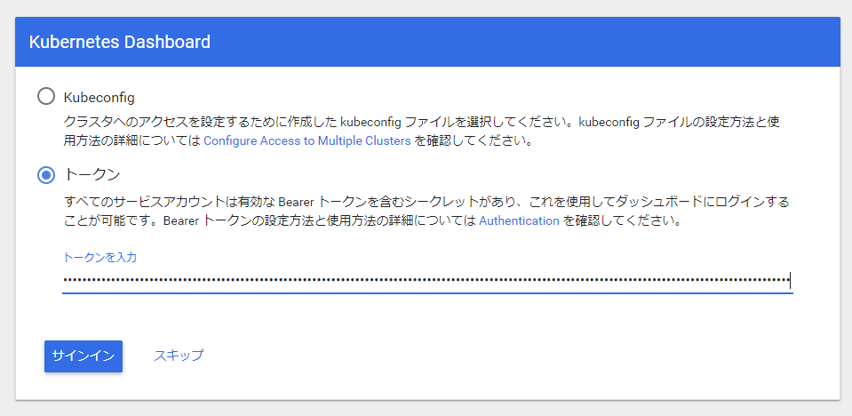

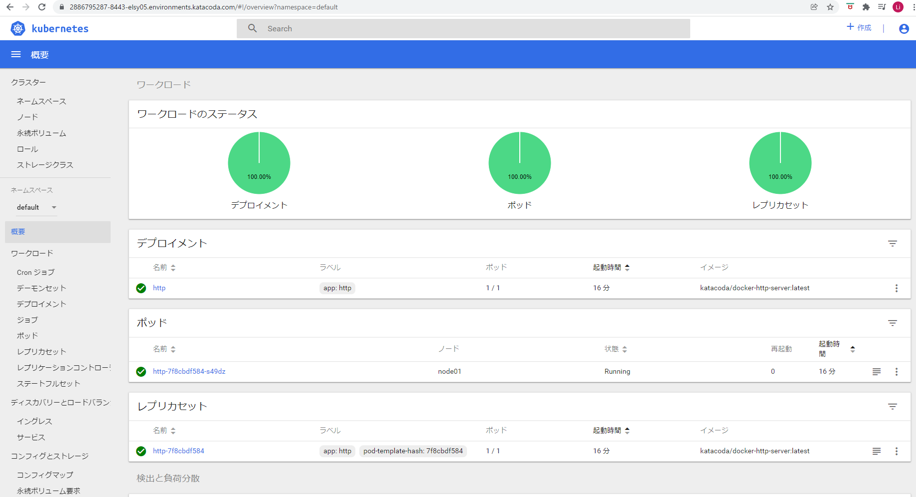

 | ※在生产环境，使用kubectl proxy登录dashboard
 | 参照https://github.com/kubernetes/dashboard

