Sheet1
参照リンク |  | https://www.katacoda.com/courses/kubernetes/networking-introduction

Kubernetes have advanced networking capabilities that allow Pods and Services to communicate inside the cluster's network and externally.

ここで、下記のサービスを練習
Cluster IP
Target Ports
NodePort
External IPs
Load Balancer

■Cluster IP
 | ClusterIPはサービス作成時、デフォルト方法です。
 | サービスの内部IP（internal IP）を自動配分

 | ▲YAML作成
 | apiVersion: v1
 | kind: Service
 | metadata:
 | name: webapp1-clusterip-svc
 | labels:
 | app: webapp1-clusterip
 | spec:
 | ports:
 | - port: 80
 | selector:
 | app: webapp1-clusterip
 | ---
 | apiVersion: extensions/v1beta1
 | kind: Deployment
 | metadata:
 | name: webapp1-clusterip-deployment
 | spec:
 | replicas: 2
 | template:
 | metadata:
 | labels:
 | app: webapp1-clusterip
 | spec:
 | containers:
 | - name: webapp1-clusterip-pod
 | image: katacoda/docker-http-server:latest
 | ports:
 | - containerPort: 80

 | ▲デプロイ
 | kubectl apply -f clusterip.yaml

 | ▲確認

 | ▲詳細確認
 | kubectl describe svc/webapp1-clusterip-svc

 | ▲export作成したIP
 |  | export CLUSTER_IP=$(kubectl get services/webapp1-clusterip-svc -o go-template='{{(index .spec.clusterIP)}}')

■Target Port
 | TargetPort is the Port which the application is configured to listen on. Port is how the application will be accessed from the outside.

 | ▲YAML作成
 | apiVersion: v1
 | kind: Service
 | metadata:
 | name: webapp1-clusterip-targetport-svc
 | labels:
 | app: webapp1-clusterip-targetport
 | spec:
 | ports:
 | - port: 8080
 | targetPort: 80
 | selector:
 | app: webapp1-clusterip-targetport
 | ---
 | apiVersion: extensions/v1beta1
 | kind: Deployment
 | metadata:
 | name: webapp1-clusterip-targetport-deployment
 | spec:
 | replicas: 2
 | template:
 | metadata:
 | labels:
 | app: webapp1-clusterip-targetport
 | spec:
 | containers:
 | - name: webapp1-clusterip-targetport-pod
 | image: katacoda/docker-http-server:latest
 | ports:
 | - containerPort: 80
 | ---

 | ▲デプロイ
 | kubectl apply -f clusterip-target.yaml

 | ▲確認

 | ▲詳細確認
 | kubectl describe svc/webpp1-clusterip-targetport-svc

 | ▲公開
 | export CLUSTER_IP=$(kubectl get svc/webapp1-clusterip-targetport-svc -o go-template='{{(index .spec.clusterIP)}}')

 | ▲確認

 | この時、80をアクセスすると、。。。

 | 時間長くで、まっていない

■NodePort
 | While TargetPort and ClusterIP make it available to inside the cluster, the NodePort exposes the service on each Node’s IP via the defined static port.

 | ▲YAML作成
 | apiVersion: v1
 | kind: Service
 | metadata:
 | name: webapp1-nodeport-svc
 | labels:
 | app: webapp1-nodeport
 | spec:
 | type: NodePort
 | ports:
 | - port: 80
 | nodePort: 30080
 | selector:
 | app: webapp1-nodeport
 | ---
 | apiVersion: extensions/v1beta1
 | kind: Deployment
 | metadata:
 | name: webapp1-nodeport-deployment
 | spec:
 | replicas: 2
 | template:
 | metadata:
 | labels:
 | app: webapp1-nodeport
 | spec:
 | containers:
 | - name: webapp1-nodeport-pod
 | image: katacoda/docker-http-server:latest
 | ports:
 | - containerPort: 80
 | ---

 | ▲デプロイ

 | ▲確認

 | ▲詳細確認

 | ▲アクセス確認

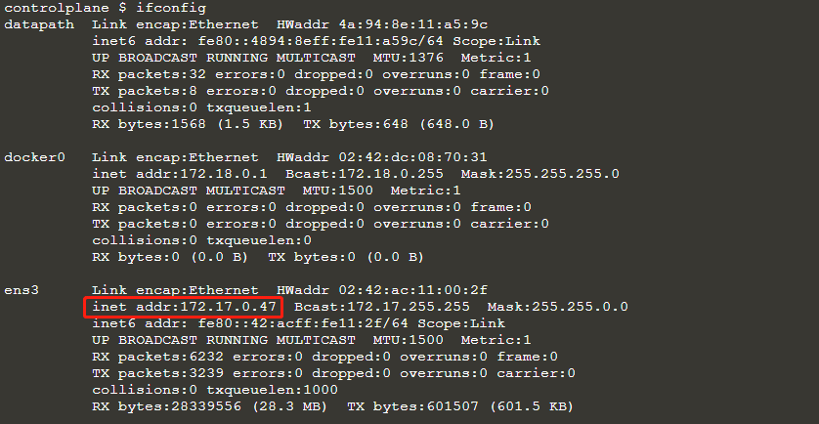

■ExternalIP

 | ▲YAML作成
 | apiVersion: v1
 | kind: Service
 | metadata:
 | name: webapp1-externalip-svc
 | labels:
 | app: webapp1-externalip
 | spec:
 | ports:
 | - port: 80
 | externalIPs:
 | - 172.17.0.47
 | selector:
 | app: webapp1-externalip
 | ---
 | apiVersion: extensions/v1beta1
 | kind: Deployment
 | metadata:
 | name: webapp1-externalip-deployment
 | spec:
 | replicas: 2
 | template:
 | metadata:
 | labels:
 | app: webapp1-externalip
 | spec:
 | containers:
 | - name: webapp1-externalip-pod
 | image: katacoda/docker-http-server:latest
 | ports:
 | - containerPort: 80
 | ---

 | ▲デプロイ

 | ▲確認

 | ▲アクセス確認

■LoadBalanacer

 | ▲YAML作成 |  | ここのYAMLはクラウド上デプロイ時必要です
 | apiVersion: extensions/v1beta1
 | kind: DaemonSet
 | metadata:
 | name: kube-keepalived-vip
 | namespace: kube-system
 | spec:
 | template:
 | metadata:
 | labels:
 | name: kube-keepalived-vip
 | spec:
 | hostNetwork: true
 | containers:
 | - image: gcr.io/google_containers/kube-keepalived-vip:0.9
 | name: kube-keepalived-vip
 | imagePullPolicy: Always
 | securityContext:
 | privileged: true
 | volumeMounts:
 | - mountPath: /lib/modules
 | name: modules
 | readOnly: true
 | - mountPath: /dev
 | name: dev
 | # use downward API
 | env:
 | - name: POD_NAME
 | valueFrom:
 | fieldRef:
 | fieldPath: metadata.name
 | - name: POD_NAMESPACE
 | valueFrom:
 | fieldRef:
 | fieldPath: metadata.namespace
 | # to use unicast
 | args:
 | - --services-configmap=kube-system/vip-configmap
 | # unicast uses the ip of the nodes instead of multicast
 | # this is useful if running in cloud providers (like AWS)
 | #- --use-unicast=true
 | volumes:
 | - name: modules
 | hostPath:
 | path: /lib/modules
 | - name: dev
 | hostPath:
 | path: /dev
 | nodeSelector:
 | # type: worker # adjust this to match your worker nodes
 | ---
 | ## We also create an empty ConfigMap to hold our config
 | apiVersion: v1
 | kind: ConfigMap
 | metadata:
 | name: vip-configmap
 | namespace: kube-system
 | data:
 | ---
 | apiVersion: apps/v1beta1
 | kind: Deployment
 | metadata:
 | labels:
 | app: keepalived-cloud-provider
 | name: keepalived-cloud-provider
 | namespace: kube-system
 | spec:
 | replicas: 1
 | revisionHistoryLimit: 2
 | selector:
 | matchLabels:
 | app: keepalived-cloud-provider
 | strategy:
 | type: RollingUpdate
 | template:
 | metadata:
 | annotations:
 | scheduler.alpha.kubernetes.io/critical-pod: ""
 | scheduler.alpha.kubernetes.io/tolerations: '[{"key":"CriticalAddonsOnly", "operator":"Exists"}]'
 | labels:
 | app: keepalived-cloud-provider
 | spec:
 | containers:
 | - name: keepalived-cloud-provider
 | image: quay.io/munnerz/keepalived-cloud-provider:0.0.1
 | imagePullPolicy: IfNotPresent
 | env:
 | - name: KEEPALIVED_NAMESPACE
 | value: kube-system
 | - name: KEEPALIVED_CONFIG_MAP
 | value: vip-configmap
 | - name: KEEPALIVED_SERVICE_CIDR
 | value: 10.10.0.0/26 # pick a CIDR that is explicitly reserved for keepalived
 | volumeMounts:
 | - name: certs
 | mountPath: /etc/ssl/certs
 | resources:
 | requests:
 | cpu: 200m
 | livenessProbe:
 | httpGet:
 | path: /healthz
 | port: 10252
 | host: 127.0.0.1
 | initialDelaySeconds: 15
 | timeoutSeconds: 15
 | failureThreshold: 8
 | volumes:
 | - name: certs
 | hostPath:
 | path: /etc/ssl/certs

 | ▲Pod確認(namespace: kube-system)
 | kubectl get pods -n kube-system

 | ▲loadbalancerのYAML作成
 | apiVersion: v1
 | kind: Service
 | metadata:
 | name: webapp1-loadbalancer-svc
 | labels:
 | app: webapp1-loadbalancer
 | spec:
 | type: LoadBalancer
 | ports:
 | - port: 80
 | selector:
 | app: webapp1-loadbalancer
 | ---
 | apiVersion: extensions/v1beta1
 | kind: Deployment
 | metadata:
 | name: webapp1-loadbalancer-deployment
 | spec:
 | replicas: 2
 | template:
 | metadata:
 | labels:
 | app: webapp1-loadbalancer
 | spec:
 | containers:
 | - name: webapp1-loadbalancer-pod
 | image: katacoda/docker-http-server:latest
 | ports:
 | - containerPort: 80
 | ---

 | ▲デプロイ

 | ▲確認

 | ▲アクセス確認

