Tabelle1
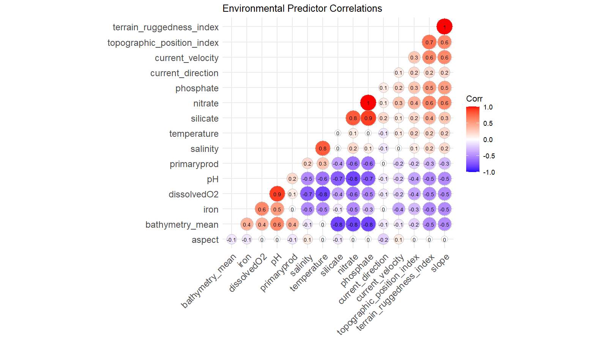
layer | unit | correlated | keep | thoughts
Topographic Position Index (TPI) |  | TRI - weaker with others than TRI |  | think 1 is probs good but unsure which
Terrain Ruggedness Index (TRI) |  | slope
Slope |  | TRI
Aspect |  | low | no | similar to current direction - effect direction but not morph?
Bathymetry | m s^-1 | silicate, nitrate, phosphate | no | distal variable, Elith 2013 - more biologically meaningful variables
Current Direction |  | low | no | might affect direction of growth but unlikely to effect form
Current Velocity | m s^-1 | low | yes | Schonberg main factor
Dissolved Oxygen | mmol m^-3 | pH, salinity, temperature | yes | hypothesis - control on smothering + food availability
Iron Concentration | mmol m^-3 |  | no | correlated with o2 and unsure how biologically important
Nitrate Concentration | mmol m^-3 | depth, pH, silicate, phosphate | no | correlated w/ Si
pH |  | dissolved o2, nitrate, a bit silicate/phosphate |  | ask johanne? - maybe think about aragonite saturation, correlated but seems important
Phosphate Concentration | mmol m^-3 | depth, silicate, nitrate | no | correlated w/ Si
Primary Productivity | mmol m^-3 | o2, nitrate, phosphate | no | not certain how/where its derived - likely determined by temperature and other nutrients
Salinity | PSS | o2, temp | no | correlated with temp and o2 which I want to keep in
Silicate Concentration | mmol m^-3 | depth, pH, nitrate, phosphate | yes | hypothesis - spicule growth - resiliance to breakage
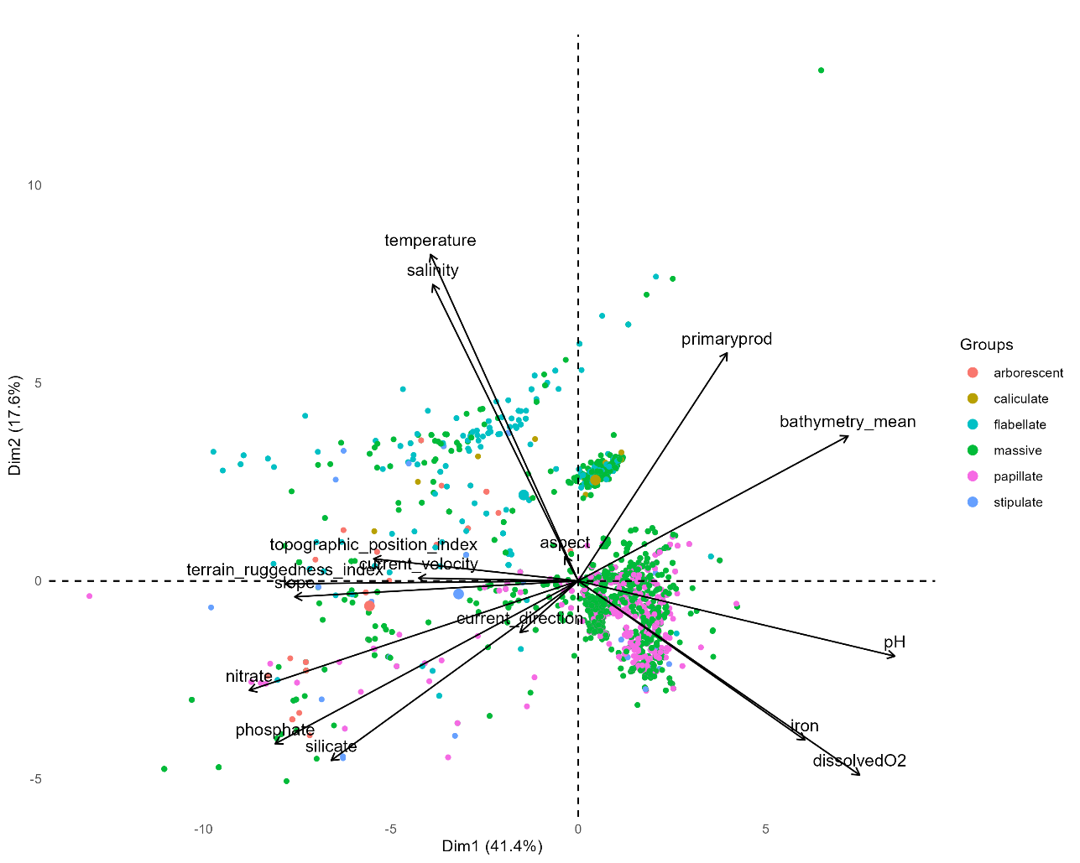
Temperature | ºC | dissolved o2, salinity | yes | biological metabolism of food and sponge
Substrate |  |  | yes | schonberg main factor

