Sheet1
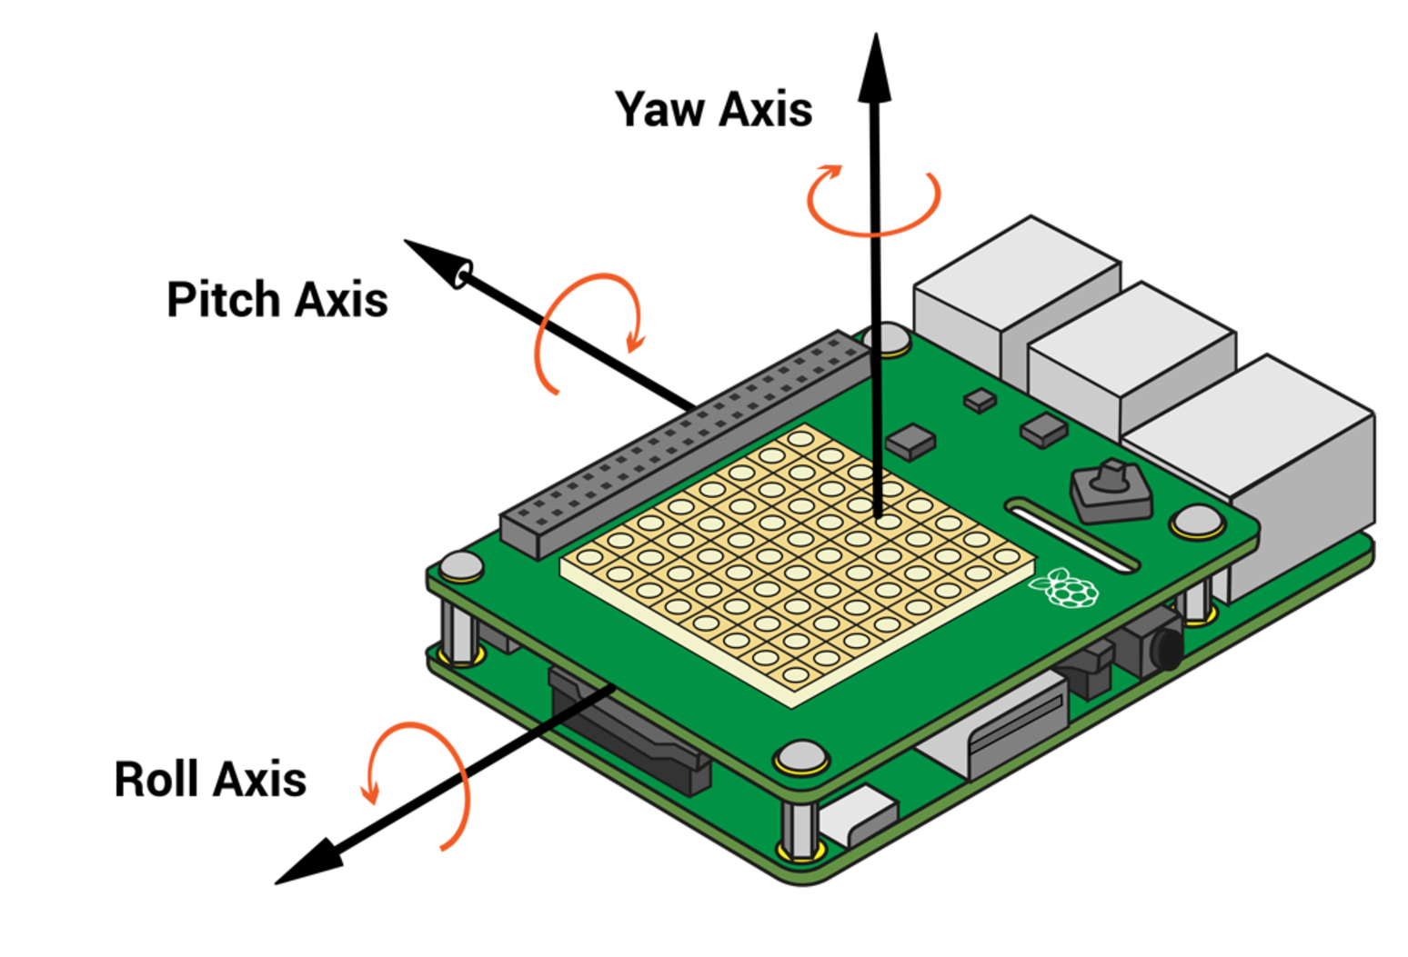
Pitch | Roll | Yaw | PitchNormalized
22.382948259 | 9.2739087654 | 121.77094845
23.792142644 | 10.117861453 | 120.00571338
25.016076684 | 10.910111317 | 118.08167641
26.412167351 | 11.620433915 | 116.27517334
27.541247139 | 12.352174279 | 114.56009918
28.78812037 | 12.961343483 | 112.77354025
30.131475146 | 13.645938466 | 111.1102321
31.663001634 | 14.158831885 | 109.31307272
32.881831816 | 14.827522773 | 107.80392194
31.337522629 | 350.35497888 | 108.26167438
28.561211241 | 331.29439515 | 105.96313814
26.671326926 | 334.21482865 | 107.27351676
24.850147484 | 335.73327874 | 106.32538406
22.938587563 | 330.89937799 | 105.0082777
24.08393857 | 331.83776231 | 102.5583708
16.905213385 | 356.74770746 | 98.035890818
18.333667195 | 1.374205673 | 96.065408563
19.520547459 | 2.9686943383 | 94.238203186
20.45419163 | 4.131502028 | 93.24470436
21.524615462 | 6.1420083376 | 92.058717143
27.916082798 | 25.923334127 | 90.511146541
29.807153859 | 29.752778723 | 90.463970425
32.587921945 | 32.88685542 | 91.459422685
34.531981613 | 36.274393606 | 91.776309311
42.736780505 | 1.569171075 | 88.12775203
40.066910785 | 0.75092946021 | 87.761435325
40.589300728 | 1.6497603703 | 87.585872142
356.86490881 | 2.8988099772 | 92.695714245
354.16806731 | 3.9439710735 | 91.984746194
352.79732732 | 6.436339545 | 91.559935749
352.31930884 | 8.7480174965 | 90.285367808
34.535861161 | 19.654326959 | 101.0743756
41.379092577 | 22.760773834 | 101.91967981
41.69206892 | 21.62801428 | 99.282543775
63.609114608 | 31.548623286 | 109.74261649
69.746975313 | 36.965144298 | 116.27063809
72.370457804 | 39.873954525 | 117.15730593
73.520887056 | 35.975108377 | 112.14608493
75.731149932 | 24.133216677 | 99.01878919
43.545003619 | 8.7435787273 | 82.887589918
45.152976999 | 8.0165665619 | 81.215382024
45.325978861 | 1.6404812382 | 76.427685793
45.81411882 | 0.6749269571 | 73.746973148
46.357740406 | 0.83896675663 | 72.366755841
46.859294857 | 1.0015993237 | 70.987248874
47.407236538 | 1.1777549184 | 69.820768677
47.831152229 | 1.4352455795 | 68.530163452
48.359119022 | 1.8309880207 | 67.360561859
37.046433794 | 2.815294266 | 72.028627326
37.099087722 | 3.65849606 | 71.020566537
37.067778135 | 5.1536855142 | 70.853213242
37.190912785 | 7.5696399637 | 71.124200997
38.819492846 | 321.56394714 | 66.862948427
39.150849228 | 320.15138548 | 64.502674106
38.386011475 | 320.31785426 | 63.056060531
38.144407194 | 321.22344855 | 61.534068987
37.0787884 | 322.32370324 | 60.498885517
35.689196659 | 321.71824453 | 58.764358977
33.170916157 | 329.21558268 | 58.922949139
29.954224907 | 345.25272341 | 59.303800488
33.026102486 | 346.16451268 | 56.804156157
34.24319097 | 347.85217474 | 55.665628509
34.883715865 | 350.48510765 | 55.176662097
35.51177225 | 353.56934488 | 52.69738539
42.160616482 | 24.57706286 | 49.004346502
44.823922391 | 29.28131467 | 51.713144886
45.517900346 | 30.615684332 | 51.863593462
48.400909534 | 31.926103935 | 52.013017511
50.423150963 | 37.097895854 | 53.915153478
52.182645259 | 38.706176593 | 56.352062521
58.165631425 | 11.793376866 | 61.446273736
57.633218179 | 12.363842804 | 60.825860333
57.744966904 | 13.752636266 | 61.188837076
60.108663149 | 12.656513848 | 60.100890394
57.908433821 | 11.057179804 | 58.092869419
41.976375544 | 5.8909792487 | 57.01947104
43.451764707 | 5.798451103 | 55.229824874
40.330989804 | 7.8554347154 | 54.794174918
39.305310541 | 9.6194685261 | 54.612993905
40.348341899 | 11.975032577 | 54.607177999
39.318680636 | 13.771583211 | 52.431042164
72.660453976 | 51.221152699 | 85.688636836
76.59652124 | 64.850597112 | 98.485467529
74.78042175 | 61.257651232 | 94.798900245
74.966161915 | 57.715098487 | 90.918123363
74.258602128 | 52.05052891 | 85.014148826
44.229149518 | 171.5090007 | 202.34213116
39.976639589 | 174.06686556 | 208.21153128
39.973183514 | 176.05394518 | 211.71993991
39.395602227 | 176.68687149 | 213.85150535
40.862313634 | 178.35380648 | 216.74455491
61.910200675 | 180.90293234 | 219.21877728
80.592509753 | 231.13382372 | 273.91416034
77.530365193 | 223.68835745 | 266.31326629
79.194909615 | 231.5538667 | 272.94675284
79.905365402 | 229.40112767 | 271.1108458
80.53753356 | 232.31451754 | 273.50126858
87.06441452 | 329.98455611 | 93.353154104
84.123068686 | 300.13794083 | 62.473616149
81.92579 | 293.92662827 | 56.396236769
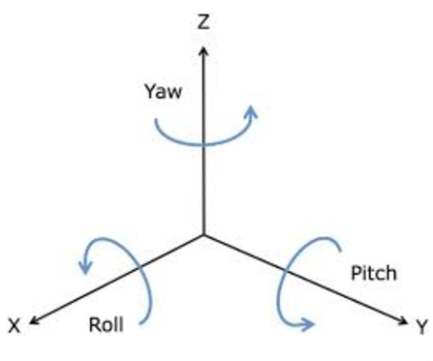
79.526303563 | 296.47835279 | 58.953336651
77.741418039 | 294.72070606 | 54.327427111
75.399462286 | 341.75949146 | 51.074962745
75.092800452 | 339.64007693 | 47.80283768
74.753647409 | 338.59789935 | 45.58952854
74.435060065 | 337.45092959 | 43.305335697
74.141095554 | 336.58738877 | 41.47884749
73.899245385 | 335.59612342 | 39.515369594
73.634780461 | 335.08071393 | 37.87782491
73.326165193 | 334.65719439 | 36.481693263
73.035690908 | 334.06989545 | 34.928357981
72.829917799 | 333.56567893 | 33.438178044
72.635633068 | 332.88586337 | 31.648764104

