Histogram
Histograms: visual representation of the distribution of a dataset

Histogram to analyze salary distribution |  |  | Step 1 | Select Data w/out headers > Insert > Histogram

Name | Entry Date | Yearly Salary
Gary Miller | 2006-09-01 | $60,270
James Willard | 2009-12-01 | $39,627
Richard Elliot | 2016-04-01 | $29,727
Robert Spear | 2005-01-01 | $93,668
Roger Mun | 2011-09-01 | $134,000
Paul Garza | 2005-01-01 | $34,808
Robert Marquez | 2017-03-01 | $134,468
Natalie Porter | 2019-02-01 | $45,000
Kim West | 2014-02-01 | $89,500
Stevie Bridge | 2011-10-01 | $21,972
Andre Cooper | 2011-10-01 | $80,000
Crystal Doyle | 2012-12-01 | $185,000
Robert Musser | 2018-10-01 | $50,545
Daniel Garrett | 2004-08-01 | $140,000 |  |  | X- axis (Salary)
Ann Withers | 2001-09-01 | $100,000 | Step 2 | Axis Options
Paul Hill | 2006-04-05 | $68,357 |  | Double Click Axis Data in Chart
Corinna Schmidt | 2010-07-15 | $46,055 |  | Change Bin Width
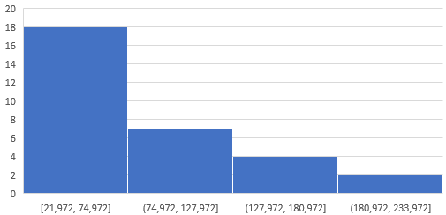
Ewan Thompson | 2006-09-01 | $60,270 |  | Former:
Walter Miller | 2009-01-15 | $65,709
Paul Wells | 2016-09-01 | $46,407
Betina Bauer | 2019-01-01 | $73,817
Daniela Schreiber | 2019-01-01 | $45,686
Dan Ziegler | 2019-02-01 | $140,000
Peter Ramsy | 2000-05-01 | $45,432 |  | Overflow Bin: highest value
Wolfgang Ramjac | 2002-07-01 | $116,000 |  | Underflow Bin: lowest value
Robert Richardson | 2016-11-01 | $59,784
Brigitte Bond | 2016-02-01 | $225,000 | Step 3 | Add Data Labels
Robert Blume | 2016-07-01 | $38,821 |  | Right Click on bar > Add Data Labels
Mike Saban | 2015-08-08 | $102,500 |  | e.g., 15 people salary between 30,000-70,000
Maria Tot | 2015-01-01 | $88,000
Lukas Hofer | 2018-09-24 | $49,000 |  | Remove Y Axis
 |  |  |  | Rt click on Y-Axis > Delete
Central Tendency
Mean (avg) | $80,949
Median | $65,709 |  |  | Remove Gridlines
Mode | $60,270 |  |  | Double Click: No Line

Variance | $2,272,762,654
STDEV | $47,674

MIN | $21,972
MIN | $225,000
Range

Resources
https://www.youtube.com/watch?v=_nUhGuWkSzE
https://www.xelplus.com/excel-histogram-chart/

Measure of Dispersion
Measure of Dispersion: describes how far apart data points lie from each other and from the center of a distribution

Data Set 1 |  | Functions | Formula | Result |  | Description
40 |  | Mean(avg) | AVERAGE() | 61.9 | Central Tendency | Mean (average)
51 |  | Median | MEDIAN() | 58 | Central Tendency | Median (score in the middle of data set)
66 |  | Mode | MODE() | 51 | Central Tendency | Mode (most reoccurance value)
98
42 |  | Variance |  | 405.88 | Central Tendency | Avg squared distance from the mean
43 |  | ST.DEV |  | 20.15 | Central Tendency | Standard Deviation (avg amount of variability in dataset)
65
88 |  | Max | MAX() | 98 | Central Tendency
75 |  | Min | MIN() | 40 | Central Tendency
51 |  | Range | Range(Max-Min) | 58 | Central Tendency
130 | Outlier (added): Dot does not show

Interquartile Range (IQR): spread of the middle of distribution
 | IQR contains half of the values
 | first quartile, Q1, contains the first 25% of the values
 | fourth quartile, Q4, contains the last 25% of the values

Q1 | 45 | QUARTILE(A5:A14,1)
Q3 | 72.75 | QUARTILE(A5:A14,3)
IQR | 27.75 | Q3-Q1

5 Number Summary
Max | MAX() | 98
Min | MIN() | 40
Q1 Exc | 42.75
Q3 Exc | 78.25

Box & Whisker Plots
Summary of 5 Values
Max | 98
Q3 | 78.25
Q1 | 42.75 |  |  | Quartile |  | calculation on a percentile range of 0 to 1 exclusive
Mean (avg) | 61.90 |  |  | Quartile Exclusion |  | calculation on a percentile range of 0 to 1 inclusive
Median | 58 |  |  | Quartile Inclusion
Min | 40

Outliers
 | Lower Limit (LL) = Q1 - (IQR * 1.5)
 | LL-42.75-(27.8*1.5)
 | LL | 1
 | * Values less than 1.13 is outler

 | Upper Limit (UL) = Q3 + (IQR * 1.5)
 | UP=78.25+(27.8*1.5)
 | UP | 120
 | * Values greater than 120 is outlier

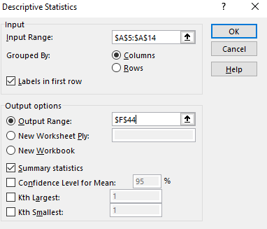
Data > Data Analysis > Descriptive Statistics
Age

Mean | 61.9
Standard Error | 6.3708537715
Median | 58
Mode | 51
Standard Deviation | 20.146408558
Sample Variance | 405.87777778
Kurtosis | -0.71590128133
Skewness | 0.67001920568
Range | 58
Minimum | 40
Maximum | 98
Sum | 619
Count | 10
 | 1

 |  |  | * choose no labels for accuracy

Z- Score: tells how many standard deviatons away a value (data point) is from a mean

 | z: z=score
 | x: single raw data value
 |  | mean of dataset
 |  | standard deviation of dataset

Data Set 1 | Z-Score | Formula |  | Excel Formula
40 | -1.0870423846 | z = (40 - 61.9) / 20.1 |  | -1.09 | STANDARDIZE(x, mean, stand_dev)
51 | -0.54103936038 |  |  | -0.54
66 | 0.20351021812 |  |  | 0.20
98 | 1.7918826523 |  |  | 1.79
42 | -0.98776910748 |  |  | -0.99
43 | -0.93813246891 |  |  | -0.94
65 | 0.15387357956 |  |  | 0.15
88 | 1.2955162666 |  |  | 1.30
75 | 0.65023996522 |  |  | 0.65
51 | -0.54103936038 |  |  | -0.54

Group 1 | Group 2
72 | 60
80 | 72
58 | 57
60 | 66
63 | 60
67 | 49
58 | 48
70 | 54
61 | 77
45
30

 |  |  | * Dot below minimum is Outlier
Add Legend
 | Select Chart > Chart Design > Addd Chart Design > Legend

Outliers
 | Lower Limit (LL) = Q1 - (IQR * 1.5)
 | LL-42.75-(27.8*1.5)
 | LL | -108
 | * Values less than 1.13 is outler

 | Upper Limit (UL) = Q3 + (IQR * 1.5)
 | UP=78.25+(27.8*1.5)
 | UP | 108
 | * Values greater than 120 is outlier

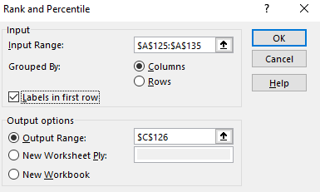
Percentile: tells what percentage of observations fall below a certain value in a dataset
Data Set 1 |  | Data > Data Analysis > Rank & Percentile
40
51
66
98
42
43
65
88
75
51

Point | Data set | Rank | Percent | Rank Formula
3 | 98 | 1 | 100.00% | RANK(number, ref, [order])
7 | 88 | 2 | 87.50% | RANK(88,B139:B147,0)
8 | 75 | 3 | 75.00% | 3
2 | 66 | 4 | 62.50% | 4
6 | 65 | 5 | 50.00% | 5
1 | 51 | 6 | 25.00% | 6
9 | 51 | 6 | 25.00% | 6
5 | 43 | 8 | 12.50% | 8
4 | 42 | 9 | 0.00% | 9

See next Page

Scatter Plots
Country | Software Developer Avg Salary
UK | $42,394 | Insert > Chart > Scatter
New Zealand | $46,299
France | $46,508
Canada | $48,271
Finland | $49,203
Sweden | $51,396
Australia | $53,669
Netherlands | $54,025
Germany | $60,162
Israel | $64,198
Norway | $64,202
Denmark | $72,151
Switzerland | $95,394
Usa | $110,638

Cleaning Data (Duplicates)
Sales Agent | Region | Sales
Peter Ramsy | Europe | 5254 | 1. Insert Table | https://www.youtube.com/watch?v=ADArCWLz55Y&t=1s
Stevie Bridge | Asia | 4378 |  | https://www.xelplus.com/excel-remove-duplicates/#method-1-excel-s-remove-duplicates-feature
Peter Ramsy | Europe | 230
Stevie Bridge | Asia | 4378
Ewan Thompson | North America | 13135
Betina Bauer | Europe | 3476
Peter Ramsy | Europe | 230
Peter Ramsy | Asia | 1490
Stevie Bridge | Europe | 497
Peter Ramsy | Europe | 5254
Betina Bauer | Asia | 9267
Betina Bauer | Europe | 3476
Stevie Bridge | North America | 927
Stevie Bridge | Asia | 4378
Betina Bauer | Australia | 463
Peter Ramsy | South America | 2317
Stevie Bridge | Australia | 5361
Ewan Thompson | Asia | 4468
Ewan Thompson | Europe | 4468

Remove Duplicates Feature
1. Keep original Dataset or Not (Copy if Keep) |  |  | 2. Data > Data Tools > Remove Duplicates

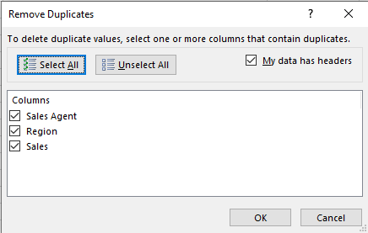
Sales Agent | Region | Sales
Peter Ramsy | Europe | 5254
Stevie Bridge | Asia | 4378
Peter Ramsy | Europe | 230
Ewan Thompson | North America | 13135
Betina Bauer | Europe | 3476
Peter Ramsy | Asia | 1490
Stevie Bridge | Europe | 497
Betina Bauer | Asia | 9267
Stevie Bridge | North America | 927
Betina Bauer | Australia | 463
Peter Ramsy | South America | 2317
Stevie Bridge | Australia | 5361
Ewan Thompson | Asia | 4468
Ewan Thompson | Europe | 4468

Remove Duplicates Unique Function
1. Keep original Dataset or Not (Copy if Keep) |  |  | * Only availbe for Office 365
 |  |  | *=UNIQUE(Table exclude labels)
Sales Agent | Region | Sales | Add Labels/headers
Peter Ramsy | Europe | 5254
Stevie Bridge | Asia | 4378
Peter Ramsy | Europe | 230
Stevie Bridge | Asia | 4378
Ewan Thompson | North America | 13135
Betina Bauer | Europe | 3476
Peter Ramsy | Europe | 230
Peter Ramsy | Asia | 1490
Stevie Bridge | Europe | 497
Peter Ramsy | Europe | 5254
Betina Bauer | Asia | 9267
Betina Bauer | Europe | 3476
Stevie Bridge | North America | 927
Stevie Bridge | Asia | 4378
Betina Bauer | Australia | 463
Peter Ramsy | South America | 2317
Stevie Bridge | Australia | 5361
Ewan Thompson | Asia | 4468
Ewan Thompson | Europe | 4468

Remove Duplicates Using Power Query
1. Keep original Dataset or Not (Copy if Keep) |  |  | 2. Data > Get & Transform Data > From Sheet
 |  |  | * does not have "from sheet"
Sales Agent | Region | Sales
Peter Ramsy | Europe | 5254
Stevie Bridge | Asia | 4378
Peter Ramsy | Europe | 230
Stevie Bridge | Asia | 4378
Ewan Thompson | North America | 13135
Betina Bauer | Europe | 3476
Peter Ramsy | Europe | 230
Peter Ramsy | Asia | 1490
Stevie Bridge | Europe | 497
Peter Ramsy | Europe | 5254
Betina Bauer | Asia | 9267
Betina Bauer | Europe | 3476
Stevie Bridge | North America | 927
Stevie Bridge | Asia | 4378
Betina Bauer | Australia | 463
Peter Ramsy | South America | 2317
Stevie Bridge | Australia | 5361
Ewan Thompson | Asia | 4468
Ewan Thompson | Europe | 4468

Removing Duplicates Advanced Filter
1. Keep original Dataset or Not (Copy if Keep) |  |  | 2. Data > Sort & Filter > Advanced
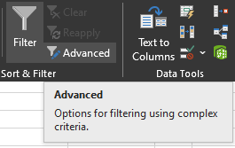
Sales Agent | Region | Sales
Peter Ramsy | Europe | 5254
Stevie Bridge | Asia | 4378
Peter Ramsy | Europe | 230
Ewan Thompson | North America | 13135
Betina Bauer | Europe | 3476
Peter Ramsy | Asia | 1490
Stevie Bridge | Europe | 497
Betina Bauer | Asia | 9267
Stevie Bridge | North America | 927
Betina Bauer | Australia | 463
Peter Ramsy | South America | 2317
Stevie Bridge | Australia | 5361
Ewan Thompson | Asia | 4468
Ewan Thompson | Europe | 4468

Cleaning Data (Empty Cells)
Sales Person | Ctrl G > Specials | or | F5 > Go To Special or Alt S | https://www.youtube.com/watch?v=_9QFKGfCZ5Q
Jack Potter | Ctrl G > Alt S |  | F5 > Go To Special or Alt S
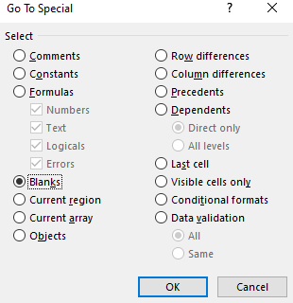
Bob Caldwell
Bob Caldwell

Taj Shand
Jack Potter

Justine Hoffer

Sheridan Smith
Taj Shand

 | Ctrl - > Shift cells up | or | Home > Cells > Delete
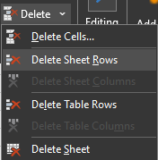
Sales Person
Jack Potter
Bob Caldwell
Bob Caldwell
Taj Shand
Jack Potter
Justine Hoffer
Sheridan Smith
Taj Shand

Alternative Method

Pivot Tables
Name | Entry Date | Yearly Salary | 1 | Insert > Table
Peter Ramsy | 2000-05-01 | $45,432 | 2 | Yearly Salary | (All)
Ann Withers | 2001-09-01 | $100,000 |  | Entry Date | (All)
Wolfgang Ramjac | 2002-07-01 | $116,000
Daniel Garrett | 2004-08-01 | $140,000 |  | Row Labels | Sum of Yearly Salary
Paul Garza | 2005-01-01 | $34,808 |  | Stevie Bridge | $21,972
Robert Spear | 2005-01-01 | $93,668 |  | Richard Elliot | $29,727
Paul Hill | 2006-04-05 | $68,357 |  | Paul Garza | $34,808
Ewan Thompson | 2006-09-01 | $60,270 |  | Robert Blume | $38,821
Gary Miller | 2006-09-01 | $60,270 |  | James Willard | $39,627
Walter Miller | 2009-01-15 | $65,709 |  | Natalie Porter | $45,000
James Willard | 2009-12-01 | $39,627 |  | Peter Ramsy | $45,432
Corinna Schmidt | 2010-07-15 | $46,055 |  | Daniela Schreiber | $45,686
Roger Mun | 2011-09-01 | $134,000 |  | Corinna Schmidt | $46,055
Stevie Bridge | 2011-10-01 | $21,972 |  | Paul Wells | $46,407
Andre Cooper | 2011-10-01 | $80,000 |  | Lukas Hofer | $49,000
Crystal Doyle | 2012-12-01 | $185,000 |  | Robert Musser | $50,545
Kim West | 2014-02-01 | $89,500 |  | Robert Richardson | $59,784
Maria Tot | 2015-01-01 | $88,000 |  | Ewan Thompson | $60,270
Mike Saban | 2015-08-08 | $102,500 |  | Gary Miller | $60,270
Brigitte Bond | 2016-02-01 | $225,000 |  | Walter Miller | $65,709
Richard Elliot | 2016-04-01 | $29,727 |  | Paul Hill | $68,357
Robert Blume | 2016-07-01 | $38,821 |  | Betina Bauer | $73,817
Paul Wells | 2016-09-01 | $46,407 |  | Andre Cooper | $80,000
Robert Richardson | 2016-11-01 | $59,784 |  | Maria Tot | $88,000
Robert Marquez | 2017-03-01 | $134,468 |  | Kim West | $89,500
Lukas Hofer | 2018-09-24 | $49,000 |  | Robert Spear | $93,668
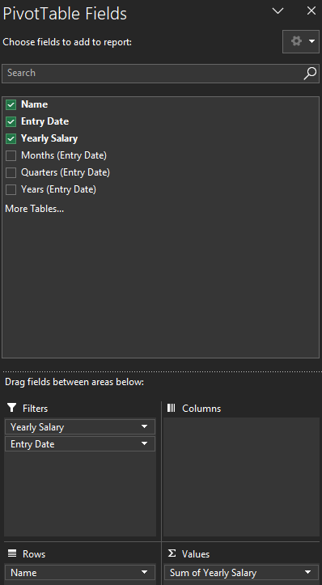
Robert Musser | 2018-10-01 | $50,545 |  | Ann Withers | $100,000
Daniela Schreiber | 2019-01-01 | $45,686 |  | Mike Saban | $102,500
Betina Bauer | 2019-01-01 | $73,817 |  | Wolfgang Ramjac | $116,000
Natalie Porter | 2019-02-01 | $45,000 |  | Roger Mun | $134,000
Dan Ziegler | 2019-02-01 | $140,000 |  | Robert Marquez | $134,468
 |  |  |  | Dan Ziegler | $140,000
 |  |  |  | Daniel Garrett | $140,000
 |  |  |  | Crystal Doyle | $185,000
 |  |  |  | Brigitte Bond | $225,000
 |  |  |  | Grand Total | $2,509,423

Correlation & Regression
Scatter & Plot (X & Y)
Data Set |  |  | Correlatoin:
X | Y |  |  | determines if two variables have a linear relationship |  |  |  |  |  | Slope:
Hours Studied | Examp Grade |  |  |  |  |  |  |  |  | SLOPE(Y,X) |  | *=SLOPE()*
8 | 82 |  | correlatoin coefficient: |  |  |  |  |  |  | Slope: | 2.428 | SLOPE(B4:B16,A4:A16)
11 | 94 |  |  | used to indicate the data coefficient |  |  |  |  |  | slope=(y2-y1)/(x2-x1)
3 | 70
6 | 75 |  | positve correlatoin:
14 | 98 |  |  | as one variable increases so does the other |  |  |  |  |  | Y-Intercept
9 | 80 |  |  |  |  |  |  |  |  | Intercept(Y's,X's)
2 | 68 |  | negative (inverse) correlatoin |  |  |  |  |  |  | Y-interept |  | 61.072289157 | INTERCEPT(B4:B16,A4:A16)
0 | 53 |  |  | as one variable increaesd the other variable decreases |  |  |  |  |  | Y=mx+b
7 | 76 |  |  |  |  |  |  |  |  |  | m:slope
13 | 87 |  | no correlation: |  |  |  |  |  |  |  | x
10 | 89 |  |  | there is no associatoin between the changes in the two variables |  |  |  |  |  |  | b: y-intercept
4 | 83
9 | 72 |  | regression: |  |  |  |  |  |  | Correlaton Coefficient ( R )
 |  |  |  | describes the cause & effect between the two |  |  |  |  |  | R = | 0.92595896237 | SQRT(0.8574)
 |  |  |  | Regression represents how the single variable affects the other variable, |  |  |  |  | Add trendline: rt click point > Add Trendline
 |  |  |  | or a single variable can be responsible for the changes in another variable
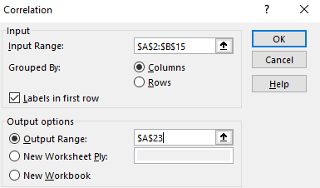
 |  |  |  |  |  |  |  |  | Additional Options: e.g., chart title
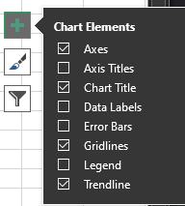
Data > Data Analysis > Correlation
 |  | Examp Grade
 | Hours Studied | 0.86
Hours Studied | 1 | 1
Examp Grade | 0.86

Correlation b/w exam grade and hours studies is .86; r = .86
 |  |  | Correlaton Coefficient ( R )
 |  |  | R = | 0.92595896237 | SQRT(0.8574)
0 |  | No Correlatoin |  |  |  |  |  |  | Linear Positive Correlation
Close to or equal 1 |  | Positive
Negative or below 0 |  | Negative

Examp Grade Residual Plot
 |  |  |  |  | See Data Analysis Notes
Data > Data Analysis > Analyze Section > Regression

SUMMARY OUTPUT

Regression Statistics
Multiple R | 0.86046243975
R Square | 0.74039561022
Examp Grade Line Fit Plot
Adjusted R Square | 0.71679521115
Standard Error | 2.2634270507
Observations | 13

ANOVA |  | SS | MS | F | Significance F
 | df | 160.72280093 | 160.72280093 | 31.372164852 | 0.0001600526739
Regression | 1 | 56.354122151 | 5.1231020137
Residual | 11 | 217.07692308
Total | 12
 |  | Standard Error | t Stat | P-value | Lower 95% | Upper 95% | Lower 95.0% | Upper 95.0%
Normal Probability Plot
 | Coefficients | 4.3470840955 | -3.843623805 | 0.0027293873507 | -26.276423496 | -7.1406883278 | -26.276423496 | -7.1406883278
Intercept | -16.708555912 | 0.054449592375 | 5.6010860421 | 0.0001600526739 | 0.18513410706 | 0.42481959664 | 0.18513410706 | 0.42481959664
Examp Grade | 0.30497685185

 |  |  |  |  | PROBABILITY OUTPUT
RESIDUAL OUTPUT
 |  | Residuals | Standard Residuals |  | Percentile | Hours Studied
Observation | Predicted Hours Studied | -0.29954594017 | -0.13822646973 |  | 3.8461538462 | 0
1 | 8.2995459402 | -0.95926816239 | -0.44265748196 |  | 11.538461538 | 2
2 | 11.959268162 | -1.6398237179 | -0.75670210511 |  | 19.230769231 | 3
3 | 4.6398237179 | -0.16470797721 | -0.076005043541 |  | 26.923076923 | 4
4 | 6.1647079772 | 0.8208244302 | 0.37877216158 |  | 34.615384615 | 6
5 | 13.17917557 | 1.3104077635 | 0.60469201803 |  | 42.307692308 | 7
6 | 7.6895922365 | -2.0298700142 | -0.93669026497 |  | 50 | 8
7 | 4.0298700142 | 0.54478276353 | 0.25139181699 |  | 57.692307692 | 9
8 | -0.54478276353 | 0.53031517094 | 0.2447156983 |  | 65.384615385 | 9
9 | 6.4696848291 | 3.1755698006 | 1.4653772395 |  | 73.076923077 | 10
10 | 9.8244301994 | -0.43438390313 | -0.20044789591 |  | 80.769230769 | 11
11 | 10.434383903 | -4.604522792 | -2.1247723469 |  | 88.461538462 | 13
12 | 8.604522792 | 3.7502225783 | 1.7305526738 |  | 96.153846154 | 14
13 | 5.2497774217

Solver
 |  |  | Solver
Original |  |  |  | Adjusts values in the decision varible cells to satisfy the limits on constraints cells
Units Sold | 658 | Input |  | produces results in the objective cell
Price Per Unit | $3.80 | Input
Revenue | $2,500.40 | B3*B4

Cost Per Unit | $1.50 | Input
Costs | $987.00 | B3*B8

Income | $1,513.40 | B5-B9

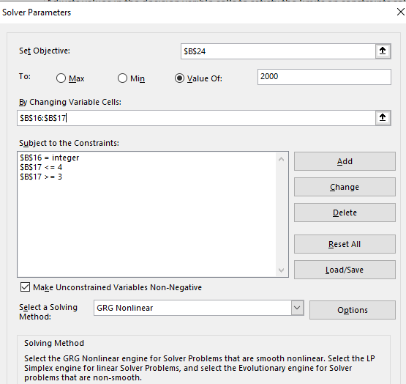
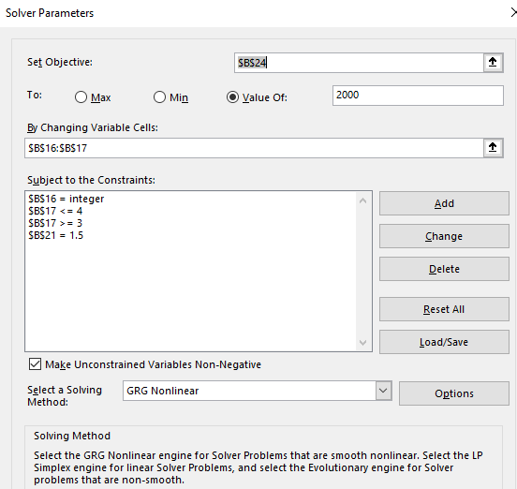
Add-In
Data > Analyze > Solver

Units Sold | 800 | Input
Price Per Unit | $4.00 | Input
Revenue | $3,200.00 | B16*17

Cost Per Unit | $1.50 | Input
Costs | $1,200.00 | B16*B21

Income | $2,000.00 | B18-B22

Set Objective: | Value I want
 | Value of: $2000

Changing Variable Cells:
 | Cells I want auto modified to attain set objective

Constraints:

Dates & Time
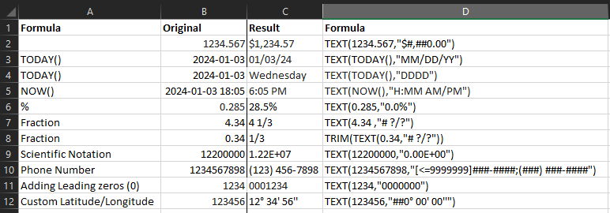
Variable (text) | Value | Function | Formula |  |  | Description
 |  | TODAY() | 2024-01-12 | TODAY() |  | Returns the current date formatted as a date

 |  | NOW() | 1/12/24 | NOW() |  | returns the current date and time formatted as the date and time

Year | 2024 | DATE() | 2024-01-01 | DATE(B6,B7,B8)
Month | 1
Day | 1

2024-01-02 |  | YEAR() | 2024 | YEAR(A10)
 |  | MONTH() | 1 | MONTH(A10)
 |  | DAY() | 2 | DAY(A10)

HOURS | 13 | TIME() | 13:21:07 | TIME(B14,B15,B16)
MINUTES | 21
Seconds | 7

1/12/24 |  | HOUR() | 12 | HOUR(A18)
 |  | MINUTE() | 28 | MINUTE(A18)
 |  | SECONDS() | 24 | SECOND(A18)

START Date | 2022-05-17 | NETWORKDAYS() | 434 | NETWORKDAYS(B22,B23) | NETWORKDAYS(start_date, end_date)
END Date | 2024-01-12

Holidays | 2023-12-24 | NETWORKDAYS() | 433 | NETWORKDAYS(B22,B23,B25:B26) |  | NETWORKDAYS((start_date, end_date, holidays)
 | 2024-01-01

Date | 2022-05-17 | WEEKNUM() | 21 | WEEKNUM(B28) | WEEKNUM(serial_num, return_type) | Find the week's number
Date | 2024-01-01 |  | 1 |  |  | Number that determines on which day the week beings
 | 2024-01-07 |  | 2

 | 2023-12-30 | WEEKDAY() | 7 | Sat
 | 2023-12-31 |  | 1 | Sun

 | 123 | ISTEXT() | FALSE | ISTEXT(B35) |  | Used to check for a text value
 | abc |  | TRUE

Text to Columns
Invoice Time
2023-01-01 08:45:00
2023-01-01 09:45:00
2023-01-01 10:45:00
2023-01-01 11:45:00
2023-01-01 12:45:00
2023-01-01 13:45:00
2023-01-01 14:45:00
2023-01-01 15:45:00

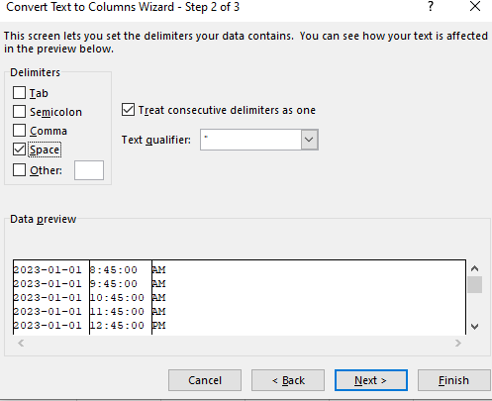
 |  | Data > Data Tools > Text To Columns
Invoice Time
2023-01-01 00:00:00 | 8:45:00 | AM
2023-01-01 00:00:00 | 9:45:00 | AM
2023-01-01 00:00:00 | 10:45:00 | AM
2023-01-01 00:00:00 | 11:45:00 | AM
2023-01-01 00:00:00 | 12:45:00 | PM
2023-01-01 00:00:00 | 1:45:00 | PM
2023-01-01 00:00:00 | 2:45:00 | PM
2023-01-01 00:00:00 | 3:45:00 | PM

Column Chart
Chart Basics |  |  | https://www.youtube.com/watch?v=DAU0qqh_I-A&list=PLmHVyfmcRKyyEj7oQkCf7TL9yQQWXbGOQ

 |  |  | 1 | Insert Table
Insert Table |  |  | 2 | Insert Chart
 |  |  |  | Adjust Chart
Monthly Sales per App |  |  |  | Improve Chart
Column1 | Sales |  |  | Add Series to a Chart
Fightrr | 102 |  |  | Create Combination Charts
Kryptis | 119
Perino | 300
Hackrr | 89
WenCaL | 226

Insert Chart
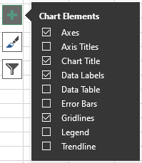

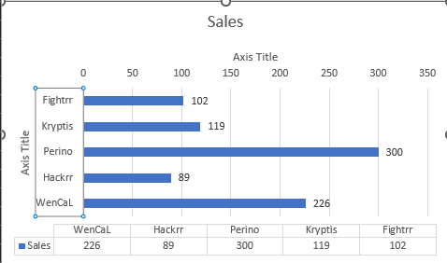
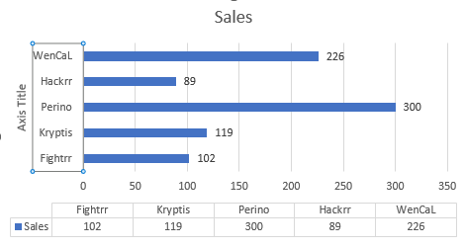

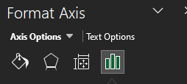



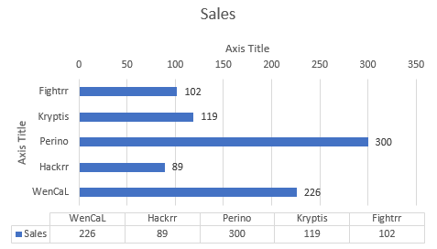

Adding More Series

Monthly Sales per App |  | Added
Column1 | Sales | Budget
Fightrr | 102 | 112
Kryptis | 119 | 131
Perino | 300 | 330
Hackrr | 89 | 98
WenCaL | 226 | 249

Click on Chart and Expand Table

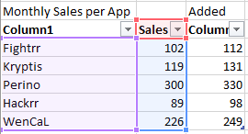
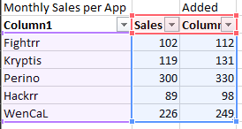

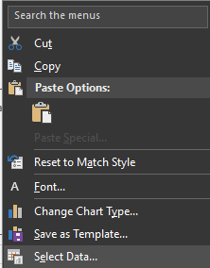
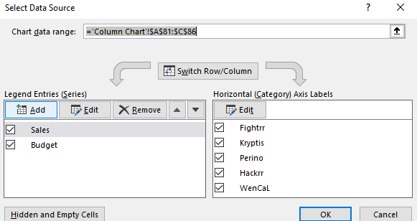
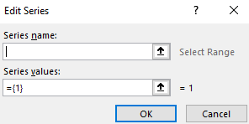

Creating Combination Charts

Monthly Sales per App
Column1 | Actual | Budget
Fightrr | 102 | 112
Kryptis | 119 | 131 |  | Click Entire Chart or click Sales/Budget Column to sell all of one type
Perino | 300 | 330
Hackrr | 89 | 98
WenCaL | 226 | 249

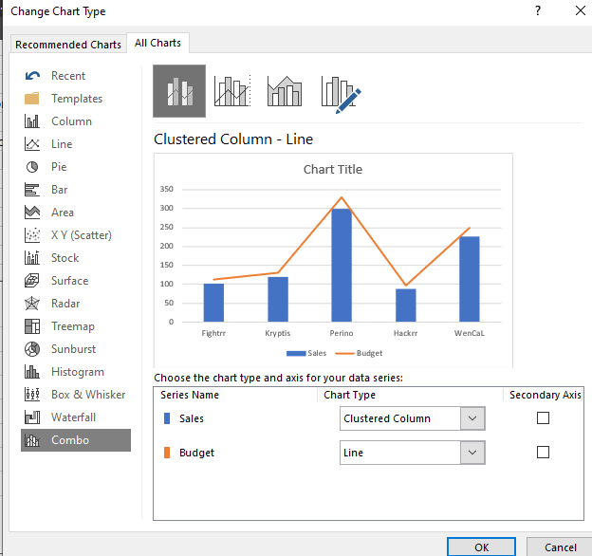

sales Actual Vs. Budget

Stacked Column Chart
Add Total Values to Stacked Columns |  |  |  |  |  |  | https://www.youtube.com/watch?v=YAwraBokizU

 | Personnel at work |  |  |  | Data labels
 | 2014 | 2015 | 2016 | 2017 | X | Y
Europe | 1600 | 1300 | 1000 | 900 | 4.3 | 450
America | 410 | 300 | 500 | 900 | 4.3 | 1350
Asis | 150 | 170 | 200 | 210 | 4.3 | 1905
Total | 2160 | 1770 | 1700 | 2010

Added Totals
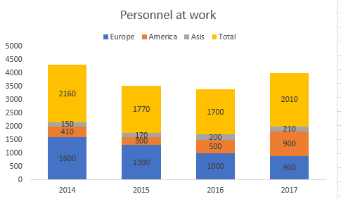

Adding Total created a stack

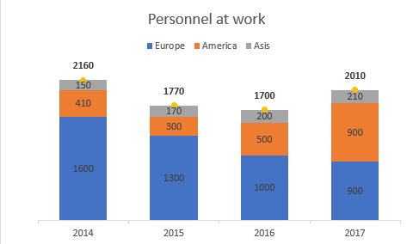

Personnel at work
Add Label for Continent Dynamically in the Chart

Incorrect, try again

Bar Charts Conditoinal Format
Sales Value |  |  | Data Prep
 | Actual | Budget | Difference | Max Condition
Product A | 580 | 600 | -20
Product B | 1360 | 1260 | 100 | 1360
Product C | 950 | 940 | 10
Product D | 150 | 183 | -33
Product E | 1350 | 1300 | 50
 | Actual | Max Condition
Product A | 580 | 0
Product B | 1360 | 1360
Product C | 950 | 0
Product D | 150 | 0
Product E | 1350 | 0
Sales Value

Dynamic Maps
Dynamic Maps |  |  |  |  |  |  | https://www.youtube.com/watch?v=EoKoN1q2cTk
 |  |  |  |  |  |  | https://www.xelplus.com/simple-excel-dynamic-map-chart-with-drop-down/
Division | Region | Revenue |  |  | Insert Scatter Plot
Utility | North America | 44196
Utility | South America | 20898 |  |  | Format > Picture source
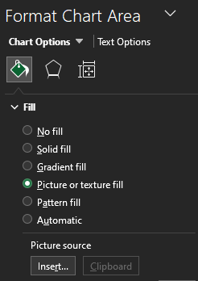
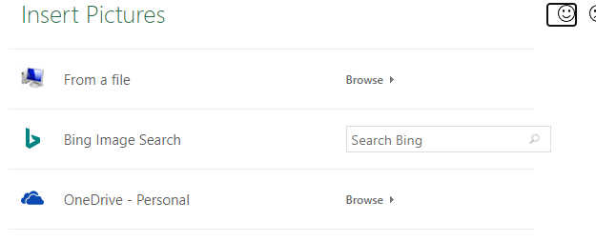
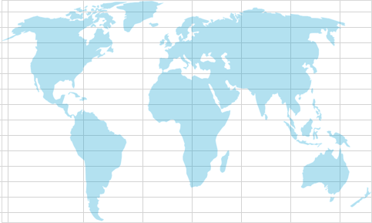
Utility | Asia | 46994
Utility | Europe | 43695
Utility | Australia | 34196
Utility | North America | 34155
Productivity | South America | 24396
Productivity | Asia | 29276
Productivity | Europe | 45540
Productivity | Australia | 29277
Productivity | North America | 44675
Game | South America | 42569
Game | Asia | 43784
Game | Europe | 46336
Game | Australia | 49656


Data Prep |  |  |  |  | Insert Data and Figure out X & Y to match map
X | Y | Region | Revenue | Max Rev | Min Rev
1.3 | 7.2 | North America | $- |  | 0
2.4 | 2.1 | South America | $42,569
7.3 | 7 | Asia | $43,784
5 | 7.8 | Europe | $46,336
9.1 | 1.6 | Australia | $49,656 | 49656

Select Division: |  | Game
Data > Data Tools > Data Validation

Add Revenue to 2nd Table
 | See Formula

Add 2nd Table Revenue To Chart
 | Change Chart Type from Scatter Plot to Bubble Chart

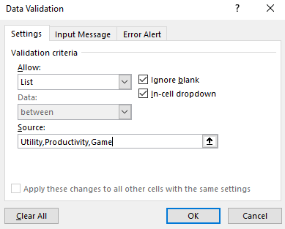

 |  |  |  |  |  | Re-edit
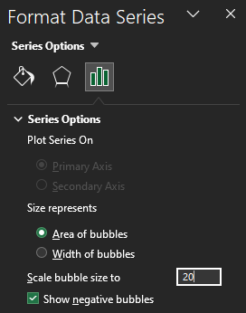
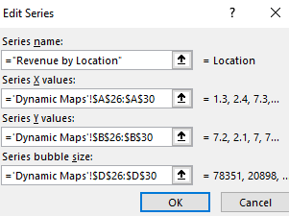

Add Data Labels and change

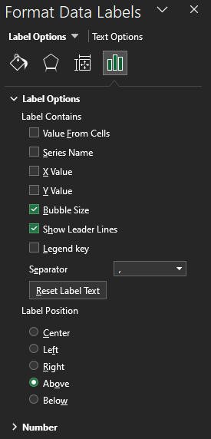

Highlight Maximum Bubble
 | Create Max Rev
 | Select Data

Stacked Area
Month | Seller 1 | Seller 2 | Seller 3 | Total | Insert > Charts > Area > Stacked Area | https://www.youtube.com/watch?v=DepxLXFDNf0
2024-01-01 | 350 | 201 | 486 | 1037
2024-02-01 | 725 | 479 | 870 | 2074
2024-03-01 | 289 | 307 | 15 | 611
2024-04-01 | 616 | 216 | 376 | 1208
2024-05-01 | 610 | 614 | 324 | 1548
2024-06-01 | 242 | 606 | 281 | 1129
2024-07-01 | 378 | 794 | 704 | 1876
2024-08-01 | 663 | 871 | 592 | 2126
2024-09-01 | 9 | 360 | 189 | 558
2024-10-01 | 814 | 238 | 437 | 1489
2024-11-01 | 952 | 704 | 964 | 2620
2024-12-01 | 126 | 238 | 445 | 809
Total | 5774 | 5628 | 5683 | 17085

Conditional Format
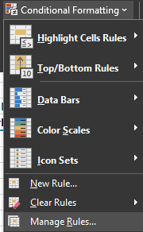
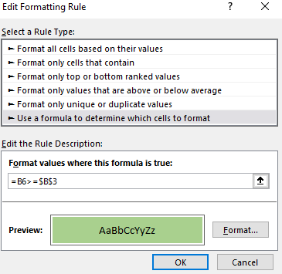
Conditional Formatting with Formula - Get it right every time |  |  | https://www.youtube.com/watch?v=XHT4paRaY4g
Format if salary is equal to or greater than:
 | 80,000
 | Highlight values |  |  | Highlight rows >= 80000
Name | Yearly Salary |  | Name | Yearly Salary | Name | Yearly Salary
Gary Miller | $60,270 | FALSE | Gary Miller | $60,270 | FALSE | FALSE
James Willard | $39,627 | FALSE | James Willard | $39,627 | FALSE | FALSE
Richard Elliot | $18,000 | FALSE | Richard Elliot | $18,000 | FALSE | FALSE
Robert Spear | $93,668 | TRUE | Robert Spear | $93,668 | TRUE | TRUE
Roger Mun | $134,000 | TRUE | Roger Mun | $134,000 | TRUE | TRUE
Paul Garza | $34,808 | FALSE | Paul Garza | $34,808 | FALSE | FALSE
Robert Marquez | $134,468 | TRUE | Robert Marquez | $134,468 | TRUE | TRUE
Natalie Porter | $45,000 | FALSE | Natalie Porter | $45,000 | FALSE | FALSE
Kim West | $89,500 | TRUE | Kim West | $89,500 | TRUE | TRUE
Stevie Bridge | $21,972 | FALSE | Stevie Bridge | $21,972 | FALSE | FALSE
Andre Cooper | $81,000 | TRUE | Andre Cooper | $81,000 | TRUE | TRUE
Crystal Doyle | $185,000 | TRUE | Crystal Doyle | $185,000 | TRUE | TRUE
Robert Musser | $50,545 | FALSE | Robert Musser | $50,545 | FALSE | FALSE
Daniel Garrett | $140,000 | TRUE | Daniel Garrett | $140,000 | TRUE | TRUE
Ann Withers | $100,000 | TRUE | Ann Withers | $100,000 | TRUE | TRUE

Home > Conditional Formatting > New Rule
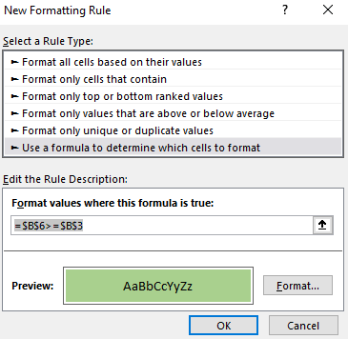

 | Did not work so created C6:C20
 | $B6>=$B$3

 | Manage Rule

GitHub (Create Remote Repo)
Web | Step: Create a Remote Repository
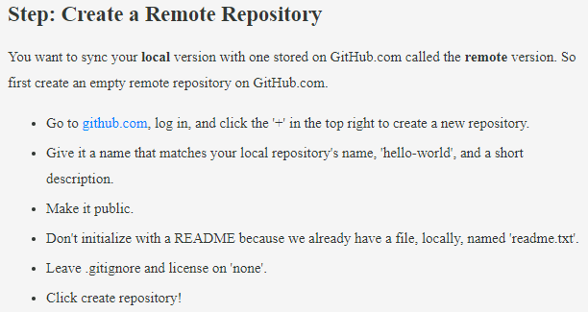

 |  |  |  |  |  |  | http://github.com/

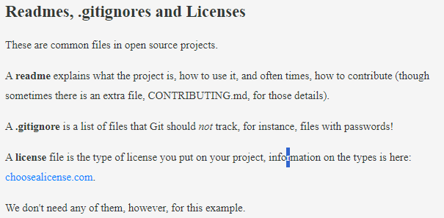

Terminal
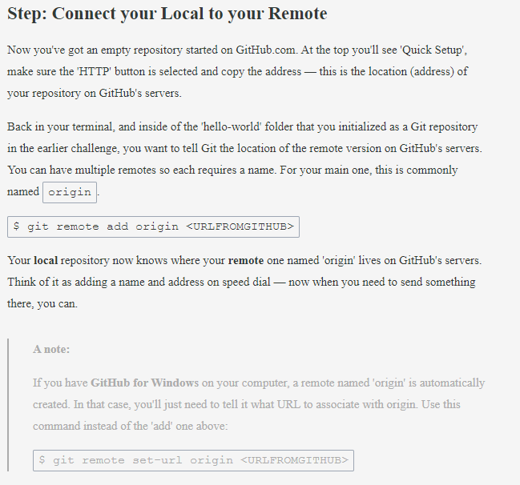

 |  | Step: Connect your Local to your Remote |  |  | (Add remote connections)

 |  |  | git remote add origin <URLFROMGITHUB> |  |  | git remote add <REMOTENAME> <URL>

 |  |  | Set a URL to remote

 |  |  |  | git remote set-url <REMOTENAME> <URL>

 |  |  | View Remote Connections

 |  |  |  | git remote -v

 | Step: Push Work to your Remote

 |  | git push origin master

 |  | View Remote Connections

