airplane-data
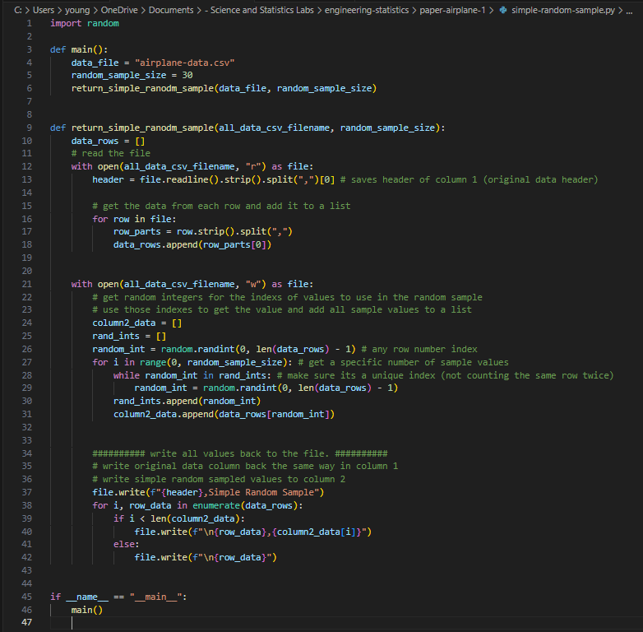
Distance (in) | Simple Random Sample | To collect the simple random sample from the full data, I wrote a short Python program to
64.5 | 51.75 | choose random values from column A and write them back to this file in column B
28.75 | 61.75
51.75 | 55.5
24.25 | 65.25
43.75 | 81
65.25 | 74.75
54.5 | 46.5
55.5 | 45.25
68.75 | 61.75
27.75 | 81
32.5 | 75.75
77.25 | 68.75
81 | 20.75
83 | 82.25
48 | 26.25
73.5 | 91.5
87.5 | 43.75
46.5 | 41.25
91.5 | 27.75
74.75 | 72.25
65 | 38
72.25 | 72.25
62.75 | 18.75
47.25 | 68.5
37 | 57.75
61.75 | 83
86.25 | 24.25
45.25 | 47.25
41.25 | 71.75
85.25 | 81
68.5
26.25
72.25
38
57.75
61.75
18.75
38.75
59.25
32.75
82.25
81
75.75
27.5
20.75
88.5
81
48.75
29.25
71.75

