Sheet1
Component | Description | Link | Qty | Price | Total
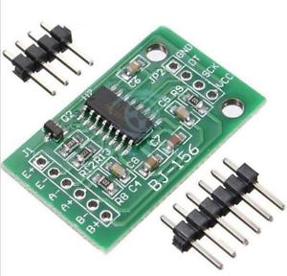 | HX711 Load Cell Amplifier | https://www.ebay.com/itm/Auto-Shieding-Weighing-Sensor-AD-Module-Dual-channel-24-bit-A-D-Conversion-HX711/311923139099?hash=item48a011621b:g:h94AAOSwG0BZdbwW:rk:2:pf:1 | 1 | 0.99 | $0.99
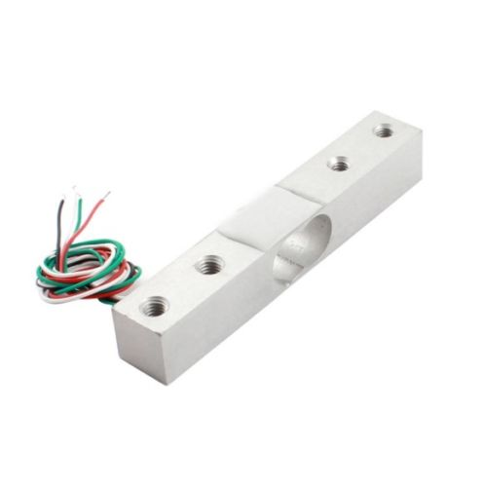 | Load cell (2Kg) | https://www.ebay.com/itm/YZC-133-Mini-Scale-Electronic-Load-Cell-Weighing-Sensor-1-2-3-5-10-50Kg-NEW/172454812349?hash=item28271b9abd:m:mSHT2lL8rLNtxRwVw0GIhEA:rk:3:pf:1&frcectupt=true | 2 | $2.66 | $5.32
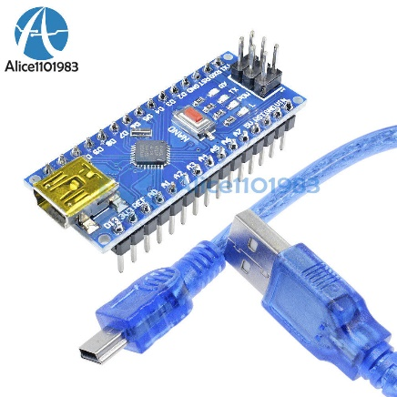 | Arduino Nano | https://www.ebay.com/itm/Mini-USB-Nano-V3-0-ATmega328-16M-5V-Micro-controller-CH340G-board-For-Arduino/201539955347?epid=1077687542&hash=item2eecb7aa93:g:DZYAAOSwGD1cJY6w:rk:6:pf:0 | 1 | $3.45 | $3.45
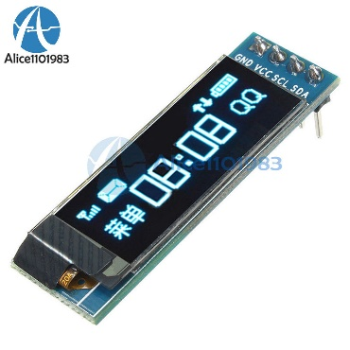 | Oled 128*32 (5v) | https://www.ebay.com/itm/0-91-128x32-IIC-I2C-Blue-OLED-LCD-Display-DIY-Module-DC3-3V-5V-For-PIC-Arduino/401234789687?hash=item5d6b750537:g:JjYAAOSwat5bWunP:rk:2:pf:1&frceupt=true | 1 | $2.59 | $2.59
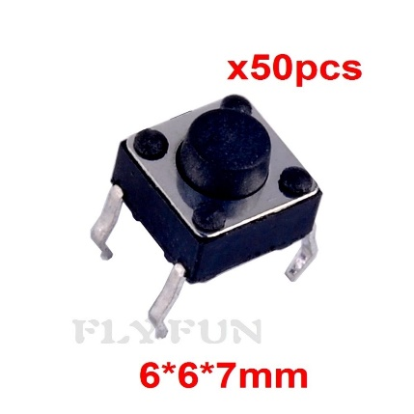 | Push Button | https://www.ebay.com/itm/50pcs-6-6-7mm-Tactile-Push-Button-Switch-4pin-Tact-Switch-4P-DIP-for-Arduino/162212052435?hash=item25c4977dd3:g:8X0AAOSwYIxX4r6b:rk:20:pf:0 | 3 | $1.85 | $5.55
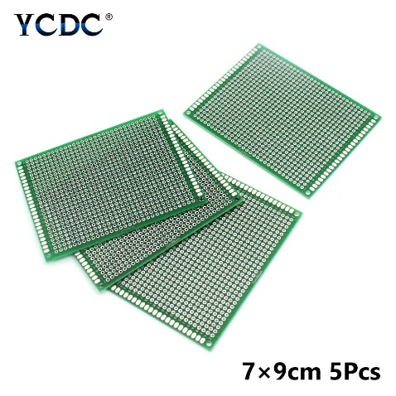 | PCB Board (7*9cm) | https://www.ebay.com/itm/5-10Pcs-PCB-Printed-Circuit-Board-Universal-Proto-Breadboard-For-DIY-Projects-8/163180975902?hash=item25fe58171e:m:mnOF-ydiWzl0veDhoCMSVxQ:rk:19:pf:0 | 1 | $1.19 | $1.19
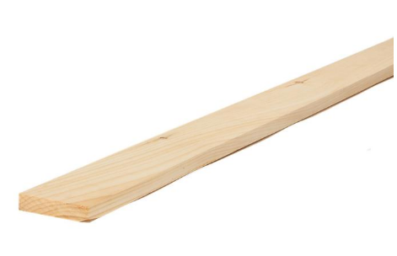 | Pine board 82*7.5*2 cm | Home depot or other | 1 | $5.00 | $5.00
 | Hardware (screws, rubber feet, metal strips, etc.) | Home depot or other | various | $7.50 | $7.50
 |  |  |  | Total | $31.59

