CLEAN DATA
 | Wavelength (nm) | eV | mus' (A𝝀^-B) where B = 0.86 | MieHG lengths | Normalized Miehg Multiplier | mua = c*abs | Abs lengths | Relative Absorption of Carbon Powder | Normalized Absorbance | Normalized Abs length multiplier
 | 899 | 1.38 | 5.33 | 0.0188 | 1.293 | 0.108 | 9.234 | 1.45 | 0.9845 | 1.016
 | 800 | 1.55 | 5.89 | 0.0170 | 1.170 | 0.105 | 9.557 | 1.41 | 0.9512 | 1.051
 | 701 | 1.77 | 6.60 | 0.0151 | 1.044 | 0.109 | 9.175 | 1.46 | 0.9908 | 1.009
 | 667 | 1.86 | 6.89 | 0.0145 | 1.000 | 0.110 | 9.091 | 1.48 | 1.0000 | 1.000
 | 599 | 2.07 | 7.55 | 0.0132 | 0.912 | 0.111 | 9.008 | 1.49 | 1.0092 | 0.991
 | 500 | 2.48 | 8.82 | 0.0113 | 0.781 | 0.111 | 9.007 | 1.49 | 1.0093 | 0.991
 | 400 | 3.10 | 10.69 | 0.0094 | 0.644 | 0.107 | 9.343 | 1.44 | 0.9731 | 1.028


A = mus'/lambda^-0.86
A(mus' = 6.89) | 1848.3352202
A(mus' = 10.89) | 2921.3890491
A(mus' = 20.35) | 4979.3489873

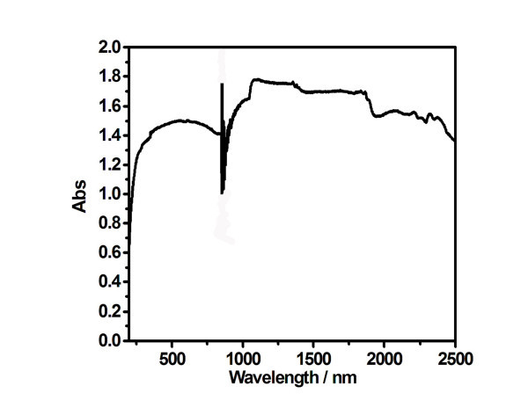

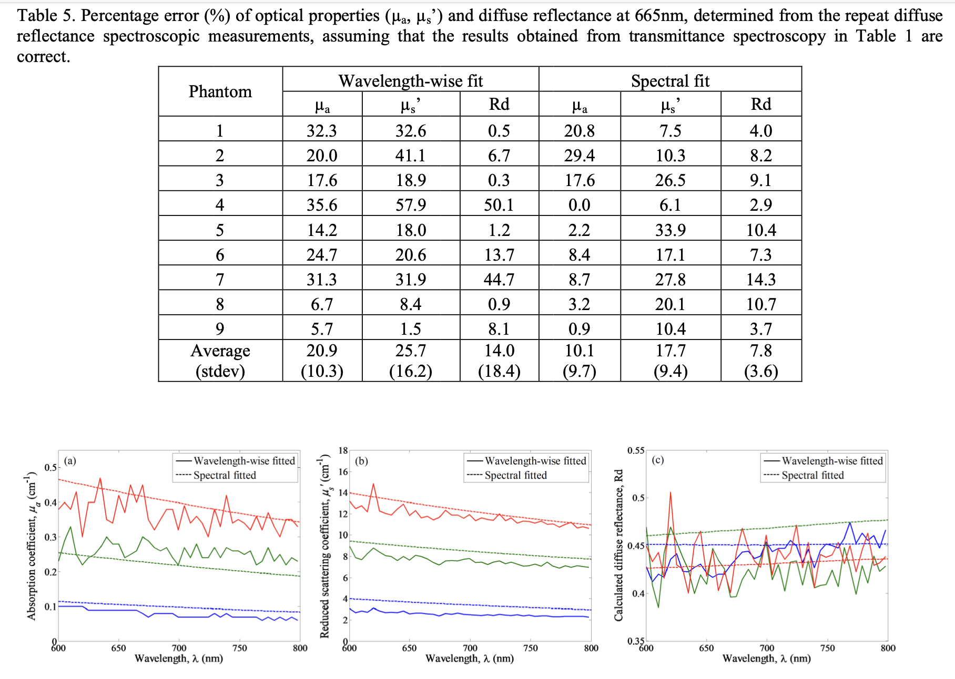

Mu_{s}’ = A𝝀^{-B} where B = -0.86

https://www.ncbi.nlm.nih.gov/pmc/articles/PMC6497391/

 |  |  |  |  |  | https://www.researchgate.net/figure/UV-Vis-NIR-absorption-spectra-of-carbon-black-powder_fig4_51500474

