GVP_cost_chart.csv
Global Virome Project Cost analysis
Based on Anthony et al. 2013. (doi:10.1128/mBio.00598-13). "We estimate this cost to be $1.2 million, including collection and laboratory testing of 7,079 samples. Assuming expenditures to be equal for all host species, the cost of sampling and viral discovery for all mammalian viruses would be approximately $6.3 billion. Accounting for diminishing returns means that discovering 85% of the estimated diversity would be disproportionately cheaper at approximately $1.4 billion." Samples tested and % of samples tested calculations derived using Chao estimation interpol iNEXT rarefaction curves - pteropus_g_virome_7079_knots.csv.

samples_tested | % of samples tested | viruses_found | virome_percent | SC | Lower_CI | Upper_CI | method | Cost | Total costs (all mammals) | Total cost (mammals + 871 waterbirds + 50 domestics) - in billions | Cost/Sample | Percent of total costs
358 | 0.050572114705 | 28.986 | 0.5 | 0.936 | 26.121 | 31.85 | interpolated | $60,686.54 | $321,092,470.69 | $0.38Billion | 169.51546829 | 5%
1051 | 0.14846729764 | 43.464 | 0.75 | 0.976 | 38.139 | 48.79 | interpolated | $178,160.76 | $942,648,566.18 | $1.11Billion | $169.52 | 15%
1607 | 0.22700946461 | 49.261 | 0.85 | 0.985 | 42.044 | 56.478 | extrapolated | $272,411.36 | $1,441,328,492.72 | $1.69Billion | $169.52 | 23%
2048 | 0.28930639921 | 52.161 | 0.9 | 0.99 | 43.301 | 61.022 | extrapolated | $347,167.68 | $1,836,864,189.86 | $2.16Billion | $169.52 | 29%
2800 | 0.39553609267 | 55.062 | 0.95 | 0.995 | 43.569 | 66.555 | extrapolated | $474,643.31 | $2,511,337,759.57 | $2.95Billion | $169.52 | 40%
3539 | 0.49992936855 | 56.501 | 0.974 | 0.998 | 42.895 | 70.107 | extrapolated | $599,915.24 | $3,174,151,546.83 | $3.73Billion | $169.52 | 50%
4514 | 0.63766068654 | 57.379 | 0.99 | 0.999 | 41.693 | 73.065 | extrapolated | $765,192.82 | $4,048,635,230.96 | $4.75Billion | $169.52 | 64%
6642 | 0.93826811697 | 57.901 | 0.999 | 1 | 39.531 | 76.271 | extrapolated | $1,125,921.74 | $5,957,251,928.24 | $6.99Billion | $169.52 | 94%
7079 | 1 |  | 1 |  |  |  |  | $1,200,000.00 | $6,349,200,000.00 | $7.45Billion | $169.52 | 100%

Total GVP costs vs. percentage of the targeted global virome discovered

Viral discovery curve
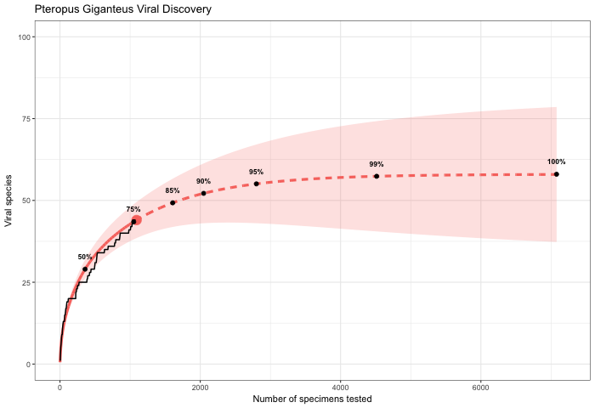
Recreated from Anthony et al. 2013

