INTRO
CoVDP funding request tracking

Last update: | 2022-04-21 | << To update

Scope: | Requests discussed received by CoVDP - Discussed during CoVDP Tuesday Funding Alignment call
Sources: | Tracker updated based on CoVDP Tuesday Funding Alignment calls and email threads
Detailed CoVDP Funding process available here: | https://worldhealthorg.sharepoint.com/:p:/r/sites/COVID19VaccineDeliveryFacility/Shared%20Documents/General/02%20Workstreams/02%20Delivery%20Funding/5.%20CoVDP%20Funding%20process%20%26%20tracking/1.%20SOP%20and%20templates/20220311%20-%20CoVDP%20Funding%20process%20-%20Focus%20on%20Tuesday%20call%20ToRs%20v6.pptx?d=w27f4a7a5efc24add8f9362f9a2423ae2&csf=1&web=1&e=CJUIVy
Type of output expected:
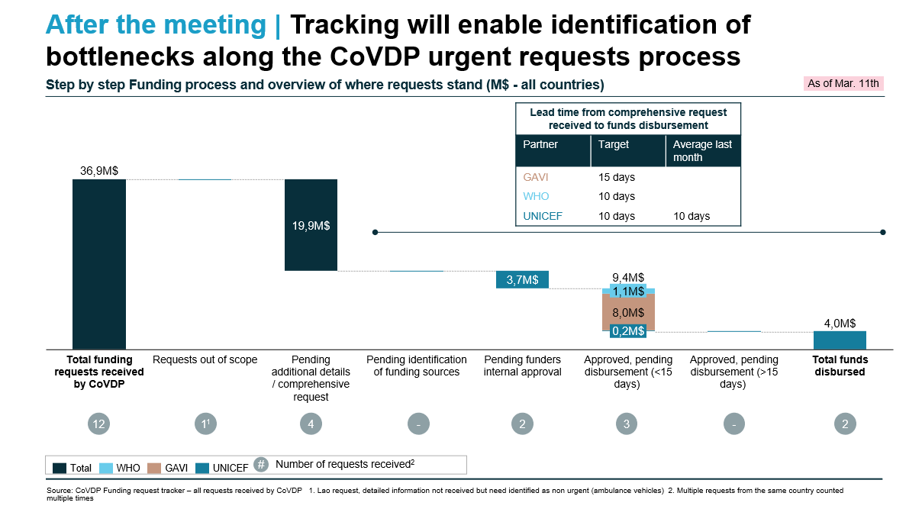

Definitions:
Total funding requests received | Total Funding requests received by CoVDP, including requests not yet assessed / discussed with funders (urgent and standard requests)
Pending additional details and/or formal request | Informal funding requests received, missing detailed information to inform decision making. Desk Officer and/or SCM responsible for collecting missing data
Pending identification of funding sources | Formal funding request received / detailed information collected. Request to be discussed during Tuesday Funding Alignment calls with funders to identify sources of funding and agree on next steps
Pending partners internal approval | Sources of funding identified and total amount to be funded confirmed, internal processes ongoing to approve the disbursement of funds
Approved pending disbursement | Request approved by funders, pending disbursement of funds to CO, government or in-country partners, depending on countries / organizations / agreement in place
Funds disbursed | Funds disbursed to CO or government or in-country partners, depending on countries / organizations / agreement in place - At this stage, there is no confirmation of the utilization of the funds in country
Out of CoVDP scope | Funding request received by CoVDP and identified as non-urgent / non-relevant for CoVDP, by funders. To be managed through other standard processes (e.g., CDS application, HAC standard process)

Instructions:

Description of tabs | Column1 | Column2 | Column3 | Column4 | Column5 | Column6 | Column7 | Column8 | Column9 | Column10 | Column11 | Column12 | Column13 | Column14 | Column15 | Column16 | Column17 | Column18 | Column19
Utilities | To be updated only when required (e.g., new funders included in the process) | List of options used in the Funding tracker to complete some information
Overview | Automatic update based on Funding tracker tab | Overview of status of funding requests (urgent and standard requests), through different lenses + KPIs (i.e., lead time, TA support)
Funding tracker | Manual update required on a daily basis | List of funding requests received by CoVDP Funding team, with details on the request, tracking of the request within the CoVDP Funding process (incl. Tracking of dates), tracking of next steps. Grey column automatically updated. Other columns to be updated/completed manually
Requests involving WHO | Extract from Funding tracker - for WHO visibility | Extract from Funding tracker - for WHO visibility
Other actions identified | Manual update required on a daily basis | Other topics discussed during the Tuesday Funding Alignment call - Not requiring disbursement of funds (e.g., Political advocacy required to accelerate signature of documents related to Funding)
Sources | To be updated only when required (e.g., change in SCMs and/or DOs list) | List of SCMs and DOs for the 92 AMC countries

