Overview
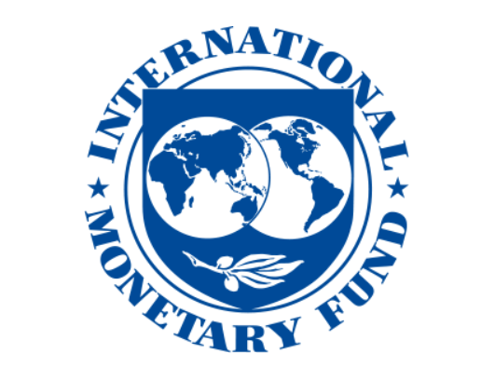

Overview
The IMF-WHO COVID-19 Vaccine Supply Forecast Dashboard estimates expected monthly vaccine supply until mid-2022 by country, product and channel. Supply is defined as delivered doses, not administered doses. This tracker forecasts the delivery schedules of secured vaccine supply from bilateral deals, COVAX, and AVAT (excluding optional and unsigned contracts), and will be updated as new deals are signed.
For additional information or inquiries, please contact vaccinetracker@imf.org.

Sources: IMF-WHO COVID-19 Vaccine Supply Tracker, UNICEF COVID-19 Vaccine Market Dashboard, and IMF staff calculations.

Disclaimer
The IMF and WHO accept no responsibility whatsoever for any inaccurate or incomplete information or data that may be included in this database, and expressly disclaims any liability for damages as a result of its use. The responsibility for the interpretation and use of the content lies with the user. The IMF and WHO assume no responsibility or liability for any consequence resulting directly or indirectly from any action or inaction users take based on or made in reliance on the information and data available in this database. The designations employed and the presentation of the material in this IMF-WHO COVID-19 Vaccine Supply Tracker follow exclusively the institutional style and practice of the IMF, may be at variance with those used by WHO and do not imply the expression of any opinion whatsoever on the part of WHO concerning the legal status of any country, territory, city or area or of its authorities, or concerning the delimitation of its frontiers or boundaries. Dotted and dashed lines on maps represent approximate border lines for which there may not yet be full agreement.

