Data Disclaimer
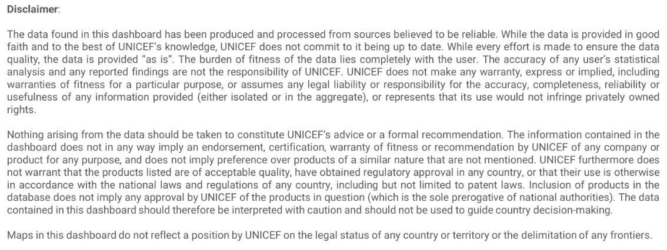


This data was extracted from UNICEF's COVID-19 Vaccine Market Dashboard on 21.07.2022 at 9:30 hrs, Copenhagen time.

If data is to be used in an article or research paper, we expect UNICEF to be adequately credited for the data and that the source be referred to as the “UNICEF COVID-19 Vaccine Market Dashboard" <<with link to https://www.unicef.org/supply/covid-19-vaccine-market-dashboard>>.
Since the data is updated regularly, it is further necessary to acknowledge the date of the data extraction. Lastly, the same disclaimer found in the dashboard (see below) applies for the data we are hereby providing.
To see the dataset's underlaying assumptions, please navigate to the "Dashboard assumptions" window in the dashboard.

For questions and comments, kindly contact:
market.influencing@unicef.org
Markets and Supplier Financing Centre
UNICEF Supply Division

