Ch2problems
ENS 495 Fall 2016
Problem set: Chapters 2
Name: _____________________________________________________
Discussion among students is encouraged but all answers must be written in your own words. Points will be deducted if you answers are identical to other students.

Chapter 2: Displaying Data
Ch 2 | a) | What is the mode?:
 | b)
#20 | d) | Name of frequency distribution:
 | new | Estimate the median:
 | new | Describe how you estimated the median:
 | new | 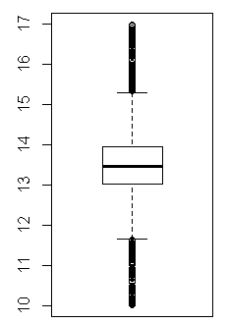 Is the data shown in the boxplot to the right likely represent this data? Why or why not?

Ch 2 | a) | Principal 1:
#30 |  | Principal 2:
 | b) | 1)
 |  | 2)
Name: ___________________________________________________________
 | c) | Redraw the graph by hand; doesn't have to be too pretty

Ch 2 | a
#34 | b | a / b / c / d / e
 | c | a / b / c / d / e
 | d | a / b / c / d / e
 | e | a / b / c / d / e
 | f | a / b / c / d / e
 | g | a / b / c / d / e

Ch 2 | a)
#36 | b) | Association: Yes / No Explain: | Some students interpreted "associated" as referring to "as non-swearing and swearing similar" That is, comparing nonswearing to swearting w/o reference to latency.
 | c)
 | d) | 1) 2)

