工作表5
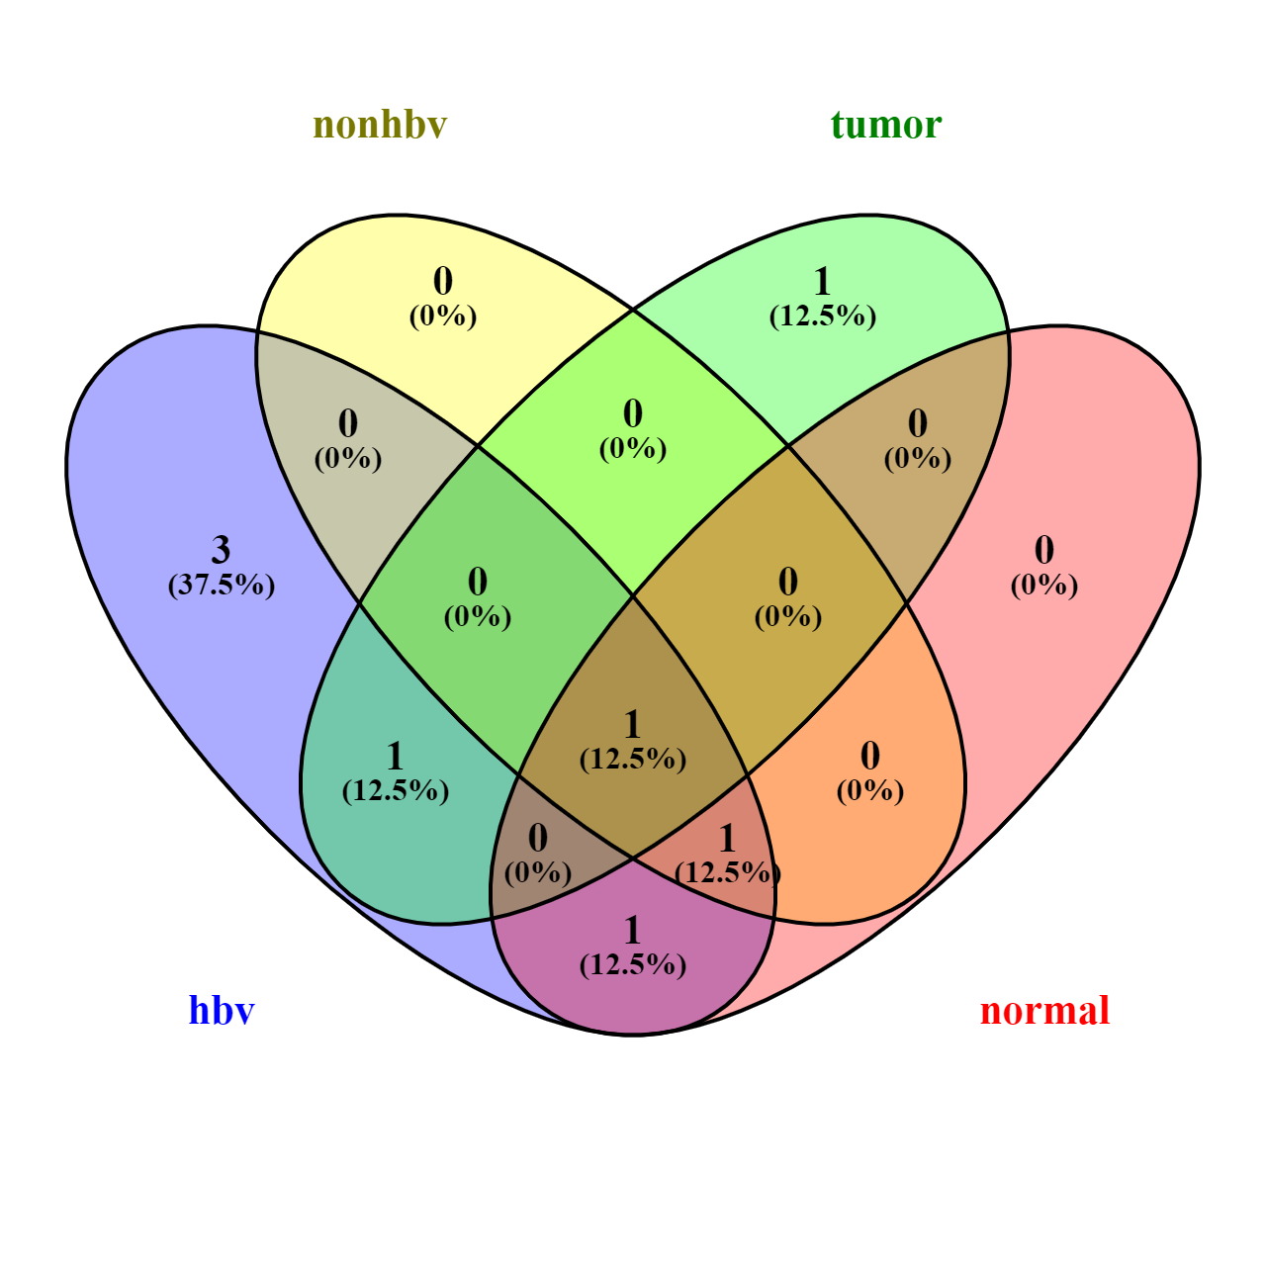
3 elements included exclusively in "hbv":
negative regulation of innate immune response
positive regulation of interferon-beta production
receptor signaling pathway via JAK-STAT

1 element included exclusively in "tumor":
response to interferon-beta

1 common element in "hbv" and "tumor":
interleukin-27-mediated signaling pathway

1 common element in "hbv" and "normal":
myeloid leukocyte differentiation

1 common element in "hbv", "nonhbv" and "normal":
cellular response to interferon-gamma

1 common element in "hbv", "nonhbv", "tumor" and "normal":
cellular response to cytokine stimulus

