工作表5
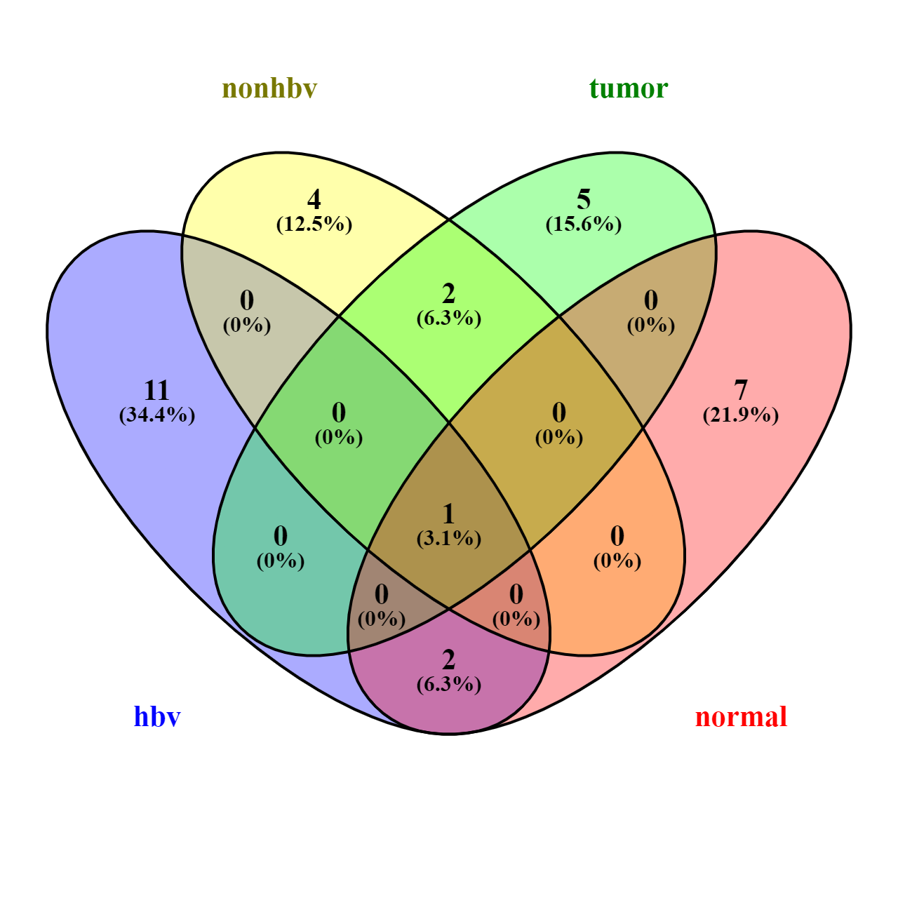
11 elements included exclusively in "hbv":
cellular response to interleukin-15
positive regulation of cytokine-mediated signaling pathway
regulation of protein phosphorylation
regulation of T cell activation
mitochondrial respiratory chain complex I assembly
interleukin-15-mediated signaling pathway
antigen processing and presentation of endogenous peptide antigen via MHC class I via ER pathway
regulation of proteolysis
antigen processing and presentation of endogenous peptide antigen via MHC class I via ER pathway, TAP-independent
response to interleukin-15
NADH dehydrogenase complex assembly

4 elements included exclusively in "nonhbv":
negative regulation of G protein-coupled receptor signaling pathway
regulation of ERK1 and ERK2 cascade
ERK1 and ERK2 cascade
cellular response to interferon-gamma

5 elements included exclusively in "tumor":
purine-containing compound biosynthetic process
negative regulation of extrinsic apoptotic signaling pathway via death domain receptors
nucleotide biosynthetic process
regulation of extrinsic apoptotic signaling pathway via death domain receptors
oxidative phosphorylation

7 elements included exclusively in "normal":
peptidyl-tyrosine modification
regulation of T cell proliferation
positive regulation of lymphocyte activation
T cell proliferation
MHC protein complex assembly
peptidyl-tyrosine phosphorylation
positive regulation of mononuclear cell migration

2 common elements in "hbv" and "normal":
regulation of lymphocyte proliferation
regulation of mononuclear cell proliferation

2 common elements in "nonhbv" and "tumor":
plasminogen activation
zymogen activation

1 common element in "hbv", "nonhbv", "tumor" and "normal":
cellular response to cytokine stimulus

