SERVIÇOS
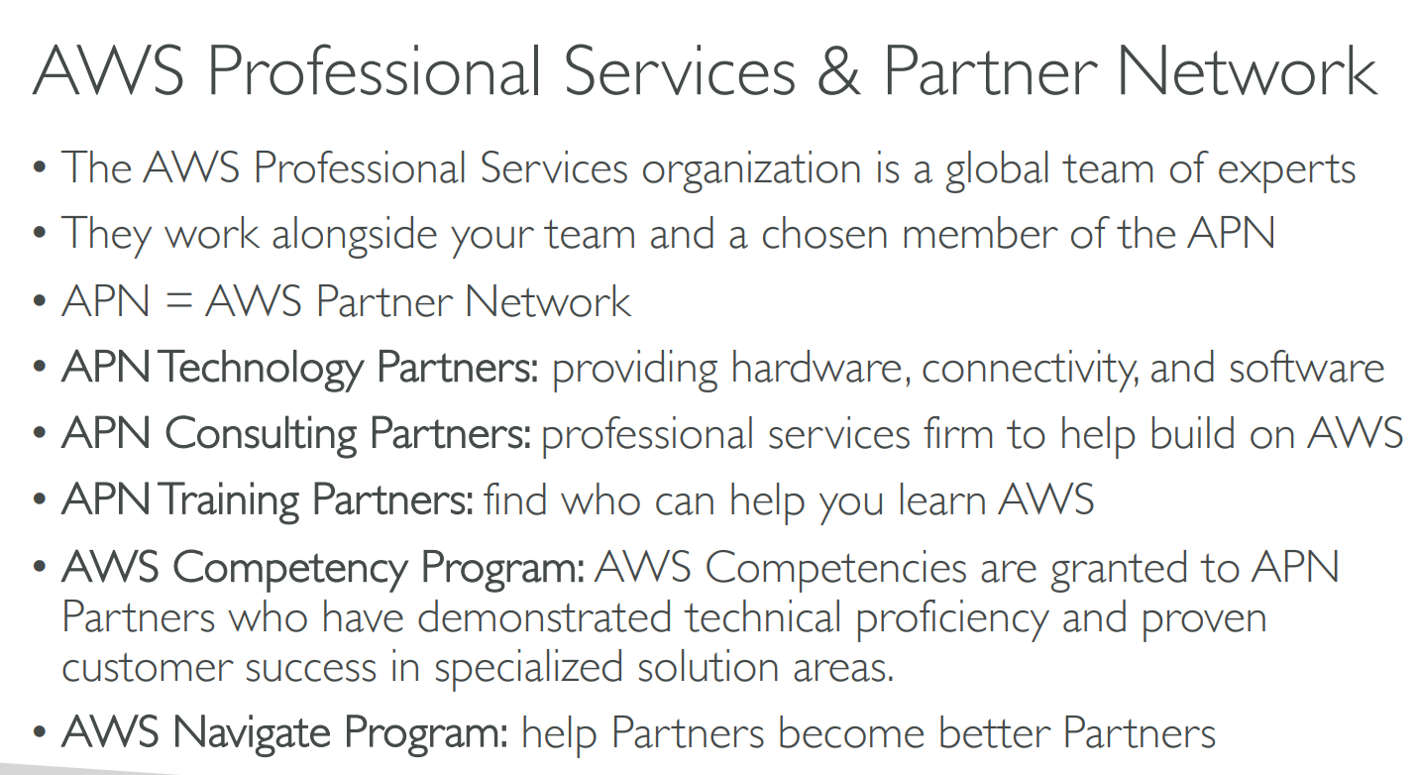
GENERAL CONCEPTS
Topics | on-premisses (local server)
 | The main cost-related pricing you might receive are: Compute, Storage and Outbound data transfers
 | Elastic Beanstalk, CloudFormation and Autoscaling group are free services
 | Global services: IAM, ROUTE 53, CLOUD FRONT, WAF, STS, S3

IAM
Topics | IAM Policies
 | IAM Groups
 | IAM Roles
 | DENY overrides ALLOW
 | Principle of least privilege
 | Security Tools - Access Advisor(audit services accessed and review granted permissions) | Credential Report(csv)
 | Access analyzer (identify which resources are shared externally)
 | Global service to IAM
 | MFA - protect your Root Accounts and IAM users
 | Shared Responsibility Model for IAM

EC2
Topics | Scaling | EC2 USER DATA - BOOTSRAP
 | Instance types | General purpose (compute, memory, network)
 |  | Compute optimized (processors)
 |  | Memory optimized (process large data)
 |  | Storage optimized (access to large data)
 | Billing options | On-demand - pay per second / there is no interruptions and long term to payment
 |  | Reserved instances (specific PC specification / long term / there is no interruptions). Up to 75% discount.
 |  |  | Compute Savings Plans
 |  | Savings plans - 1 & 3 years (commitment on usage, regardless of PC specs). Up to 72% discount. | EC2 Instance Savings Plans (commit to family and region)
 |  |  | Standard RI
 |  | Spot instances. Up to 90% discount. "lose" at any time | Convertible RI - change instance type
 |  | Dedicated hosts. book an entire pyshical server. Prices are equal to on-deman. Reservations are up to 70%. Savings are up to 72%. - LICENSES ARE AVAILBLE (BYOL – Bring Your Own License) - ORACLE
 |  | Capacity reservation - No time commitment (create/cancel anytime), no billing discounts
 |  | Reserved Instance x Savings Plans
 |  | Which purchasing option is right for me? (slide 88)
 | Instance storage | EBS Volumes (below)
 |  | AMI (customize an EC2 instance)
 |  | EC2 Image Builder (automate creation of AMI)
 |  | EC2 Instance store (high-performance hardware disk / ephemeral(they’re stopped)
 |  | Shared Responsibility Model for EC2 (slide 90)
 |  | Shared Responsibility Model for EC2 Storage (107)

EFS/FSx
 | EFS (shared folder)
 | EFS-IA (60 days not accessed)
Topics | Amazon FXs(windows file server | Lustre - HPC)
 | Multi-service available
 | Regional-level service
 | Highly scalable, more expensive than EBS
 | EFS x EBS
 | Can be accessed from multiple regions, VPC and Azs

Elastic Blockstore EBS
 | EBS Volumes (archiver is 75% more cheaper)
 | Snapshots (Incremental backup, like Git repositories. Only what changed is backed up)
 | EC2 use only
 | Locked in the AZ
 | Availability-zone level resource
 | Need to be in the same AZ as EC2
 | Snapshots stored on S3
 | Can only be attached to one instance

ELB
 | Application Load Balancer - (HTTP/HTTPS) - static DNS - layer 7
 | Network Load Balancer - (TCP/UDP) - high performance - static IP - layer 4
 | Gateway Load Balancer - GENEVE protocol - rout traffic to firewall - detect intrusion - layer 3

ASG
 | Vertical Scalability (instance size) x Horizontal Scalability (instance number) x High Availability (at least 3 AZ to avoid disaster)
 | High Availability x Scalability x Elasticity (scale up/down on demand) x Agility
 | Auto scaling group (implement elasticity)
Topics | Scale out (add instances) x Scale in (remove instances)
 | Scale up (add more CPU performance) x Scale down (downgrade CPU performance)
 | Min, max and desired number of instances
 | Dynamic scaling (simple / step | target tracking(cloud watch) | schedule)
 | Predictive scaling (machine learning to predict the future)
 | Auto scaling templates on AWS site

S3
Topics | Unique names globally (all regions all accounts)
 | Buckets are created at region level
 | Static objects
 | 5TB per object
 | Objects, metadata, tags, versionID
 | Enable client-side encryption using AWS encryption SDK
 | Cross-Account
 | Hosting a static a website
 | Versioning (bucket level) - best practice to unitended deletes - same files will be overwriting
 | Replication - must enable versioning in source/destination buckets | CRR - SRR
 | Storage classes
 | S3 Standard - General purpose. Min 3 Azs
 | S3 Standard-IA. Min 3 Azs
 | S3 One-Zone-IA (Data stored in only one AZ)
 | S3 Glacier Instant Retrieval. Min 3 Azs | ANOTAR TEMPOS ENTRE CADA STORAGE CLASSES
 | S3 Glacier Flexible Retrieval. Min 3 Azs
 | S3 Glacier Deep Archive. Min 3 Azs
 | S3 Inteligent tiering
 | S3 Encryption by default
 | Shared Responsibility Model for S3
 | S3 Lifecycle management (after X time, file goes to storage class Y)
 | S3 Outposts
 | Object Lock
 | Q37 – Only S3 Standard and Intelligent tiering don’t charge data retrival
 | EBS Snapshots are stored here

Storage gateway
Topics | Hybrid storage service to allow on- premises to seamlessly use the AWS Cloud
 | Data is encrypted by default
 | Tape gateway | no need to know at the exam
 | Volume gateway
 | File gateway

Snowfamily
Topics | Helps on data migration to AWS
 | SnowCone - TB (8 TB HD / 14 TB SSD) - Up to 24 TB online and offline - DataSync pre installed
 | SnowBall - TB - (80 TB)
 | SnowMobile - (100 petabytes) - Up to exabytes offline
 | IoT with SnowCone
 | OpsHub - UI to manage Snowcone/Snowball devices
 | Snow Family - usage process
 | Snowcone and Snowball can be used for edge computing (compute optimized | storage optimized)

RDS
Topics | Lift-and-shift migration
 | OLTP
 | Read replicas (SCALABILITY and PERFORMANCE) - create to up 15 replicas - async
 | Multi-AZ deployment with automatic failover (DISASTER RECOVERY and AVAILABILITY) - sync
 | Multi-Region deployment (DISASTER RECOVERY) - replication cost

Aurora
Topics | Aurora advantages
 | PostgreSQL and MySQL are supported
 | Aurora cost 20% more than RDS - but it is more efficient
 | Serverless available
 | AWS Patches everything

ElastiCache
Topics | For Redis or Memcached (Cached DBs) - IN MEMORY DB

DynamoDB
Topics | Replication in 3 AZs
 | Serverless
 | Low-latency retrieval
 | Standard & Infrequent Access (IA) Table Class
 | Key-value
 | Scalable
 | DAX (in memory cache query accelerator) - 10x more performance
 | DAX is only used for and is integrated with DynamoDB, while ElastiCache can be used for other databases
 | Global tables (replication to diff regions) - active/active replication read/write - low latency
 | Database size scales automatically

Redshift
Topics | OLAP - Data warehousing
 | Can query S3 data
 | PostgreSQL based - not used for OLTP
 | Columnar storage of data

Elastic Map Reduce (EMR)
Topics | Allow us to choose our Big Data framework (Apache Spark, for example) - HADOOP CLUSTERS
 | Auto scalling and integrated with spot instances
 | Use cases: data processing, machine learning, web indexing, big data…

Athena
Topics | analyze data in S3 using serverless SQL, use Athena
 | Can also query from other services (CloudWatch logs, DynamoDB, etc)
 | Pricing: $5.00 per TB of data scanned

Quicksight
Topics | BI Service
 | Creation of dashboards
 | Integrated with RDS, Aurora, Athena, Redshift, S3…

DocumentDB
Topics | Support MongoDB - DocumentDB is the same for MongoDB
 | Fully Managed, highly available with replication across 3 AZ
 | grows in increments of 10GB, up to 64 TB

Neptune
Topics | Graph Database
 | It is NoSQL database
 | Highly available across 3 AZ, with up to 15 read replicas
 | Great for knowledge graphs (Wikipedia), fraud detection, recommendation engines, social networking

Quantum Ledger Database - QLDB
Topics | Like blockchain
 | recording financial transactions - review history of all the changes made to your application data
 | Immutable
 | Cryptographic-verifiable transaction log

Amazon managed blockchain
Topics | frameworks Hyperledger Fabric & Ethereum - decentralized
 | execute transactions without the need for a trusted, central authority

Glue
Topics | ETL service for data (extract, transform and load)
 | Crawls, processes and parses raw data
 | Prepares data
 | Fully serverless
 | Glue data catalog

DMS - data migration service
Topics | Database migration service
 | Migration tasks
 | Test migrations
 | Database consolidation
 | Continuous database replication
 | Homogenous migration - ex: oracle to oracle
 | Heterogenous migration - ex: Microsoft SQL Server to Aurora

ECS - ELASTIC CONTAINER SERVICE
 | Run EC2 instances into ECS - Using ALB
Topics | Task definition
 | Services

FARGATE
 | Don't provision any infra (no EC2 to manage)
 | Serverless offering
Topics | Limited to ECS and EKS

ECR - ELASTIC CONTAINER REGISTRY
Topics | Store docker images

Lambda
Topics | Lambda function - Event driven
 | Scaling is automated
 | Serverless
 | Lambda container image - Lambda Runtime API
 | CloudWatch monitoring
 | Trigger events
 | Step functions - visual workflow
 | Pay for number of calls
 | Pay for time function takes to execute

API Gateway
Topics | API's Rest without code
 | Serverless and scalable

Batch
Topics | AWS service to run batch jobs
 | There are a start and endate to finish
 | dynamically launch EC2 instances or Spot Instances

Lightsail
Topics | with little cloud experience
 | use cases: simple web apps, website, dev/test env
 | high availability but NO auto-scaling
 | Blueprint
 | Monthly billing

CloudFormation
Topics | Control over deployed infrastructure - like Terraform
 | Infrastructure as code (IaC)
 | CloudFormation template

CDK - CLOUD DEVELOPMENT KIT
Topics | Define the cloud infra using a programming language - like RabbitMQ
 | CDK vs SDK - SDK's are code libs, while CDK are IaC resources, used to deploy infrastructure onto AWS

Elastic Beanstalk
Topics | Less control than CloudFormation
 | Simply deploy applications and EC2, Auto-scaling and LB will be provided
 | Elastic Beanstalk itself is free, but you pay for the resources it leverages
 | Platform as a Service (PaaS)

CodeDeploy
Topics | Deploys codes to selected AWS service (EC2, ECS, Lambda)
 | v1 to v2

CodeCommit
Topics | AWS's github-like repository

CodeBuild
Topics | Build and test applications

CodePipeline
Topics | CI/CD tool that can integrate CodeCommit, CodeBuild and CodeDeploy.
 | Defines steps to deliver an application

CodeArtifact
Topics | Stores code "packages" or libs publicly or privately

CodeStar
Topics | Simplified CodePipeline
 | Unified UI

Cloud9
Topics | AWS's browser-based IDE

SSM - Systems manager
Topics | Used to manage fleets of servers (EC2s or local)
 | run commands, patch & configure our servers
 | Parameter Store
 | AppConfig
 | Update many instances with one command

SSM - Session Manager
 | patch, configure and run commands at scale
Topics | No SSH access, bastion hosts, or SSH keys
 | No port 22 needed (better security)

OpsWorks
Topics | Used to automate the infrastructure with Chef and Puppet

Route 53
Topics | DNS records (forwarding of requests)
 | Simple Routing Policy
 | Weighted routing policy
 | Latency routing policy
 | Failover routing policy
 | Geolocation routing policy
 | Geoproximity routing policy
 | Multivalue answer routing policy
 | Hosted zone (configurations for domains)
 | Domain Registration, DNS, Health Checks, Routing Policy

CloudFront |  | REVISAR SEÇÃO
Topics | CDN - content delivery network
 | Usage of edge locations
 | Cacheing
 | DDos protection | WAF and Shield for web attacks
 | Global Service
 | CloudFront - Great for static content
 | S3 Cross Region Replication - Great for dynamic content

S3 Transfer Acceleration
Topics | Improves data transfer speed through edge network

Global Accelerator
Topics | Improves user-traffic performance. Good for non-http scenarios, as it uses TCP/IP. Fixed ip so apps can point to it and reach aws services faster;

Outposts
Topics | Physical server delivered by AWS to acess the cloud on-premises

WaveLength Zones
Topics | AWS Services into 5G networks. Very low latency. Limited set of services available.

Local Zones
Topics | Smaller AWS Region close to big metropolitan areas. Achieves very low latency.

Global applications
Topics | Single region / Single AZ | Single region / Multi AZ
 | Multi region / Active-Passive| Multi region / Active-Active

SQS - simple queue service
Topics | Sync or async? ASYNC!!!
 | Decouple applications

Kinesis
Topics | Forward high rates of data to other services without overwhelming them
 | Kinesis data streams
 | Kinesis firehose
 | Kinesis data analytics
 | Kinesis video streams

SNS - simple notification service
Topics | SNS Topic
 | Can be used with CloudWatch, Email, SQS, Lambda..
 | Sync or async? SYNC!!!

Amazon MQ
Topics | We can use Amazon MQ to migrate existing broker systems to AWS - RabbitMQ / ActiveMQ

CloudWatch Alarms
Topics | CloudWatch Alarms
 | CloudWatch Dashboard
 | Metrics Forwarding to S3 or other services
 | Integration with SNS

CloudWatch Logs
Topics | real-time monitoring logs
 | CloudWatch Agent with EC2

CloudWatch Events - EventBridge
Topics | Listens to events and triggers/schedule actions
 | Synchronous
 | Schema Registry

Cloudtrail
Topics | Logging all account actions
 | Cloudtrail Insights for unusual activities
 | Logs API calls
 | Management events logs are logged by default (T6Q27 for these explanations)

X-Ray
 | debug in production
Topics | Visualize traffic across multiple services and applications on AWS

CodeGuru
 | like Sonar
Topics | Reviews code/bugs and offers improvements by machine learning

AWS Health Dashboard - your account / service history
 | Shows all regions, all services health - service history
Topics | Check your services health - your account

VPC - virtual private cloud
Topics | IPv4(private) / IPv6(public)
 | Elastic IP - allows to attach a fixed public IPv4 address to EC2. Won't change the IP if restarted the instance.
 | Subnet - partition your network inside your VPC
 | Route tables - access internet between subnets
 | Internets Gateway - helps your VPC to connect with the internet
 | NAT Gateways/Instances - allows private Subnets to connect with the internet
 | NACL - firewall to control traffic in subnet / ALLOW or DENY rules
 | Security groups - firewall to control traffic in ENI/EC2 / ALLOW rules
 | VPC Flow log - Monitor everything that happens inside of a VPC
 | VPC Peering - Used to connect 2 VPCs
 | VPC Endpoints - AWS PrivateLink uses VPC endpoints to establish a connection between a VPC and other AWS services without internet
 | AWS Privatelink - Used to connect VPCs to AWS Services without establishing an internet connection with Internet Gateways os NAT Gateways
 | Site-to-site - Connect an on-premises VPN to AWS / public internet On-premises: customer gateway AWS: private virtual gateway
 | Direct connect(DX) - Establish a physical connection between on-premises and AWS / private network
 | Client VPN - connect the PC in a private network
 | Transit Gateways - Used to connect more than 2 VPCs

Security and Compliance
Topics | Security of the Cloud | Security in the Cloud | shared controls

DDOS (distributed denial of service)
Topics | Shield, WAF and CloudFront with Route53

Shield
Topics | Shield Standard is enabled for every customer
 | Shield Advanced supported services are EC2, ELB, CloudFront, Route 53 and Global Accelerator
 | 24/7 access to AWS DDoS

WAF (Web application firewall)
Topics | Inspects HTTP(S) traffic and blocks if based on its content - Layer 7
 | Defines rules to block traffic
 | Helps with SQL Injection, DDOS and cross-site scripting
 | Protect your entire VPC

Penetration testing on AWS
Topics | Customers can invade own infra without approval for 8 services

Data at rest x intransit
Topics | REST = data stored/archived
 | TRANSIT = data moved from one location to another

AWS KMS - key management service
Topics | manages the software for encryption
 | multi-tenancy

AWS CloudHSM
Topics | provisions hardware encryption
 | DOESN’T USE multi-tenancy

AWS CMK
Topics | customer managed CMK

AWS Certificate Manager (ACM)
Topics | Used to generate SSL certificates to support HTTPS

Secrets Manager
Topics | Store/rotate secret values

Artifacts
Topics | 3rd party reports confirming that AWS follows compliance rules
 | Health Insurance Portability and Accountability Act (HIPAA)

GuardDuty
Topics | Checks infrastructure
 | Uses ML to check for suspicious and abnormal actions on accounts

Inspector
Topics | Analyzes Containers Images, EC2 Instances and Lambda Functions for vulnerabilities

AWS Config
Topics | auditing and recording compliance of your AWS resources
 | record configs and changes over time

Amazon Macie
Topics | Detects possibly unprotected data
 | Define what is sensitive data and what is not

Security Hub
Topics | Centralize security services administration

Detective
Topics | Take actions on vulnerabilities

Abuse
Topics | Report AWS resources used for abusive or illegal purposes

Root user privileges
Topics | Change account settings
 | Close your AWS account
 | Choose or cancel support plan
 | Register as a seller in the reserved instance marketplace

Rekognition
Topics | Find objects, people, text, scenes in images and videos using ML

Transcribe
Topics | Amazon transcribe voice to text

Polly
Topics | Polly translates text to speech

Translate
Topics | Translate language to another one

Lex
Topics | The heart of Alexa. Useful for Chat apps. NPU

Connect
Topics | Used to create customer support centers. Voice, text and bot-chats that use Amazon Lex available

Comprehend
Topics | For Natural Language Processing – NLP

SageMaker
Topics | Service to build ML models

Forecast
Topics | Can be used to predict the website traffic for the next weeks

Kendra
Topics | Uses ML to search for data in documents

Personalize
Topics | provide more accurate recommendations to your customers

Textract
Topics | extract texts, datas from scanned documents using ML

Organizations
Topics | Manage multiple accounts
 | Consolidated bills - combined usage | one bill
 | aggregated usage(volume discount)
 | restrict account privileges: Service Control Policies (SCP)
 | Organizational Units
 | Control Tower Service: Creates a new multi-account environment with best practices
 | Shared RI

Resource Access Manager (RAM)
Topics | Give other accounts permissions to access resources created in a different account.

Service Catalog
Topics | Standard service templates to avoid multiple users creating diff solutions

Pricing Models
Topics | Pay as you go
 | Save when you reserve
 | Pay less by using more
 | Pay less as AWS grows

Free services - You do pay for the resources created
Topics | • IAM • VPC • Consolidated Billing • Elastic Beanstalk • CloudFormation • Auto Scaling Groups • Free Tier: https://aws.amazon.com/free/ • EC2 t2.micro instance for a year • S3, EBS, ELB, AWS Data transfer

Compute pricing
Topics | EC2 - slide 391
 | On-demand NO DISCOUNT. Savings Plans and Reservations 75%. Spot Instances 90%. Dedicated Hosts are billed as on-demand, but reservations offer up to 70%, while savings plans offer up to 72%.

EBS pricing
Topics | The fundamentals charges for EBS volumes are: the volume type, the storage volume in GB per month provisioned, the number of IOPS provisioned per month, the storage consumed by snapshots, and outbound data transfer. IOPS is Input/Output per second.

Lambda pricing
Topics | pay per call/duration

Savings plan
Topics | There are 2 types of Savings Plans: Compute Savings Plans – Very flexible, let us change the instance family, size, region, OS, etc. 66% discount…… EC2 Instance Savings Plans: We commit outselves to a specific family type and region, and get more discount – 72%. Machine Learning Savings plan: SageMaker

Compute Optimizer
Topics | Uses ML to analyze CloudWatch metrics
 | Recommends improvements (ex: using a different instance type, change instance settings)
 | Compute optimizer offers recommendations only for EC2, Lambda functions, EBS volumes and Auto-scaling groups | importante

Costing tools
Topics | Pricing Calculator
 | Billing Dashboard
 | Cost Allocation Tags
 | Tag and Resource Groups
 | Cost and Usage Reports (exports data to S3, reports from more time ago)
 | Cost explorer (Check your monthly sprends and expected monthly bill based on your usage) | importante

Billing Alarms in CloudWatch
 | Billing info is stored in US East (N. Virginia) – us-east-1

Budgets
 | send alarms when costs exceeds the budget(ex: 75% of 1000)

Cost Anomaly Detection
 | Continuously monitor your cost and usage using ML to detect unusual spends

Quotas
 | Check for the limits of certain services (ex: it’s only allowed 5 Elastic IPs per account)

Trusted Advisor
Topics | Dashboards
 | What's its purpose?
 | Trusted advisor pillars
 | Cost optimization
 | Performance
 | Security
 | Fault tolerance
 | Service limits
 | 7 core checks - basic & developer support plan
 | • S3 Bucket Permissions • Security Groups – Specific Ports Unrestricted • IAM Use (one IAM user minimum) • MFA on Root Account • EBS Public Snapshots • RDS Public Snapshots • Service Limits
 | full checks - business & entrepise support plan
 | • Full Checks available on the 5 categories • Ability to set CloudWatch alarms when reaching limits • Programmatic Access using AWS Support API

Support plan pricing
Basic | Developer | Business | Enterprise On Ramp | Enterprise Support
Billing and Account support |  | 24/7 tech support through phone, web and chat | 24/7 tech support through phone, web and chat | 24/7 tech support through phone, web and chat
7 Trusted advisor checks | E-mail tech support | General guidance | ALL Trusted advisor checks | ALL Trusted advisor checks
Personal Health Dashboard | General guidance < 24 hours | Systems impaired | pool of Technical account managers | Concierge support
 | Systems impaired < 12 hours | Production systems impaired < 4 hours | General guidance | Access to labs
 | Tech support for limited cases (1 contact) - unlimited number of technical support | Production systems down < 1 hour | Systems impaired | designated of Technical account managers
 | Architetural guidance: GENERAL | ALL Trusted advisor checks | Production systems impaired < 4 hours | General guidance
 | Access to SUPPORT AUTOMATION WORKFLOWS |  | Production systems down < 1 hour | Systems impaired
 |  |  | Business critical systems down < 30 min | Production systems impaired < 4 hours
 |  |  |  | Production systems down < 1 hour
AWS STS |  |  |  | Business critical systems down < 15 min
 | AWS provides AWS Security Token Service (AWS STS) as a web service that enables you to request temporary, limited-privilege credentials for AWS Identity and Access Management (IAM) users or for users you authenticate (federated users). |  |  | TAM

Cognito
Topics | Web/mobile Authentication
 | Database

AWS Identity center
Topics | One login(sigle sign on) for multiple accounts(organizations)

Workspaces
Topics | Like a security VM - global

AppStream 2.0
Topics | Used to make desktop applications available from browsers so others can access them

IoT Core
Topics | IoT core helps you connect IoT devices to the cloud and connect to its resources

Elastic Transcoder - "JVM"
Topics | It’s used to convert S3 media files to a playable file format so you can use it on mobile devices, etc

AppSync
Topics | GraphQL APIs without code

Amplify
Topics | SDKs that allow frontend to connect to some AWS services

Device Farm
Topics | Used to test mobile apps on large scale, like provisioning tests across multiple devices to see if it doesn’t break due to hardware/resolution/etc changes across devices.

Backup
Topics | Centralized backup manageament
 | Set backup frequency
 | Create backup plans

CloudEndure Recover
Topics | CloudEndure Disaster Recovery can be accquired on the Marketplace, and is used to replicate on-premises workloads and EC2 instance (exclusively) workloads into AWS regions

DataSync
Topics | Copies on-premises data to AWS services (S3, EFS, FSx)

Migration Evaluator
Topics | It helps customers plan and define their next steps on the cloud migration process with a data-gathering tool that we install on-premises

Fault Injection Simulator
Topics | Based on the principle of chaos engineering. Used to simulate failures on AWS resources.

Ground Station
Topics | Satellite

PinPoint
Topics | Marketing communication service

Well-Architected Framework
Topics | Operational excellence - CloudFormation | operation as code, document, make small reversible changes, refine operations, antecipe failure
 | Security | impl a strong Identity foundation, enable tracebility, protect all layers, protect data in transit/rest, keep away people from data, impl security events
 | Reliability - Auto scaling | Test recovery procedures, Automatically recover from failure, Scale horizontally to increase aggregate system availability, Stop guessing capacity, Manage change in automation
 | Performance efficiency | advanced tech, go global in minutes, use serverless archi
 | Cost optimization | ability to run systems to deliver business value at the lowest price point
 | Sustainability | focuses on minimizing the environmental impacts of running cloud workloads.
 | Well-Architected Tool
 | TAM

Cloud Adoption Framework (CAF) - BUSINESS
Topics | Areas | Business | people perspective: bridge between tech and business
 |  | People
 |  | Governance
 |  | Platform
 |  | Security
 |  | Operations
 | Transformation domains | Technology
 |  | Process
 |  | Organization | agile methods / levearging organization
 |  | Product

Right Sizing
Topics | before cloud migration
 | continuously after the cloud onboarning process

Knowledge center
Topics | AWS’s overall info about services, videos, etc…

IQ
Topics | Quickly find professional help for your AWS projects

re:Post
Topics | QA service forum

AWS MANAGED SERVICES (AMS)
Topics | AMS offers a team of AWS experts to provide infra and app support

ERROS DOS SIMULADOS
ERROS SIMULADO MAREEK 1 (course test) - 66% / 93% | 19 – U2F security key | Support for multiple root and IAM users using a single security key
 | 20 – LocalZones | very low latency access to the applications running locally
 | Q24 – AWS Quick Start references | It’s now called Partner Solutions. Used to deploy common applications on AWS
 | Q38 – AWS Systems Manager main purpose | insights of its resources to quickly identify any issues that might impact application
 | Q39 – CloudTrail other objective | governance, compliance and auditing norms
 | Q50 – AWS Organizations best practices | Restrict privileges using SCP and create accounts per department
 | Q53 – primary benefit of deploying an RDS database in a Multi-AZ | Multi-AZ enhances database availability
 | Q55 – identify unattached or underutilized EBS volumes | Trusted advisor + Cost Explorer
 | Q56 - forecast your AWS account usage and costs | Cost Explorer

ERROS SIMULADO MAREEK 1 (test practice) - 64% / 89% / 93% | 8 – MOST cost-effective option to purchase an EC2 Reserved Instance (RI) | 3 years term would always be more cost-effective than a 1-year term. Then within a term, "all upfront" is better than "partial upfront" which in turn is better than "no upfront" from a cost savings perspective.
 | 1 - entities that applies patches to the underlying OS for Amazon Aurora | The AWS Product Team automatically
 | 12 - AWS Trusted Advisor 7 Best Practice Checks support types | Basic and developer support
 | 18 - encryption enabled by default | CloudTrail logs
 | 19 - Global Infrastructure type | Each AWS REGION consists at least 3 AZ and consists ONE OR MORE discret data center in the same location
 | 24 - AWS Shield Advanced provides expanded DDoS attack for: | Route53 and Global Accelerator
 | 25 - entity that helps on migration from on-premisses to AWS | AWS Partner Network and Professional Services for custom solution and Professional Service to accelerate infra migration
 | 30 - AWS services that support VPC Endpoint Gateway for a private connection from a VPC | S3 and DynamoDB
 | 41 - architectural guidance contextual support plan | business support
 | Companies ARE NOT charged for inbound data transfer or data transfer between other AWS services within the same region and from internet as well
 | DEDICATED HOSTS are recommend for software licences
 | S3 data encryption: Enable client-side encryption using AWS encryption SDK

ERROS SIMULADO MAREEK 2 (test practice) - 73% / 95% | 7 - which of the following is a responsibility of AWS from a security and compliance point of view | Edge Location Management
 | 12 - which of the following are responsibilities of the customer for Amazon RDS | Database encryption
 | 13 - Which characteristic of Cloud Computing imparts the ability to acquire resources as you need and release when you no longer need them? | Elasticity
 | 14
 | 16 - Elastic Compute Cloud (Amazon EC2) pricing model is the most cost-effective and flexible with no requirement for a long term resource commitment or upfront payment but still guarantees that instance would not be interrupted? | On-demand
 | 19 - gives a personalized view of the status of the AWS services that are part of your Cloud architecture so that you can quickly assess the impact on your business when AWS service(s) are experiencing issues? | AWS Health - Your Account Health Dashboard
 | 20 - database that provides results with the LEAST operational overhead for any scale. | DynamoDB
 | 31 - Security Groups x NACL | Security Group acts as a firewall at the instance level whereas Network Access Control List (Network ACL) acts as a firewall at the subnet level
 | 34 - service publishes up-to-the-minute information on the general status and availability of all AWS services in all the Regions | AWS Health Dashboard - service health
 | 35 - connect your on-premises network with AWS Cloud | Direct Connect and VPN
 | 39 - Access Key ID and Secret Access Key tied with IAM | IAM User

ERROS SIMULADO MAREEK 3 (test practice) - 67% / 86% / 93% | 2 - company that wants to receive separate invoices for dev and prod env | create separate accounts for dev and prod env
 | 8 - components of site-to-site VPN | virtual private gateway and customer gateway
 | 9 - budgets types | cost, usage and reservations
 | VPC Endpoints - AWS PrivateLink uses VPC endpoints to establish a connection between a VPC and other AWS services without internet
 | 28 - encryption enabled automatically | S3 / Storage Gateway
 | 34 - provides a guided path to help customers deploy, configure, and secure their new workloads while ensuring they are ready for on-going operations in the cloud | Cloud fundations
 | 42 - area perspective of CAF | Business
 | 45 - cost allocation tags/ AWS billing | tag key must be unique and each key can have only value + config before to appear on Cost Explorer
 | 50 - S3 storage class that offers lowest availability | One Zone-IA
 | 51 - JSON mandatory fields in IAM policies | Effect, Action
 | 53 - AWS Route 53 for active-passive config | failover routing
 | 65 - primary benefit of deploying a RDS in read replica config | Read Replica improves database scalability
 | EFS-IA best suited case | Storing files in an accessible location to satisfy audit requirements
 | Global Infra | AWS Region
 | Block level storage | EBS and Instance Store

ERROS SIMULADO MAREEK 4 (test practice) - 61% / 80% / 92% | S3 storage classes has NO constraint of a minimum storage duration charge for objects | S3 Standard
 | RDS - read replica and multi-AZ deployment | You can use read replicas for both improved read performance as well as disaster recovery
 | install application code automatically to a EC2 | CodeDeploy
 | S3 storage classes that do not fee for any data retrieval fee | S3 Standard and Intellingent Tiering
 | Global Accelerator use cases | fit for non-HTTP and use a static IP as a fixed entry point
 | Compare costs between on-premisses and AWS Cloud | Pricing Calculator
 | VPC Interface Endpoint supports... | All AWS services
 | AWS trusted advisor misconfiguration alerts | allows public access for S3 bucket / don't turn user active logs on CloudTrail
 | DDoS attack protection | EC2 and CloudFront
 | AWS Shared Responsibility Model, Security and Compliance | Shield Standard

ERROS SIMULADO MAREEK 5 (test practice) - 70% / 90% | Inspect CloudFront that running with any HTTP web app | WAF
 | Criteria used to charge EBS volumes (and what is a IOPS) | The fundamentals charges for EBS volumes are: the volume type, the storage volume in GB per month provisioned, the number of IOPS provisioned per month, the storage consumed by snapshots, and outbound data transfer. IOPS is Input/Output per second.
 | Compute Optimizer supported services | EC2, Lambda Functions, Auto-scaling groups and EBS Volumes
 | Access to web/mobile apps using sign-in/sign-out and access control | Cognito
 | Operational Excellence in Well-Archi | make reversible, small changes / antecipe failure
 | automate the ongoing transfers from on-premises systems into AWS | DataSync
 | S3 storage class cost-optimal for secondary backup | S3 One Zone IA
 | Natural Language Understanding (NLU) service | Lex
 | dev/test environment with low monthly pricing | LightSail
 | Customer Gateway | Used to make a site-to-site VPN along with Virtual Private Gateways
 | Total Cost of Ownership (TCO) estimate | power/cooling - server administration
 | Data analytics database | Glue

ERROS SIMULADO MAREEK 6 (test practice) - 73% / 86% / 93% | by default, events are logged by AWS CloudTrail | Management events
 | well archi framework - computing resources efficiently | Perfomance - Key topics include selecting the right resource types and sizes based on workload requirements, monitoring performance, and making informed decisions to maintain efficiency as business needs evolve. | OLHAR AS KEYS
 | Code Pipeline | AWS CodePipeline uses Amazon CloudWatch Events to detect changes in CodeCommit repositories used as a source for a pipeline
 | GuardDuty is a threat detection service that continuously monitors for malicious activity and unauthorized behavior
 | on-premises data center for running low latency applications | OutPosts
 | 2 Savings Plans types AWS | Compute Savings Plans, EC2 Instance Savings Plans
 | continuous replication based disaster recovery mechanism and provide fast, reliable recovery of physical, virtual, and cloud-based servers into AWS Cloud | Cloud Endure
 | Globally service | Workspaces

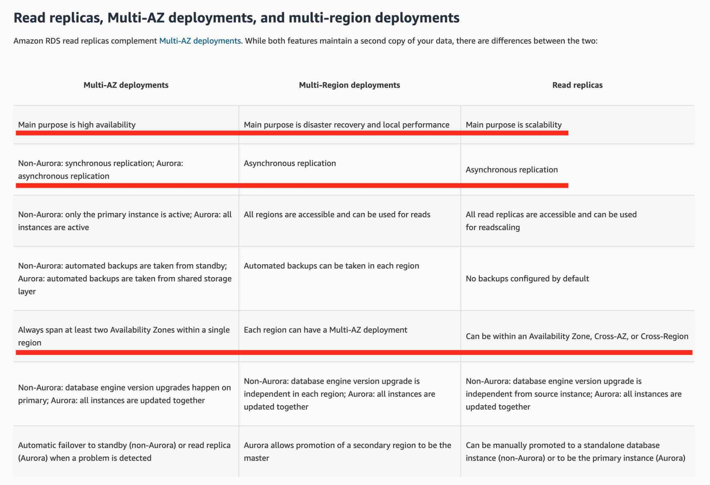

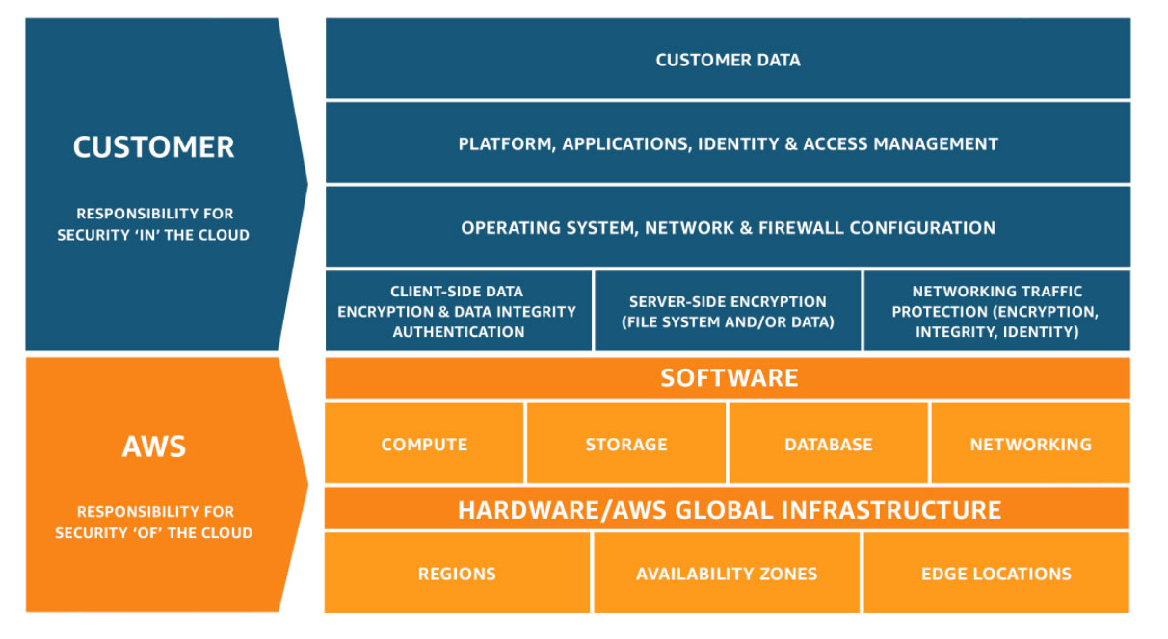

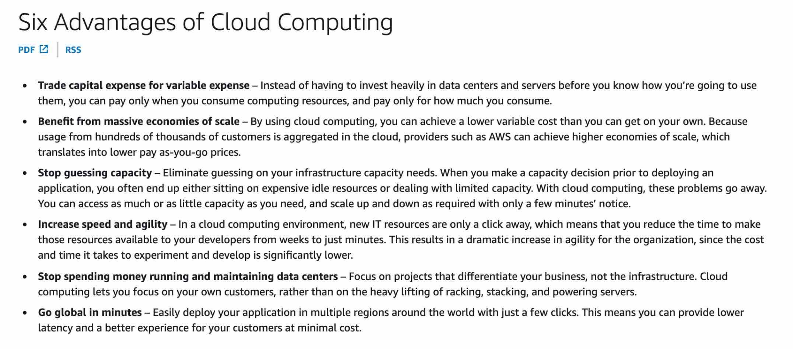

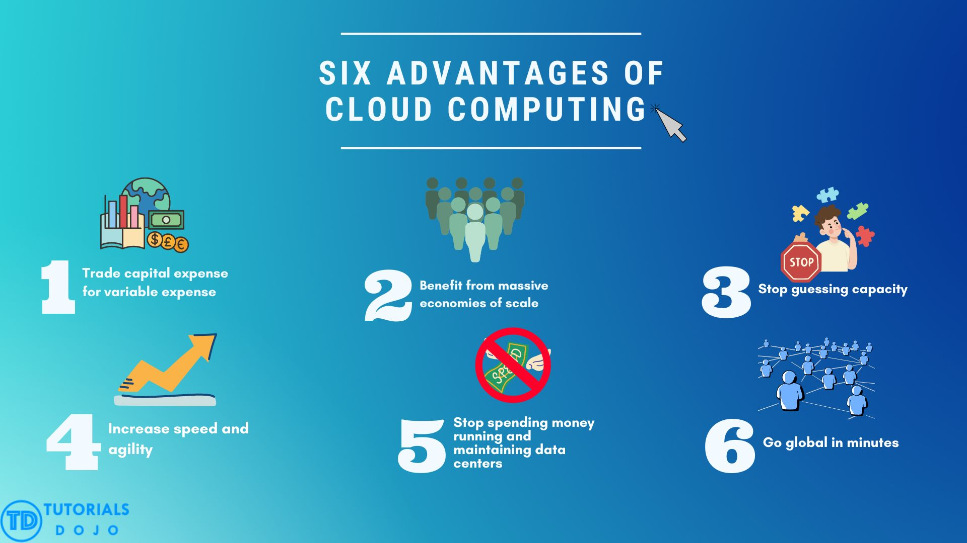

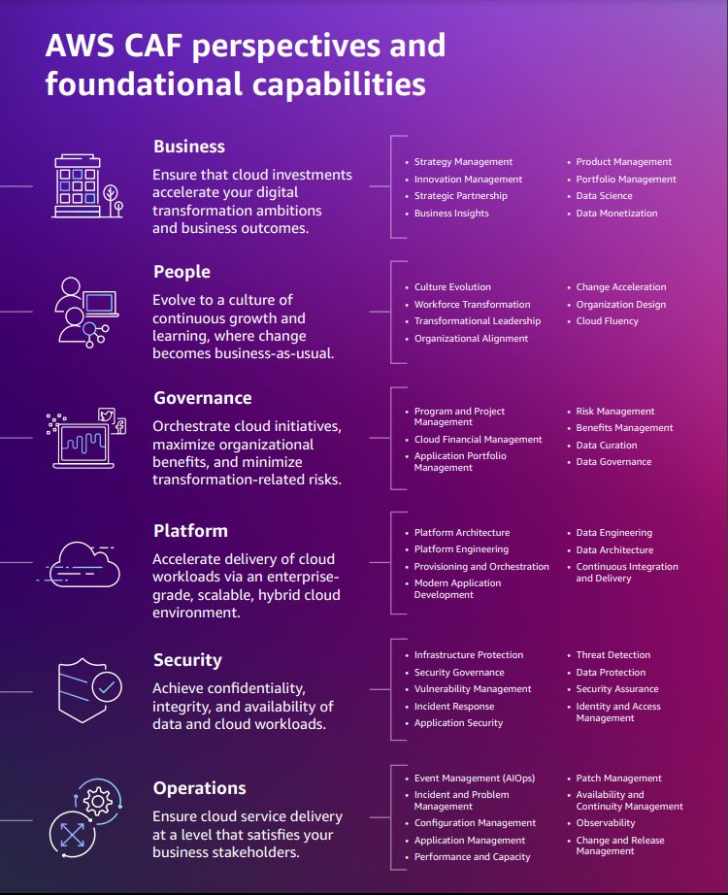

https://tutorialsdojo.com/aws-well-architected-framework-six-pillars

