NEAT
PLEASE ENABLE MACROS BEFORE MOVING FORWARD

WELCOME TO NEAT!
NEAT Add-in
Version 0.9 alpha

Install / Uninstall NEAT Add-in

This procedure will install NEAT.xlam in your default add-in folder.
The add-in will be executed automatically everytime Excel starts, and it can be easily removed afterwards.

Tutorial

THANKS FOR INSTALLING!
NEAT Add-in
Version 0.9 beta

FIRST STEPS AND BASIC FUNCTIONS

The ribbon:

The functions:
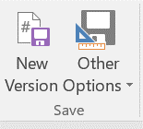
SAVE
Automatically manages versions of your workbook using the filename format
YYMMDD_FILE.NAME_vX.Y_AB

YYMMDD |  |  |  | Today's date (example: February 22, 2017 = 170222)
FILE.NAME |  |  |  | Workbook name
vX.Y |  |  |  | X: Version / Y: Sub-version
AB |  |  |  | Your unique initials

● New Version |  |  | Saves current workbook as a new file, upgrading Sub-version and updating date and initials
● A1 Version |  |  | Executes New Version setting A1 as the active cell in all sheets
● Jump Version |  |  | Saves current workbook as a new file, upgrading Version and updating date and initials
● User Initials |  |  | Modifies initials

WARNING!
There is no UNDO after executing a NEAT function. Always save before trying something new!
!
!

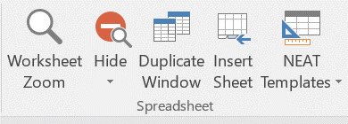
SPREADSHEET

● Worksheet Zoom |  |  |  | Defines zoom level to all sheets in the workbook and sets the default zoom level for other functions
● Hide Sheet |  |  |  | Hides active sheets (not visible to the regular Excel unhide function).
● Unhide Sheets |  |  |  | Unhides all hidden sheets in the workbook
● Hide/Unhide Headers |  |  |  | Hide (unhide) formula bar and headers
● Duplicate Windows |  |  |  | Dual window view
● Insert Sheet |  |  |  | Inserts new sheet with no gridlines and default zoom level
● NEAT Templates |  |  |  | Useful templates

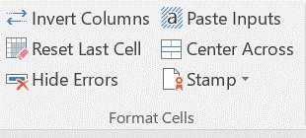
FORMAT CELLS

● Invert Columns |  |  | Useful to organize financial statements

 |  | TRY IT
 |  | 2016 | 2015 | 2014 | 2013 |  | Warning: this function will preserve VALUES rather than FORMULAS
Revenue |  | 900 | 800 | 700 | 600
Costs |  | -600 | -500 | -400 | -300
Profits |  | 300 | 300 | 300 | 300

● Reset Last Cell |  |  | Saves 15MB when Excel thinks XFD1048576 is actually the farthest bottom-right cell in your sheet
● Hide Errors |  |  | Puts the formulas inside IFERROR for the whole selected range
● Paste Inputs |  |  | Transforms formulas in values and sets the Input style to the selected cells (if available)

● Center Across |  |  | No more merging titles |  |  |  | Try here (select all red cells)

● Stamp |  |  | Time / Date stamps

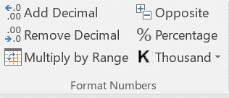
FORMAT NUMBERS

 | ● Add/Remove Decimal |  |  |  |  | ● Multiply by Range |  |  |  |  |  |  | ● Opposite

 | TRY IT |  |  |  |  | START HERE |  |  | MULTIPLIER |  |  |  | TRY IT
 | 1.2346 |  |  |  |  | 3 | 4 |  | 1.5 |  |  |  | -1 | +1
 | 9.8765 |  |  |  |  | 5 | 6 |  |  |  |  |  | +2 | -2

 | ● Percentage |  |  |  |  |  | ● Multiply by 1000 |  |  |  |  |  | ● Divide by 1000

 | TRY IT |  |  |  |  |  | TRY IT |  |  |  |  |  | TRY IT
 | 67 |  |  |  |  |  | 3 | 4 |  |  |  |  | 3000 | 4000
 | 33 |  |  |  |  |  | 5 | 6 |  |  |  |  | 5000 | 6000

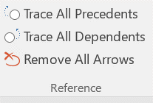
REFERENCE
Extend the standard Excel formula auditing functions to all selected cells

 |  |  |  | TRY IT
● Trace All Precedents |  |  |  | X |  |  |  | X |  | X |  |  |  |  | X
● Trace All Dependents |  |  |  |  |  | X |  | X |  | X |  | X |  | X | X
● Remove All Arrows |  |  |  |  |  | X |  |  |  |  |  |  |  |  | X

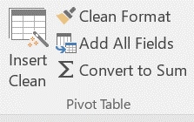
PIVOT TABLE

● Insert Clean |  |  | TRY IT
 |  |  | Rows | Col 1 | Col 2 | Col 3 | Col 4
 |  |  | Row 1 | 28 | 90 | 13 | 94
 |  |  | Row 2 | 27 | 82 | 3 | 74
 |  |  | Row 3 | 48 | 96 | 29 | 82

● Clean Format |  |  | Neatly formats your Pivot Table
● Add All Fields |  |  | Adds all available fields as Columns in the selected Pivot Table
● Convert to Sum |  |  | Converts selected fields to Sum

 |  | For more information visit us at |  |  |  | www.neataddin.com |  |  | or reach us at |  | contact@neataddin.com

