Sheet1
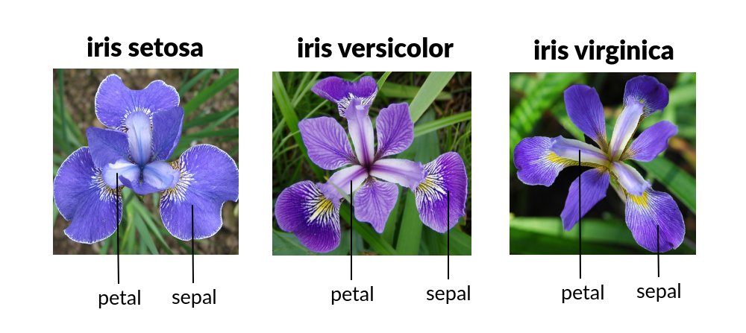
SL | SW | PL | PW | TYPE | Sepal length (SL), Sepal Width (SW), Petal Length (PL), Petal Width (PW)
5.0 | 3.3 | 1.4 | 0.2 | SETOSA
6.4 | 2.8 | 5.6 | 2.2 | VIRGINIC
6.5 | 2.8 | 4.6 | 1.5 | VERSICOL
6.7 | 3.1 | 5.6 | 2.4 | VIRGINIC
6.3 | 2.8 | 5.1 | 1.5 | VIRGINIC
4.6 | 3.4 | 1.4 | 0.3 | SETOSA
6.9 | 3.1 | 5.1 | 2.3 | VIRGINIC
6.2 | 2.2 | 4.5 | 1.5 | VERSICOL
5.9 | 3.2 | 4.8 | 1.8 | VERSICOL
4.6 | 3.6 | 1.0 | 0.2 | SETOSA
6.1 | 3.0 | 4.6 | 1.4 | VERSICOL
6.0 | 2.7 | 5.1 | 1.6 | VERSICOL
6.5 | 3.0 | 5.2 | 2.0 | VIRGINIC
5.6 | 2.5 | 3.9 | 1.1 | VERSICOL
6.5 | 3.0 | 5.5 | 1.8 | VIRGINIC
5.8 | 2.7 | 5.1 | 1.9 | VIRGINIC
6.8 | 3.2 | 5.9 | 2.3 | VIRGINIC
7.7 | 3.8 | 6.7 | 2.2 | VIRGINIC
6.3 | 3.3 | 4.7 | 1.6 | VERSICOL | Ref.: https://rstudio-pubs-static.s3.amazonaws.com/545937_13a00a8d1fb7499ea9bc711d898ec6f3.html
6.7 | 3.3 | 5.7 | 2.5 | VIRGINIC
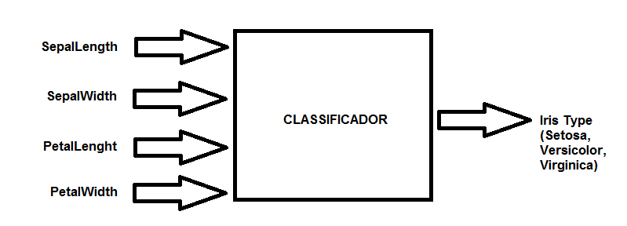
7.6 | 3.0 | 6.6 | 2.1 | VIRGINIC
4.9 | 2.5 | 4.5 | 1.7 | VIRGINIC
5.5 | 3.5 | 1.3 | 0.2 | SETOSA
6.7 | 3.0 | 5.2 | 2.3 | VIRGINIC
7.0 | 3.2 | 4.7 | 1.4 | VERSICOL
6.4 | 3.2 | 4.5 | 1.5 | VERSICOL
6.1 | 2.8 | 4.0 | 1.3 | VERSICOL
4.8 | 3.1 | 1.6 | 0.2 | SETOSA
5.9 | 3.0 | 5.1 | 1.8 | VIRGINIC
5.5 | 2.4 | 3.8 | 1.1 | VERSICOL
6.3 | 2.5 | 5.0 | 1.9 | VIRGINIC
6.4 | 3.2 | 5.3 | 2.3 | VIRGINIC
5.2 | 3.4 | 1.4 | 0.2 | SETOSA
4.9 | 3.6 | 1.4 | 0.1 | SETOSA
5.4 | 3.0 | 4.5 | 1.5 | VERSICOL
7.9 | 3.8 | 6.4 | 2.0 | VIRGINIC
4.4 | 3.2 | 1.3 | 0.2 | SETOSA
6.7 | 3.3 | 5.7 | 2.1 | VIRGINIC
5.0 | 3.5 | 1.6 | 0.6 | SETOSA
5.8 | 2.6 | 4.0 | 1.2 | VERSICOL
4.4 | 3.0 | 1.3 | 0.2 | SETOSA
7.7 | 2.8 | 6.7 | 2.0 | VIRGINIC
6.3 | 2.7 | 4.9 | 1.8 | VIRGINIC
4.7 | 3.2 | 1.6 | 0.2 | SETOSA
5.5 | 2.6 | 4.4 | 1.2 | VERSICOL
7.2 | 3.2 | 6.0 | 1.8 | VIRGINIC
4.8 | 3.0 | 1.4 | 0.3 | SETOSA
5.1 | 3.8 | 1.6 | 0.2 | SETOSA
6.1 | 3.0 | 4.9 | 1.8 | VIRGINIC
4.8 | 3.4 | 1.9 | 0.2 | SETOSA
5.0 | 3.0 | 1.6 | 0.2 | SETOSA
5.0 | 3.2 | 1.2 | 0.2 | SETOSA
6.1 | 2.6 | 5.6 | 1.4 | VIRGINIC
6.4 | 2.8 | 5.6 | 2.1 | VIRGINIC
4.3 | 3.0 | 1.1 | 0.1 | SETOSA
5.8 | 4.0 | 1.2 | 0.2 | SETOSA
5.1 | 3.8 | 1.9 | 0.4 | SETOSA
6.7 | 3.1 | 4.4 | 1.4 | VERSICOL
6.2 | 2.8 | 4.8 | 1.8 | VIRGINIC
4.9 | 3.0 | 1.4 | 0.2 | SETOSA
5.1 | 3.5 | 1.4 | 0.2 | SETOSA
5.6 | 3.0 | 4.5 | 1.5 | VERSICOL
5.8 | 2.7 | 4.1 | 1.0 | VERSICOL
5.0 | 3.4 | 1.6 | 0.4 | SETOSA
4.6 | 3.2 | 1.4 | 0.2 | SETOSA
6.0 | 2.9 | 4.5 | 1.5 | VERSICOL
5.7 | 2.6 | 3.5 | 1.0 | VERSICOL
5.7 | 4.4 | 1.5 | 0.4 | SETOSA
5.0 | 3.6 | 1.4 | 0.2 | SETOSA
7.7 | 3.0 | 6.1 | 2.3 | VIRGINIC
6.3 | 3.4 | 5.6 | 2.4 | VIRGINIC
5.8 | 2.7 | 5.1 | 1.9 | VIRGINIC
5.7 | 2.9 | 4.2 | 1.3 | VERSICOL
7.2 | 3.0 | 5.8 | 1.6 | VIRGINIC
5.4 | 3.4 | 1.5 | 0.4 | SETOSA
5.2 | 4.1 | 1.5 | 0.1 | SETOSA
7.1 | 3.0 | 5.9 | 2.1 | VIRGINIC
6.4 | 3.1 | 5.5 | 1.8 | VIRGINIC
6.0 | 3.0 | 4.8 | 1.8 | VIRGINIC
6.3 | 2.9 | 5.6 | 1.8 | VIRGINIC
4.9 | 2.4 | 3.3 | 1.0 | VERSICOL
5.6 | 2.7 | 4.2 | 1.3 | VERSICOL
5.7 | 3.0 | 4.2 | 1.2 | VERSICOL
5.5 | 4.2 | 1.4 | 0.2 | SETOSA
4.9 | 3.1 | 1.5 | 0.2 | SETOSA
7.7 | 2.6 | 6.9 | 2.3 | VIRGINIC
6.0 | 2.2 | 5.0 | 1.5 | VIRGINIC
5.4 | 3.9 | 1.7 | 0.4 | SETOSA
6.6 | 2.9 | 4.6 | 1.3 | VERSICOL
5.2 | 2.7 | 3.9 | 1.4 | VERSICOL
6.0 | 3.4 | 4.5 | 1.6 | VERSICOL
5.0 | 3.4 | 1.5 | 0.2 | SETOSA
4.4 | 2.9 | 1.4 | 0.2 | SETOSA
5.0 | 2.0 | 3.5 | 1.0 | VERSICOL
5.5 | 2.4 | 3.7 | 1.0 | VERSICOL
5.8 | 2.7 | 3.9 | 1.2 | VERSICOL
4.7 | 3.2 | 1.3 | 0.2 | SETOSA
4.6 | 3.1 | 1.5 | 0.2 | SETOSA
6.9 | 3.2 | 5.7 | 2.3 | VIRGINIC
6.2 | 2.9 | 4.3 | 1.3 | VERSICOL
7.4 | 2.8 | 6.1 | 1.9 | VIRGINIC
5.9 | 3.0 | 4.2 | 1.5 | VERSICOL
5.1 | 3.4 | 1.5 | 0.2 | SETOSA
5.0 | 3.5 | 1.3 | 0.3 | SETOSA
5.6 | 2.8 | 4.9 | 2.0 | VIRGINIC
6.0 | 2.2 | 4.0 | 1.0 | VERSICOL
7.3 | 2.9 | 6.3 | 1.8 | VIRGINIC
6.7 | 3.1 | 4.7 | 1.5 | VERSICOL
6.3 | 2.3 | 4.4 | 1.3 | VERSICOL
5.4 | 3.7 | 1.5 | 0.2 | SETOSA
5.6 | 3.0 | 4.1 | 1.3 | VERSICOL
6.3 | 2.5 | 4.9 | 1.5 | VERSICOL
6.1 | 2.8 | 4.7 | 1.2 | VERSICOL
6.4 | 2.9 | 4.3 | 1.3 | VERSICOL
5.1 | 2.5 | 3.0 | 1.1 | VERSICOL
6.5 | 3.0 | 5.8 | 2.2 | VIRGINIC
6.9 | 3.1 | 5.4 | 2.1 | VIRGINIC
5.4 | 3.9 | 1.3 | 0.4 | SETOSA
5.1 | 3.5 | 1.4 | 0.3 | SETOSA
7.2 | 3.6 | 6.1 | 2.5 | VIRGINIC
6.5 | 3.2 | 5.1 | 2.0 | VIRGINIC
6.1 | 2.9 | 4.7 | 1.4 | VERSICOL
5.6 | 2.9 | 3.6 | 1.3 | VERSICOL
6.9 | 3.1 | 4.9 | 1.5 | VERSICOL
6.4 | 2.7 | 5.3 | 1.9 | VIRGINIC
6.8 | 3.0 | 5.5 | 2.1 | VIRGINIC
5.5 | 2.5 | 4.0 | 1.3 | VERSICOL
4.8 | 3.4 | 1.6 | 0.2 | SETOSA
4.8 | 3.0 | 1.4 | 0.1 | SETOSA
4.5 | 2.3 | 1.3 | 0.3 | SETOSA
5.7 | 2.5 | 5.0 | 2.0 | VIRGINIC
5.7 | 3.8 | 1.7 | 0.3 | SETOSA
5.1 | 3.8 | 1.5 | 0.3 | SETOSA
5.5 | 2.3 | 4.0 | 1.3 | VERSICOL
6.6 | 3.0 | 4.4 | 1.4 | VERSICOL
6.8 | 2.8 | 4.8 | 1.4 | VERSICOL
5.4 | 3.4 | 1.7 | 0.2 | SETOSA
5.1 | 3.7 | 1.5 | 0.4 | SETOSA
5.2 | 3.5 | 1.5 | 0.2 | SETOSA
5.8 | 2.8 | 5.1 | 2.4 | VIRGINIC
6.7 | 3.0 | 5.0 | 1.7 | VERSICOL
6.3 | 3.3 | 6.0 | 2.5 | VIRGINIC
5.3 | 3.7 | 1.5 | 0.2 | SETOSA
5.0 | 2.3 | 3.3 | 1.0 | VERSICOL

Ref.: http://archive.ics.uci.edu/ml/datasets/Iris/

