output_dashboard
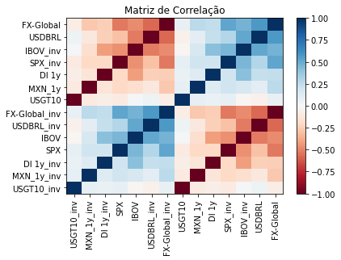
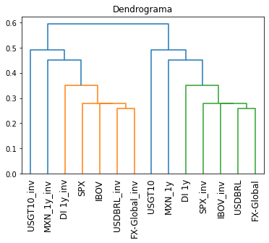
Ativo | Peso | Ativo | Peso | Ativo | Peso
USGT10_inv | 30.82% | USGT10_inv | 61.63% | IBOV | 0.08%
MXN_1y_inv | 11.40% | MXN_1y_inv | 22.79% | SPX | 0.18%
DI 1y_inv | 7.69% | DI 1y_inv | 15.38% | USGT10 | 62.58%
SPX | 0.05% | SPX | 0.09% | MXN_1y | 22.14%
IBOV | 0.02% | IBOV | 0.04% | DI 1y | 14.94%
USDBRL_inv | 0.02% | USDBRL_inv | 0.05% | USDBRL | 0.06%
FX-Global_inv | 0.01% | FX-Global_inv | 0.02% | FX-Global | 0.02%
USGT10 | 30.82%
MXN_1y | 11.40%
DI 1y | 7.69%
SPX_inv | 0.05%
IBOV_inv | 0.02%
USDBRL | 0.02%
FX-Global | 0.01%

Sheet6
