Koeberg
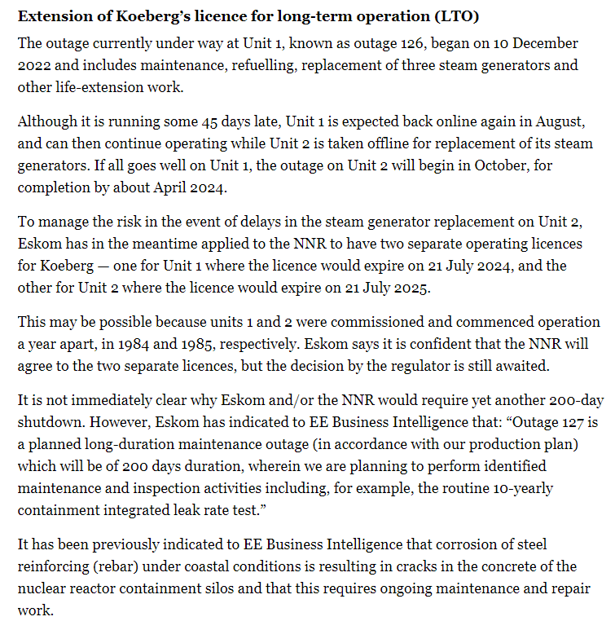
https://www.dailymaverick.co.za/article/2023-05-17-further-delay-in-life-extension-of-koeberg-nuclear-reactor-worsens-power-outlook/?utm_source=TouchBasePro&token=&utm_medium=email&utm_campaign=Business%20Maverick_Wednesday_17%20May%202023_MG%20Investments&utm_content=Business%20Maverick_Wednesday_17%20May%202023_MG%20Investments+CID_b57179705b2af363404ce1a4fdeccc76&utm_source=TouchBasePro&utm_term=Further%20delay%20in%20life%20extension%20of%20Koeberg%20nuclear%20reactor%20worsens%20power%20outlook

EAFs
https://www.dailymaverick.co.za/article/2023-04-25-outgoing-eskom-coo-jan-oberholzer-supports-coal-plant-life-extension-but-doubts-energy-availability-target/?token=&utm_medium=email&utm_campaign=First%20Thing%2025%20April%202023&utm_content=First%20Thing%2025%20April%202023+CID_16e79cd0603806541b66c953f11ad704&utm_source=TouchBasePro&utm_term=Outgoing%20Eskom%20COO%20Jan%20Oberholzer%20supports%20coal%20plant%20life%20extension%20but%20doubts%20energy%20availability%20target

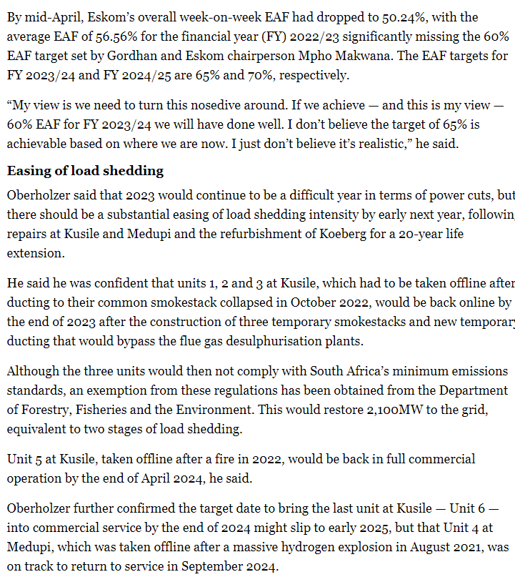
 | Glossary of terms
 | https://www.news24.com/news24/investigations/eskomfiles/glossary-of-terms-to-assist-understanding-of-eskom-key-performance-indicators-20211024

