Scenarios
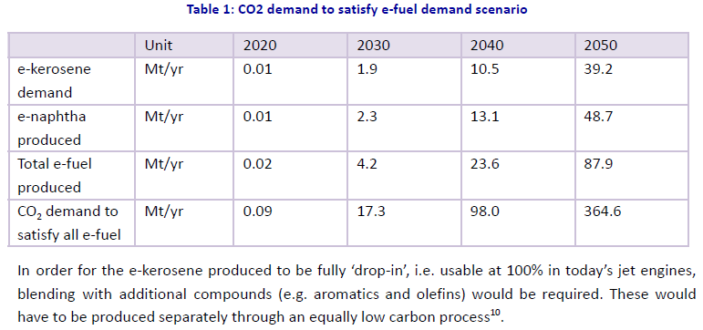
 |  |  |  |  |  |  |  |  |  |  | Fuelcell/ELT exports |  |  |  |  |  |  |  |  | E-jetfuel |  |  |  |  |  |  |  | Net platinum demand (tonnes) for the transtion
Scenario | Description |  |  |  |  |  |  |  |  |  | GW |  | Electrolyser |  |  | Fuel cell |  |  |  |  |  |  |  |  |  |  |  | Net platinum demand (tonnes) | 2030 | 2040 | 2050
High export | A high export scenario |  |  |  |  |  |  |  |  |  |  | 2030 | 2040 | 2050 | 2030 | 2040 | 2050 |  |  |  |  |  |  |  |  |  |  | Low | 4 | 1 | 1
None | No forcing of exports. |  |  |  |  |  |  |  |  |  | Low | 0.2 | 0.4 | 1.0 | 0.01 | 0.02 | 0.04 |  |  |  |  |  |  |  |  |  |  | Medium | 4 | 33 | 436
 |  |  |  |  |  |  |  |  |  |  | Medium | 0.2 | 2 | 21 | 0.03 | 8 | 310 |  |  |  |  |  |  |  |  |  |  | High | 60 | 542 | 1373
 |  |  |  |  |  |  |  |  |  |  | High | 1 | 9 | 56 | 4 | 124 | 818 |  |  |  |  |  |  |  |  |  |  | Note: Assumes South Africa supplies IEA[1] projected quantities at its current global market share of 65%[2]; Material use efficiency as described above is reached in 2050; Recycling of platinum stock is constant at 25% of gross demand; PEM technology maintains 80% share[3],[4]. Total demand inclusive of material for electrolysers and fuel cells; The IRENA project pipeline for the period 2020-2030 provides the basis for the low platinum export scenario63;
 |  |  |  |  |  |  |  |  |  |  | Note: Assumes South Africa supplies IEA projected quantities at a global market share of 5% by 2050[1]; PEM technology maintains 80% share. |  |  |  |  |  |  |  |  |  |  |  |  |  |  |  |  | This denotes net demand exclusive of other sectors listed in Table 8;
 |  |  |  |  |  |  |  |  |  |  |  |  |  |  |  |  |  |  |  |  |  |  |  |  |  |  |  | Values shown in brackets denote the tonnage that is beneficiated domestically for the component value chain.

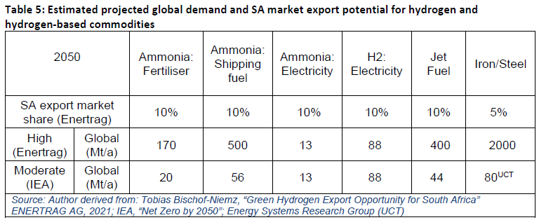
 |  |  |  |  |  |  |  |  |  |  |  |  |  |  |  |  |  |  |  | Secunda |  |  | 2020 | 2030 | 2040 | 2050
Scenario | Commodity | 2025 | 2030 | 2035 | 2040 | 2045 | 2050 |  |  |  |  |  |  |  |  |  |  |  |  | 0.23 | Mtpa |  |  |  | 0.12 | 0.23 |  | South Africa- Supply |  | ‘000 oz
None | Platinum | 125 | 125 | 125 | 125 | 125 | 125 |  |  | same as 2017 levels |  |  |  |  |  |  |  |  |  | 10 | PJ | mod |  |  | 5.0 | 10.09 |  |  |  | 2018 | 2019 | 2020
None | Other PGMs | 104 | 104 | 104 | 104 | 104 | 104 |  |  | same as 2017 levels |  |  |  |  |  |  |  |  |  |  |  | high |  |  |  |  |  |  |  | 4467 | 4398 | 3199
None | Green Iron
None | Green Steel |  |  |  |  |  |  |  |  |  |  |  |  |  |  |  |  |  |  | Euro Market share |  | mod |  | 0 | 1.1% | 2.2% |  |  |  | tons
None | Green NH3 |  |  |  |  |  |  |  |  |  |  |  |  |  |  |  |  |  |  |  |  | high |  |  |  |  |  |  |  | 2018 | 2019 | 2020
High export | Platinum | 125 | 125 | 125 | 125 | 125 | 125 |  |  | assumption. Testing |  |  |  |  |  |  |  |  |  |  |  |  |  |  |  |  |  |  |  | 138.93923087 | 136.79309097 | 99.500022283
High export | Other PGMs | 104 | 104 | 104 | 104 | 104 | 104 |  |  | assumption. Testing |  |  |  |  |  |  |  |  |  | TCH_SUP "CTL &GTL" |  |  |  |  |  |  | I want
High export | Green Iron |  | 1 |  |  |  | 14 | Mtons |  | BIICS x2 |  |  |  |  |  |  |  |  |  |  | Mossgas | Sasol | Mossgas | Sasol | Mossgas | Sasol |  |  | 2018/20 | 2018 | 2019 | 2020 | 2030 | 2040 | 2050 | growth
High export | Green Steel |  |  |  |  |  |  |  |  |  |  |  |  |  |  |  |  |  |  |  | Volflow (m3pa) |  | Massflow (tpa) |  | Energy flow (TJ/year) |  |  | Low | 136.79309097 | 138.93923087 | 136.79309097 | 99.500022283 | 140 | 138 | 92 | 0.67051278059
High export | Green NH3 |  | 2.8 |  |  |  | 124.155 | PJ |  | We may be able to go up |  |  |  |  |  |  |  |  |  | Avgas | 0 | 30900 | 0 | 22161.48 | 0 | 968.6782908 |  | Medium | 136.79309097 | 138.93923087 | 136.79309097 | 99.500022283 | 141 | 170 | 527 | 3.8512920403
 |  |  |  |  |  |  | 6.675 | 18.6 | PJ/mtons |  |  |  |  |  |  |  |  |  |  | Bitumen/asphalt | 0 | 0 | 0 | 0 | 0 | 0 |  | High | 136.79309097 | 138.93923087 | 136.79309097 | 99.500022283 | 196 | 679 | 1464 | 10.699497571
 |  |  |  |  |  |  |  |  |  |  |  |  |  |  |  |  |  |  | 100 | Chemical naphtha | 0 | 0 | 0 | 0 | 0 | 0
 |  |  |  |  |  |  |  |  |  |  |  |  |  |  |  |  |  |  |  | Diesel | 394700 | 1374800 | 352993.16452 | 1229528.7626 | 16237.685568 | 56558.323078
Green JetFuel demand |  |  |  |  |  |  |  |  |  |  | Ammonia |  |  |  |  |  | 2017 |  |  | Fuel alcohols | 123400 | 816800 | 97979.6 | 648539.2 | 2616.05532 | 17315.99664
 |  |  |  |  |  |  |  |  |  |  | 2017 Output (CGE) including Secunda |  |  |  |  | bR | 12.14 |  |  | Fuel oil sales | 0 | 0 | 0 | 0 | 0 | 0 |  |  |  |  |  |  |  |  | 669
 |  |  |  |  |  |  |  |  |  |  | 2017 Exports (CGE) |  |  |  |  | bR | 3 |  |  | Gas | 14500 | 189400 | 10074.6 | 131595.12 | 485.0718408 | 6336.0418378
 |  |  |  |  |  |  |  |  |  |  |  |  |  |  |  |  |  |  |  | Kerosene/jet fuel | 200600 | 292400 | 159878.2 | 233042.8 | 6919.528496 | 10086.092384
 |  |  |  |  |  |  |  |  |  |  | 2017 Output (SATIM PJ) - only Sasolburg considered |  |  |  |  | PJ | 6.14 |  |  | LPG | 77900 | 122900 | 43779.8 | 69069.8 | 2071.2661178 | 3267.7613078
 |  |  |  |  |  |  |  |  |  |  |  |  |  |  |  | mton | 0.33 |  |  | Lube oil feedstock | 0 | 0 | 0 | 0 | 0 | 0
 |  |  |  |  |  |  |  |  |  |  | 2017 Production (including Secunda) |  |  |  |  | PJ | 11.16 |  |  | Mogas 91 | 0 | 11700 | 0 | 8459.1 | 0 | 400.11543
 |  |  |  |  |  |  |  |  |  |  |  |  |  |  |  | mton | 0.6 |  |  | Mogas 93 | 0 | 3428400 | 0 | 2478733.2 | 0 | 117244.08036
 |  |  |  |  |  |  |  |  |  |  | 2017 Exports (SATIM) |  |  |  |  | PJ | 2.8 |  |  | Mogas 95 | 27100 | 19200 | 19593.3 | 13881.6 | 926.76309 | 656.59968
 |  |  |  |  |  |  |  |  |  |  | 2017 Domestic Use |  |  |  |  | PJ | 8.4 |  |  | Mogas 97 | 795000 | 295800 | 574785 | 213863.4 | 27187.3305 | 10115.73882
 |  |  |  |  |  |  |  |  |  |  | 2017 Actual Output Mtons |  |  |  |  | mton |  |  |  | Power paraffin | 0 | 6200 |  |  | 0 | 213.9
 |  |  |  |  |  |  |  |  |  |  |  |  |  |  |  |  |  |  |  | Solvents | 0 | 214800
 |  |  |  |  |  |  |  |  |  |  | Target Export |  |  |  |  | mton | 8.9 | 6.675 | 275.78253707
 |  |  |  |  |  |  |  |  |  |  |  |  |  |  |  | PJ | 165.54 | 124.155 |  | Kerosene% |  |  |  | 4.62% |  | 4.52%

 |  |  |  |  |  |  |  |  |  |  |  |  |  |  |  |  | 33.333333333
 |  |  |  |  |  |  |  |  |  |  | NH3 | LUT 2020 RE PowerFuels
 |  |  |  |  |  |  |  |  |  |  | https://h2tools.org/hyarc/calculator-tools/lower-and-higher-heating-values-fuels |  |  |  |  | 683
 |  |  |  |  |  |  |  |  |  |  | Conversion Factor (HHV): | 22.5 | MJ
 |  |  |  |  |  |  |  |  |  |  | Ammonia | 3340 | TWh
 |  |  |  |  |  |  |  |  |  |  | Ammonia | 12024 | PJ |  |  | 768.375
 |  |  |  |  |  |  |  |  |  |  | Ammonia | 534.4 | Mta |  |  | 34.15

 |  |  |  |  |  |  |  |  |  |  | N2 +3 H2 → 2 NH3

Production of minerals
Minerals council report 2017 facts and figures

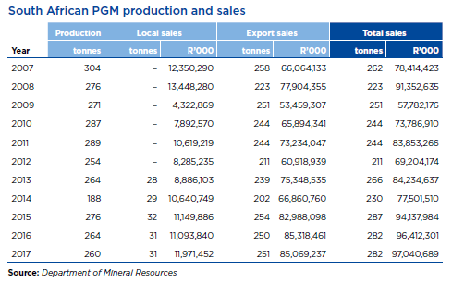

 |  | 2012 | 2013 | 2014 | 2015 | 2016 | 2017
 | PGM prod | 254 | 264 | 188 | 276 | 264 | 260

 | local sales |  | 28 | 29 | 32 | 31 | 31
 | exports |  | 239 | 202 | 254 | 250 | 251

 | % local sales to production |  | 11% | 15% | 12% | 12% | 12%

