EB_Exist
2017 Energy/Commodity Balance
 |  | Producers |  |  |  |  | Consumers |  |  |  |  |  |  |  |  |  |  |  |  |  |  |  | New
Commodity Code | Commodity | Tech Code | Tech description | unit | value | CV (MJ/kg) | Tech Code | Tech description | unit | value | CV (MJ/kg) | Source |  |  |  | GJ/ton
NH3 | Ammonia | ICPGASNH3-E | Existing Ammonia Plant - Gas | mt | 0.330 | LHV | ICPNH3DEM | Ammonia to Local Market | mt | 0.33 |  |  |  | Feedstock | Process | Net primary energy consumption [GJ/t NH3 (LHV)] |  |  | Units | Gas turbine required | Electricity from H2 Plant | CV NH3 | LHV MJ/kg | 18.8
 |  |  |  | PJ | 6.14 | 18.600 |  |  | PJ | 6.14 |  |  |  | Natural gas | Steam reforming | 28 |  | Energy requirement to convert hydrogen into ammonia to operate the synloop and ASU | kWh/tonne NH3 | 390 | 390 |  | kWh/t | 5222.2222222
ICPGAS | Industry Chemicals Gas |  |  |  |  |  | ICPGASNH3-E | Existing Ammonia Plant - Gas | PJ | 9.24 |  |  |  | Heavy hydrocarbon | Partial oxidation | 38 |  | Electricity production LHV efficiency | % | 35 | 100 | CV H2 | LHV MJ/kg | 120
ICPELC | Industry Chemical Electricity |  |  |  |  |  | ICPGASNH3-E | Existing Ammonia Plant - Gas | PJ | 0.09 |  |  |  | Coal | Partial oxidation | 45 |  | Equivalent H2 requirement | Kg/tonne NH3 | 33.44 | 11.7 |  |  | Without Gas turbine
INDCLE | Industry Coal low grade |  |  |  |  |  | ICPGASNH3-E | Existing Ammonia Plant - Gas | PJ | 0.09 |  |  |  | Source JRC 2007 |  |  |  | Total H2 requirement per tonne NH3 | Per tonne NH3 | 211.01 | 189.27 |  |  | Hydrogen per unit of ammonia | ton H2/ton NH3 | 0.18927
ICPNH3 | Ammonia Demand Domestic Market |  |  |  |  |  | ICPNH3DEM | Ammonia to Local Market | PJ | 6.14 |  |  |  |  |  |  |  | Conversion efficiency | % | 84.2 | 93.8 |  |  |  | GJ H2/ton NH3 | 22.7124
CO2SP | Process Emissions South Africa |  |  |  |  |  |  |  | kton | 241.415 |  |  |  |  |  |  |  | LHV efficiency | % | 73.4 | 81.8 |  |  |  | GJ H2/GJ NH3 | 1.208106383
CH4S | CH4S South Africa |  |  |  |  |  |  |  | kton | 7.962 |  |  |  |  |  |  |  | Bartels and Pate, 2008 |  |  |  |  |  |  | Eff | 0.82774167415
 |  |  |  |  |  |  |  |  |  |  |  |  |  |  |  |  |  |  |  |  |  |  |  |  | GJ elc/ton NH3 | 0.10833333333
 |  |  |  |  |  |  |  |  |  |  |  |  |  |  |  |  |  |  |  |  |  |  |  |  | GJ elc/GJ NH3 | 0.0057624113475

 |  |  |  |  |  |  |  |  |  |  |  |  |  |  |  |  |  |  |  |  |  |  |  | With Gas turbine
 |  |  |  |  |  |  |  |  |  |  |  |  |  |  |  |  |  |  |  |  |  |  |  | Hydrogen per unit of ammonia | ton H2/ton NH3 | 0.21101
 |  |  |  |  |  |  |  |  |  |  |  |  |  |  |  |  |  |  |  |  |  |  |  |  | GJ H2/ton NH3 | 25.3212
 |  |  |  |  |  |  |  |  |  |  |  |  |  |  |  |  |  |  |  |  |  |  |  |  | GJ H2/GJ NH3 | 1.3468723404
 |  |  |  |  |  |  |  |  |  |  |  |  |  |  |  |  |  |  |  |  |  |  |  |  | Eff | 0.74246086283

 |  |  |  |  |  |  |  |  |  |  |  |  |  | ZAR 2014->2015 | 1.0500 | https://inflationcalc.co.za/
 |  |  |  |  |  |  |  |  |  |  |  |  |  | EUR2014->ZAR2014 | 14.0997 | https://www1.oanda.com/currency/converter/

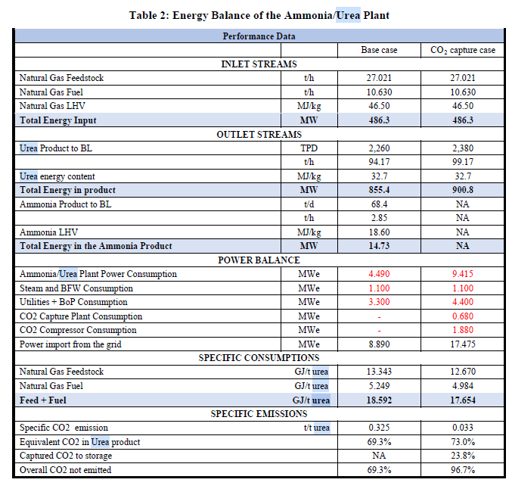
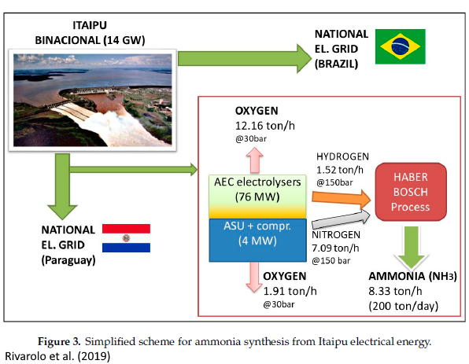
Sasol 2017a |  |  |  |  |  |  |  |  |  |  | Sasol Chemicals combution |  | 0.91
Microsoft Word - Annual Emission Report for SSO_FY18 |  |  |  |  |  |  |  |  |  |  | Total Sasol |  | 115.94 | IEA (2017) Techno-Economic Evaluation of H YCO Plant Integrated to Ammonia / Urea or Methanol Production with CCS. |  |  |  |  |  |  |  |  | Rivarolo (2019) Clean Hydrogen and Ammonia Synthesis in Paraguay from the Itaipu 14 GW Hydroelectric Plant
Annexure 1: Sasol’s 2017 GHG submission to the national GHG reporting regulations |  |  |  |  |  |  |  |  |  |  |  |  |  | BASE CASE | NH3 base case [Euro] |  | NH3 base case [Euro]
Name of data provider |  | Herman van der Walt / Shamini Harrington |  |  |  |  |  |  |  |  |  |  |  | Total plant cost (TPC) | EUR 2014 Q4 | Plant Life (yrs) | 25
Data provider identification |  | 170500107 |  |  |  |  |  |  |  |  |  |  |  | Total plant cost | 546,600,000 | Construction time (yrs) | 3
Date of submission |  | 31 03 2018 |  |  |  |  |  |  |  |  |  |  |  | Contingencies | 109,320,000 | Design and Construction Period | Year: 1, 2, 3; Investment Cost: 20%, 45%, 35%
Year of data |  | 2017 (January to December 2017) |  |  |  |  |  |  |  |  |  |  |  | Sub-total | 655,920,000 | Capacity (NH3 stream) (t/hr) | 2.85
Comments: Activity data has been supplied. A carbon mass balance has been used to determine GHG data. In most cases the activity data cannot be directly translated to GHG data. Flaring activity data cannot be supplied due to various streams entering the flare at any given time. |  |  |  |  |  |  |  |  |  |  |  |  |  | Spare parts | 3,279,600 | Capacity (NH3 stream) (t/yr) | 24,966
IPCC code | Sub category (disaggregated by fuel / product type / production process) | Activity data |  |  | Emissions (tonnes/year) |  |  |  |  |  |  |  |  | Start-up and commissioning cost |  | Availability | 0.90
 |  | Name of activity data | Value of activity data | Units of activity data | CO2 |  |  | CH4 |  |  | N20 |  |  | Start-up CAPEX | 13,118,400 | Capacity GJa | 469,361
 |  |  |  |  | Value | Tier | Reference - technical guidelines | Value | Tier | Reference - technical guidelines | Value | Tier | Reference - technical guidelines | Additional fuel cost | 1,725,457 | Capacity PJa | 0.46936
1A1 | 1A1c | Boiler coal combustion | 14,977,374 | tonnes of run of mine coal | 25,429,246 | 3 | Page 52-54 | 300 | 1 | Page 52-54 | 449 | 1 | Page 52-54 | O&M | 2,566,044 | InvCost mR/PJ | 20,689
1A1 | 1A1c | Gas to power plants | 750,271 | kNm3 | 1,420,641 | 3 | Page 52-54 | 25.3 | 1 | Page 52-54 | 2.53 | 1 | Page 52-54 | Catalyst and chemicals | 591,940 | Fixed OM | 388
1A1 | 1A1c | Fuel gas combustion | 28,640,347 | GJ | 1,194,110 | 3 | Page 52-54 | 21.3 | 1 | Page 52-54 | 2.13 | 1 | Page 52-54 | Owners cost | 45,914,400 | Variable OM | 177
1A1 | 1A1c | Fuel oil combustion | 1,100,948 | GJ | 118,860 | 3 | Page 52-54 | 4.6 | 1 | Page 52-54 | 0.92 | 1 | Page 52-54 | Interest during construction | 125,912,501
1A1 | 1A1c | Sasol catalytic cracker | 1,199,845 | kNm3 | 188,429 | 3 | Page 52-54 | 7.3 | 1 | Page 52-54 | 1.46 | 1 | Page 52-54 | Working capital | 109,589
1A1 | 1A1c | Wet sulphuric acid combustion emissions | 177,871 | kNm3 | 68,055 | 3 | Page 52-54 | 1.2 | 1 | Page 52-54 | 0.12 | 1 | Page 52-54 | Sub-total | 193,217,931
1A | 1A1c | Natural gas combustion | 910,988 | GJ natural gas | 39,454 | 3 | Page 52-54 | 0.7 | 1 | Page 52-54 | 0.07 | 1 | Page 52-54 | Total capital requirements | 849,137,931
1B | 1B3 | Other energy industries: process emissions | 30,042,216 | kNm3 (pure gas rate for CTL/GTC) | 23,227,198 | 3 | Page 52-54 | #### | 3 | Page 52-54 | 0 |  |  |  | EUR2014 | ZAR2015
1B | 1B3 | Flaring emissions | No activity data due to complexity of the process | N/A | 2,027,278 | 3 | Page 52-54 | NA | NA | NA | NA | NA | NA | Overnight Cost | 655,920,000 | 9,710,688,985
1B | 1B3 | Wet sulphuric acid process emissions | 177,871 | kNm3 | 309,044 | 3 | Page 52-54 | NA | NA | NA | NA | NA | NA | FOM | 26,236,800 | 388,427,559 | 4.0%
1B | 1B3 | Butanol stripper | 182,658 | tonnes of butanol | 15,323 | 3 | Page 52-54 | NA | NA | NA | NA | NA | NA | VAR_OM | 5,596,997 | 82,861,778 |  |  |  |  |  |  | The resulting mass and energy flows are reported in Figure 3. Considering a nominal production
4D | 4D2 | Process water dams | 23,360 | tonnes process water feed | 7,065 | 3 | Page 52-54 | 3853 | 3 | Page 52-54 | 0 |  |  |  |  |  |  |  |  |  |  |  | of 200 ton/day of NH3 (equivalent to 8330 kg/h), about 1520 kg/h of H2 and 7100 kg/h of N2 are needed
4D | 4D2 | Water recovery (including domestic sewage) | 119,401 | tonnes COD | 180,962 | 3 | Page 52-54 | NA | NA | NA | NA | NA | NA |  |  |  |  |  |  |  |  |  | as reactants.
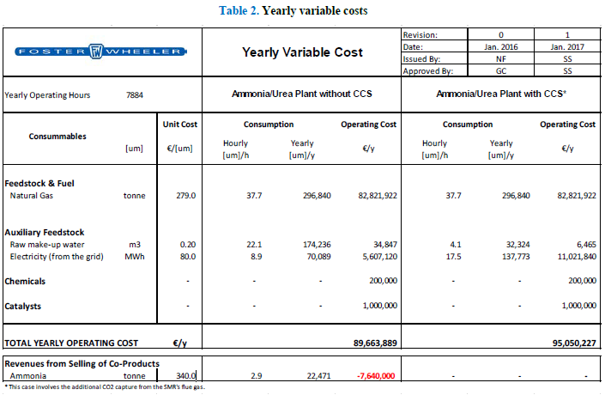
2B | 2B2 | Nitric acid production | 643,962 | tonnes of nitric acid | NA | NA | NA | NA | NA | NA | 692 | 3 | Page 52-54
2B | 2B1 | Ammonia production | 313,043 | tonnes of ammonia | 241,415 | 3 | Page 52-54 | 7962 | 3 | Page 52-54 | NA | NA | NA
1B | 1B1 | Sasol Mining | 40,020,782 | tonnes of coal mined | - | NA | NA | 3229 | 2 | Page 52-54 | NA | NA | NA |  |  |  |  |  |  |  |  |  |  |  | NH3 | 8339 | kg/hr
1B2 | 1B2b | Natural gas venting from the pipeline | 4,555,664 | kNm3 of natural gas | - | NA | NA | 243 | 2 | Page 52-54 | NA | NA | NA |  |  |  |  |  |  |  |  |  |  |  | H2 | 1520 | kg/hr
4C | 4C2 | Open burning of waste | Not applicable (NA) | NA | NA | NA | NA | NA | NA | NA | NA | NA | NA |  |  |  |  |  |  |  |  |  |  |  | N2 | 7100 | kg/hr
1A5 | 1A5b | Mobile combustion: Mining machinery | 245,406 | litres of petrol and diesel | 19,410 | 1 | Carbon budget reporting requirement | NA | NA | NA | NA | NA | NA
 |  |  |  |  |  |  |  |  |  |  |  |  |  |  |  |  |  |  |  |  |  |  |  |  | H2/NH3 | 0.18227605228 | kg/kg
 |  |  |  |  |  |  |  |  |  |  |  |  |  |  |  |  |  |  |  |  |  |  |  |  | H2/NH3 | 1.1634641635 | J/J

 |  |  |  |  |  |  |  |  |  |  |  |  |  |  |  |  |  |  |  |  |  |  |  |  | H2 | 18.8 | MJ/kg
 |  |  |  |  |  |  |  |  |  |  |  |  |  |  |  |  |  |  |  |  |  |  |  |  | NH3 | 120 | MJ/kg

