EIA
Capital Cost Estimates for Utility Scale Electricity Generating Plants
EIA 2016

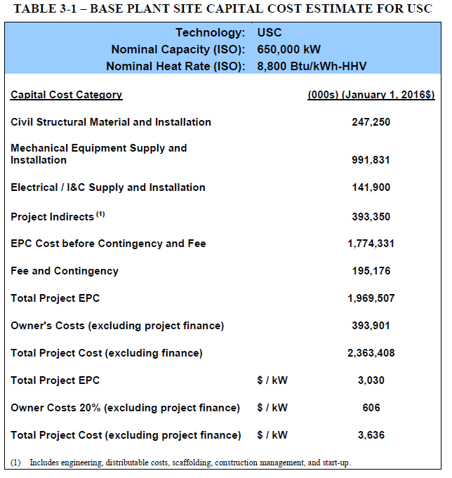
Table 8-2
Conventional Natural Gas Turbine |  |  |  | Ultra-supercritical coal
Nominal capacity | 702,000 kW

Capital Cost Category | (000s) (January 1, 2016$) |  |  |  |  | 650 | MW
Civil Structural Material and Installation |  | 49,126 | ccons_e
Mechanical Equipment Supply and Installation |  | 324,043 | cmach_e |  | Civil Structural Material and Installation | 247250 |  | ccons_e
Electrical / I&C Supply and Installation |  | 43,753 | cemch_e |  | Mechanical Equipment Supply and Installation | 991831 |  | cmach_e
Project Indirects (1) |  | 99,220 | cbsrv |  | Electrical / I&C Supply and Installation | 141900 |  | cemch_e
EPC Cost before Contingency and Fee |  | 516,142 |  |  | Project Indirects (1) | 393350 |  | cbsrv
Fee and Contingency |  | 55,743 |  |  | EPC Cost before Contingency and Fee | 1774331
Total Project EPC |  | 571,885 |  |  | Fee and Contingency | 195176 |  | cbsrv
Owner Costs (excluding project finance) |  | 114,377 | ccons_e |  | Total Project EPC | 1969507
Total Project Cost (excluding finance) |  | 686,262 |  |  | Owner Costs (excluding project finance) | 393901 |  | ccons_e
Total Project EPC | / kW | 815 |  |  | Total Project Cost (excluding finance) | 2363408
Owner Costs 20% (excluding project finance) | / kW | 163 |  |  | Total Project EPC | 3030
Total Project Cost (excluding project finance) | / kW | 978 |  |  | Owner Costs 20% (excluding project finance) | 606
 |  |  |  |  | Total Project Cost (excluding project finance) | 3636
 |  | 24% | ccons_e |  |  | 27% |  | ccons_e
 |  | 47% | cmach_e |  |  | 42% |  | cmach_e
 |  | 6% | cemch_e |  |  | 6% |  | cemch_e
 |  | 0% | cmetp |  |  | 0% |  | cmetp
 |  | 14% | cbsrv |  |  | 25% |  | cbsrv

SAREM_Wind
Dashboard

 |  |  | Bottom up calculation - US$/kW |  |  |  |  | Engagements |  |  |  |  | Other data
 |  | Components | Imported cost - excluding shipment to SA | Imported cost - including shipment to SA | Localised cost | Premium RE: excl shipment to SA | Premium RE: incl shipment to SA | Imported cost - excluding shipment to SA | Imported cost - including shipment to SA | Localised cost | Premium RE: excl shipment to SA | Premium RE: incl shipment to SA | Cost of setting up a facility (US'm) | Production capacity | Equivalent MW using 3 MW turbine | Number of jobs | Adjusted for SA productivity/relative labour cost | GDP component
 |  | Tower - steel | 107 | 117 | 122 | 14% | 3% |  | - |  | #DIV/0! | #DIV/0! | US$160 - 240 m | 1 000 towers | 3000-5000 | 550 | 800-1300 | 27%
 |  | Tower - concrete | 77 | 85 | 88 | 15% | 4% |  | - |  | #DIV/0! | #DIV/0! |  | 300 MW |  | 250 | 480 | 27%
 |  | Nacelle | 488 | 537 | 526 | 8% | -2% |  | - |  | #DIV/0! | #DIV/0! | US$110 m | 1 400 units | 4200 | 400 | 770 | 30%
 |  | Rotor Hub | 104 | 114 | 106 | 2% | -8% |  | - |  | #DIV/0! | #DIV/0! |  |  |  |  | 0 | 30%
 |  | Blades | 184 | 203 | 280 | 52% | 38% |  | - |  | #DIV/0! | #DIV/0! | US$180 m | 1 800 blades | 1800 | 650 | 1250 | 27%
 |  | TOTAL - using steel | 883 | 972 | 1033 | 17% | 6%
 |  | TOTAL - using concrete tower | 853 | 939 | 1000 | 17% | 6%

Key assumptions

 |  | Rand/USD exchange | 14.40 |  | Reserve Bank (april 2021)
 |  | USD/Euro exchange | 0.84 |  | Calculated
 |  | Rand/Euro exchange | 17.24 |  | Reserve Bank (april 2021)
 |  | FOB to CIF - cost of transportation | 10% |  | US100k for long-haul shipments per turbine |  | https://www.freightwaves.com/news/shipping-wind-turbines-is-not-a-breeze

 |  |  | Jan-19 | Jul-19 | Jan-20
 |  | China labour costs | - | - | 20.90
 |  | SA labour costs | - | - | 50.90
 |  |  | - | - | 2.44

 |  |  | Jan-19 | Jul-19 | Jan-20
 |  | Europe labour costs | - | - | 47.30
 |  | SA labour costs | - | - | 50.90
 |  |  | - | - | 1.08

 |  |  | Jan-19 | Jul-19 | Jan-20
 |  | US labour costs | - | - | 26.40
 |  | SA labour costs | - | - | 50.90
 |  |  | - | - | 1.93

Cost estimation

 |  |  | WE localisation based on IRENA 2012 |  |  | Steel turbine 3.6MW, 100m |  |  | https://www.nrel.gov/docs/fy20osti/74598.pdf |  | https://www.nrel.gov/docs/fy21osti/78471.pdf
 |  |  | 2014 |  | 2014 | US$/MW |  |  | US$/KW | 2018 | US$/kW | 2019
 |  |  | 14.20% |  | 25.8% | 543389 |  | 15.9% | 219 | 22% | 215 | 22%
 |  | Blade | 9.10% |  | 16.5% | 460,527 |  | 13.5% | 188 | 19% | 184 | 19%
 |  | Nacelle asssembly | 2.10% |  | 3.8% |  |  |  | 100 | 10% | 98 | 10%
 |  | Hub |  |  | 0.0% |  |  |  |  | 0%
 |  | Rotor hub assembly | 1.50% |  | 2.7% | 135,378 |  | 4.0% | 45 | 4% | 44 | 4%
 |  | Pitch system assembly | 2.80% |  | 5.1% | 184,185 |  | 5.4% | 61 | 6% | 60 | 6%
 |  | Nose cone |  |  |  | 12,144 |  | 0.4% |  | 0%
 |  | Nacelle - drivetrain |  |  | 0.0% |  |  |  | 195 | 19% | 192 | 19%
 |  | Main shaft | 1.50% |  | 2.7% | 11,265 |  | 0.3% |  | 0%
 |  | Gearbox | 9.60% |  | 17.5% | 654,992 |  | 19.1% |  | 0%
 |  | Rotor bearings | 0.90% |  | 1.6% | 84,822 |  | 2.5% |  | 0%
 |  | Nacelle - interior |  |  | 0.0% |  |  |  | 170 | 17% | 167 | 17%
 |  | Generator | 1.80% |  | 3.3% | 336,871 |  | 9.8% |  | 0%
 |  | Tranformer | 2.00% |  | 3.6% |  |  | 0.0% |  | 0%
 |  | Power inverter | 2.70% |  | 4.9% |  |  | 0.0% |  | 0%
 |  | variable speed electronics |  |  |  | 409,428 |  | 12.0% |  | 0%
 |  | Brake system | 0.70% |  | 1.3% | 10,310 |  | 0.3% |  | 0%
 |  | Yaw system | 0.70% |  | 1.3% | 109,689 |  | 3.2% |  | 0% | 32 | 3%
 |  | Mainfraim | 1.50% |  | 2.7% | 132,528 |  | 3.9% | 33 | 3%
 |  | Hydrolic and cooling system |  |  |  | 62,192 |  | 1.8% |  | 0%
 |  | Nacelle-exterior | 2.70% |  | 4.9% | 65,334 |  | 1.9% |  | 0%
 |  | Other - screws and cables | 1.20% |  | 2.2% | 207,305 |  | 6.1% |  | 0%
 |  |  | 55.00% |  | 100.00% | 3,420,360 |  | 100% | 1,011 | 100% | 992 | 100%

 |  |  |  |  | 26% | 543,389 |  | 16% | 219 | 22% | 215 | 22% | 237
 |  | Blade |  |  | 17% | 460,527 |  | 13% | 188 | 19% | 184 | 19% | 203
 |  | Hub |  |  | 8% | 331,707 |  | 10% | 106 | 10% | 104 | 10% | 114
 |  | Nacelle + hub |  |  |  |  |  |  |  |  | - | 0% | -
 |  | Nacelle - drivetrain |  |  | 22% | 751,079 |  | 22% | 195 | 19% | 192 | 19% | 211
 |  | Ncalle - interior |  |  | 17% | 1,061,018 |  | 31% | 203 | 20% | 199 | 20% | 219
 |  | Other |  |  | 11% | 272,639 |  | 8% | 100 | 10% | 98 | 10% | 108
 |  | Total |  |  | 100.0% | 3,420,360 |  | 100.0% | 1,011 | 100.0% | 992 | 100.0% | 1,092

 |  | Cost of turbine (FOB): | MW |  | Hub height | Cost |  |  | Cost - US/kw FOB | Year | Cost - US/kw CIF
 |  | https://www.nrel.gov/docs/fy19osti/71844.pdf | 3.5 |  | 90 | 970 |  | Euro/kW | 1,161 | 2018 | 1,278
 |  | https://www.nrel.gov/docs/fy20osti/74598.pdf | 2.4 |  | 88 | 1011 |  | US/kw | 1,011 | 2018 | 1,113
 |  | https://www.nrel.gov/docs/fy21osti/78471.pdf | 2.6 |  | 90 | 991 |  | US/kW | 991 | 2019 | 1,091

 |  | Cost of turbine: https://www.nrel.gov/docs/fy05osti/36777.pdf | steel tower |  | concrete towerr
 |  | Turbine size | 3.60 |  | 3.60
 |  | Height | 100m |  | 100m
 |  | Shop fabrication of steel tube and flange rings | 1,138,083.00 |  | 602,587.00
 |  | Tower concrete fabrication | - |  | 305,167.00
 |  | Subtotal | 1,138,083.00 |  | 907,754.00
 |  | Ratio - conxrete vs steel cost | 1.00 |  | 0.80
 |  | Tower fabrication as % of total tower cost | 0.50 |  | 0.45
 |  | Total cost | 2,293,759.00 |  | 2,026,608.00

Utility-scale wind

 |  | Component: | Tower - steel |  | Unit: | kWp |  |  |  |  |  |  |  |  | Sector: | Basic iron and steel

 |  | Component | Average cost breakdown |  | Current cost of imported component (US$/kW) | Can be locally sourced? |  | Local content estimate (%) | Sector | Labour costs in a sector using SAM tech coefficients | Comparison to China or Europe? | Applied Labour cost premium | Premium to be paid if sourced from SA (%) | Cost in SA (US$) |  | Data derived from engagements | Unit | Range |  | Data derived from secondary sources | Unit | Range | Source | Range | Source
 |  | Shop fabrication of steel tube and flange rings | 100.00% |  | 106.7 | Y |  | 100% | Basic iron and steel | 0.097044444372 | C | 2.435 | 13.9% | 121.535 |  | Capital cost to set up a factory | € |  |  | Capital cost to set up a factory | US$ |  | It is inidcated in the Wind Energy Localisation Study that DCD Towers comissioned the establishment of a manufcaturing facility worth R300m in 2013 (no indication of production capacity). However, total production capacity was 110 towers per year at the time. | US$240 m | https://www.tradeandindustrydev.com/industry/manufacturing/vestas-wind-systems-as-windsor-brighton-pueblo-colorado-2363 | US$25m | 23.944444444 | https://www.gri.com.es/en/noticia/gri-renewable-industries-inaugura-su-nueva-fabrica-de-torres-eolicas-en-sudafrica/
 |  |  |  |  | 0.0 |  |  |  |  |  |  |  |  |  |  | Production capacity | MW |  |  | Production capacity | MW/year | 300 | https://www1.eere.energy.gov/wind/pdfs/us_offshore_wind_supply_chain_and_manufacturing_development.pdf | 1 000 towers |  | 150 | towers | 450 | MW | 166.66666667
 |  |  |  |  | 0.0 |  |  |  |  |  |  |  |  |  |  | Number of jobs in a factory | No |  |  | Number of jobs in a factory | No | 198 | https://www1.eere.energy.gov/wind/pdfs/us_offshore_wind_supply_chain_and_manufacturing_development.pdf | 550 |  | 200 | jobs
 |  |  |  |  | 0.0 |  |  |  |  |  |  |  |  |  |  | Unit cost - imported | US$ |  |  | Unit cost - imported FOB | US$/kW | 107
 |  |  |  |  | 0.0 |  |  |  |  |  |  |  |  |  |  | Unit cost - manufactured locally | US$ |  |  | Unit cost - manufactured locally | R
 |  |  |  |  | 0.0 |  |  |  |  |  |  |  |  |  |  | Premium paid for a local product | % | #DIV/0! |  | Premium paid for a local product | %
 |  |  |  |  | 0.0 |  |  |  |  |  |  |  |  |  |  | GVA component | % |  |  | GVA component | %
 |  |  |  |  | 0.0 |  |  |  |  |  |  |  |  |  |  |  |  |  |  |  |  |  |  | 333.33333333
 |  |  |  |  | 0.0 |  |  |  |  |  |  |  |  |  |  | Unit cost - imported (engagements) | US$ | 0
 |  | TOTAL | 100% |  | 106.7 |  |  |  |  |  |  |  | 14% | 121.535 |  | Unit cost - imported (secondary data) | US$ | 107 | This is per kW and FOB
 |  |  |  |  | https://www.nrel.gov/docs/fy21osti/78471.pdf |  |  |  |  |  |  |  |  |  |  | To be used in calculations | US$ | 107 | Based on the selection of the above - either average or only one of the options

 |  | Component: | Tower - concrete |  | Unit: | US$/kW |  |  |  |  |  |  |  |  | Sector:

 |  | Component | Average cost breakdown |  | Current cost of imported component (US$) | Can be locally sourced? |  | Local content estimate (%) | Sector | Labour costs in a sector using SAM tech coefficients | Comparison to China or Europe? | Applied Labour cost premium | Premium to be paid if sourced from SA (%) | Cost in SA (US$) |  | Data derived from engagements | Unit | Range |  | Data derived from secondary sources | Unit | Range | Source
 |  | Shop fabrication of steel tube and flange rings | 66.38% |  | 51.0 | Y |  | 100% | Basic iron and steel | 0.097044444372 | C | 2.435 | 13.9% | 58.093 |  | Capital cost to set up a factory | US$ |  |  | Capital cost to set up a factory | US$
 |  | Tower concrete fabrication | 33.62% |  | 25.8 | Y |  | 100% | Non-metallic minerals | 0.10947716643 | C | 2.435 | 15.7% | 29.881 |  | Production capacity | Mw | 288 |  | Production capacity | MW
 |  |  |  |  | 0.0 |  |  |  |  |  |  |  |  |  |  | Number of jobs in a factory | No | 200 |  | Number of jobs in a factory | No | 216 | Wind Energy Localisation Study (2015)
 |  |  |  |  | 0.0 |  |  |  |  |  |  |  |  |  |  | Unit cost - imported | US$ |  |  | Unit cost - imported | US$ | 77
 |  |  |  |  | 0.0 |  |  |  |  |  |  |  |  |  |  | Unit cost - manufactured locally | US$ |  |  | Unit cost - manufactured locally | R
 |  |  |  |  | 0.0 |  |  |  |  |  |  |  |  |  |  | Premium paid for a local product | % | #DIV/0! |  | Premium paid for a local product | % | -1
 |  |  |  |  | 0.0 |  |  |  |  |  |  |  |  |  |  | GVA component | % |  |  | GVA component | %
 |  |  |  |  | 0.0
 |  |  |  |  | 0.0 |  |  |  |  |  |  |  |  |  |  | Unit cost - imported (engagements) | US$ | 0
 |  | TOTAL | 100% |  | 76.8 |  |  |  |  |  |  |  | 15% | 87.973 |  | Unit cost - imported (secondary data) | US$ | 77
 |  |  |  |  | Source: |  |  | Source: |  |  |  |  |  |  |  | To be used in calculations | US$ | 77 | Assuming that the cost of precast concrete is 80% of the cost of steel towers

 |  | Component: | Nacelle |  | Unit: | US$/kW |  |  |  |  |  |  |  |  | Sector:

 |  | Component | Average cost breakdown |  | Current cost of imported component (US$) | Can be locally sourced? |  | Local content estimate (%) | Sector | Labour costs in a sector using SAM tech coefficients | Comparison to China or Europe? | Applied Labour cost premium | Premium to be paid if sourced from SA (%) | Cost in SA (US$) |  | Data derived from engagements | Unit | Range |  | Data derived from secondary sources | Unit | Range | Source | Range | Source |  |  | Inox wind | 300 | crore | rupees |  |  | Bedplate | 4.40%
 |  | Nacelle asssembly | 8.02% |  | 39.1 | Y |  | 100% | Labour | 1 | E | 1.076 | 7.6% | 42.092 |  | Capital cost to set up a factory | US$ |  |  | Capital cost to set up a factory | US$ |  | It is indicated in the Wind Energy Localisation Study that the CAPEX per facility is R70-R130 million (230 jobs per facility). Requires R60m upscale to expand facility for Nacelle castings and forgings. Requires minimum demand of 400MW pa per OEM. | US$110 m | https://www.tradeandindustrydev.com/industry/manufacturing/vestas-wind-systems-as-windsor-brighton-pueblo-colorado-2363 |  |  |  | 0.016 | exchange rate |  |  |  | Main bearing | 2.80%
 |  | Main shaft | 5.73% |  | 27.9 | Y |  | 100% | Basic iron and steel | 0.097044444372 | E | 1.076 | 0.7% | 28.145 |  | Production capacity | kWp |  |  | Production capacity | MW/year | 300 | https://www1.eere.energy.gov/wind/pdfs/us_offshore_wind_supply_chain_and_manufacturing_development.pdf | 1 400 nacelles |  |  |  |  | 48,000,000 | US$ |  |  |  | Main shaft | 4.00%
 |  | Gearbox | 36.64% |  | 178.8 | N |  |  |  |  |  |  | 10.1% | 196.852 |  | Number of jobs in a factory | No |  |  | Number of jobs in a factory | No | 206 | https://www1.eere.energy.gov/wind/pdfs/us_offshore_wind_supply_chain_and_manufacturing_development.pdf | 400 |  |  |  |  | 800 MW | nacelle | 2 MW | 400 | units | Gearbox | 34.00%
 |  | Rotor bearings | 3.44% |  | 16.8 | N |  | 100% | Basic iron and steel | 0.097044444372 | E | 1.076 | 10.1% | 18.455 |  | Unit cost - imported | US$ |  |  | Unit cost - imported FOB | US$/kW | 489 | 2019 Cost of Wind Energy Review (nrel.gov) |  |  |  |  |  | 800 MW | blades |  | 1200 | units | Generator | 9.00%
 |  | Nacelle - interior | 0.00% |  | 0.0 | N |  |  |  |  |  |  |  |  |  | Unit cost - manufactured locally | US$ |  |  | Unit cost - manufactured locally | R |  |  |  |  |  |  |  | 800 MW | tower |  | 400 | units | Power Converter | 8.38%
 |  | Generator | 6.87% |  | 33.5 | N |  | 100% | Electrical machinery | 0.13001734713 | E | 1.076 | 10.1% | 36.910 |  | Premium paid for a local product | % | #DIV/0! |  | Premium paid for a local product | % |  |  |  |  |  |  |  |  |  |  |  |  | Power Transformer | 6.01%
 |  | Tranformer | 7.63% |  | 37.3 | Y |  | 100% | Electrical machinery | 0.13001734713 | E | 1.076 | 1.0% | 37.621 |  | GVA component | % |  |  | GVA component | % |  |  |  |  |  |  |  |  |  |  |  |  | Cables | 1.61%
 |  | Power inverter | 10.31% |  | 50.3 | N |  |  |  |  |  |  | 10.1% | 55.365 |  |  |  |  |  |  |  |  |  |  |  |  |  |  |  |  |  |  |  | Control System | 2.80%
 |  | variable speed electronics | 0.00% |  | 0.0 | N |  |  |  |  |  |  |  |  |  | Unit cost - imported (engagements) | US$ | 0 |  |  |  |  |  |  |  |  |  |  |  |  |  |  |  | Yaw System | 4.00%
 |  | Brake system | 2.67% |  | 13.0 | N |  | 100% | General machinery | 0.21461586852 | E | 1.076 | 10.1% | 14.354 |  | Unit cost - imported (secondary data) | US$ | 489 | This cost is per kW and FOB |  |  |  |  |  |  |  |  |  |  |  |  |  |  | Yaw Bearing | 1.80%
 |  | Yaw system | 2.67% |  | 13.0 | N |  | 100% | General machinery | 0.21461586852 | E | 1.076 | 10.1% | 14.354 |  | To be used in calculations | US$ | 488 | Based on the selection of the above - either average or only one of the options |  |  |  |  |  |  |  |  |  |  |  |  |  |  | Auxiliary System | 2.36%
 |  | Mainfraim | 5.73% |  | 27.9 | N |  | 100% | Basic iron and steel | 0.097044444372 | E | 1.076 | 10.1% | 30.758 |  |  |  |  |  |  |  |  |  |  |  |  |  |  |  |  |  |  |  | Nacelle Cover | 3.00%
 |  | Hydrolic and cooling system | 0.00% |  | 0.0 | N |  |  |  |  |  |  |  |  |  |  |  |  |  |  |  |  |  |  |  |  |  |  |  |  |  |  |  | Fasterners | 0.50%
 |  | Nacelle-exterior | 10.31% |  | 50.3 | Y |  | 100% | General machinery | 0.21461586852 | E | 1.076 | 1.6% | 51.112 |  |  |  |  |  |  |  |  |  |  |  |  |  |  |  |  |  |  |  | Monitoring System | 0.60%
 |  |  |  |  | 0.0 |  |  |  |  |  |  |  |  |  |  |  |  |  |  |  |  |  |  |  |  |  |  |  |  |  |  |  |  | Other/Misc. (assume labour is included here) | 14.74%
 |  |  |  |  | 0.0
 |  | TOTAL | 100% |  | 488 |  |  |  |  |  |  |  | 8% | 526.017
 |  |  |  |  | Source: https://www.osti.gov/servlets/purl/1087161 |  |  | Source:

 |  | Component: | Rotor Hub |  | Unit: | US$/kW |  |  |  |  |  |  |  |  | Sector: | General machinery

 |  | Component | Average cost breakdown |  | Current cost of imported component (US$) | Can be locally sourced? |  | Local content estimate (%) | Sector | Labour costs in a sector using SAM tech coefficients | Comparison to China or Europe? | Applied Labour cost premium | Premium to be paid if sourced from SA (%) | Cost in SA (US$) |  | Data derived from engagements | Unit | Range |  | Data derived from secondary sources | Unit | Range | Source
 |  | Rotor hub assembly | 34.88% |  | 60.0 | Y |  | 100% | General machinery | 0.21461586852 | E | 1.076 | 1.6% | 60.980 |  | Capital cost to set up a factory | US$ |  |  | Capital cost to set up a factory | US$
 |  | Pitch system assembly | 65.12% |  | 44.0 | Y |  | 100% | General machinery | 0.21461586852 | E | 1.076 | 1.6% | 44.719 |  | Production capacity | kWp |  |  | Production capacity | US$
 |  |  |  |  | 0.0 |  |  |  |  |  |  |  |  |  |  | Number of jobs in a factory | No |  |  | Number of jobs in a factory | No
 |  |  |  |  | 0.0 |  |  |  |  |  |  |  |  |  |  | Unit cost - imported | US$ |  |  | Unit cost - imported | US$/kW | 104 | 2019 Cost of Wind Energy Review (nrel.gov) | This price should maybe be considered as a proxy for imported prices.
 |  |  |  |  | 0.0 |  |  |  |  |  |  |  |  |  |  | Unit cost - manufactured locally | US$ |  |  | Unit cost - manufactured locally | R |  |  | No local prices have been obtained.
 |  |  |  |  | 0.0 |  |  |  |  |  |  |  |  |  |  | Premium paid for a local product | % | #DIV/0! |  | Premium paid for a local product | % | -1
 |  |  |  |  | 0.0 |  |  |  |  |  |  |  |  |  |  | GVA component | % |  |  | GVA component | %
 |  |  |  |  | 0.0
 |  |  |  |  | 0.0 |  |  |  |  |  |  |  |  |  |  | Unit cost - imported (engagements) | US$ | 0
 |  | TOTAL | 100% |  | 104 |  |  |  |  |  |  |  | 2% | 105.699 |  | Unit cost - imported (secondary data) | US$ | 104 | This cost is per kW
 |  |  |  |  | Source: https://www.osti.gov/servlets/purl/1087161 |  |  | Source: |  |  |  |  |  |  |  | To be used in calculations | US$ | 104 | Based on the selection of the above - either average or only one of the options

 |  | Component: | Blades |  | Unit: | US$/kW |  |  |  |  |  |  |  |  | Sector:

 |  | Component | Average cost breakdown |  | Current cost of imported component (US$) | Can be locally sourced? |  | Local content estimate (%) | Sector | Labour costs in a sector using SAM tech coefficients | Comparison to China or Europe? | Applied Labour cost premium | Premium to be paid if sourced from SA (%) | Cost in SA (US$) |  | Data derived from engagements | Unit | Range |  | Data derived from secondary sources | Unit | Range | Source | Range | Source |  |  |  |  | https://www.windpowerengineering.com/suzlon-inaugurates-new-aerodynamic-blade-manufacturing-facility/
 |  | Material cost | 47.79% |  | 87.9 | N |  |  |  |  |  |  | 10.1% | 96.806 |  | Capital cost to set up a factory | US$ |  |  | Capital cost to set up a factory | € | 32m-35m | Wind Energy Localisation Study (2015) | US$180 m | https://www.tradeandindustrydev.com/industry/manufacturing/vestas-wind-systems-as-windsor-brighton-pueblo-colorado-2363
 |  | Labour cost | 24.86% |  | 45.8 | Y |  | 100% | Labour | 1 | C | 2.435 | 143.5% | 111.423 |  | Production capacity | kWp |  |  | Production capacity | Units per year | 450 | Wind Energy Localisation Study (2015) | 1 800 blades | https://www.tradeandindustrydev.com/industry/manufacturing/vestas-wind-systems-as-windsor-brighton-pueblo-colorado-2363 |  |  |  |  |  | 400 MW | 571.42857143 | units of blades
 |  | Overhead labour costs | 7.46% |  | 13.7 | Y |  | 100% | Labour | 1 | C | 2.435 | 143.5% | 33.427 |  | Number of jobs in a factory | No |  |  | Number of jobs in a factory | No | 300 | Wind Energy Localisation Study (2015) | 650 |  |  |  |  |  |  | 480 | jobs
 |  | Utility costs | 0.45% |  | 0.8 | N |  |  |  |  |  |  | 0.0% | 0.828 |  | Unit cost - imported | US$ |  |  | Unit cost - imported FOB | US$/kW | 184 | 2019 Cost of Wind Energy Review (nrel.gov) |  | https://www.tradeandindustrydev.com/industry/manufacturing/vestas-wind-systems-as-windsor-brighton-pueblo-colorado-2363
 |  | Equipment costs | 2.82% |  | 5.2 | N |  |  |  |  |  |  | 10.1% | 5.715 |  | Unit cost - manufactured locally | US$ |  |  | Unit cost - manufactured locally | R
 |  | Tooling costs | 7.69% |  | 14.2 | N |  |  |  |  |  |  | 10.1% | 15.584 |  | Premium paid for a local product | % | #DIV/0! |  | Premium paid for a local product | %
 |  | Building costs | 0.42% |  | 0.8 | N |  |  |  |  |  |  | 0.0% | 0.778 |  | GVA component | % |  |  | GVA component | %
 |  | Maintenance costs | 2.87% |  | 5.3 | N |  |  |  |  |  |  | 0.0% | 5.275
 |  | Cost of capital | 5.63% |  | 10.4 | N |  |  |  |  |  |  | 0.0% | 10.364 |  | Unit cost - imported (engagements) | US$ | 0
 |  | TOTAL | 100% |  | 184.0 |  |  |  |  |  |  |  | 52% | 280.199 |  | Unit cost - imported (secondary data) | US$ | 184 | This cost is per kW and FOB
 |  |  |  |  | Source: https://www.nrel.gov/docs/fy19osti/73585.pdf |  |  |  |  |  |  |  |  |  |  | To be used in calculations | US$ | 184 | Based on the selection of the above - either average or only one of the options

add: Foundation

 |  | Rebar |  |  |  |  | Cement and concrete
 |  | https://steelonline.co.za/product/reinforcing-y-bar-12mm/ |  |  |  |  | Builders warehouse website |  |  |  | https://www.royalconcreteslabs.co.za/2020/12/09/what-does-ready-mix-concrete-cost-in-johannesburg-gauteng/ | [ref]
 |  | R116 | per 6500mm x 12mm | NO VAT |  |  | PPC surebuild |  |  |  | R33,000 | per 25m3
 |  | Steel denisty: | 7.85 | g/cm3 |  |  | R109 | per bag |  |  | R28,050 | less VAT
 |  |  |  |  |  |  | 50 | kg bag |  |  | 2.4 | g.cm3 density of conrete
 |  | volume of this rebar price | 735.13268094 | cm3 |  |  |  |  |  |  | R1,122 | per m3
 |  |  |  |  |  |  | R1.85 | R/kg of cement less VAT |  |  | R468 | per tonne for concrete readymix
 |  | total per tonne price: | R20,101 | 1,396 | $/tonne |  | R0.13 | $/kg |  |  | 32 | $/tonne
 |  |  |  | 14.4 | R/USD |  | 10% | share of concrete that is cement
 |  | Method:
 |  | From [3] - tonnage of materials used | tonnes / MW
 |  |  | Foundation | Tower (without foundation) | total
 |  | Steel | 15.57 | 85.72 | 101.29
 |  | Concrete | 242.59 |  | 242.59

 |  | Summary cost calculations
 |  |  |  |  |  |  |  |  |  | Assign to sector: |  |  |  |  | $/kW
 | BOP | For Rebar (steel) |  |  |  | Y |  |  |  | Metal Products |  |  |  |  | 22
 | BOP | for Concrete |  |  |  | Y |  |  |  | Concrete |  |  |  |  | 8

copy into one table
 |  | Summarise all into one table
 |  | For IMAGINE project on representing localisation in CGE
 |  | BMc: it appeared that the original data didn’t have the concrete and steel for the foundations. Have added this in.
 |  | this section was not part of the SAREM spreadsheet. Have added it here as it's a large consumer of concrete and rebar (steel)
 |  | Bryce: I assume it's not part of the original work under the 'Tower' entries since the steel tower didn’t have any non-metallic minerals sector needed.

 |  |  |  |  |  |  |  |  |  |  |  |  |  |  |  |  |  |  | Scenario
 | Category | Component | Average cost breakdown |  | Current cost of imported component (US$) | Can be locally sourced? |  | Local content estimate (%) | Sector | New Sector name | Labour costs in a sector using SAM tech coefficients | Comparison to China or Europe? | Applied Labour cost premium | Premium to be paid if sourced from SA (%) | Cost in SA (US$) | Comment |  |  | 2028 | 2030
Foundation |  | For Rebar (steel) |  |  |  | Y |  |  |  | Metal Products |  |  |  |  | 22 |  |  |  | Y | Y
 |  | for Concrete |  |  |  | Y |  |  |  | Concrete |  |  |  |  | 8 |  |  |  | Y | Y
Tower - steel |  | Shop fabrication of steel tube and flange rings | 100.00% | 0.00% | 106.7 | Y |  | 100% | Basic iron and steel | Metal Products | 0.097 | C | 2.435 | 13.9% | 121.535 |  |  |  | Y | Y
Tower - concrete |  | Shop fabrication of steel tube and flange rings | 66.38% | 0.00% | 51.0 | Y |  | 100% | Basic iron and steel | Metal Products | 0.097 | C | 2.435 | 13.9% | 58.093 |  |  |  | Y | Y
 |  | Tower concrete fabrication | 33.62% | 0.00% | 25.8 | Y |  | 100% | Non-metallic minerals | Concrete | 0.109 | C | 2.435 | 15.7% | 29.881 |  |  |  | Y | Y
Nacelle |  | Nacelle asssembly | 8.02% | 0.00% | 39.1 | Y |  | 100% | Labour | Labour | 1.000 | E | 1.076 | 7.6% | 42.092 |  |  |  | Y | Y
 |  | Main shaft | 5.73% | 0.00% | 27.9 | Y |  | 100% | Basic iron and steel | Machinary | 0.097 | E | 1.076 | 0.7% | 28.145 | Not sure this is right remap sector. |  |  | Y | Y
 |  | Gearbox | 36.64% | 0.00% | 178.8 | N |  | 0% | 0 | Machinary | 0.000 | 0 | 0.000 | 10.1% | 196.852 | Assumed |  |  | N | Y
 |  | Rotor bearings | 3.44% | 0.00% | 16.8 | N |  | 100% | Basic iron and steel | Metal Products | 0.097 | E | 1.076 | 10.1% | 18.455 |  |  |  | Y | Y
 |  | Nacelle - interior | 0.00% | 0.00% | 0.0 | N |  | 0% | 0 |  |  | 0 |  |  |  |  |  |  | Y | Y
 |  | Generator | 6.87% | 0.00% | 33.5 | N |  | 100% | Electrical machinery | Electrical machinery | 0.130 | E | 1.076 | 10.1% | 36.910 |  |  |  | N | Y
 |  | Tranformer | 7.63% | 0.00% | 37.3 | Y |  | 100% | Electrical machinery | Electrical machinery | 0.130 | E | 1.076 | 1.0% | 37.621 |  |  |  | Y | Y
 |  | Power inverter | 10.31% | 0.00% | 50.3 | N |  | 0% | 0 | Electrical machinery | 0.000 | 0 | 0.000 | 10.1% | 55.365 | Assumed same as transformer |  |  | Y | Y
 |  | variable speed electronics | 0.00% | 0.00% | 0.0 | N |  | 0% | 0 | Electrical machinery |  | 0 |  |  |  | Assumed same as transformer |  |  | N | Y
 |  | Brake system | 2.67% | 0.00% | 13.0 | N |  | 100% | General machinery | Machinary | 0.215 | E | 1.076 | 10.1% | 14.354 |  |  |  | N | Y
 |  | Yaw system | 2.67% | 0.00% | 13.0 | N |  | 100% | General machinery | Machinary | 0.215 | E | 1.076 | 10.1% | 14.354 |  |  |  | N | Y
 |  | Mainfraim | 5.73% | 0.00% | 27.9 | N |  | 100% | Basic iron and steel | Machinary | 0.097 | E | 1.076 | 10.1% | 30.758 |  |  |  | N | Y
 |  | Hydrolic and cooling system | 0.00% | 0.00% | 0.0 | N |  | 0% | 0 |  |  | 0 |  |  |  |  |  |  | N | Y
 |  | Nacelle-exterior | 10.31% | 0.00% | 50.3 | Y |  | 100% | General machinery | Metal Products | 0.215 | E | 1.076 | 1.6% | 51.112 |  |  |  | Y | Y
Rotor Hub |  | Rotor hub assembly | 34.88% | 0.00% | 60.0 | Y |  | 100% | General machinery | Machinary | 0.215 | E | 1.076 | 1.6% | 60.980 |  |  |  | Y | Y
 |  | Pitch system assembly | 65.12% | 0.00% | 44.0 | Y |  | 100% | General machinery | Machinary | 0.215 | E | 1.076 | 1.6% | 44.719 |  |  |  | Y | Y
Blades |  | Material cost | 47.79% | 0.00% | 87.9 | N |  | 0% | 0 | Machinary |  | 0 |  | 10.1% | 96.806 | Assuming this is the blade itself. | SIC code: 2811= manufacture of engines and turbines |  | N | N
 |  | Labour cost | 24.86% | 0.00% | 45.8 | Y |  | 100% | Labour | Labour | 1.000 | C | 2.435 | 143.5% | 111.423 |  |  |  | Y | Y
 |  | Overhead labour costs | 7.46% | 0.00% | 13.7 | Y |  | 100% | Labour | Labour | 1.000 | C | 2.435 | 143.5% | 33.427 |  |  |  | Y | Y
 |  | Utility costs | 0.45% | 0.00% | 0.8 | N |  |  |  |  |  |  |  | 0.0% | 0.828 | not too sure what to do with these.
 |  | Equipment costs | 2.82% | 0.00% | 5.2 | N |  |  |  |  |  |  |  | 10.1% | 5.715
 |  | Tooling costs | 7.69% | 0.00% | 14.2 | N |  |  |  |  |  |  |  | 10.1% | 15.584
 |  | Building costs | 0.42% | 0.00% | 0.8 | N |  |  |  |  |  |  |  | 0.0% | 0.778
 |  | Maintenance costs | 2.87% | 0.00% | 5.3 | N |  |  |  |  |  |  |  | 0.0% | 5.275
 |  | Cost of capital | 5.63% | 0.00% | 10.4 | N |  |  |  |  |  |  |  | 0.0% | 10.364

Wind - Steel tower |  |  | Local content |  |  |  |  |  | Sector |  |  |  |  |  | To R/kW (2021) |  |  |  | 2028 | 2030
 |  | Local sectors | Y |  |  |  |  |  | Metal Products |  |  |  |  |  | 2,799.1 |  |  |  | 3,064.8 | 3,064.8
 |  |  | Y |  |  |  |  |  | Concrete |  |  |  |  |  | 113.4 |  |  |  | 113.4 | 113.4
 |  |  | Y |  |  |  |  |  | Labour |  |  |  |  |  | 2,692.0 |  |  |  | 2,692.0 | 2,692.0
 |  |  | Y |  |  |  |  |  | Electrical machinery |  |  |  |  |  | 541.7 |  |  |  | 1,339.0 | 1,870.5
 |  |  | Y |  |  |  |  |  | Machinary |  |  |  |  |  | 1,927.4 |  |  |  | 1,927.4 | 5,618.3
 |  | Imported stuff | N |  |  |  |  |  | Metal Products |  |  |  |  |  | 265.8 |  |  |  | - | -
 |  |  | N |  |  |  |  |  | Concrete |  |  |  |  |  | - |  |  |  | - | -
 |  |  | N |  |  |  |  |  | Labour |  |  |  |  |  | - |  |  |  | - | -
 |  |  | N |  |  |  |  |  | Electrical machinery |  |  |  |  |  | 1,328.8 |  |  |  | 531.5 | -
 |  |  | N |  |  |  |  |  | Machinary |  |  |  |  |  | 5,085.0 |  |  |  | 5,085.0 | 1,394.0
 |  |  |  |  |  |  |  |  |  |  |  |  |  |  | 14,753.0
Wind - Concrete tower
 |  | Local sectors | Y |  |  |  |  |  | Metal Products |  |  |  |  |  | 1,885.5 |  |  |  | 2,151.3 | 2,151.3
 |  |  | Y |  |  |  |  |  | Concrete |  |  |  |  |  | 543.7 |  |  |  | 543.7 | 543.7
 |  |  | Y |  |  |  |  |  | Labour |  |  |  |  |  | 2,692.0 |  |  |  | 2,692.0 | 2,692.0
 |  |  | Y |  |  |  |  |  | Electrical machinery |  |  |  |  |  | 541.7 |  |  |  | 1,339.0 | 1,870.5
 |  |  | Y |  |  |  |  |  | Machinary |  |  |  |  |  | 1,927.4 |  |  |  | 1,927.4 | 5,618.3
 |  | Imported stuff | N |  |  |  |  |  | Metal Products |  |  |  |  |  | 265.8 |  |  |  | - | -
 |  |  | N |  |  |  |  |  | Concrete |  |  |  |  |  | - |  |  |  | - | -
 |  |  | N |  |  |  |  |  | Labour |  |  |  |  |  | - |  |  |  | - | -
 |  |  | N |  |  |  |  |  | Electrical machinery |  |  |  |  |  | 1,328.8 |  |  |  | 531.5 | -
 |  |  | N |  |  |  |  |  | Machinary |  |  |  |  |  | 5,085.0 |  |  |  | 5,085.0 | 1,394.0
 |  |  |  |  |  |  |  |  |  |  |  |  |  |  | 14,269.7
 |  |  |  |  |  |  |  |  |  |  |  |  |  |  |  | 0.21
 |  |  |  |  |  |  |  |  |  |  |  |  |  |  |  | 0.01
 |  |  | Wind tower - steel |  |  |  |  |  |  |  |  |  |  |  |  | 0.19
 |  |  |  | R/kW | Share of total | including labour |  |  |  | Steel |  | Concrete |  |  |  | 0.13
 |  |  | Local sectors |  | 55%
 |  |  | Metal Products | 2,799.1 | 19% |  |  |  | Metal Products | 3064.84 | 21% | 2151.27 | 15%
 |  |  | Concrete | 113.4 | 1% |  |  |  | Concrete | 113.41 | 1% | 543.69 | 4%
 |  |  | Labour | 2,692.0 | 18% |  |  |  | Labour | 2691.96 | 18% | 2691.96 | 19%
 |  |  | Electrical machinery | 541.7 | 4% |  |  |  | Machinary | 7012.34 | 48% | 7012.34 | 49%
 |  |  | Machinary | 1,927.4 | 13% |  |  |  | Electrical machinery | 1870.49 | 13% | 1870.49 | 13%
 |  |  | Imported stuff |  | 45% |  |  |  |  | 14753.04 |  | 14269.75
 |  |  | Metal Products | 265.8 | 2% |  |  |  | Used in Model
 |  |  | Concrete | - | 0% |  |  |  | ccons_e |  | 10% |  | 13%
 |  |  | Labour | - | 0% |  |  |  | cmach_e |  | 48% |  | 49%
 |  |  | Electrical machinery | 1,328.8 | 9% |  |  |  | cemch_e |  | 13% |  | 13%
 |  |  | Machinary | 5,085.0 | 34% |  |  |  | cmetp |  | 21% |  | 15%
 |  |  | Total | 14,753.0 |  |  |  |  | cbsrv |  | 9% |  | 9%
 |  |  | total sans labour | 12,061.08

SAREM_PV
Dashboard

 |  | Bottom up calculation - US$/kW |  |  |  |  | Engagements |  |  |  |  | Other data
 | Components | Imported cost - excluding shipment to SA | Imported cost - including shipment to SA | Localised cost | Premium RE: excl shipment to SA | Premium RE: incl shipment to SA | Imported cost - excluding shipment to SA | Imported cost - including shipment to SA | Localised cost | Premium RE: excl shipment to SA | Premium RE: incl shipment to SA | Cost of setting up a facility | Production capacity | Number of jobs | GDP component
 | Solar cell | 0.15 | 0.16 | 0.21 | 46% | 30% | 0.18 | 0.20 | 0.27 | 50% | 34% | US$40-160 | 1,000,000 kWp | 2400-2900 | 11%
 | PV module - using locally produced cell | 0.23 | 0.26 | 0.39 | 68% | 51% | 0.27 | 0.30 | 0.32 | 18% | 5% | US$10 m | 200,000 kWp | 160 | 17%
 | PV module - using imported cell | 0.23 | 0.26 | 0.30 | 29% | 16% | 0.27 | 0.30 | 0.32 | 18% | 5% | US$10 m | 200,000 kWp | 160 | 17%
 | Mounting hardware | 0.14 | 0.16 | 0.17 | 22% | 9% | 0.06 | 0.07 | 0.09 | 34% | 20% | US$10 m | 150,000 kWp | 60 | 27%
 | Inverter - central (solar PV) | 0.06 | 0.07 | 0.08 | 26% | 13% | 0.040 | 0.045 | 0.045 | 12% | 0% | US$7 m | 150,000 kWp | 55 | 40%
 | Transformer | 0.01 | 0.02 | 0.01 | 5% | -6% |  | -
 | BOS (solar PV) | 0.07 | 0.08 | 0.08 | 7% | -4%
 | Total using locally produced cell | 0.52 | 0.58 | 0.73 | 40% | 26% | 0.37 | 0.42 | 0.45 | 20% | 7%
 | Total using imported cell | 0.52 | 0.58 | 0.64 | 23% | 10% | 0.37 | 0.42 | 0.45 | 20% | 7%
 | Charge controllers |  | - |  | 110% | 123% |  | -

Key assumptions

 | Rand/USD exchange | 14.40 | Reserve Bank (april 2021)
 | USD/Euro exchange | 0.84 | Calculated
 | Rand/Euro exchange | 17.24 | Reserve Bank (april 2021)
 | Shipping cost premium to SA from US | 7%
 | Shipping costs premium to SA from China | 12% | Shipping cost for china-US - 7%, adjusted by the days (US - 15/20 days, SA - 25-30 days)

 |  | Jan-19 | Jul-19 | Jan-20
 | China labour costs | - | - | 20.90
 | SA labour costs | - | - | 50.90
 |  | #DIV/0! | #DIV/0! | 2.44

 |  | Jan-19 | Jul-19 | Jan-20
 | Europe labour costs | - | - | 47.30
 | SA labour costs | - | - | 50.90
 |  | - | - | 1.08

 |  | Jan-19 | Jul-19 | Jan-20
 | US labour costs | - | - | 26.40
 | SA labour costs | - | - | 50.90
 |  | - | - | 1.93

Cost estimations

 |  | 2013 PV study |  | GreenCape 2020 |  |  |  | https://www.nrel.gov/docs/fy19osti/73363.pdf |  |  | https://www.nrel.gov/extranet/trp/pdfs/20111020_solar_goodrich_thin_film_next_gen.pdf | 2011 |  | https://www.nrel.gov/extranet/trp/pdfs/20111020_solar_goodrich_thin_film_next_gen.pdf | 2018
 |  | Comm/Industrial | Utility | >500kWp (R/kWp) |  | Min | Max | 295 W module | US$/W | % | 60 MW plant - china | US$/W | % |  | US$/W | %
 | Crystalline Module | 52% | 43% | PV Modules |  | 4000 | 5100 | Silicon cell | 0.19 | 32% | Silicon wafers | 0.47 | 56% | Silicon | 0.036 | 22%
 | Inverter | 12% | 10% | Inverter |  | 700 | 2000 | Glass | 0.02 | 3% | Metalisation | 0.21 | 25% | Wafer processing | 0.059 | 37%
 | Mounting hardware | 9% | 15% | Mounting & structures |  | 400 | 1700 | Al frame | 0.02 | 3% | other materials | 0.04 | 5% | Metalzation | 0.017 | 11%
 | Wiring |  | 4% |  |  |  |  | EVA | 0.02 | 3% | Labour | 0.02 | 2% | remaining cost | 0.048 | 30%
 | Battery |  |  |  |  |  |  | Backsheets | 0.01 | 2% | Energy | 0.01 | 1% |  |  | 0%
 | Charge controller |  |  | Protection and switches |  | 350 | 2000 | Tabbing | 0.01 | 2% | Depreciation | 0.07 | 8% |  |  | 0%
 | Rest | 26% | 28% | Metering |  | 30 | 200 | Junction box | 0.01 | 2% | Maintenance | 0.02 | 2% |  | 0.16 | 100%
 |  |  |  | Engineering |  | 40 | 1000 | Steel racking | 0.15 | 25% |  | 0.84
 |  |  |  | Construction |  | 650 | 1200 | Inverter | 0.06 | 10%
 |  |  |  |  |  |  |  | Conduit | 0.02 | 3%
 |  |  |  |  |  |  |  | Transformer | 0.01 | 2%
 |  |  |  |  |  |  |  | Electrical BOS | 0.07 | 12%
 |  |  |  |  |  |  |  | TOTAL | 0.59 | 1

 | Pv module ex racking
 |  | 295 module | per W | %
 | Silicon cell | 55 | 0.19 | 53%
 | Glass | 7 | 0.02 | 7%
 | Al frame | 6 | 0.02 | 6%
 | EVA | 5 | 0.02 | 5%
 | Backsheets | 4 | 0.01 | 4%
 | Tabbing | 4 | 0.01 | 4%
 | Junction box | 4 | 0.01 | 4%
 | Non material costs | 18 | 0.06 | 17%
 | Pv module ex racking | 103 | 0.35 | 100%
 | Steel racking | 45 | 0.15
 | Inverter | 18 | 0.06
 | Conduit | 5 | 0.02
 | Transormer | 4 | 0.01
 | Electrical BOS | 21 | 0.07
 | TOTAL module | 196 | 0.66

Commercial and Utility-scale Solar PV

 | Component: | Solar cell | Unit: | Wp |  |  | Utility and commercial |  |  |  |  |  | Sector:

 | Component | Average cost breakdown | Current cost of imported component (US$) | Can be locally sourced? | Influence by calculation? | Local content estimate (%) | Sector | Labour costs in a sector using SAM tech coefficients | Comparison to China or Europe? | Applied Labour cost premium | Premium to be paid if sourced from SA (%) | Cost in SA (US$) |  | Data derived from engagements | Unit | Notes | Range |  | Data derived from secondary sources | Unit | Range and source |  | Range and source |  | Range and source |  | Cell only |  |  | To calculate the jobs using SAM
 | Silicon | 22.50% | 0.033 | N | Y |  |  |  |  |  | 11.7% | 0.036 |  | Capital cost to set up a factory | US$ |  | 50,000,000.00 |  | Capital cost to set up a factory | US$ | US40 - 80 m | https://www.nrel.gov/docs/fy19osti/73363.pdf | 300,000,000.00 | https://www.nrel.gov/docs/fy12osti/53938.pdf | 175,000,000.00 | https://www.nrel.gov/extranet/trp/pdfs/20111020_solar_goodrich_thin_film_next_gen.pdf | 0.096/W | https://www.nrel.gov/docs/fy19osti/73363.pdf |  | Sector | Non-metallic minerals
 | Wafer processing | 36.87% | 0.053 | Y | N | 100% | Recycling and NEC | 0.097535709521 |  |  | 0.0% | 0.053 |  | Production capacity | kWp |  | 1,000,000.00 |  | Production capacity | kWp | 1,000,000.00 | https://www.nrel.gov/docs/fy19osti/73363.pdf | 250,000 | https://www.nrel.gov/docs/fy12osti/53938.pdf | 500,000 | https://www.nrel.gov/extranet/trp/pdfs/20111020_solar_goodrich_thin_film_next_gen.pdf | 96 |  |  | cost per unit | 0.211 | US$
 | Metalzation | 10.63% | 0.015 | Y | N | 100% | Recycling and NEC | 0.097535709521 |  |  | 0.0% | 0.015 |  | Number of jobs in a factory | No |  | 100 |  | Number of jobs in a factory | No |  |  | 600 |  | 1496 | https://www.nrel.gov/extranet/trp/pdfs/20111020_solar_goodrich_thin_film_next_gen.pdf |  |  |  | cost per unit | 3.04 | Rand
 | remaining cost | 30.00% | 0.044 | Y | Y | 100% | Labour | 1 | C | 2.435 | 143.5% | 0.106 |  | Unit cost - imported | US$ | China prod cost | 0.18 | per Wp | Unit cost - imported | US$ | 0.19 | https://www.nrel.gov/docs/fy19osti/73363.pdf | 0.16 | https://www.nrel.gov/docs/fy19osti/72134.pdf | 0.145 | http://pvinsights.com/ |  |  |  | unit | w
 |  |  |  |  |  |  |  |  |  |  |  |  |  | Unit cost - manufactured locally | US$ |  | 0.27 | per Wp | Unit cost - manufactured locally | R |  |  |  |  |  |  |  |  |  | convert into W |  | kW
 |  |  |  |  |  |  |  |  |  |  |  |  |  | Premium paid for a local product | % |  | 0.5 |  | Premium paid for a local product | % | -1 |  | -1 |  | -1 |  |  |  |  | convert into MW | 3,041,948.76
 |  |  |  |  |  |  |  |  |  |  |  |  |  | GVA component | % |  |  |  | GVA component | % |  |  |  |  |  |  |  |  |  | job multiplier | 0.89423328599 | per R1m
 |  |  |  |  |  |  |  |  |  |  |  |  |  |  |  |  |  |  |  |  |  |  |  |  |  |  |  |  |  | GVA | 11%
 |  |  |  |  |  |  |  |  |  |  |  |  |  | Unit cost - imported (engagements) | US$ |  | 0.18 |  |  |  |  |  |  |  |  |  |  |  |  | GVA per SAM | 0.27312447382
 | TOTAL | 100% | 0.1450 |  |  |  |  |  |  |  | 46% | 0.211 |  | Unit cost - imported (secondary data) | US$ |  | 0.145 |  |  |  |  |  |  |  |  |  |  |  |  | Job multiplier | 2.72
 |  |  |  |  |  |  |  |  |  |  |  |  |  | Unit cost - imported to be used | US$ |  | 0.14500 |  |  |  |  |  |  |  |  |  |  |  |  | Job multiplier | 1.07

 | Component: | PV module - using locally produced cell | Unit: | Wp |  |  | Utility and commercial |  |  |  |  |  | Sector: | Glass

 | Component | Average cost breakdown | Current cost of imported component (US$) | Can be locally sourced? | Influence by calculation? | Local content estimate (%) | Sector | Labour costs in a sector using SAM tech coefficients | Comparison to China or Europe? | Applied Labour cost premium | Premium to be paid if sourced from SA (%) | Cost in SA (US$) |  | Data derived from engagements | Unit | Notes | Range |  | Data derived from secondary sources | Unit | Range and source |  | Range and source |  | Range and source |  | Range and source
 | Silicon cell | 53.40% | 0.123 | N | Y |  |  |  |  |  | 72.0% | 0.211 |  | Capital cost to set up a factory | US$ | US$5-6 m | 10,000,000.00 | 10.5 | Capital cost to set up a factory | US$ | 25,000,000.00 | Woodhouse etal | 0.064/W | https://www.nrel.gov/docs/fy19osti/73363.pdf | 80,000,000.00 | https://www.nrel.gov/extranet/trp/pdfs/20111020_solar_goodrich_thin_film_next_gen.pdf | 30,000,000.00 | Sustainable Energy Technologies and Assessments 43 (2021) 100945
 | Glass | 6.80% | 0.016 | Y | Y | 100% | Electrical machinery | 0.13001734713 | C | 2.435 | 18.7% | 0.019 |  | Production capacity | kWp | 120 | 210,000.00 | 157.5 | Production capacity | MW | 1,000.00 | 25 | 12,800,000 |  | 500 | 160 | 1,000 | 30
 | Al frame | 5.83% | 0.013 | Y | Y | 65% | Structural metal | 0.23534870377 | C | 2.435 | 22.0% | 0.016 |  | Number of jobs in a factory | No | 90 | 160 |  | Number of jobs in a factory | No |  |  |  |  | 508
 | EVA | 4.85% | 0.011 | N |  |  |  |  |  |  | 11.7% | 0.012 |  | Unit cost - imported | US$ | China - FOB | 0.27 |  | Unit cost - imported | US$ | 0.20 - 0.25 | Woodhouse etal | 0.23 | http://pvinsights.com/
 | Backsheets | 3.88% | 0.009 | N |  |  |  |  |  |  | 11.7% | 0.010 |  | Unit cost - manufactured locally | US$ |  | 0.3175 |  | Unit cost - manufactured locally | R
 | Tabbing | 3.88% | 0.009 | N |  |  |  |  |  |  | 11.7% | 0.010 |  | Premium paid for a local product | % |  | 0.17592592593 |  | Premium paid for a local product | % | #VALUE! |  |  |  | #DIV/0! |  | #DIV/0!
 | Junction box | 3.88% | 0.009 | Y | Y | 100% | Electrical machinery | 0.13001734713 | C | 2.435 | 18.7% | 0.011 |  | GVA component | % |  | 17 |  | GVA component | %
 | Non material costs | 17.48% | 0.040 | Y | Y | 100% | Labour | 1 | C | 2.435 | 143.5% | 0.098
 |  |  | 0.000 |  |  |  |  |  |  |  |  |  |  | Unit cost - imported (engagements) | US$ |  | 0.27
 | TOTAL | 100% | 0.230 |  |  |  |  |  |  |  | 68% | 0.387 |  | Unit cost - imported (secondary data) | US$ |  | 0.23
 |  |  |  |  |  |  |  |  |  |  |  |  |  | Unit cost - imported to be used | US$ |  | 0.23

 | Component: | PV module - using imported cell | Unit: | Wp |  |  | Utility and commercial |  |  |  |  |  | Sector: | Glass

 | Component | Average cost breakdown | Current cost of imported component (US$) | Can be locally sourced? | Influence by calculation? | Local content estimate (%) | Sector | Labour costs in a sector using SAM tech coefficients | Comparison to China or Europe? | Applied Labour cost premium | Premium to be paid if sourced from SA (%) | Cost in SA (US$) |  | Data derived from engagements | Unit | Notes | Range |  | Data derived from secondary sources | Unit | Range and source |  | Range and source |  | Range and source |  | Range and source
 | Silicon cell | 0.53398058252 | 0.123 | N | Y |  |  |  |  |  | 31.8% | 0.162 |  | Capital cost to set up a factory | US$ |  | 10,000,000.00 |  | Capital cost to set up a factory | US$ | 25,000,000.00 | Woodhouse etal | 0.064/W | https://www.nrel.gov/docs/fy19osti/73363.pdf | 80,000,000.00 | https://www.nrel.gov/extranet/trp/pdfs/20111020_solar_goodrich_thin_film_next_gen.pdf | 30,000,000.00 | Sustainable Energy Technologies and Assessments 43 (2021) 100945
 | Glass | 0.067961165049 | 0.016 | Y | Y | 100% | Electrical machinery | 0.13001734713 | C | 2.435 | 18.7% | 0.019 |  | Production capacity | kWp |  | 210,000.00 | 47.619047619 | Production capacity | MW | 1,000.00 | 25 | 12,800,000 |  | 500 | 160 | 1,000 | 30
 | Al frame | 0.058252427184 | 0.013 | Y | Y | 65% | Structural metal | 0.23534870377 | C | 2.435 | 22.0% | 0.016 |  | Number of jobs in a factory | No |  | 160 |  | Number of jobs in a factory | No |  |  |  |  | 508
 | EVA | 0.04854368932 | 0.011 | N |  |  |  |  |  |  | 11.7% | 0.012 |  | Unit cost - imported | US$ | China - FOB | 0.27 |  | Unit cost - imported | US$ | 0.20 - 0.25 | Woodhouse etal | 0.23 | http://pvinsights.com/
 | Backsheets | 0.038834951456 | 0.009 | N |  |  |  |  |  |  | 11.7% | 0.010 |  | Unit cost - manufactured locally | US$ |  | 0.3175 |  | Unit cost - manufactured locally | R
 | Tabbing | 0.038834951456 | 0.009 | N |  |  |  |  |  |  | 11.7% | 0.010 |  | Premium paid for a local product | % |  | 0.17592592593 |  | Premium paid for a local product | % | #VALUE! |  |  |  | #DIV/0! |  | #DIV/0!
 | Junction box | 0.038834951456 | 0.009 | Y | Y | 100% | Renting of machinery | 0.12138980231 | C | 2.435 | 17.4% | 0.010 |  | GVA component | % |  | 17 |  | GVA component | %
 | Non material costs | 0.17475728155 | 0.040 | Y | Y | 100% | Publishing | 0.30557059589 | C | 2.435 | 43.9% | 0.058
 |  |  | 0.000 |  |  |  |  |  |  |  |  |  |  | Unit cost - imported (engagements) | US$ |  | 0.27
 | TOTAL | 100% | 0.230 |  |  |  |  |  |  |  | 29% | 0.298 |  | Unit cost - imported (secondary data) | US$ |  | 0.23
 |  |  |  |  |  |  |  |  |  |  |  |  |  | Unit cost - imported to be used | US$ |  | 0.23
 | Component: | Mounting hardware | Unit: | Wp |  |  | Utility -scale |  |  |  |  |  | Sector: | Basic iron and steel
 | To get break down for single axis tracker system since the price comparisons are based on a single axis tracker sytem |  |  |  |  |  |  |  |  |  |  |  |  |  | single axis tracker |  |  |  |  |  | mounting hardware
 | Component | Average cost breakdown | Current cost of imported component (US$) | Can be locally sourced? |  | Local content estimate (%) | Sector | Labour costs in a sector using SAM tech coefficients | Comparison to China or Europe? | Applied Labour cost premium | Premium to be paid if sourced from SA (%) | Cost in SA (US$) |  | Data derived from engagements | Unit | Notes | Range |  | Data derived from secondary sources | Unit | Range | Source | Range and source |  | Range and source
 | Mounting structures | 100.00% | 0.143 | Y | Y | 100% | Structural metal | 0.23534870377 | US | 1.928 | 21.8% | 0.174 | Tooling | Capital cost to set up a factory | R'm |  | 150.00 |  | Capital cost to set up a factory | US$ | 1,300,000.00 | https://renewablesnow.com/news/chinese-powerway-to-build-mounting-structure-factories-in-s-africa-174576/ | 0.02/W | https://www.nrel.gov/docs/fy19osti/73363.pdf |  |  | 10,000,000
 |  |  | 0.000 |  |  |  |  |  |  |  |  |  |  | Production capacity | MW |  | 150 |  | Production capacity | MW | 500 | PV Study
 |  |  | 0.000 |  |  |  |  |  |  |  |  |  |  | Number of jobs in a factory | No |  | 50-60 |  | Number of jobs in a factory | No | 80 | PV Study
 |  |  | 0.000 |  |  |  |  |  |  |  |  |  |  | Unit cost - imported | US$ | CIF | 0.071666666667 | per W | Unit cost - imported | US$ | 0.16 | NREL - https://www.pv-magazine.com/2020/09/22/us-solar-racking-industry-now-innovating-consolidating/ | 0.15 | https://www.nrel.gov/docs/fy19osti/73363.pdf
 |  |  | 0.000 |  |  |  |  |  |  |  |  |  | R1.20/W | Unit cost - manufactured locally | US$ |  | 0.086 |  | Unit cost - manufactured locally | US$ | 0.072916666667 | GreenCape study
 |  |  | 0.000 |  |  |  |  |  |  |  |  |  |  | Premium paid for a local product | % |  | 20
 |  |  | 0.000 |  |  |  |  |  |  |  |  |  |  | GVA component | %
 |  |  | 0.000 |  |  |  |  |  |  |  |  |  |  |  |  |  | per W
 |  |  | 0.000 |  |  |  |  |  |  |  |  |  |  | Unit cost - imported (engagements) | US$ |  | 0.071666666667 | China producer price for single axis tracker |  |  | :Price info derived from sec source: Chinese manuf prices on Alibaba - https://www.alibaba.com/showroom/single-axis-solar-tracker-price.html
 | TOTAL | 100% | 0.143 |  |  |  |  |  |  |  | 22% | 0.174 |  | Unit cost - imported (secondary data) | US$ |  | 0.15
 |  |  | Source: |  |  | Source: |  |  |  |  |  |  |  | Unit cost - imported to be used | US$ |  | 0.14 | Adjusted for shipping

 | Component: | Charge controllers | Unit: |  |  |  | Commercial |  |  |  |  |  | Sector:
 | Mostly important/significant for residential PV systems to regualte the charging of a battery

 | Secondary data | Source | Notes | Price
 | Microcare 30 Amp | https://www.pricecheck.co.za/search?search=mppt+charge+controller | per unit | 2,709
 | Victron Smartsolar 100V 30A Mppt Charge Controller | https://www.pricecheck.co.za/search?search=mppt+charge+controller | per unit | 4,544
 | Victron Smartsolar 100V 50A Mppt Charge Controller |  | per unit | 4,920
 | Microcare 40 Amp Lcd Mppt Charge Controller |  | per unit | 6,067
 | Victron Smartsolar 150V 45A Mppt Charge Controller |  | per unit | 7,375
 | Victron Blue Solar 150V 35A Mppt Charge Controller |  | per unit | 5,400
 | Victron Blue Solar 100V 30A Mppt Charge Controller |  | per unit | 3,770
 | Epsolar Etracer 6415BND 150V 60A Mppt Charge Controller - 12V 24V 48V |  | per unit | 7,285
 | Epsolar Tracer 4210AN 40A Mppt 100V Charge Controller - 12 24V-40A |  | per unit | 1,702
 | Epsolar Tracer 5415AN 50A Mppt 150V Charge Controller - 12 24 36 48V-50A |  | per unit | 3,510
 | Microcare 60 Amp Breakerless Lcd Mppt Charge Controller |  | per unit | 6,761
 | Microcare 40 Amp Lcd Mppt Charge Controller |  | per unit | 6,067
 | Voltronic Power SCC-MPPT 3KW Solar Charge Controller - 60 amp |  | per unit | 3,782
 | Epsolar Xtra 30A MPPT Charge Controller - 12V/24V with LCD |  |  | 1,477

 |  |  | local | imported | premnium
 |  | 100 V30Amp | 2,709 | 1,477 | 83%
 |  | 100V 40Amp | 6,067 | 1,702 | 256%
 |  | 150V 50Amp | 6,067 | 3,510 | 73%
 |  | 50 amp | 6,761 | 3,782 | 79%
 |  |  |  |  | 123%
 | Component: | Inverter - central | Unit: | Wp |  |  | Utility scale |  |  |  |  |  | Sector:

 | Component | Average cost breakdown | Current cost of imported component (US$) | Can be locally sourced? |  | Local content estimate (%) | Sector | Labour costs in a sector using SAM tech coefficients | Comparison to China or Europe? | Applied Labour cost premium | Premium to be paid if sourced from SA (%) | Cost in SA (US$) |  | Data derived from engagements | Unit | Notes | Range |  | Data derived from secondary sources | Unit | Range | Source | Range and source |  | Range and source |  |  | To calculate the jobs using SAM
 | Magnetics and Transformers | 32.00% | 0.020 | Y |  | 100% | Electrical machinery | 0.13001734713 | US | 1.928 | 12.1% | 0.023 |  | Capital cost to set up a factory | R'm |  | 100 | 6.9444444444 | Capital cost to set up a factory | US$ |  |  |  |  |  |  |  | Sector | Electrical machinery
 | Power Stage and Power Electronics | 16.00% | 0.010 | Y |  | 100% | Electrical machinery | 0.13001734713 | US | 1.928 | 12.1% | 0.011 |  | Production capacity | kWp |  | 150,000 |  | Production capacity | US$ |  |  |  |  |  |  |  | cost per unit | 0.080 | US$
 | Enclosure and Packaging | 11.00% | 0.007 | Y |  | 100% | Structural metal | 0.23534870377 | US | 1.928 | 21.8% | 0.009 |  | Number of jobs in a factory | No |  | 55 |  | Number of jobs in a factory | No |  |  |  |  |  |  |  | cost per unit | 1.15 | Rand
 | Printed Circuit Board/Misc Parts | 23.00% | 0.015 | N |  | 0% | Electrical machinery | 0.13001734713 |  |  | 4.7% | 0.015 |  | Unit cost - imported | US$ |  | 0.045 | watt | Unit cost - imported | US$ | 0.08 | Smith etal, 2019 | 0.06 | https://www.nrel.gov/docs/fy19osti/73363.pdf | 0.073 | http://pvinsights.com/RetailerPrice.php |  | unit | w
 | Asseembly, Production and Testing | 18.00% | 0.011 | Y |  | 100% | Labour | 1 | US | 1.928 | 92.8% | 0.022 | R0.5 - 0.75 | Unit cost - manufactured locally | US$ |  | 0.045 | watt | Unit cost - manufactured locally | R |  |  |  |  |  |  |  | convert into W |  | kW
 |  |  | 0.000 |  |  |  |  |  |  |  |  |  |  | Premium paid for a local product | % |  | 0 |  | Premium paid for a local product | % | -1 |  |  |  |  |  |  | convert into MW | 1,151,494.34
 |  |  | 0.000 |  |  |  |  |  |  |  |  |  |  | GVA component | % |  | 40% |  | GVA component | % |  |  |  |  |  |  |  | job multiplier | 0.77294911473 | per R1m
 |  |  | 0.000 |  |  |  |  |  |  |  |  |  |  |  |  |  |  |  |  |  |  |  |  |  |  |  |  | GVA | 40%
 |  |  | 0.000 |  |  |  |  |  |  |  |  |  |  | Unit cost - imported (engagements) | US$ |  | 0.045 |  |  |  |  |  |  |  |  |  |  | GVA per SAM | 0.13384530789
 | TOTAL | 100% | 0.063 |  |  |  |  |  |  |  | 26% | 0.080 |  | Unit cost - imported (secondary data) | US$ |  | 0.07 |  |  |  |  |  |  |  |  |  |  | Job multiplier | 0.89
 |  |  |  |  |  | Source: |  |  |  |  |  |  |  |  |  |  | 0.063 | adjusted by margin of 15% |  |  |  |  |  |  |  |  |  | Job multiplier | 2.66

 | Component: | Transformer | Unit: |  |  |  | Utility scale |  |  |  |  |  | Sector:

 | Component | Average cost breakdown | Current cost of imported component (US$) | Can be locally sourced? |  | Local content estimate (%) | Sector | Labour costs in a sector using SAM tech coefficients | Comparison to China or Europe? | Applied Labour cost premium | Premium to be paid if sourced from SA (%) | Cost in SA (US$) |  | Data derived from engagements | Unit | Notes | Range |  | Data derived from secondary sources | Unit | Range | Source
 | Magnetic steel | 6.50% | 0.0009 | Y | Y | 100% | Basic iron and steel | 0.097044444372 | E | 1.076 | 0.7% | 0.001 |  | Capital cost to set up a factory | US$ |  |  |  | Capital cost to set up a factory | US$ | 1.7 m | https://www.projectstoday.com/News/KEL-to-commission-power-transformer-manufacturing-plant | https://citeseerx.ist.psu.edu/viewdoc/download?doi=10.1.1.1005.692&rep=rep1&type=pdf
 | Windgings - copper or al | 4.40% | 0.0006 | N |  | 100% |  | #N/A |  |  | 11.7% | 0.001 |  | Production capacity | kWp |  |  |  | Production capacity | US$ |  |  | for breakdown costs
 | Insulation | 2.80% | 0.0004 | Y | Y | 100% | Non-metallic minerals | 0.10947716643 | E | 1.076 | 0.8% | 0.000 |  | Number of jobs in a factory | No |  |  |  | Number of jobs in a factory | No
 | Carbon steel | 3.30% | 0.0004 | Y | Y | 100% | Basic iron and steel | 0.097044444372 | E | 1.076 | 0.7% | 0.000 |  | Unit cost - imported | US$ |  |  |  | Unit cost - imported | US$ | 0.01 | per W
 | Fabricated parts | 3.00% | 0.0004 | Y | Y | 100% | Structural metal | 0.23534870377 | E | 1.076 | 1.8% | 0.000 |  | Unit cost - manufactured locally | US$ |  |  |  | Unit cost - manufactured locally | R
 | Labour - direct and ind | 15.20% | 0.0021 | Y | Y | 100% | Labour | 1 | E | 1.076 | 7.6% | 0.002 |  | Premium paid for a local product | % |  | #DIV/0! |  | Premium paid for a local product | % | -1
 | Overheads | 4.80% | 0.0007 | Y | Y | 100% | Electrical machinery | 0.13001734713 | E | 1.076 | 1.0% | 0.001 |  | GVA component | % |  |  |  | GVA component | %
 | Engineering cost | 15.00% | 0.0020 | Y | Y | 100% | Labour | 1 | E | 1.076 | 7.6% | 0.002
 | Profit | 20.00% | 0.0027 | Y | Y | 200% |  | #N/A |  |  | 4.7% | 0.003 |  | Unit cost - imported (engagements) | US$ |  | 0
 | Admin | 25.00% | 0.0034 | Y | Y | 300% | Electrical machinery | 0.13001734713 | E | 1.076 | 3.0% | 0.003
 | TOTAL | 100% | 0.0136 |  |  |  |  |  |  |  | 5% | 0.014 |  | Unit cost - imported (secondary data) | US$ | per W | 0.013559322034
 |  |  | Source: |  |  | Source: |  |  |  |  |  |  |  | To be used in calculations | US$ |  | 0.01 | Based on the selection of the above - either average or only one of the options

 | Component: | BoS - cabling | Unit: |  |  |  | Utility scale |  |  |  |  |  | Sector:

 | Component | Average cost breakdown | Current cost of imported component (US$) | Can be locally sourced? |  | Local content estimate (%) | Sector | Labour costs in a sector using SAM tech coefficients | Comparison to China or Europe? | Applied Labour cost premium | Premium to be paid if sourced from SA (%) | Cost in SA (US$) |  | Data derived from engagements | Unit | Notes | Range |  | Data derived from secondary sources | Unit | Range | Source
 | Conductors (copper rods ,aluminium rods) | 60% | 0.038 | Y | Y | 100% | Basic iron and steel | 0.097044444372 | C | 2.435 | 13.9% | 0.044 |  | Capital cost to set up a factory | US$ |  |  |  | Capital cost to set up a factory | US$
 | Insulation (polymers) | 30% | 0.019 | N | Y |  |  |  |  |  | 11.7% | 0.021 |  | Production capacity | kWp |  |  |  | Production capacity | US$
 | Armour (steel) | 5% | 0.003 | Y | Y | 100% | Basic iron and steel | 0.097044444372 | C | 2.435 | 13.9% | 0.004 |  | Number of jobs in a factory | No |  |  |  | Number of jobs in a factory | No
 | Assembly, production and testing | 5% | 0.003 | Y | Y | 100% | Labour | 1 | C | 2.435 | 143.5% | 0.008 |  | Unit cost - imported | US$ |  |  |  | Unit cost - imported | US$ | 0.07
 |  |  | 0.000 |  |  |  |  |  |  |  |  |  |  | Unit cost - manufactured locally | US$ |  |  |  | Unit cost - manufactured locally | R
 |  |  | 0.000 |  |  |  |  |  |  |  |  |  |  | Premium paid for a local product | % |  | #DIV/0! |  | Premium paid for a local product | % | -1
 |  |  | 0.000 |  |  |  |  |  |  |  |  |  |  | GVA component | % |  |  |  | GVA component | %
 |  |  | 0.000
 |  |  | 0.000 |  |  |  |  |  |  |  |  |  |  | Unit cost - imported (engagements) | US$ |  | 0
 | TOTAL | 100% | 0.064 |  |  |  |  |  |  |  | 20% | 0.076 |  | Unit cost - imported (secondary data) | US$ |  | 0.071186440678
 |  |  | Source: |  |  | Source: |  |  |  |  |  |  |  | To be used in calculations | US$ |  | 0.06 | adjusted by shipping

copy into one table

 | Summarise all into one table
 | For IMAGINE project on representing localisation in CGE

 | Component | Average cost breakdown | Current cost of imported component (US$) | Can be locally sourced? |  | Local content estimate (%) | Sector | Labour costs in a sector using SAM tech coefficients | Comparison to China or Europe? | Applied Labour cost premium | Premium to be paid if sourced from SA (%) | Cost in SA (US$) | Sector change name to: | Comment about sector
Solar cell | Silicon | 22% | 0.033 | N | Y | 0% | Electrical machinary |  | 0 |  | 11.7% | 0.036 | Electrical machinary
 | Wafer processing | 37% | 0.053 | Y | N | 100% | Electrical machinary | 0.097535709521 | 0 |  | 0.0% | 0.053 | Electrical machinary | not clear what Recycling and NEC is. SIC code is probably 2610 - manufacture of electronic components and boards
 | Metalzation | 11% | 0.015 | Y | N | 100% | Electrical machinary | 0.097535709521 | 0 |  | 0.0% | 0.015 | Electrical machinary
 | remaining cost | 30% | 0.044 | Y | Y | 100% | Labour | 1 | C | 2.435 | 143.5% | 0.106
PV module - using locally produced cell
 | Silicon cell | 53% | 0.123 | N | Y | 0% | 0 | 0 | 0 | 0.000 | 72.0% | 0.000 |  | this module uses cost of solar cell from above item 'solar cell'
 | Glass | 7% | 0.016 | Y | Y | 100% | Electrical machinery | 0.13001734713 | C | 2.435 | 18.7% | 0.019
 | Al frame | 6% | 0.013 | Y | Y | 65% | Manufacturing | 0.23534870377 | C | 2.435 | 22.0% | 0.016 | Manufacturing | probably SIC 35411 - manufacturing of metal structures or parts thereof
 | EVA | 5% | 0.011 | N | 0 | 0% | Electrical machinary | 0 | 0 | 0.000 | 11.7% | 0.012 | Electrical machinary | Ethelene vinyl acetate plastic coating for protection | https://www.eco-greenenergy.com/what-is-the-eva/
 | Backsheets | 4% | 0.009 | N | 0 | 0% | Electrical machinary | 0 | 0 | 0.000 | 11.7% | 0.010 | Electrical machinary | Some kind of polymer
 | Tabbing | 4% | 0.009 | N | 0 | 0% | Electrical machinary | 0 | 0 | 0.000 | 11.7% | 0.010 | Electrical machinary | this is a type of copper wire that's coated with solder. | https://www.amazon.in/SunString-Solar-Cell-Tabbing-Wire/dp/B017A32JA8
 | Junction box | 4% | 0.009 | Y | Y | 100% | Electrical machinery | 0.13001734713 | C | 2.435 | 18.7% | 0.011
 | Non material costs | 17% | 0.040 | Y | Y | 100% | Labour | 1 | C | 2.435 | 143.5% | 0.098
PV module - using imported cell
 | Silicon cell | 53% | 0.123 | N | Y | 0% | Electrical machinary | 0 | 0 | 0.000 | 31.8% | 0.162 |  | see above
 | Glass | 7% | 0.016 | Y | Y | 100% | Electrical machinery | 0.13001734713 | C | 2.435 | 18.7% | 0.019
 | Al frame | 6% | 0.013 | Y | Y | 65% | Manufacturing | 0.23534870377 | C | 2.435 | 22.0% | 0.016 | Manufacturing
 | EVA | 5% | 0.011 | N | 0 | 0% | Electrical machinary | 0 | 0 | 0.000 | 11.7% | 0.012 | Electrical machinary | see above
 | Backsheets | 4% | 0.009 | N | 0 | 0% | Electrical machinary | 0 | 0 | 0.000 | 11.7% | 0.010 | Electrical machinary | see above
 | Tabbing | 4% | 0.009 | N | 0 | 0% | Electrical machinary | 0 | 0 | 0.000 | 11.7% | 0.010 | Electrical machinary | see above
 | Junction box | 4% | 0.009 | Y | Y | 100% | Electrical machinary | 0.12138980231 | C | 2.435 | 17.4% | 0.010 | Electrical machinary | renting of junction boxes?
 | Non material costs | 17% | 0.040 | Y | Y | 100% | Labour | 0.30557059589 | C | 2.435 | 43.9% | 0.058 | Labour | assumed labour
Mounting hardware
 | Mounting structures | 100% | 0.143 | Y | Y | 100% | Manufacturing | 0.23534870377 | US | 1.928 | 21.8% | 0.174
Inverter - central
 | Magnetics and Transformers | 32% | 0.020 | Y | 0 | 100% | Electrical machinery | 0.13001734713 | US | 1.928 | 12.1% | 0.023
 | Power Stage and Power Electronics | 16% | 0.010 | Y | 0 | 100% | Electrical machinery | 0.13001734713 | US | 1.928 | 12.1% | 0.011
 | Enclosure and Packaging | 11% | 0.007 | Y | 0 | 100% | Electrical machinary | 0.23534870377 | US | 1.928 | 21.8% | 0.009
 | Printed Circuit Board/Misc Parts | 23% | 0.015 | N | 0 | 0% | Electrical machinery | 0.13001734713 | 0 |  | 4.7% | 0.015
 | Asseembly, Production and Testing | 18% | 0.011 | Y | 0 | 100% | Labour | 1 | US | 1.928 | 92.8% | 0.022
Transformer
 | Magnetic steel | 7% | 0.001 | Y | Y | 100% | Basic iron and steel | 0.097044444372 | E | 1.076 | 0.7% | 0.001
 | Windgings - copper or al | 4% | 0.001 | N | 0 | 100% | Electrical machinary | #N/A | 0 |  | 11.7% | 0.001 | Electrical machinary
 | Insulation | 3% | 0.000 | Y | Y | 100% | Electrical machinary | 0.10947716643 | E | 1.076 | 0.8% | 0.000 | Electrical machinary | I don’t think this is 'NNM' sector. More like electronics sector that uses consumes wires etc.
 | Carbon steel | 3% | 0.000 | Y | Y | 100% | Basic iron and steel | 0.097044444372 | E | 1.076 | 0.7% | 0.000
 | Fabricated parts | 3% | 0.000 | Y | Y | 100% | Structural metal | 0.23534870377 | E | 1.076 | 1.8% | 0.000
 | Labour - direct and ind | 15% | 0.002 | Y | Y | 100% | Labour | 1 | E | 1.076 | 7.6% | 0.002
 | Overheads | 5% | 0.001 | Y | Y | 100% | Electrical machinery | 0.13001734713 | E | 1.076 | 1.0% | 0.001
 | Engineering cost | 15% | 0.002 | Y | Y | 100% | Labour | 1 | E | 1.076 | 7.6% | 0.002
 | Profit | 20% | 0.003 | Y | Y | 200% | Profit | #N/A | 0 |  | 4.7% | 0.003 | Profit | was labelled '0'
 | Admin | 25% | 0.003 | Y | Y | 300% | Labour | 0.13001734713 | E | 1.076 | 3.0% | 0.003 | labour | labelled 'admin' in components
BoS - cabling
 | Conductors (copper rods ,aluminium rods) | 60% | 0.038 | Y | Y | 100% | Basic iron and steel | 0.097044444372 | C | 2.435 | 13.9% | 0.044
 | Insulation (polymers) | 30% | 0.019 | N | Y | 0% | Electrical machinary | 0 | 0 |  | 11.7% | 0.021 | Electrical machinary
 | Armour (steel) | 5% | 0.003 | Y | Y | 100% | Basic iron and steel | 0.097044444372 | C | 2.435 | 13.9% | 0.004
 | Assembly, production and testing | 5% | 0.003 | Y | Y | 100% | Labour | 1 | C | 2.435 | 143.5% | 0.008

Local Cell - PV module |  |  |  |  |  |  |  |  |  |  |  |  | 14.40 | Reserve Bank (april 2021)
 |  | Local content |  |  |  |  | Sector |  |  |  |  | Value $/Wp | ZAR/Wp (2021) |  | 2025 | 2028
 | Local stuff | Y |  |  |  |  | Recycling and NEC |  |  |  |  | - | 0
 |  |  |  |  |  |  | Labour |  |  |  |  | 0.24152 | 3.4778733395
 |  |  |  |  |  |  | Electrical machinery |  |  |  |  | 0.06395 | 0.92088830555
 |  |  |  |  |  |  | Structural metal |  |  |  |  | 0.00041 | 0.0059625511317
 |  |  |  |  |  |  | Renting of machinery |  |  |  |  | - | 0
 |  |  |  |  |  |  | Publishing |  |  |  |  | - | 0
 |  |  |  |  |  |  | Basic iron and steel |  |  |  |  | 0.04855 | 0.69908539352
 |  |  |  |  |  |  | Non-metallic minerals |  |  |  |  | - | 0
 |  |  |  |  |  |  | Manufacturing |  |  |  |  | 0.19004 | 2.7365803226
 | The remaining imported stuff | N |  |  |  |  | Recycling and NEC |  |  |  |  | - | 0
 |  |  |  |  |  |  | Labour |  |  |  |  | - | 0
 |  |  |  |  |  |  | Electrical machinery |  |  |  |  | 0.01528 | 0.2200512
 |  |  |  |  |  |  | Structural metal |  |  |  |  | - | 0
 |  |  |  |  |  |  | Renting of machinery |  |  |  |  | - | 0
 |  |  |  |  |  |  | Publishing |  |  |  |  | - | 0
 |  |  |  |  |  |  | Basic iron and steel |  |  |  |  | - | 0
 |  |  |  |  |  |  | Non-metallic minerals |  |  |  |  | - | 0
 |  |  |  |  |  |  | Manufacturing |  |  |  |  | - | 0

Imported Cell - PV module
 | Local stuff | Y |  |  |  |  | Recycling and NEC |  |  |  |  | - | 0
 |  |  |  |  |  |  | Labour |  |  |  |  | 0.09551 | 1.3753972023
 |  |  |  |  |  |  | Electrical machinery |  |  |  |  | 0.05335 | 0.76826262875
 |  |  |  |  |  |  | Structural metal |  |  |  |  | 0.00041 | 0.0059625511317
 |  |  |  |  |  |  | Renting of machinery |  |  |  |  | - | 0
 |  |  |  |  |  |  | Publishing |  |  |  |  | - | 0
 |  |  |  |  |  |  | Basic iron and steel |  |  |  |  | 0.04855 | 0.69908539352
 |  |  |  |  |  |  | Non-metallic minerals |  |  |  |  | - | 0
 |  |  |  |  |  |  | Manufacturing |  |  |  |  | 0.19004 | 2.7365803226
 | The remaining imported stuff | N |  |  |  |  | Recycling and NEC |  |  |  |  | - | 0
 |  |  |  |  |  |  | Labour |  |  |  |  | - | 0
 |  |  |  |  |  |  | Electrical machinery |  |  |  |  | 0.01528 | 0.2200512
 |  |  |  |  |  |  | Structural metal |  |  |  |  | - | 0
 |  |  |  |  |  |  | Renting of machinery |  |  |  |  | - | 0
 |  |  |  |  |  |  | Publishing |  |  |  |  | - | 0
 |  |  |  |  |  |  | Basic iron and steel |  |  |  |  | - | 0
 |  |  |  |  |  |  | Non-metallic minerals |  |  |  |  | - | 0
 |  |  |  |  |  |  | Manufacturing |  |  |  |  | - | 0

 |  |  |  |  |  |  |  | Local Cell |  | Imported Cell
 |  |  |  |  |  |  | Labour | 3.478 | 43% | 1.375 | 24%
 |  |  |  |  |  |  | Electrical machinery | 1.141 | 14% | 0.988 | 17%
 |  |  |  |  |  |  | Structural metal | 0.006 | 0% | 0.006 | 0%
 |  |  |  |  |  |  | Basic iron and steel | 0.699 | 9% | 0.699 | 12%
 |  |  |  |  |  | Assuming this is module | Manufacturing | 2.737 | 34% | 2.737 | 47%
 |  |  |  |  |  |  |  | 8.060 |  | 5.805
 |  |  |  |  |  |  | Used in Model
 |  |  |  |  |  |  | ccons_e |  | 22% |  | 12%
 |  |  |  |  |  |  | cmach_e |  | 34% |  | 47%
 |  |  |  |  |  |  | cemch_e |  | 14% |  | 17%
 |  |  |  |  |  |  | cmetp |  | 9% |  | 12%
 |  |  |  |  |  |  | cbsrv |  | 22% |  | 12%

NREL
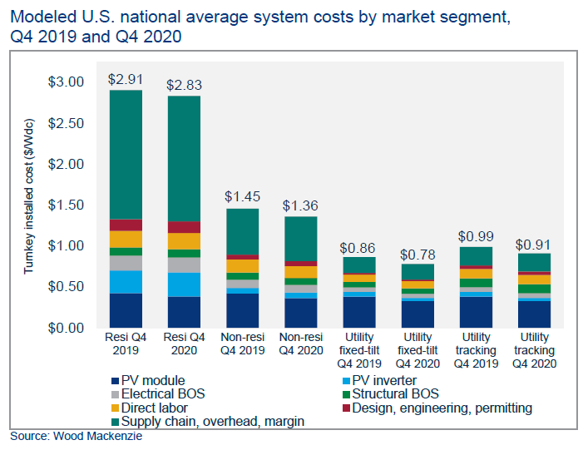
 |  | http://www2.seia.org/SMI-ES |  |  |  |  |  |  | ctext | 0.00003
 |  |  |  |  |  |  |  |  | cleat | 0
seia.org |  |  |  |  |  |  |  |  | cprnt | 0
 |  |  |  |  |  |  |  |  | cpetr-d | 0.00188
 |  |  |  |  |  |  |  |  | cpetr-h | 0.00062
 |  |  |  |  |  |  |  |  | crubb | 0.00001
 |  |  |  |  |  |  |  |  | cplas | 0.00001
 |  |  |  |  |  |  |  |  | cnmet | 0.00003
 |  |  |  |  |  |  |  |  | cnfrm | 0.00152
 |  |  |  |  |  |  |  |  | cmetp | 0.0027
 |  |  |  |  |  |  |  |  | cmach_e | 0.17191
 |  | Utility Tracking |  |  |  |  |  |  | cemch_e | 0.0724
 |  | seia | CGE sectors |  |  |  |  |  | csequ | 0.03627
 |  | PV Module | cmach_e |  |  |  |  |  | cvehi | 0.11017
 |  | Electrical BOS | cemch_e |  |  |  |  |  | ctequ | 0.01296
 |  | Direct Labour | ccons_e |  |  |  |  |  | cfurn | 0.02618
 |  | Supply Chain, overhead margin |  |  |  |  |  |  | coman | 0.00175
 |  | PV inverter | cemch_e |  |  |  |  |  | ccons_e | 0.48737
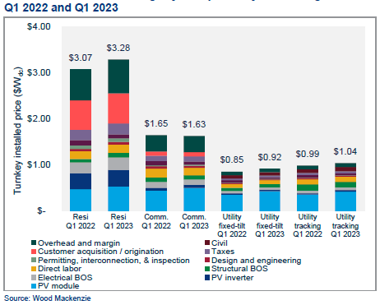
 |  | Structural BOS | ccons_e |  |  |  |  |  | cbsrv | 0.07421
 |  | Design, engineering, permitting

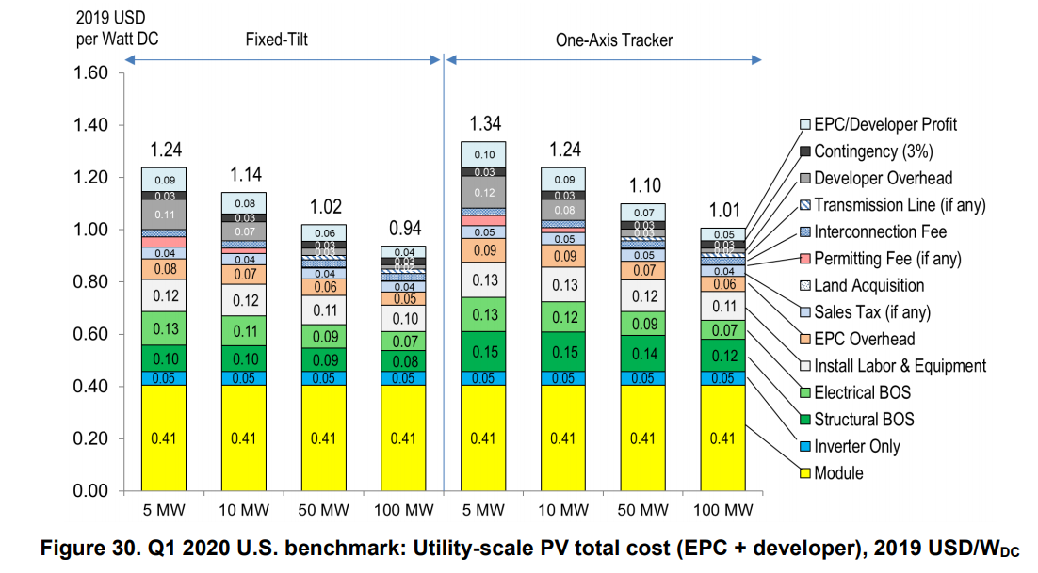
https://www.nrel.gov/docs/fy21osti/77324.pdf |  |  |  |  |  | 1.6
 |  |  |  |  | PV Util | PV rooftop
 |  |  | Module | cmach_e | 0.4 | 0.4 |  |  |  | https://www.nrel.gov/docs/fy23osti/84774.pdf
 |  |  | Inverter | cemch_e | 0.05 | 0.05
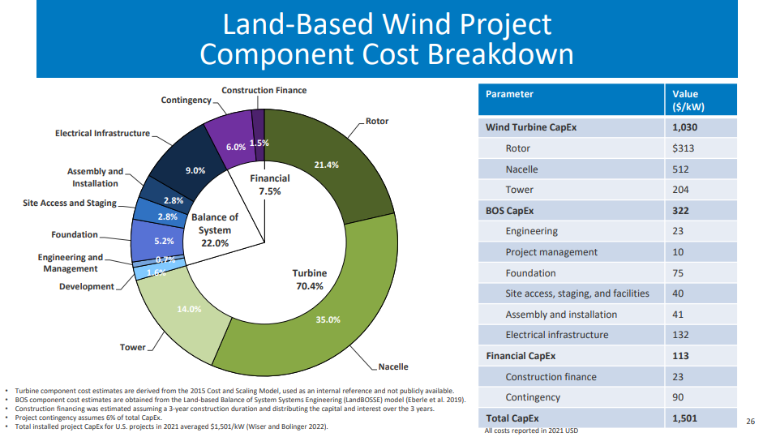
 |  |  | Structural BOS | ccons_e | 0.12 | 0.192
 |  |  | Electrical BOS+inverter | cemch_e | 0.12 | 0.192
 |  |  | Install labour and equipment | ccons_e | 0.11 | 0.176
 |  |  | metal products | cmetp
 |  |  | Services | cbsrv | 0.2 | 0.32

 |  |  |  |  | 1 | 1.33
 |  |  |  |  |  |  |  |  |  |  | cmach_e | 313
 |  |  |  |  | PV Util | PV rooftop | Wind | Util Battery |  |  | cmach_e | 512
 |  |  |  | ccons_e | 23% | 28% | 8% | 5% |  |  | cmetp | 204
 |  |  |  | cmach_e | 40% | 30% | 56% | 58%
 |  |  |  | cemch_e | 17% | 18% | 9% | 15% |  |  | cbsrv | 23
 |  |  |  | cmetp | 0% | 0% | 14% | 0% |  |  | cbsrv | 10
 |  |  |  | cbsrv | 20% | 24% | 13% | 21% |  |  | ccons_e | 75
 |  |  |  |  |  |  |  |  |  |  | cbsrv | 40
 |  |  |  |  |  |  |  |  |  |  | ccons_e | 41
 |  |  |  |  |  |  |  |  |  |  | cemch_e | 132

 |  |  |  |  |  |  |  |  |  |  | cbsrv | 23
 |  |  |  |  |  |  |  |  |  |  | cbsrv | 90
 |  |  |  |  |  |  |  |  |  |  |  | 1463

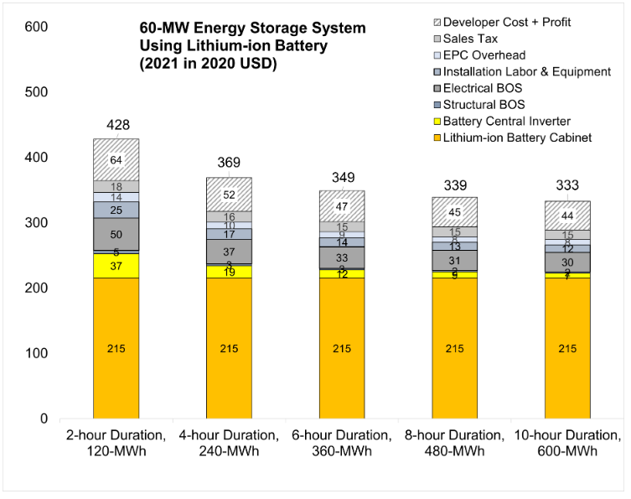
 | https://atb.nrel.gov/electricity/2022/utility-scale_battery_storage
 |  |  |  | 4-hr duration
 |  |  | cbsrv | 52
 |  |  | cbsrv | 16
 |  |  | cbsrv | 10
 |  |  | ccons_e | 17
 |  |  | cemch_e | 37
 |  |  | ccons_e | 3
 |  |  | cemch_e | 19
 |  |  | cmach_e | 215
 |  |  |  | 369

IEA ETP23 materials
IEA ETP2023 | Figure 1.9
 | Critical minerals
 | Copper | lithium | Nickel | Manganese | Cobalt | Graphite | Silicon | Rare earths | Platinum | other
Natural gas | 1150 |  |  |  |  |  |  |  |  | 50
Coal | 1180 |  | 610 | 60 | 120 |  |  |  |  | 450
Nuclear | 1500 |  | 1270 | 150 |  |  |  |  |  | 2250
Solar PV | 2850 |  |  |  |  |  | 3800
Onshore wind | 2900 |  | 400 | 780 |  |  |  |  |  | 6050
Offshore wind | 8000 |  | 210 | 780 |  |  |  |  |  | 6125
 |  |  |  | Critical minerals
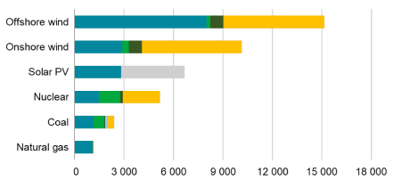
 |  |  |  |  | Copper | lithium | Nickel | Manganese | Cobalt | Graphite | Silicon | Rare earths | Platinum | other
 |  |  |  | Natural gas | 1150 |  |  |  |  |  |  |  |  | 50 |  | 1200
 |  |  |  | Coal | 1180 |  | 610 | 60 | 120 |  |  |  |  | 450
 |  |  |  | Nuclear | 1500 |  | 1270 | 150 |  |  |  |  |  | 2250
 |  |  |  | Solar PV | 2850 |  |  |  |  |  | 3800
 |  |  |  | Onshore wind | 2900 |  | 400 | 780 |  |  |  |  |  | 6050 |  | 10130
 |  |  |  | Offshore wind | 8000 |  | 210 | 780 |  |  |  |  |  | 6125 |  | 15115

 |  |  |  | Bulk materials

 |  |  |  |  | Steel | Aluminium | Cement | Plastic | Glass | Total |  |  | Steel | Aluminium | Cement | Plastic | Glass
 |  |  |  | Natural gas | 26500 | 1000 | 6400 | 3400 | 0 | 37,300 |  | Natural gas | 26.5 | 1 | 6.4 | 3.4
 |  |  |  | Coal | 68000 | 800 | 35500 | 0 | 0 | 104,300 |  | Coal | 68 | 0.8 | 35.5
 |  |  |  | Nuclear | 61000 | 0 | 74500 | 0 | 0 | 135,500 |  | Nuclear | 61 |  | 74.5
 |  |  |  | Solar PV | 62000 | 19000 | 7500 | 7200 | 46000 | 141,700 |  | Solar PV | 62 | 19 | 7.5 | 7.2 | 46
 |  |  |  | Onshore wind | 131000 | 0 | 49500 | 0 | 8000 | 188,500 |  | Onshore wind | 131 |  | 49.5 |  | 8
 |  |  |  | Offshore wind | 0 | 0 | 0 | 0 | 0 | - |  | Offshore wind

 | Copper | lithium | Nickel | Manganese | Cobalt | Graphite
H2 Pipes
Overhead AC trans
HV-DC trans | 30
Distribution cable | 440

 | kg/MW/km

 |  |  |  |  | Copper | lithium | Nickel | Manganese | Cobalt | Graphite | Silicon | Rare earths | Platinum | other
 |  |  |  | H2 Pipes
 |  |  |  | Overhead AC trans
 |  |  |  | HV-DC trans | 30
 |  |  |  | Distribution cable | 440

 |  |  |  |  |  |  |  | not familiar with these techs, but these numbers seem a bit low

 | Steel | Aluminium | Cement | Plastic | Glass
H2 Pipes | 78
Overhead AC trans | 66 | 11
HV-DC trans
Distribution cable

 |  |  |  |  | Steel | Aluminium | Cement | Plastic | Glass
 |  |  |  | H2 Pipes | 78
 |  |  |  | Overhead AC trans | 66 | 11
 |  |  |  | HV-DC trans
 |  |  |  | Distribution cable

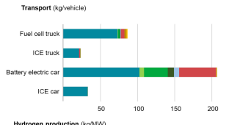
 |  | Critical minerals |  |  |  |  |  |  |  |  |  |  |  | Bulk materials
 |  | Transport (kg/mw) | copper | lithium | nickel | mangansese | cobalt | graphite | silicon | rare earths | platinum | other critical | total | Steel | Aluminimum | Cement | Plastic | Glass
 |  |  | light blue | light green | green | dark blue | lilac | red | ochre | yellow
 |  | fuel cell truck |  |  |  |  |  |  |  |  |  |  |  | 9500 | 2400 |  | 300 | 190 | 12490
 |  | ICE truck |  |  |  |  |  |  |  |  |  |  |  | 10100 | 2200 |  | 400 | 200 | 12900
 |  | battery eletric car |  |  |  |  |  |  |  |  |  |  |  | 1000 | 2000 |  | 200 | 50 | 1450
 |  | ICE car |  |  |  |  |  |  |  |  |  |  |  | 800 | 200 |  | 300 | 50 | 1450

 |  | Hydrogen production (kg/mw)
 |  | PEM |  |  |  |  |  |  |  |  |  |  |  | 6850 | 50 |  |  |  | 7000
 |  | Alkaline |  |  |  |  |  |  |  |  |  |  |  | 3340 | 100 |  |  |  | 3440
 |  | Gas-CCS H2 |  |  |  |  |  |  |  |  |  |  |  |  | 100 | 8100 |  |  | 8200
 | https://www.concawe.eu/wp-content/uploads/Battery-raw-materials-article.pdf
 |  | Power generation (kg/MW)
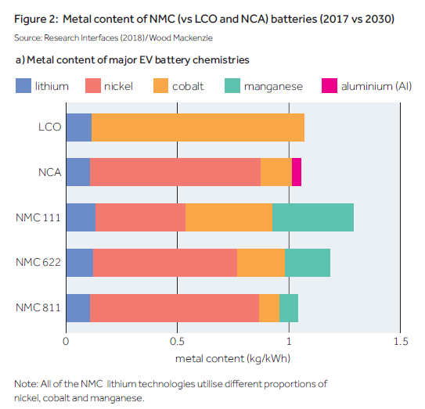
 |  | Offshore wind | 7800 |  | 300 | 800 |  |  |  |  |  | 6100 | 15100
 |  | Onshore wind | 2800 |  | 400 | 800 |  |  |  |  |  | 6100 | 10100
 |  | Solar PV | 2800 |  |  |  |  |  | 3800 |  |  |  | 6600
 |  | Nuclear | 1400 |  | 1300 | 100 |  |  |  |  |  | 2200
 |  | Coal | 1200 |  | 700 | 40 | 100 |  |  |  |  | 350 | 2390
 |  | Natural gas | 1050 |  |  |  |  |  |  |  |  | 50 | 1100

 |  | Infrastructure ( kg, Mw, km)
 |  | Distoribution cable | 430
 |  | HV-DC transmission cable | 32
 |  | OVerhead AC transmission line
 |  | H2 pipelines

 |  | building heating (kg/kW)
 |  | heat pump
 |  | gas boiler

MaterialInputs
 | MATSTL | MATCEM | MATALU | MATGLS | MATPLT | MATCOP | MATNIC | MATMNG | MATCOB | MATLIT | MATZNC | MATSIL | Need to add missing links here |  |  |  |  |  |  |  |  |  |  |  |  |  |  |  |  |  |  |  |  |  |  |  | 1%
 |  |  |  |  |  |  |  |  |  |  |  |  | Reference |  |  |  |  |  |  |  |  |  |  |  |  |  |  |  |  |  |  |  |  |  |  |  |  |  | Learning could be on ncap cost or assumption e.g. 1%/year as per
1000 | tons/MW (kton/GW) |  |  |  |  |  |  |  |  |  |  |  | Rand/ton | 18000 | 1000 | 42000 | 18000 | 9000 | 144000 | 56000 | 630000 |  |  |  |  |  |  |  |  |  |  |  |  |  |  |  | 1 |  |  |  |  |  |  | 2 |  |  |  |  |  |  | 3 |  |  |  |  |  |  | 4 |  |  |  |  |  |  | 5 |  |  |  |  |  |  | 6 |  |  |  |  |  |  | 7 |  |  |  |  |  |  | 8 |  |  |  |  |  |  | 9 |  |  |  |  |  |  | 10
 | Bulk Materials |  |  |  |  | Critical Materials |  |  |  |  |  |  |  | R/kW |  |  |  |  |  |  |  |  |  | Share of total |  |  |  |  |  |  |  |  |  |  | ~TFM_INS-TS |  |  |  |  |  |  | ~TFM_INS-TS |  |  |  |  |  |  | ~TFM_INS-TS |  |  |  |  |  |  | ~TFM_INS-TS |  |  |  |  |  |  | ~TFM_INS-TS |  |  |  |  |  |  | ~TFM_INS-TS |  |  |  |  |  |  | ~TFM_INS-TS |  |  |  |  |  |  | ~TFM_INS-TS |  |  |  |  |  |  | ~TFM_INS-TS |  |  |  |  |  |  | ~TFM_INS-TS
 | Steel | Cement | Aluminium | Glass | Plastic | Copper | Nickel | Manganese | Cobalt | Lithium | Zinc | SiliconWafer |  | Steel | Cement | Aluminium | Glass | Plastic | Copper | Zinc | SiliconWafer |  |  | Steel | Cement | Aluminium | Glass | Plastic | Copper | Zinc | SiliconWafer | Total R/kW | Actual R/kW | Balance R/kW | PSET_Set | Attribute | Commodity | 0 | 2017 | 2030 | 2050 | PSET_Set | Attribute | Commodity | 0 | 2017 | 2030 | 2050 | PSET_Set | Attribute | Commodity | 0 | 2017 | 2030 | 2050 | PSET_Set | Attribute | Commodity | 0 | 2017 | 2030 | 2050 | PSET_Set | Attribute | Commodity | 0 | 2017 | 2030 | 2050 | PSET_Set | Attribute | Commodity | 0 | 2017 | 2030 | 2050 | PSET_Set | Attribute | Commodity | 0 | 2017 | 2030 | 2050 | PSET_Set | Attribute | Commodity | 0 | 2017 | 2030 | 2050 | PSET_Set | Attribute | Commodity | 0 | 2017 | 2030 | 2050 | PSET_Set | Attribute | Commodity | 0 | 2017 | 2030 | 2050
EPumpStorage | 61 | 74.5 | 0 | 0 | 0 | 1.5 |  |  |  |  |  |  |  |  |  |  |  |  |  |  |  |  |  |  |  |  |  |  |  |  |  |  |  |  | EPumpStorage | NCAP_ICOM | MATSTL | 3 | 61 |  |  | EPumpStorage | NCAP_ICOM | MATCEM | 3 | 74.5 |  |  | EPumpStorage | NCAP_ICOM | MATALU | 3 | 0 |  |  | EPumpStorage | NCAP_ICOM | MATGLS | 3 | 0 |  |  | EPumpStorage | NCAP_ICOM | MATPLT | 3 | 0 |  |  | EPumpStorage | NCAP_ICOM | MATCOP | 3 | 1.5 |  |  | EPumpStorage | NCAP_ICOM | MATNIC | 3 |  |  |  | EPumpStorage | NCAP_ICOM | MATMNG | 3 |  |  |  | EPumpStorage | NCAP_ICOM | MATCOB | 3 |  |  |  | EPumpStorage | NCAP_ICOM | MATLIT | 3
EBiomass |  |  |  |  |  |  |  |  |  |  |  |  |  |  |  |  |  |  |  |  |  |  |  |  |  |  |  |  |  |  |  |  |  |  | EBiomass | NCAP_ICOM | MATSTL | 3 | 0 |  |  | EBiomass | NCAP_ICOM | MATCEM | 3 | 0 |  |  | EBiomass | NCAP_ICOM | MATALU | 3 | 0 |  |  | EBiomass | NCAP_ICOM | MATGLS | 3 | 0 |  |  | EBiomass | NCAP_ICOM | MATPLT | 3 | 0 |  |  | EBiomass | NCAP_ICOM | MATCOP | 3 | 0 |  |  | EBiomass | NCAP_ICOM | MATNIC | 3 |  |  |  | EBiomass | NCAP_ICOM | MATMNG | 3 |  |  |  | EBiomass | NCAP_ICOM | MATCOB | 3 |  |  |  | EBiomass | NCAP_ICOM | MATLIT | 3
EHydro |  |  |  |  |  |  |  |  |  |  |  |  |  |  |  |  |  |  |  |  |  |  |  |  |  |  |  |  |  |  |  |  |  |  | EHydro | NCAP_ICOM | MATSTL | 3 | 0 |  |  | EHydro | NCAP_ICOM | MATCEM | 3 | 0 |  |  | EHydro | NCAP_ICOM | MATALU | 3 | 0 |  |  | EHydro | NCAP_ICOM | MATGLS | 3 | 0 |  |  | EHydro | NCAP_ICOM | MATPLT | 3 | 0 |  |  | EHydro | NCAP_ICOM | MATCOP | 3 | 0 |  |  | EHydro | NCAP_ICOM | MATNIC | 3 |  |  |  | EHydro | NCAP_ICOM | MATMNG | 3 |  |  |  | EHydro | NCAP_ICOM | MATCOB | 3 |  |  |  | EHydro | NCAP_ICOM | MATLIT | 3
EImports |  |  |  |  |  |  |  |  |  |  |  |  |  |  |  |  |  |  |  |  |  |  |  |  |  |  |  |  |  |  |  |  |  |  | EImports | NCAP_ICOM | MATSTL | 3 | 0 |  |  | EImports | NCAP_ICOM | MATCEM | 3 | 0 |  |  | EImports | NCAP_ICOM | MATALU | 3 | 0 |  |  | EImports | NCAP_ICOM | MATGLS | 3 | 0 |  |  | EImports | NCAP_ICOM | MATPLT | 3 | 0 |  |  | EImports | NCAP_ICOM | MATCOP | 3 | 0 |  |  | EImports | NCAP_ICOM | MATNIC | 3 |  |  |  | EImports | NCAP_ICOM | MATMNG | 3 |  |  |  | EImports | NCAP_ICOM | MATCOB | 3 |  |  |  | EImports | NCAP_ICOM | MATLIT | 3
EPV_Grid | 71.7 | 10.2 | 7.5 | 46.4 | 8.6 | 4.6 |  |  |  |  | 3.4 | 3.8 |  | 1290.6 | 10.2 | 315 | 835.2 | 77.4 | 662.4 | 190.4 | 2394 |  |  | 22% | 0% | 5% | 14% | 1% | 11% | 3% | 41% | 5775.2 | 14722 | 8946.8 | EPV_Grid | NCAP_ICOM | MATSTL | 3 | 71.7 | 63.00 | 51.63 | EPV_Grid | NCAP_ICOM | MATCEM | 3 | 10.2 | 8.96 | 7.35 | EPV_Grid | NCAP_ICOM | MATALU | 3 | 7.5 | 6.59 | 5.40 | EPV_Grid | NCAP_ICOM | MATGLS | 3 | 46.4 | 40.77 | 33.41 | EPV_Grid | NCAP_ICOM | MATPLT | 3 | 8.6 | 7.56 | 6.19 | EPV_Grid | NCAP_ICOM | MATCOP | 3 | 4.6 | 4.04 | 3.31 | EPV_Grid | NCAP_ICOM | MATNIC | 3 |  |  |  | EPV_Grid | NCAP_ICOM | MATMNG | 3 |  |  |  | EPV_Grid | NCAP_ICOM | MATCOB | 3 |  |  |  | EPV_Grid | NCAP_ICOM | MATLIT | 3
EPV_RfTp | 35.8 | 5.1 | 11 | 46.4 | 8.6 | 4.6 |  |  |  |  | 1.7 | 3.8 |  | 644.4 | 5.1 | 462 | 835.2 | 77.4 | 662.4 | 95.2 | 2394 |  |  | 12% | 0% | 9% | 16% | 1% | 13% | 2% | 46% | 5175.7 | 16022 | 10846.3 | EPV_RfTp | NCAP_ICOM | MATSTL | 3 | 35.8 | 31.46 | 25.78 | EPV_RfTp | NCAP_ICOM | MATCEM | 3 | 5.1 | 4.48 | 3.67 | EPV_RfTp | NCAP_ICOM | MATALU | 3 | 11 | 9.67 | 7.92 | EPV_RfTp | NCAP_ICOM | MATGLS | 3 | 46.4 | 40.77 | 33.41 | EPV_RfTp | NCAP_ICOM | MATPLT | 3 | 8.6 | 7.56 | 6.19 | EPV_RfTp | NCAP_ICOM | MATCOP | 3 | 4.6 | 4.04 | 3.31 | EPV_RfTp | NCAP_ICOM | MATNIC | 3 |  |  |  | EPV_RfTp | NCAP_ICOM | MATMNG | 3 |  |  |  | EPV_RfTp | NCAP_ICOM | MATCOB | 3 |  |  |  | EPV_RfTp | NCAP_ICOM | MATLIT | 3
ECSP |  |  |  |  |  |  |  |  |  |  |  |  |  | 0 | 0 | 0 | 0 | 0 | 0 | 0 | 0 |  |  |  |  |  |  |  |  |  |  |  |  | 0 | ECSP | NCAP_ICOM | MATSTL | 3 | 0 |  |  | ECSP | NCAP_ICOM | MATCEM | 3 | 0 |  |  | ECSP | NCAP_ICOM | MATALU | 3 | 0 |  |  | ECSP | NCAP_ICOM | MATGLS | 3 | 0 |  |  | ECSP | NCAP_ICOM | MATPLT | 3 | 0 |  |  | ECSP | NCAP_ICOM | MATCOP | 3 | 0 |  |  | ECSP | NCAP_ICOM | MATNIC | 3 |  |  |  | ECSP | NCAP_ICOM | MATMNG | 3 |  |  |  | ECSP | NCAP_ICOM | MATCOB | 3 |  |  |  | ECSP | NCAP_ICOM | MATLIT | 3
EWind | 178 | 71.4 | 1.4 | 8.2 | 2.9 | 2 |  |  |  |  | 5.5 |  |  | 3204 | 71.4 | 58.8 | 147.6 | 26.1 | 288 | 308 | 0 |  |  | 78% | 2% | 1% | 4% | 1% | 7% | 8% | 0% | 4103.9 | 17575 | 13471.1 | EWind | NCAP_ICOM | MATSTL | 3 | 178 | 156.40 | 128.18 | EWind | NCAP_ICOM | MATCEM | 3 | 71.4 | 62.74 | 51.42 | EWind | NCAP_ICOM | MATALU | 3 | 1.4 | 1.23 | 1.01 | EWind | NCAP_ICOM | MATGLS | 3 | 8.2 | 7.21 | 5.90 | EWind | NCAP_ICOM | MATPLT | 3 | 2.9 | 2.55 | 2.09 | EWind | NCAP_ICOM | MATCOP | 3 | 2 | 1.76 | 1.44 | EWind | NCAP_ICOM | MATNIC | 3 |  |  |  | EWind | NCAP_ICOM | MATMNG | 3 |  |  |  | EWind | NCAP_ICOM | MATCOB | 3 |  |  |  | EWind | NCAP_ICOM | MATLIT | 3
Ebattery_Utility | 1.3846153846 | 0 | 5.3076923077 | 0 | 1.6923076923 | 2.1846153846 | 0.47692307692 | 0.43076923077 | 0.47692307692 | 0.15384615385 |  |  |  |  |  |  |  |  |  |  |  |  |  |  |  |  |  |  |  |  |  |  |  |  | Ebattery_Utility | NCAP_ICOM | MATSTL | 3 | 1.3846153846 | 1.22 | 1.00 | Ebattery_Utility | NCAP_ICOM | MATCEM | 3 | 0 | 0.00 | 0.00 | Ebattery_Utility | NCAP_ICOM | MATALU | 3 | 5.3076923077 | 4.66 | 3.82 | Ebattery_Utility | NCAP_ICOM | MATGLS | 3 | 0 | 0.00 | 0.00 | Ebattery_Utility | NCAP_ICOM | MATPLT | 3 | 1.6923076923 | 1.49 | 1.22 | Ebattery_Utility | NCAP_ICOM | MATCOP | 3 | 2.1846153846 | 1.92 | 1.57 | Ebattery_Utility | NCAP_ICOM | MATNIC | 3 | 0.47692307692 | 0.42 | 0.34 | Ebattery_Utility | NCAP_ICOM | MATMNG | 3 | 0.43076923077 | 0.38 | 0.31 | Ebattery_Utility | NCAP_ICOM | MATCOB | 3 | 0.47692307692 | 0.42 | 0.34 | Ebattery_Utility | NCAP_ICOM | MATLIT | 3 | 0.15384615385 | 0.14 | 0.11
Ecoal | 68 | 35.5 | 0.8 | 0 | 0 | 1.18 |  |  |  |  |  |  |  | 1224 | 35.5 | 33.6 | 0 | 0 | 169.92 | 0 | 0 |  |  | 84% | 2% | 2% | 0% | 0% | 12% | 0% | 0% | 1463.02 |  |  | Ecoal | NCAP_ICOM | MATSTL | 3 | 68 |  |  | Ecoal | NCAP_ICOM | MATCEM | 3 | 35.5 |  |  | Ecoal | NCAP_ICOM | MATALU | 3 | 0.8 |  |  | Ecoal | NCAP_ICOM | MATGLS | 3 | 0 |  |  | Ecoal | NCAP_ICOM | MATPLT | 3 | 0 |  |  | Ecoal | NCAP_ICOM | MATCOP | 3 | 1.18 |  |  | Ecoal | NCAP_ICOM | MATNIC | 3 |  |  |  | Ecoal | NCAP_ICOM | MATMNG | 3 |  |  |  | Ecoal | NCAP_ICOM | MATCOB | 3 |  |  |  | Ecoal | NCAP_ICOM | MATLIT | 3
EGas | 26.5 | 6.4 | 1 | 0 | 3.4 | 1.15 |  |  |  |  |  |  |  | 477 | 6.4 | 42 | 0 | 30.6 | 165.6 | 0 | 0 |  |  | 66% | 1% | 6% | 0% | 4% | 23% | 0% | 0% | 721.6 |  |  | EGas | NCAP_ICOM | MATSTL | 3 | 26.5 |  |  | EGas | NCAP_ICOM | MATCEM | 3 | 6.4 |  |  | EGas | NCAP_ICOM | MATALU | 3 | 1 |  |  | EGas | NCAP_ICOM | MATGLS | 3 | 0 |  |  | EGas | NCAP_ICOM | MATPLT | 3 | 3.4 |  |  | EGas | NCAP_ICOM | MATCOP | 3 | 1.15 |  |  | EGas | NCAP_ICOM | MATNIC | 3 |  |  |  | EGas | NCAP_ICOM | MATMNG | 3 |  |  |  | EGas | NCAP_ICOM | MATCOB | 3 |  |  |  | EGas | NCAP_ICOM | MATLIT | 3
ENuclear | 61 | 74.5 | 0 | 0 | 0 | 1.5 |  |  |  |  |  |  |  | 1098 | 74.5 | 0 | 0 | 0 | 216 | 0 | 0 |  |  | 79% | 5% | 0% | 0% | 0% | 16% | 0% | 0% | 1388.5 |  |  | ENuclear | NCAP_ICOM | MATSTL | 3 | 61 |  |  | ENuclear | NCAP_ICOM | MATCEM | 3 | 74.5 |  |  | ENuclear | NCAP_ICOM | MATALU | 3 | 0 |  |  | ENuclear | NCAP_ICOM | MATGLS | 3 | 0 |  |  | ENuclear | NCAP_ICOM | MATPLT | 3 | 0 |  |  | ENuclear | NCAP_ICOM | MATCOP | 3 | 1.5 |  |  | ENuclear | NCAP_ICOM | MATNIC | 3 |  |  |  | ENuclear | NCAP_ICOM | MATMNG | 3 |  |  |  | ENuclear | NCAP_ICOM | MATCOB | 3 |  |  |  | ENuclear | NCAP_ICOM | MATLIT | 3
EOil | 26.5 | 6.4 | 1 | 0 | 3.4 | 1.15 |  |  |  |  |  |  |  |  |  |  |  |  |  |  |  |  |  |  |  |  |  |  |  |  |  |  |  |  | EOil | NCAP_ICOM | MATSTL | 3 | 26.5 |  |  | EOil | NCAP_ICOM | MATCEM | 3 | 6.4 |  |  | EOil | NCAP_ICOM | MATALU | 3 | 1 |  |  | EOil | NCAP_ICOM | MATGLS | 3 | 0 |  |  | EOil | NCAP_ICOM | MATPLT | 3 | 3.4 |  |  | EOil | NCAP_ICOM | MATCOP | 3 | 1.15 |  |  | EOil | NCAP_ICOM | MATNIC | 3 |  |  |  | EOil | NCAP_ICOM | MATMNG | 3 |  |  |  | EOil | NCAP_ICOM | MATCOB | 3 |  |  |  | EOil | NCAP_ICOM | MATLIT | 3
Etrans | 25.4 |  | 4.2 |  |  | 11.566744186 |  |  |  |  |  |  |  |  |  |  |  |  |  |  |  |  |  |  |  |  |  |  |  |  |  |  |  |  | Etrans | NCAP_ICOM | MATSTL | 3 | 25.446837209 |  |  | Etrans | NCAP_ICOM | MATCEM | 3 | 0 |  |  | Etrans | NCAP_ICOM | MATALU | 3 | 4.2411395349 |  |  | Etrans | NCAP_ICOM | MATGLS | 3 | 0 |  |  | Etrans | NCAP_ICOM | MATPLT | 3 | 0 |  |  | Etrans | NCAP_ICOM | MATCOP | 3 | 11.566744186 |  |  | Etrans | NCAP_ICOM | MATNIC | 3 |  |  |  | Etrans | NCAP_ICOM | MATMNG | 3 |  |  |  | Etrans | NCAP_ICOM | MATCOB | 3 |  |  |  | Etrans | NCAP_ICOM | MATLIT | 3
Edist_Residential |  |  |  |  |  | 29.29 |  |  |  |  |  |  |  |  |  |  |  |  |  |  |  |  |  |  |  |  |  |  |  |  |  |  |  |  | Edist_Residential | NCAP_ICOM | MATSTL | 3 | 0 |  |  | Edist_Residential | NCAP_ICOM | MATCEM | 3 | 0 |  |  | Edist_Residential | NCAP_ICOM | MATALU | 3 | 0 |  |  | Edist_Residential | NCAP_ICOM | MATGLS | 3 | 0 |  |  | Edist_Residential | NCAP_ICOM | MATPLT | 3 | 0 |  |  | Edist_Residential | NCAP_ICOM | MATCOP | 3 | 29.28930131 |  |  | Edist_Residential | NCAP_ICOM | MATNIC | 3 |  |  |  | Edist_Residential | NCAP_ICOM | MATMNG | 3 |  |  |  | Edist_Residential | NCAP_ICOM | MATCOB | 3 |  |  |  | Edist_Residential | NCAP_ICOM | MATLIT | 3
Edist_Agriculture |  |  |  |  |  | 29.29 |  |  |  |  |  |  |  |  |  |  |  |  |  |  |  |  |  |  |  |  |  |  |  |  |  |  |  |  | Edist_Agriculture | NCAP_ICOM | MATSTL | 3 | 0 |  |  | Edist_Agriculture | NCAP_ICOM | MATCEM | 3 | 0 |  |  | Edist_Agriculture | NCAP_ICOM | MATALU | 3 | 0 |  |  | Edist_Agriculture | NCAP_ICOM | MATGLS | 3 | 0 |  |  | Edist_Agriculture | NCAP_ICOM | MATPLT | 3 | 0 |  |  | Edist_Agriculture | NCAP_ICOM | MATCOP | 3 | 29.28930131 |  |  | Edist_Agriculture | NCAP_ICOM | MATNIC | 3 |  |  |  | Edist_Agriculture | NCAP_ICOM | MATMNG | 3 |  |  |  | Edist_Agriculture | NCAP_ICOM | MATCOB | 3 |  |  |  | Edist_Agriculture | NCAP_ICOM | MATLIT | 3
Edist_Industry |  |  |  |  |  | 29.29 |  |  |  |  |  |  |  |  |  |  |  |  |  |  |  |  |  |  |  |  |  |  |  |  |  |  |  |  | Edist_Industry | NCAP_ICOM | MATSTL | 3 | 0 |  |  | Edist_Industry | NCAP_ICOM | MATCEM | 3 | 0 |  |  | Edist_Industry | NCAP_ICOM | MATALU | 3 | 0 |  |  | Edist_Industry | NCAP_ICOM | MATGLS | 3 | 0 |  |  | Edist_Industry | NCAP_ICOM | MATPLT | 3 | 0 |  |  | Edist_Industry | NCAP_ICOM | MATCOP | 3 | 29.28930131 |  |  | Edist_Industry | NCAP_ICOM | MATNIC | 3 |  |  |  | Edist_Industry | NCAP_ICOM | MATMNG | 3 |  |  |  | Edist_Industry | NCAP_ICOM | MATCOB | 3 |  |  |  | Edist_Industry | NCAP_ICOM | MATLIT | 3
Edist_Commercial |  |  |  |  |  | 29.29 |  |  |  |  |  |  |  |  |  |  |  |  |  |  |  |  |  |  |  |  |  |  |  |  |  |  |  |  | Edist_Commercial | NCAP_ICOM | MATSTL | 3 | 0 |  |  | Edist_Commercial | NCAP_ICOM | MATCEM | 3 | 0 |  |  | Edist_Commercial | NCAP_ICOM | MATALU | 3 | 0 |  |  | Edist_Commercial | NCAP_ICOM | MATGLS | 3 | 0 |  |  | Edist_Commercial | NCAP_ICOM | MATPLT | 3 | 0 |  |  | Edist_Commercial | NCAP_ICOM | MATCOP | 3 | 29.28930131 |  |  | Edist_Commercial | NCAP_ICOM | MATNIC | 3 |  |  |  | Edist_Commercial | NCAP_ICOM | MATMNG | 3 |  |  |  | Edist_Commercial | NCAP_ICOM | MATCOB | 3 |  |  |  | Edist_Commercial | NCAP_ICOM | MATLIT | 3
Edist_Transport |  |  |  |  |  | 29.29 |  |  |  |  |  |  |  |  |  |  |  |  |  |  |  |  |  |  |  |  |  |  |  |  |  |  |  |  | Edist_Transport | NCAP_ICOM | MATSTL | 3 | 0 |  |  | Edist_Transport | NCAP_ICOM | MATCEM | 3 | 0 |  |  | Edist_Transport | NCAP_ICOM | MATALU | 3 | 0 |  |  | Edist_Transport | NCAP_ICOM | MATGLS | 3 | 0 |  |  | Edist_Transport | NCAP_ICOM | MATPLT | 3 | 0 |  |  | Edist_Transport | NCAP_ICOM | MATCOP | 3 | 29.28930131 |  |  | Edist_Transport | NCAP_ICOM | MATNIC | 3 |  |  |  | Edist_Transport | NCAP_ICOM | MATMNG | 3 |  |  |  | Edist_Transport | NCAP_ICOM | MATCOB | 3 |  |  |  | Edist_Transport | NCAP_ICOM | MATLIT | 3
 |  | Tx | Dx | See VT_REGION1_ELC.xls!ProcDataTnD
 | Capacity | 86 | 24.39
 | Distance | 33.158 | 366.4 |  |  |  |  |  |  |  |  |  |  |  |  |  |  |  |  |  |  | Direct Inputs (iwts)
 |  |  |  | Wind | Source: Manufacturing Circle 2022 |  |  |  |  |  |  |  |  |  |  |  |  |  |  |  |  | construction_energy | ccons_e
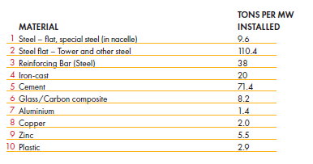
 |  |  |  |  |  |  |  |  |  |  |  |  |  |  |  |  |  |  |  |  |  | machinery_energy | cmach_e
 |  |  |  |  |  |  |  |  |  |  |  |  |  |  |  |  |  |  |  |  |  |  | cemch_e
 |  |  |  |  |  |  |  |  |  |  |  |  |  |  | EWind | EPV_Grid | EPV_RfTp |  |  |  |  |  | cmetp
 |  |  |  |  |  |  |  |  |  |  |  |  | Bulk Materials | Steel | 178 | 71.7 | 35.8
 |  |  |  |  |  |  |  |  |  |  |  |  |  | Cement | 71.4 | 10.2 | 5.1 |  |  |  |  | Indirect via acons_e
 |  |  |  |  |  |  |  |  |  |  |  |  |  | Aluminium | 1.4 | 7.5 | 11 |  |  |  |  | metal products | cmetp | 0.5
 |  |  |  |  |  |  |  |  |  |  |  |  |  | Glass | 8.2 | 46.4 | 46.4 |  |  |  |  | cement | ccmnt |  | 1
 |  |  |  |  |  |  |  |  |  |  |  |  |  | Aluminium | 1.4 | 7.5 | 11 |  |  |  |  | non metallic minerals | cnmet |  |  |  | 1
 |  |  |  |  |  |  |  |  |  |  |  |  |  | Plastic | 2.9 | 8.6 | 8.6 |  |  |  |  | non ferrous metals | cnfrm |  |  | 0.9 |  |  | 0.9 | 0.9
 |  |  |  |  |  |  |  |  |  |  |  |  |  | Copper | 2 | 4.6 | 4.6 |  |  |  |  | plastics | cplas |  |  |  |  | 1
 |  |  |  |  |  |  |  |  |  |  |  |  |  | Zinc | 5.5 | 3.4 | 1.7 |  |  |  |  | machinery | cmach |  |  | 0.1
 |  |  |  |  |  |  |  |  |  |  |  |  |  | SiliconWafer |  | 0.04 | 0.04 |  |  |  |  | scientific equipment | csequ |  |  |  |  |  |  |  | 1
 |  |  |  |  |  |  |  |  |  |  |  |  |  |  |  |  |  |  |  |  |  | electrical machinery | cemch
 |  |  |  | PV
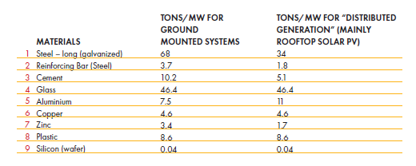
 |  |  |  |  |  |  |  |  |  |  |  |  |  |  |  |  |  |  |  |  |  | Indirect via amach_e
 |  |  |  |  |  |  |  |  |  |  |  |  |  |  |  |  |  |  |  |  |  | iron and steel | ciron | 0.5

 |  |  |  |  |  |  |  |  |  |  |  |  |  |  |  |  |  |  |  |  |  | Perhaps the way to connect the material with the activities is to add a mining sector for each "raw" commodity such as copper, and to disagregate other commodities such as glass out of non-ferrous metals in the cge
 |  |  |  |  |  |  |  |  |  |  |  |  |  |  |  |  |  |  |  |  |  | So disaggegating the mining and metal ores sectors in the CGE. We can also do like with energy commodities and use price to turn money flows into tons.
 |  |  |  |  |  |  |  |  |  |  |  |  |  |  |  |  |  |  |  |  |  | For materials we don't produce enough or not at all, then add them to the list of commodities we import
 |  |  |  |  |  |  |  |  |  |  |  |  |  |  |  |  |  |  |  |  |  | Then we'd some kind of multiplier analysis on the "raw material" for the main inputs for investment: ccons_e, cmach_e, cemach_e.
 |  |  |  |  |  |  |  |  |  |  |  |  |  | something weird with silicon - IEA has 3.8Tons/MW. |  |  |  |  |  |  |  | Then we’d need to have a vector for these main inputs for each tech type, and follow the same approach as done for main inputs. This vector would require a bit of an iterative process to hit more or less the same material inputs we get from IEA etc…
 |  |  |  |  |  |  |  |  |  |  |  |  |  |  |  |  |  |  |  |  |  | Then we'd have to see whether the capital and labour requirements of the main inputs are adequate to turn the raw material into the machinery that is required for the different tech types, and adjust those coefficients accordingly.
 |  |  |  |  |  |  |  |  |  |  |  |  |  |  |  |  |  |  |  |  |  | It might be a good idea to simply split out some of the large components like PV panels, Wind turbines, and batteries as commodities in CGE. This might help linking in the material inputs.

BATTERY MATERIAL INPUTS

DOI 10.1149/2.0271701jes
Jan Diekmann et al 2017 J. Electrochem. Soc. 164 A6184

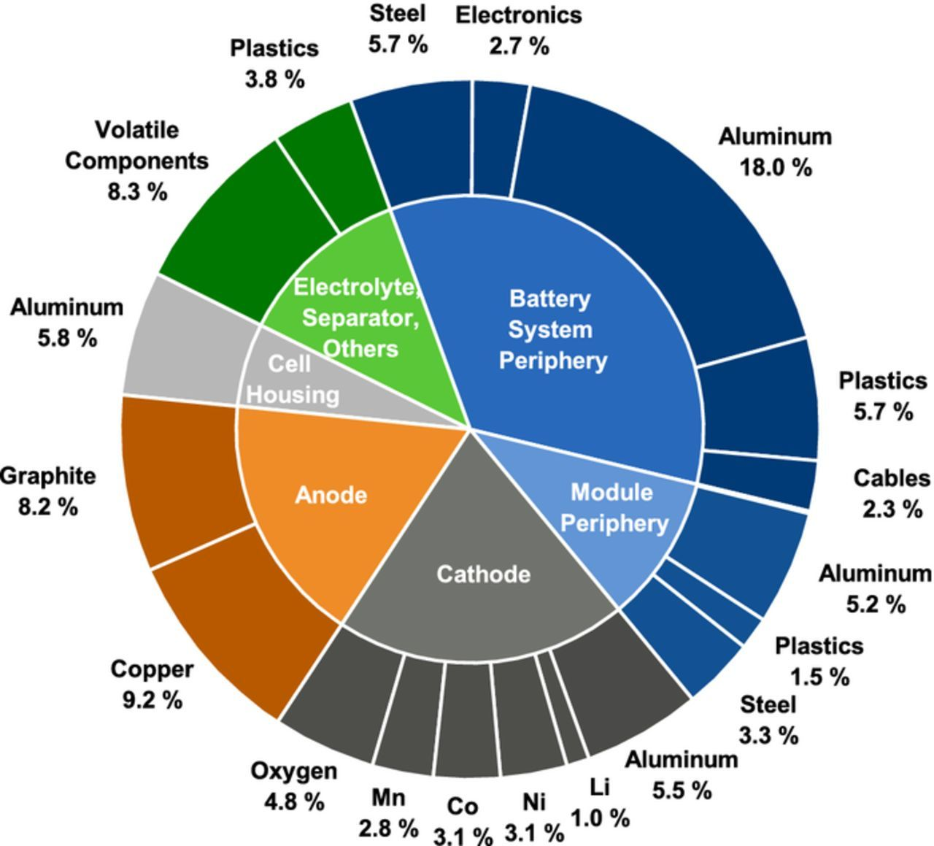
 |  |  |  |  |  |  |  |  |  |  |  |  | Mass of materials
 |  |  |  |  |  |  |  |  |  |  |  |  |  |  |  |  |  |  |  |  |  |  |  |  |  |  |  |  | At 4hr storage
 |  |  |  |  |  |  |  |  |  |  |  |  |  |  |  |  |  |  |  |  |  |  |  | then |  |  | then
 |  |  |  |  |  |  |  |  |  |  |  |  |  |  |  | % maass | Assign/keep |  | Summarised |  |  | avg. kg per battery |  | inferred kg |  |  | tonnes/MWh |  | tonnes/MW
 |  |  |  |  |  |  |  |  |  |  |  |  | battery system peripheral |  | Steel | 5.7 | Steel |  | Steel | 9% |  |  |  | 31.59 |  |  | 0.34615384615 |  | 1.3846153846
 |  |  |  |  |  |  |  |  |  |  |  |  |  |  | Electronics | 2.7 | Copper |  | Copper | 14% |  |  |  | 49.842 |  |  | 0.54615384615 |  | 2.1846153846
 |  |  |  |  |  |  |  |  |  |  |  |  |  |  | Aluminium | 18 | Aluminium |  | Aluminium | 35% |  |  |  | 121.095 |  |  | 1.3269230769 |  | 5.3076923077
 |  |  |  |  |  |  |  |  |  |  |  |  |  |  | Plastics | 5.7 | Plastic |  | Plastic | 11% |  |  |  | 38.61 |  |  | 0.42307692308 |  | 1.6923076923
 |  |  |  |  |  |  |  |  |  |  |  |  |  |  | cables | 2.3 | copper
 |  |  |  |  |  |  |  |  |  |  |  |  | Module periphery |  | Aluminium | 5.2 | Aluminium
 |  |  |  |  |  |  |  |  |  |  |  |  |  |  | Plastics | 1.5 | Plastic
 |  |  |  |  |  |  |  |  |  |  |  |  |  |  | Steel | 3.3 | Steel
 |  |  |  |  |  |  |  |  |  |  |  |  | cathode |  | Aluminium | 5.5 | Aluminium
 |  |  |  |  |  |  |  |  |  |  |  |  |  |  | Lithium | 1 | Lithium |  | Lithium | 1% |  | 3.5 |  | 3.51 |  |  | 0.038461538462 |  | 0.15384615385
 |  |  |  |  |  |  |  |  |  |  |  |  |  |  | Nickel | 3.1 | Nickel |  | Nickel | 3% |  | 10.9 |  | 10.881 |  |  | 0.11923076923 |  | 0.47692307692
 |  |  |  |  |  |  |  |  |  |  |  |  |  |  | Cobalt | 3.1 | Cobalt |  | Cobalt | 3% |  | 10.9 |  | 10.881 |  |  | 0.11923076923 |  | 0.47692307692
 |  |  |  |  |  |  |  |  |  |  |  |  |  |  | Manganese | 2.8 | Manganese |  | Manganese | 3% |  | 9.8 |  | 9.828 |  |  | 0.10769230769 |  | 0.43076923077
 |  |  |  |  |  |  |  |  |  |  |  |  |  |  | Oxygen | 4.8 | Others |  | Others | 21% |  |  |  | 74.8332 |  |  | 0.82 |  | 3.28
 |  |  |  |  |  |  |  |  |  |  |  |  | Anode |  | Copper | 9.2 | Copper
 |  |  |  |  |  |  |  |  |  |  |  |  |  |  | Graphite | 8.2 | Others |  |  |  |  | 35.1 | kg
 |  |  |  |  |  |  |  |  |  |  |  |  | Cell housing |  | Aluminium | 5.8 | Aluminium |  |  |  |  | 10% | of mass
 |  |  |  |  |  |  |  |  |  |  |  |  | Electrolyte seperatore, others |  | VOC | 8.32 | Others |  |  |  |  |  |  | 260 | Wh/kg typical lithium battery density
 |  |  |  |  |  |  |  |  |  |  |  |  |  |  | Plastics | 3.8 | Plastic |  |  |  |  | 351 | kg total mass | 91260 | Wh
 |  |  |  |  |  |  |  |  |  |  |  |  |  |  |  |  |  |  |  |  |  |  |  | 0.091 | MWh

 |  |  | kg/ average cell
 |  | Lithium | 3.5
 |  | Nickel | 10.9
 |  | cobalt | 10.9
 |  | Manganese | 9.8

From SAM
Previous SAM Final VA |  |  |  |  |  |  |  |  |  |  |  |  | Previous SAM shares
 | aelec-cds | aelec-clw | aelec-nuc | aelec-hyd | aelec-spv | aelec-sth | aelec-wnd | aelec-was | aelec-gas | aelec-die |  |  |  | aelec-cds | aelec-clw | aelec-nuc | aelec-hyd | aelec-spv | aelec-sth | aelec-wnd | aelec-was | aelec-gas | aelec-die
flab-p | 0.01 | 635.44 | 55.74 | 15.56 | 1.26 | 1.90 | 0.19 | 0.45 | 0.00 | 0.04 | 710.58 | 5% | flab-p | 0.05 | 0.05 | 0.07 | 0.03 | 0.05 | 0.05 | 0.05 | 0.05 | 0.04 | 0.04
flab-m | 0.01 | 1615.63 | 74.47 | 52.02 | 2.25 | 3.38 | 0.34 | 0.83 | 0.00 | 0.08 | 1749.00 | 13% | flab-m | 0.14 | 0.14 | 0.10 | 0.12 | 0.09 | 0.09 | 0.09 | 0.10 | 0.08 | 0.08
flab-s | 0.03 | 3267.35 | 163.08 | 146.91 | 5.67 | 8.51 | 0.86 | 2.11 | 0.00 | 0.22 | 3594.75 | 27% | flab-s | 0.28 | 0.28 | 0.21 | 0.33 | 0.23 | 0.23 | 0.23 | 0.24 | 0.23 | 0.23
flab-t | 0.05 | 6267.34 | 477.03 | 230.63 | 15.59 | 23.38 | 2.36 | 5.30 | 0.00 | 0.60 | 7022.28 | 54% | flab-t | 0.53 | 0.53 | 0.62 | 0.52 | 0.63 | 0.63 | 0.63 | 0.61 | 0.64 | 0.64
 | 0.10 | 11785.75 | 770.31 | 445.12 | 24.77 | 37.16 | 3.75 | 8.69 | 0.01 | 0.94 | 13076.61 |  |  | 1.00 | 1.00 | 1.00 | 1.00 | 1.00 | 1.00 | 1.00 | 1.00 | 1.00 | 1.00
 | 0% | 90% | 6% | 3% | 0% | 0% | 0% | 0% | 0% | 0%

Kallie Techs |  |  |  |  |  |  |  |  |  |  |  |  | Kalie Techs - Shares
 | aelec-coa | aelec-nuc | aelec-hyd | aelec-sol | aelec-spv | aelec-sth | aelec-wnd | aelec-geo | aelec-was | aelec-gas | aelec-die |  |  | aelec-coa | aelec-nuc | aelec-hyd | aelec-sol | aelec-spv | aelec-sth | aelec-wnd | aelec-geo | aelec-was | aelec-gas | aelec-die
 |  |  |  |  |  |  |  |  |  |  |  |  |  | 0.11 | 0.16 | 0.08 | 0.11 | 0.10 | 0.10 | 0.11 | 0.11 | 0.11 | 0.10 | 0.10
 |  |  |  |  |  |  |  |  |  |  |  |  |  | 0.26 | 0.19 | 0.23 | 0.19 | 0.17 | 0.17 | 0.19 | 0.19 | 0.19 | 0.17 | 0.17
 |  |  |  |  |  |  |  |  |  |  |  |  |  | 0.25 | 0.20 | 0.31 | 0.22 | 0.23 | 0.23 | 0.22 | 0.22 | 0.23 | 0.23 | 0.23
 |  |  |  |  |  |  |  |  |  |  |  |  |  | 0.38 | 0.46 | 0.38 | 0.48 | 0.50 | 0.50 | 0.48 | 0.48 | 0.46 | 0.50 | 0.50
 |  |  |  |  |  |  |  |  |  |  |  |  |  | 1.00 | 1.00 | 1.00 | 1.00 | 1.00 | 1.00 | 1.00 | 1.00 | 1.00 | 1.00 | 1.00

 |  |  |  |  |  |  |  |  |  |  |  |  |  |  |  |  |  |  |  | From BCG report 2021
...
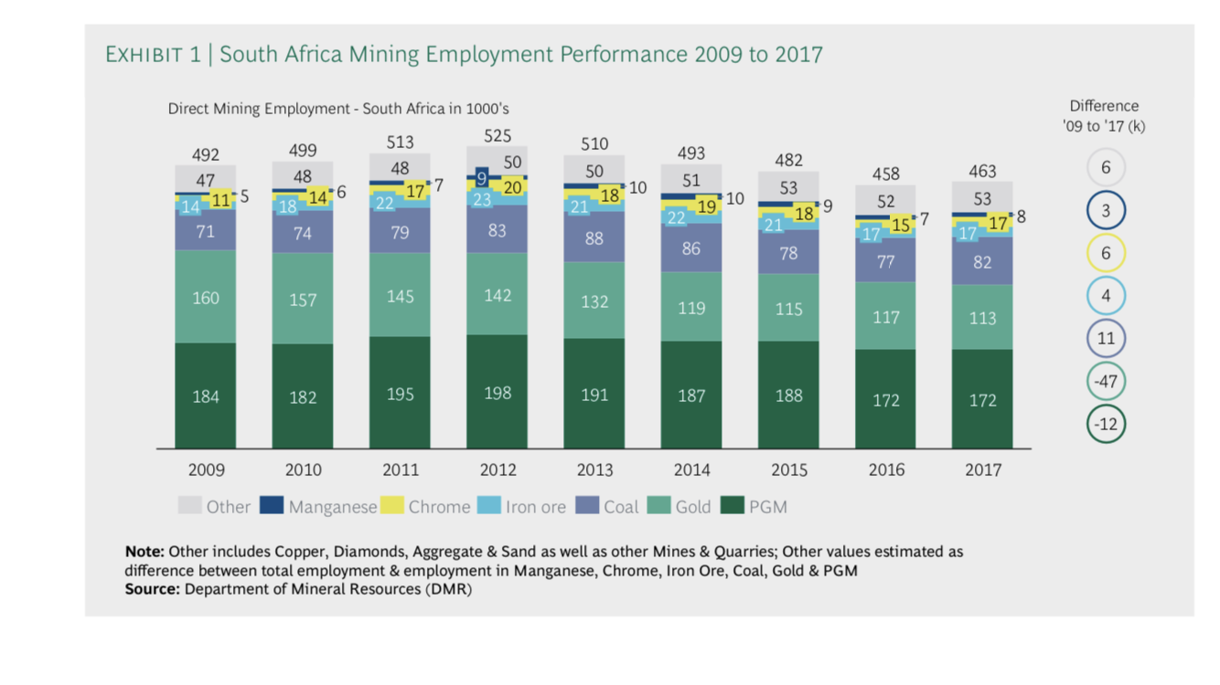
 |  |  |  |  |  |  |  |  |  |  |  |  |  | QF*WF*WFDist [bR] |  | SAM check [bR]
 |  |  |  |  |  |  |  |  |  |  |  |  |  |  |  |  | aelec
 |  |  |  |  |  |  |  |  |  |  |  |  |  | 0.410 |  | flab-p | 0.41
 |  |  |  |  |  |  |  |  |  |  |  |  |  | 0.479 |  | flab-m | 0.483
 |  |  |  |  |  |  |  |  |  |  |  |  |  | 2.433 |  | flab-s | 2.444
 |  |  |  |  |  |  |  |  |  |  |  |  |  | 19.904 |  | flab-t | 19.861
 |  |  |  |  |  |  |  |  |  |  |  |  |  |  |  |  | 23.198
 |  |  |  |  |  |  |  |  |  |  |  |  |  |  |  | avg | 0.321
...

ElecBY
 | 41.02
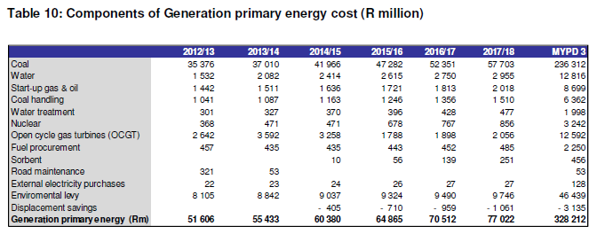
...
0.6588
...

LabourInputs
...
 |  |  |  |  |  |  |  |  |  |  |  |  |  |  |  | O&M Jobs | MW | Annual O&M Jobs/GW | Capacity Factor | TWh | Jobs/TWh | Job years/GW
 |  |  |  |  |  |  |  |  |  |  |  |  |  |  |  | 508 | 3,840 | 132 | 75% | 25.2 | 20.1
 |  |  |  |  |  |  |  |  |  |  |  |  |  |  |  | 476 | 3720 | 128 | 75% | 24.4 | 19.5
 |  |  |  |  |  |  |  |  |  |  |  |  |  |  |  | 659 | 3480 | 189 | 75% | 22.9 | 28.8
 |  |  |  |  |  |  |  |  |  |  |  |  |  |  |  | 649 | 3540 | 183 | 75% | 23.3 | 27.9
 |  |  |  |  |  |  |  |  |  |  |  |  |  |  |  |  |  | 206 |  |  | 31
 |  |  |  |  |  |  |  |  |  |  |  |  |  |  |  |  |  |  |  |  |  |  | http://www.eskom.co.za/Whatweredoing/ElectricityGeneration/KoebergNuclearPowerStation/TheKoebergExperience/Pages/The_Koeberg_Experience.aspx
 |  |  |  |  |  |  |  |  |  |  |  |  |  |  |  | 1200 | 1860 | 645 | 80% | 13.0 | 92.1
...
 |  |  |  |  |  |  |  |  |  |  |  |  |  |  |  | O&M Jobs | MW | Annual O&M Jobs/GW | Capacity Factor | TWh | Jobs/TWh | Job years/GW
 |  |  |  |  |  |  |  |  |  |  |  |  |  |  |  |  |  |  |  |  |  | http://www.energy.gov.za/files/IEP/2016/IEP-AnnexureB-Macroeconomic-Assumptions.pdf
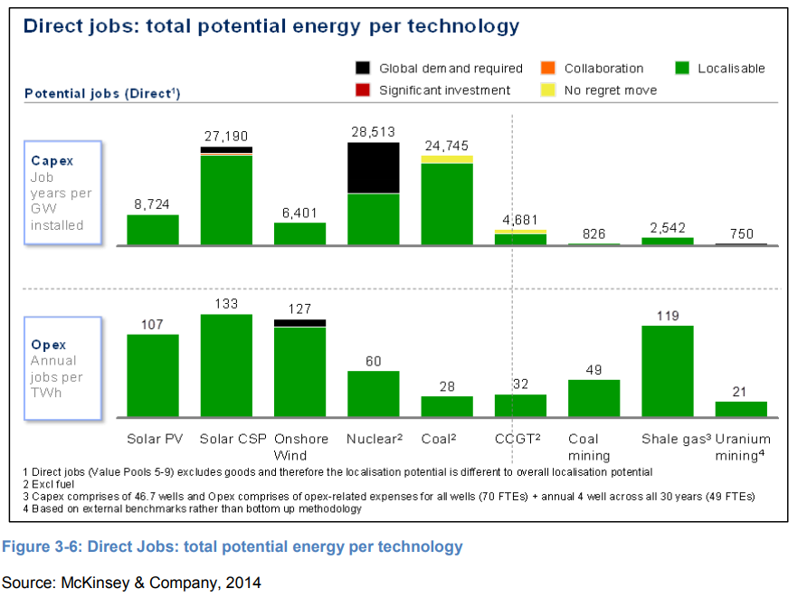
...
 |  |  |  |  |  |  |  |  |  |  |  |  |  |  |  | O&M Jobs | MW | Annual O&M Jobs/GW | Capacity Factor | TWh | Jobs/TWh | Job years/GW
 |  |  |  |  |  |  |  |  |  |  |  |  |  |  |  | GW | Employees | jobs/GW/yr |  | jobs/TWh
 |  |  |  |  |  |  |  |  |  |  |  |  |  |  |  | 35.84 | 7388 | 206 | This seems too low
 | This Study | 153 | 98 | 50.8 | 92.1 | 376 | 311 | 333 | 645 |  |  |  | 12 | Matimba |  | 0.67 |  | 0
 |  |  |  |  |  |  |  |  |  |  |  |  | 12 | 476 |  | 1.86 | 1200 | 645
 |  |  |  |  |  |  |  |  |  |  |  |  | 13 | Matla |  | 2.46 |  | 0
 |  |  |  |  |  |  |  |  |  |  |  |  | 13 | 659 |  | 1.58 |  | 0
 |  |  |  |  |  |  |  |  |  |  |  |  | 14 | Medupi |  | 42.41
 |  |  |  |  |  |  |  |  |  |  |  |  | 14 | 293 |  | GW | jobs
 |  |  |  |  |  |  |  |  |  |  |  |  | 15 | Tutuka |  | 43.910 | 15221.333333
 |  |  |  |  |  |  |  |  |  |  |  |  | 15 | 649 |  | 42.050 | 14021.333333 | 333 | Will use this | 50.752558954
...
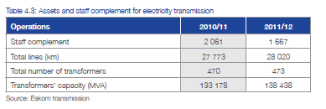
 | BWR | Tech | O&M job years | MW | O&M job years /GW | Life | Annual O&M Jobs/GW | Capacity Factor | Annual TWh | Annual Jobs/TWh | Cumul TWh | Job years/TWh |  |  | Plant | O&M Jobs | MW | Annual O&M Jobs/GW | Capacity Factor | TWh | Jobs/TWh | Job years/GW
 |  |  |  |  |  |  |  |  |  |  |  |  | CAMDEN | 1,520
 |  |  | 2012 |  |  |  |  |  |  |  |  |  | GROOTVLEI | 360
 | nat | base | 3.730645 |  |  |  |  |  |  |  |  |  | KOMATI | 200
 | nat | base | 4.245748 |  |  |  |  |  |  |  |  |  | ARNOT | 2,220
 | nat | base | 14.047689 |  |  |  |  |  |  |  |  |  | DUVHA | 3,480
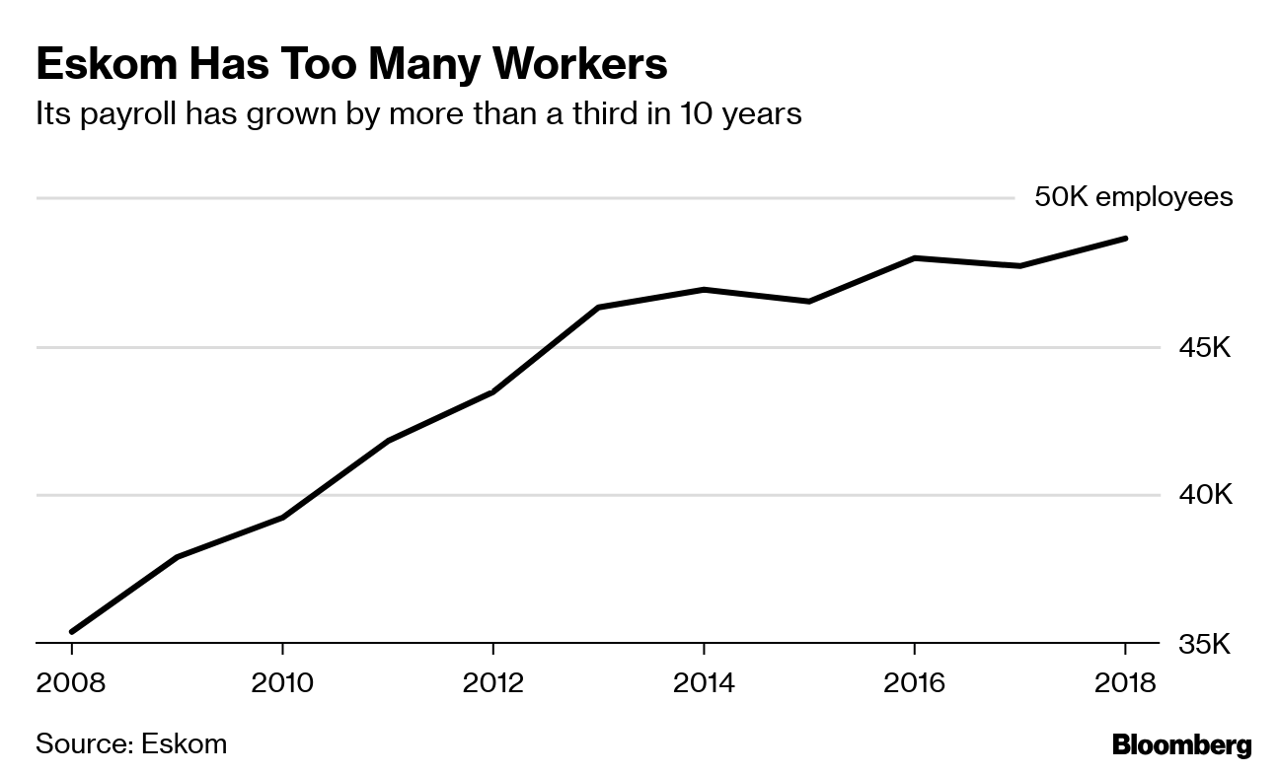
 | nat | base | 50.291948 |  |  |  |  |  |  |  |  |  | HENDRINA | 1,900
 |  |  |  |  |  |  |  |  |  |  |  |  | KENDAL | 3,840
 |  |  | 72.3 |  |  |  |  |  |  |  |  |  | KRIEL | 2,880
 |  |  | 44 |  |  |  |  |  |  |  |  |  | LETHABO | 3,540
 |  |  | 28 |  |  |  |  |  |  |  |  |  | MAJUBA DRY | 1,830
 |  |  | 28 |  |  |  |  |  |  |  |  |  | MAJUBA WET | 2,010
 |  |  |  |  |  |  |  |  |  |  |  |  | MATIMBA | 3,720
 |  |  | 16 |  |  |  |  |  |  |  |  |  | MATLA | 3,480
 |  |  | 8.6 |  |  |  |  |  |  |  |  |  | TUTUKA | 3,540
Other (Tx+Head office) |  |  | 7 |  |  |  |  |  |  |  |  |  | KELVIN A | 50
 |  |  |  |  |  |  |  |  |  |  |  |  | KELVIN B | 160
 |  |  |  |  |  |  |  |  |  |  |  |  | PRETORIA WEST | 90
From NERSA |  |  |  | Head Office/other |  |  |  |  |  |  |  |  | ROOIWAL | 180
 | Generation | Transmission | Tx+Other Corporate | Other corporate | Finance+HR | Eskom Rotek | New build | Distribution | Total |  |  |  | Sasol Infrachem | 150
Eskom Optimal staffing vision in 2019 | 10.107 | 2.005 |  | 2.135 | 1.889 | 5.164 | 1.441 | 10.508 | 33.249 |  |  |  | Sasol SSF | 500
Eskom 2012 | 12.42 | 1.67 |  | 7.83 |  |  |  | 22.08 | 44 |  |  |  | OCGT liquid fuels Existing | 180
Munics 2012 | 1.08 |  |  | 3.7 |  |  |  | 23.48 | 28.27603 |  |  |  | OCGT liquid fuels Existing | 1350
Combined 2012 | 13.50 | 1.67 |  | 11.54603 |  |  |  | 45.56 | 72.3 |  |  |  | OCGT liquid fuels Existing | 750
This Study | 15.221 |  | 9.773 |  |  |  |  | 47.281 | 72.276 |  |  |  | OCGT liquid fuels Existing | 180
 | Generation | Transmission | Tx+Other Corporate | Other corporate | Finance+HR | Eskom Rotek | New build | Distribution
Eskom Optimal staffing vision in 2019 | 10.107 | 2.005 |  | 2.135 | 1.889 | 5.164 | 1.441 | 10.508
Eskom 2012 | 12.42 | 1.67 |  | 7.83 |  |  |  | 22.08
Munics 2012 | 1.08 |  |  | 3.71603 |  |  |  | 23.48
Combined 2012 | 13.5 | 1.67 |  | 11.54603 |  |  |  | 45.56
This Study | 15.221333333 |  | 9.77303 |  |  |  |  | 47.281333333
 | 21% |  | 65% |  |  |  |  | 13.5% |  |  |  |  | Hydro Existing Region | 1500
 | Generation | Transmission | Tx+Other Corporate | Other corporate | Finance+HR | Eskom Rotek | New build | Distribution
Eskom 2012 | 12.42 | 1.67 |  | 7.8 |  |  |  | 22.08
Munics 2012 | 1.08 |  |  | 3.7 |  |  |  | 23.48
Combined 2012 | 13.5 | 1.67 |  | 11.5 |  |  |  | 45.56
This Study | 15.221333333 |  | 9.77303 |  |  |  |  | 47.281333333
Model 2050 |  |  | 41.0

Transmission Capacity |  | GW | 34.2 |  |  |  |  |  |  |  |  |  | Hydro existing South Africa | 65
Empl. (Tx only) |  | 000 empl./GW | 0.048830409357 |  |  |  |  |  |  |  |  |  | Hydro existing South Africa | 360
Empl. (Tx+HQ) |  |  | 0.28576111111 |  |  |  |  |  |  |  |  |  | Hydro existing South Africa | 240
 |  |  |  |  |  |  |  |  |  |  |  |  | Nuclear Existing | 1860

Distribution Details

Customer Category | Total Customers (million)
Domestic | 31.005621
Agriculture | 0.108553
Mining | 0.001125
Manufacturing/industrial | 0.031539
Commercial | 0.327467
Transport | 0.000616
General | 0.012408
Redistributors | 0.00103
Total | 31.488359

 | Weighting | 0.6 |  | 0.4
Satim sub-Sectors | BY Customers (m) | Share | BY Capacity (GW) | Share | weighted Share | Employment | 2012 Employment '000 empl./GW | If Include Eskom vision
EDist Residential | 31.005621 | 98% | 10.6821 | 29% | 71% | 33.41 | 3.128 | 25.23 | 2.362
EDist Agriculture | 0.108553 | 0% | 0.912 | 2% | 1% | 0.57 | 0.620 | 0.43 | 0.468
EDist Industry | 0.045072 | 0% | 18.7765 | 51% | 20% | 9.67 | 0.515 | 7.30 | 0.389
EDist Commercial | 0.328497 | 1% | 6.0609 | 16% | 7% | 3.40 | 0.562 | 2.57 | 0.424
Edist Transport | 0.000616 | 0% | 0.4507 | 1% | 0% | 0.23 | 0.514 | 0.17 | 0.388
...

