About and Log
About
This is the Ferro Alloys (FA) workbook.
This includes ferrochrome and ferromanganese

Changelog

25-Jul-23 | B Mccall | Joseph had put together the ferrochrome and ferromanganese workbooks. Am getting this set up to become the main workbook for ferroalloys.
 |  | Parts of the methodology (NetZero work) are not connected to the model inputs. Need to align this better.
 |  | Have removed all links to old ferromanganese workbook
28-Sep-23 | Mccall | Adjusting the existing capacity again so it declines a bit more gradually.

27-Feb-24 | Mccall | large overhaul of Chrome sector. Moved biochar based production out, as it was coming in too early.
 |  | Cleaned up the methodology more, and the sheets.
 |  | Added a couple extra new chrome techs - new premus etc.
 |  | Renamed a few things.

For future overhaul of this sector in the modelling
-> link PGM and FA.
https://www.mdpi.com/2075-163X/13/1/44
Reubens thesis as a paper.
Conclusions
From 2007 to 2020, the South African ferrochrome industry increased production by 18.9%, whilst the amount of chromite ore mined per ton of ferrochrome produced has reduced by 20%. These efficiency improvements have partly been enabled by the emergence of industrial symbioses with platinum-group metals mining companies, who provide chromium-rich tailings for beneficiation, pelletisation, and sintering for smelting by ferrochrome producers. Improvements in ore quality in the form of increased cold and hot strength have resulted in higher metallurgical efficiencies. The electrical energy intensity decreased by 17.6% over the review period. The increased use of closed furnaces, enabling the use of furnaces off gas for preheating, pre-reduction, and sintering has enabled these gains without increasing direct energy use significantly. In addition, the cogeneration of electricity from furnace gases has also contributed to the reductions in electricity intensity. Contrary to the expected increase in resource intensity due to declining ore grades, this industry has become more resource-efficient owing to it embracing industrial symbiosis, cleaner technology, and cleaner production methods.

Chrome methodology
Capacity

 | Reubens thesis
 | Furnace route | Characteristics
 | Open or semi- open submerged AC | · <30 MVA
 |  | · 70-75% Cr recovery
 |  | · 4300 kWh/t
 | Closed submerged arc AC | · >135 MVA
 |  | · 83-87% Cr recovery
 |  | · 3200 kWh/t
 | Prereduction preceding closed submerged arc AC | · 60 MVA
 |  | · 88-92% Cr recovery
 |  | · 2400 kWh/t (Electrical energy only)
 | Open DC | · 60 MVA
 |  | · 88-92% Cr recovery
 |  | · 4300 kWh/t

 | Company | Production capacity (kt/year) | GPS (Longtitude) | GPS (Longtitude) | Premus (lion) | Outukumpu | Conv. Closed | Semi-closed |  | Cogen? | Prereduce | Comment
 | Glencore Merafe (Xstrata) | 2000 | -25.6222 | 27.2191 | 0.72 | 1.28 |  |  | assume rest os Outukumpu | no
 | Samancor Chrome Limited | 1200 | ? | ? |  | 1.2 | 0.42 |  | Assume all closed + outukumpu. Henric assumed to be conventional |  | no
 | (Samancor)
 | Tata KZN | 150 | -28.7442 | 32.0214 |  |  | 0.15 |  | assume |  |  | Appear to be offline
 | Afarak (Probably now Zeetrust) | 110 | -26.1357 | 28.0470 |  |  | 0.11 |  | assume
 | Includes Mogale alloys processing plant
 | Hernic Ferrochrome | 420 | -25.6587 | 27.8285 |  |  |  |  |  |  |  | Now owned by Samancor
 | International Ferro Metals | 267 | -26.9032 | 26.8091 |  |  | 0.267 |  |  | 14 |  | 60% | MW | http://www.ifml.com/operations/project-development.html
 | (IFML)
 | ASA Metals (Newco) | 410 | -26.0376 | 28.0427 |  |  |  | 0.41 | https://www.miningweekly.com/print-version/asa-metals-builds-on-quality-2005-03-25
 | Assmang Chrome | 300 | -25.7155 | 30.2313 |  |  | 0.3
 | Total South African capacity | 4707

 |  | total capacity | 4.86 |  | 0.72 | 2.48 | 1.247 | 0.41 | Mt
 |  | technology intensity |  |  | 2400 | 3500 | 4100 | 4100 | kWh/t
 |  | total elec: | 17,202 |  | 1728 | 8680 | 5112.7 | 1681 | GWh
 |  | total gen: | 74 |  |  |  | 73.584
 |  | total net | 17,128

 |  |  | 3542 |  | kWh/t avg - SA
 |  |  | 3104 |  | kWh/t avg - Glencore

 | Capacity
 |  | ~FI_T
 |  | TechName | attribute | 2017 | 2026 | 2028 | 2030 | 2031 | 2032 | 2033 | 2034 | 2035 | 2036
 |  | IFCEAF-E | PRC_RESID | 4.86 | 4.86 | 4.26 | 3.66 | 3.06 | 2.46 | 1.86 | 1.26 | 0.66 | -

 |  |  |  |  |  | 0.6 | 0.6 | 0.6 | 0.6 | 0.6 | 0.6 | 0.6 |  |  | assumption: drop Capacity gradually

Energy and material use

 |  |  |  |  | Reductants (source: Gegiba and Russ) - tonnes
 |  |  |  | Electricity | total | Coal | Coke | Char | Anthracite
 |  | Conventional |  | 4100 | 0.69 | 0.2 | 0.27 | 0.123 | 0.097
 |  | Outukumpu |  | 3500 | 0.61 | 0.026 | 0.299 | 0.245 | 0.041
 |  | Premus |  | 2400

 |  | "Premus was to reduce use of coke (high cost)" - Naiker 2006 Xstrata alloys profile
 |  | "overall cant reduce reductants, just the type" - reuben thesis

summarise

 |  |  |  |  | Conventional closed | Outukumpu | Premus | Onsite Elec gen. (MW) | Notes | Reference
 |  | Energy | Electricity kWh/t FeCr |  | 4100 | 3500 | 2400 |  |  | Gediga and Russ
 |  |  |  |  |  |  |  |  |  |  |  |  |  |  | GJ/tonne
 |  | Reductants (tonnes per t FeCr) | Coal |  | 0.2 | 0.026 | 0.026 |  |  | Gediga and russ |  |  |  |  | 27
 |  |  | coke |  | 0.27 | 0.299 | 0.1495 |  | Premus tech: asume half coke, increased anthracite | Gediga and russ |  |  |  |  | 28
 |  |  | char |  | 0.123 | 0.245 | 0.245 |  |  | Gediga and russ |  |  | char is fossil coal |  | 28
 |  |  | anthracite |  | 0.097 | 0.041 | 0.1905 |  |  | Gediga and russ
 |  |  | subtotal |  | 0.69 | 0.611 | 0.611
 |  | Reductants as energy | Coal
 |  |  | coke
 |  |  | char
 |  |  | anthracite

 |  | Company capacity (Mt) | Glencore Merafe (Xstrata) |  |  | 1.28 | 0.72
 |  |  | Samancor Chrome Limited |  | 0.42 | 1.2 |  |  | Includes Henric smelter (now owned by Samancor)
 |  |  | Tata KZN |  | 0.15
 |  |  | Afarak (Probably now Zeetrust) |  | 0.11
 |  |  | International Ferro Metals |  | 0.267 |  |  | 14
 |  |  | ASA Metals (Newco) |  | 0.41 |  |  |  | assume converted to conventional
 |  |  | Assmang Chrome |  | 0.3
 |  |  | subtotal |  | 1.66 | 2.48 | 0.72
 |  | Total capacity |  |  | 4.86

Production by plant type |  | Assumed utilisation factors
 |  |  | Glencore Merafe (Xstrata) |  |  | 80% | 80%
 |  |  | Samancor Chrome Limited |  | 80% | 80%
 |  |  | Tata KZN |  | 0%
 |  |  | Afarak (Probably now Zeetrust) |  | 70% |  |  |  | 70%
 |  |  | International Ferro Metals |  | 70%
 |  |  | ASA Metals (Newco) |  | 70% |  |  |  |  |  |  |  |  | Demand
 |  |  | Assmang Chrome |  | 0% |  |  |  |  |  |  |  |  |  | ~FI_T
 |  |  |  |  |  |  |  | total here | Calibration check |  |  |  |  |  | Attribute | CommName | *Unit | 2017
 |  |  | Total production Mt |  | 0.8869 | 1.984 | 0.576 | 3.45 | 3.484 | Mt | SAMI 2018 report |  |  |  | Demand | IFACR | PJ | 3.48

Energy Calibration

 |  |  |  |  | Conventional closed | Outukumpu | Premus | Total

 |  |  |  | Consumption:
 |  |  |  | Electricity | 3636.29 | 6944 | 1382.4 | 11,963 | 14,414 | GWh | eskom incl. Manganese + silicon |  |  |  | CV MJ/kg
 |  |  |  | Coal | 0.18 | 0.05 | 0.01 | 0.24 |  | Mt |  |  |  |  | 24
 |  |  |  | Coke | 0.24 | 0.59 | 0.09 | 0.92 |  | Mt |  |  |  |  | 28
 |  |  |  | Char | 0.11 | 0.49 | 0.14 | 0.74 |  | Mt |  |  |  |  | 28
 |  |  |  | Anthracite | 0.09 | 0.08 | 0.11 | 0.28 |  | Mt |  |  |  |  | 28

 | Aggregate intensity numbers
 |  |  |  | Electricity | 3,470.56 | kWh/tonne
 |  |  |  | Coal+Anthracite | 3.95 | PJ/Mt
 |  |  |  | Coke+char | 20.63 | PJ/Mt |  |  | 0.88 | Mt Calibration fix
 |  |  |  |  |  |  |  |  | 2.7 | Mt - XMP coal for 2017 "mettalurgical" which is metals without steel sector
 |  |  |  |  |  |  |  |  | 0.16071428571 | Mt for Manganese
 |  |  |  |  |  |  |  |  | 4.5 | PJ for Mn

 | Summary chrome smelters, and smelters with biomass
 |  | Chrome existing | assume mixture of current tech
 |  | Chrome new | Based on premus tech |  |  |  |  |  |  |  |  |  |  |  | 0.68159466044
 |  | Chrome bio new | assume new is like premus most efficient route as above, but with biomass-char at 50% of the coke input

 |  |  | Chrome existing: |  |  |  | Chrome new |  | Chrome new biomass |  |  |  | Biomass charring plant:
 |  |  |  |  |  |  | Premus |  | Premus + biomass
 |  | Capacity Mt FeCr: | 4.86 |  | assume: |  |  |  |  |  |  |  |  |  |  |  |  |  |  | Costs for biomass based plant:
 |  | Capital cost | 7050.56 |  | 70% |  | 10072 |  | 11079 |  |  |  | 43.49 |  |  |  |  |  |  | 10% | assume extra for furnace operations, handling, other equipment
 |  | Production in 2017 | 3.484 |  | 72%
 |  | Lifespan |  |  |  |  | 20 |  | 20 |  |  |  | 10 |  |  |  |  |  |  | Costs for second stage pyrolysis:
 |  | efficiency |  |  |  |  |  |  |  |  |  |  | 33% |  |  |  |  |  |  | 30% | assume in addition
 |  | Inputs:
 |  | Electricity | 12.49 |  | PJ/Mt |  | 8.6 |  | 8.6 |  |  |  |  |  |  | carbon content: | PJ/Mt | Carbon Mt/Mt commodity
 |  | Coal | 3.95 |  | PJ/Mt |  | 5.8 |  | 5.8 |  |  |  |  |  | Coal | 86% | 27 | 0.86
 |  | Coke | 20.63 |  | PJ/Mt |  | 11.0 | added char to here | 5.5 | 50% | assump |  |  |  | Coke | 90% | 28 | 0.90
 |  | IndBiochar |  |  | PJ/Mt |  |  |  | 5.5 | 50% | assump |  |  |  | Char/biochar? | 86% | 31.5 | 0.86
 |  | Total carbon based inputs: | 21.96 |  |  |  | 15.0 |  | 14.7
 |  | Emissions factor |  |  |  |  |  |  |  |  |  |  |  |  |  |  |  |  | charcoal
 |  | CO2SP | 3.225 |  | from GHGinv |  | 3.639 |  | 2.486 |  |  |  |  |  |  |  |  |  | 7500 | kcal/kg | NOTE:This might actually be coal derived, not biomass. Char is 'activated carbon' basically. But the source of the carbon is not always clear in literature.
 |  |  | need to update this factor |  |  |  |  |  |  |  |  |  |  |  |  |  |  |  | 31500 | KJ/kg | http://www.fao.org/3/s4550e/s4550e09.htm#:~:text=Dried%20wood%20can%20give%204500,little%20around%207500%20Kcal%2Fkg.
 |  |  |  |  |  |  | assume:
 |  |  |  |  |  |  |  |  |  |  |  |  |  |  |  | ~FI_T
 |  |  |  |  |  |  |  |  |  |  |  |  |  |  |  | TechName | Comm-IN | Comm-OUT | ACT_EFF | NCAP_COST
 |  |  |  |  |  |  |  |  |  |  |  |  |  |  |  | IFABIOCHAR | INDBIW | IFACHA | 33% | 43.49

 |  |  |  |  |  |  | 10% | of capital
 |  | ~FI_T
 |  | TechName | Comm-IN | Comm-OUT | PRC_ACTFLO | PRC_CAPACT | NCAP_FOM | NCAP_COST | NCAP_TLIFE | NCAP_START | ENV_ACT~CO2SPIFC | NCAP_BND~UP
existing combination |  | IFCEAF-E | IISCKE |  | 20.63
 |  |  | INDCMU |  | 3.95
 |  |  | IFAELC |  | 12.49
 |  |  |  | IFACR |  | 1 | 705 |  |  |  | 3224.52
this is current (existing) tech combination but new |  | IFCEAF-N | IISCKE |  | 20.63
 |  |  | INDCMU |  | 3.95
 |  |  | IFAELC |  | 12.49
 |  |  |  | IFACR |  | 1 | 705 | 7050.56 | 20 | 2024 | 3224.52
this is premus |  | IFCEAFP-N | IISCKE |  | 11.0
 |  |  | INDCMU |  | 5.8
 |  |  | IFAELC |  | 8.6
 |  |  |  | IFACR |  | 1 | 1007 | 10072 | 20 | 2028 | 3224.52 | 0.8 |  | on the start of premus: it's already available (and deployed)
this is premus with added biomass |  | IFCEAFPB-N | IISCKE |  | 5.5
 |  |  | INDCMU |  | 5.8
 |  |  | IFAELC |  | 8.6
 |  |  | IFACHA |  | 5.5
 |  |  |  | IFACR |  | 1 | 1108 | 11079 | 20 | 2035 | 1354.4

 | Add mininum utilisation to the plants so we don’t get idling capacity

 |  | ~FI_T
 |  | TechName | attribute | 2017
 |  | IFCEAF-E | NCAP_AFA~LO | 0.60
 |  | IFCEAF-N | NCAP_AFA~LO | 0.60
 |  | IFCEAFP-N | NCAP_AFA~LO | 0.60
 |  | IFCEAFPB-N | NCAP_AFA~LO | 0.60

LITERATURE

 | Regulator approves Eskom tariff discounts for ferrochrome groups |  |  |  |  |  |  |  |  |  |  |  |  |  |  | Production
 | https://www.engineeringnews.co.za/article/regulator-approves-eskom-tariff-discounts-for-ferrochrome-groups-2023-11-06
 |  |  | MVA |  |  |  |  |  |  |  |  |  |  |  |  |  | From NIR 2017 (presumably SAMI is the source)
 | Glencore-Merafe Venture |  | 880 |  |  |  |  |  |  |  |  |  |  |  |  |  | Activity tonnes per year |  | Unit | 2012 | 2013 | 2014 | 2015 | 2016 | 2017
 |  | Boshoek | 130 |  |  |  |  |  |  |  |  |  |  |  |  |  | Ferrochromium |  | tonnes | 3,063,000 | 3,219,000 | 3,719,000 | 3,685,000 | 3,334,706 | 3,370,941
 |  | Wonderkop | 310 |  |  |  |  |  |  |  |  |  |  |  |  |  | Ferromanganeses (7% C) |  | tonnes | 706,000 | 681,000 | 814,263 | 492,000 | 684,017 | 707,123
 |  | Lion | 275 |  |  |  |  |  |  |  |  |  |  |  |  |  | Ferromanganeses (1% C) |  | tonnes | 177,000 | 163,000 | 194,737 | 123,000 | 163,139 | 155,494
 |  | Lyndenburg | 165 |  |  |  |  |  |  |  |  |  |  |  |  |  | Ferrosilicon 65% Si |  | tonnes | 83,100 | 78,400 | 87,700 | 138,000 | 105,948 | 104,183
 |  |  |  |  |  |  |  |  |  |  |  |  |  |  |  |  | Silicon metal |  | tonnes | 53,000 | 34,000 | 47,200 | 42,600 | 38,252 | 35,014
 | Samancore Chrome |  | 1363 |  | baseload sales of' |  | 7.6 | TWh
 |  | Ferrometals | 270
 |  | Middleburg Ferrochrome | 286 |  |  |  |  | Comment:
 |  | Tubatse ferrochrome | 245 |  |  |  |  | From the article it's not clear that these are all the operations |  |  |  |  |  |  |  |  | Summarised tonnes per year
 |  | Tubatse Alloy | 220 |  |  |  |  | or just the ones that got the tarriff approvals. |  |  |  |  |  |  |  |  |  |  |  |  |  |  |  |  |  |  | 2015 | 2016 | 2017
 |  | TC Smelters | 140 |  |  |  |  |  |  |  |  |  |  |  |  |  | FerroChrome |  |  | 3,063,000 | 3,219,000 | 3,719,000 | 3,685,000 | 3,334,706 | 3,370,941 | FerroChrome | 3,685,000 | 3,334,706 | 3,370,941
 |  | Dikwene Chrome | 202 |  |  |  |  |  |  |  |  |  |  |  |  |  | FerroManganese |  |  | 883,000 | 844,000 | 1,009,000 | 615,000 | 847,156 | 862,616 | FerroManganese | 615,000 | 847,156 | 862,616
 |  |  |  |  |  |  |  |  |  |  |  |  |  |  |  |  | FerroSilicon |  |  | 136,100 | 112,400 | 134,900 | 180,600 | 144,200 | 139,197 | FerroSilicon | 180,600 | 144,200 | 139,197
 |  |  |  |  |  |  |  |  |  |  |  |  |  |  |  |  |  |  |  | 4,082,100 | 4,175,400 | 4,862,900 | 4,480,600 | 4,326,061 | 4,372,754 | Total | 4,480,600 | 4,326,061 | 4,372,754

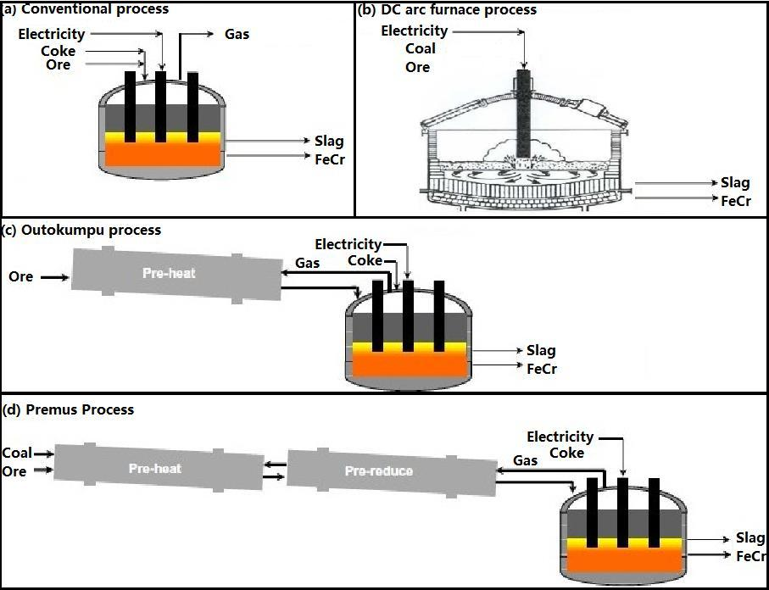
 | https://docplayer.net/86507326-Production-technologies-of-crm-from-primary.html
 | Chapter 7 |  |  |  |  |  |  |  |  |  |  |  |  |  |  | Capacity

 | Conventional (AF) |  |  |  |  |  |  |  |  |  |  |  |  |  |  |  |  |  | Max value 2005 - 2017 from NIR 2017
 | 4100 | kWh/t |  |  |  |  |  |  |  |  |  |  |  |  |  |  | Ferrochromium |  | 3,719,000
 |  |  |  |  |  |  |  |  |  |  |  |  |  |  |  |  | Ferromanganeses (7% C) |  | 814,263
 | DC |  |  |  |  |  |  |  |  |  |  |  |  |  |  |  | Ferromanganeses (1% C) |  | 350,000
 | no coke |  |  |  |  |  |  |  |  |  |  |  |  |  |  |  | Ferrosilicon 65% Si |  | 148,900
 | 4800 | kWh/t |  |  |  |  |  |  |  |  |  |  |  |  |  |  | Silicon metal |  | 58,800

 | Outukumpu
 | Pelletise, sinter, preheat
 | Recover CO gas for preheating |  |  |  |  |  |  |  |  |  |  |  |  |  |  |  | Summarised tonnes per year
 | 3500 | kWh/t
 |  |  |  |  |  |  |  |  |  |  |  |  |  |  |  |  | FerroChrome |  | 3,719,000 |  | 0.73051012156
 | Premus |  |  |  |  |  |  |  |  |  |  |  |  |  |  |  | FerroManganese |  | 1,164,263 |  | 0.22869209617
 | Sinter, pre-reduce, smelt |  |  |  |  |  |  |  |  |  |  |  |  |  |  |  | FerroSilicon |  | 207,700 |  | 0.040797782266
 | CO gas + Coal for pre-reduce |  |  |  |  |  |  |  |  |  |  |  |  |  |  |  | total: |  | 5,090,963
 | 2400 | kWh/t

 |  |  |  |  |  |  |  |  |  |  |  |  |  |  |  |  | From SAMI report 2018:

 |  |  |  |  |  |  |  |  |  |  |  |  |  |  |  |  | YEAR | PRODUCTION |  | LOCAL SALES |  | EXPORT SALES
 | Gediga and Russ: Life Cycle Inventory (LCI) update of primary Ferrochrome production, 2007 |  |  |  |  |  |  |  |  |  |  |  |  |  |  |  |  |  | Mass | Value | Unit Value | Mass Value |  | Unit Value
 |  |  |  |  |  |  |  |  |  |  |  |  |  |  |  |  |  | kt | kt | R' 000 | R/t | kt | R' 000 | R/t
 |  | Closed furnace without preheating |  |  |  |  |  |  |  |  |  |  |  |  |  |  | 2006 | 3030 | 353 | 1352224 | 3832 | 2581 | 10370421 | 4017
 |  | 4.27 | kWh/kg |  |  |  |  |  |  |  |  |  |  |  |  |  | 2007 | 3552 | 395 | 1995161 | 5047 | 2969 | 15520338 | 5227
 |  | 0.69 | kg reductants |  |  |  |  |  |  |  |  |  |  |  |  |  | 2008 | 3269 | 334 | 3415822 | 10227 | 2525 | 28355767 | 11230
 |  |  | of which: |  |  |  |  |  |  |  |  |  |  |  |  |  | 2009 | 2346 | 432 | 2252973 | 5215 | 2621 | 15881599 | 6059
 |  | 0.2 | coal |  |  |  |  |  |  |  |  |  |  |  |  |  | 2010 | 3607 | 397 | 2851837 | 7183 | 3116 | 24216069 | 7772
 |  | 0.27 | coke |  |  |  |  |  |  |  |  |  |  |  |  |  | 2011 | 3426 | 451 | 3430563 | 7620 | 3048 | 23793442 | 7817
 |  | 0.123 | char |  |  |  |  |  |  |  |  |  |  |  |  |  | 2012 | 3063 | 443 | 3402210 | 7677 | 2745 | 22290876 | 8120
 |  |  |  |  |  |  |  |  |  |  |  |  |  |  |  |  | 2013 | 3219 | 360 | 2983322 | 8286 | 2802 | 25552642 | 9120
 |  |  |  |  |  |  |  |  |  |  |  |  |  |  |  |  | 2014 | 3719 | 571 | 5105685 | 8937 | 3192 | 31079849 | 9737
 |  |  |  |  |  |  |  |  |  |  |  |  |  |  |  |  | 2015 | 3685 | 613 | 5678536 | 9265 | 3101 | 30284468 | 9767
 |  |  |  |  |  |  |  |  |  |  |  |  |  |  |  |  | 2016 | 3524 | 533 | 5192025 | 9733 | 3284 | 33379185 | 10163
 |  |  |  |  |  |  |  |  |  |  |  |  |  |  |  |  | 2017 | 3484 | 524 | 6228617 | 11770 | 2951 | 37461378 | 12649

 |  | Closed with preheating
 |  | 3.38 | kWh
 |  | 0.61 | reductants
 |  |  | of which
 |  | 0.026 | coal
 |  | 0.299 | coke
 |  | 0.245 | char
 |  | 0.041 | anthracite

 | On CHAR |  |  |  |  |  |  |  |  |  |  |  |  |  |  | Carbon content of coals for industry
 | Exarro opens char plant (2009)
 | https://www.miningreview.com/top-stories/exxaro-opens-char-plant/ |  |  |  |  |  |  |  |  |  |  |  |  |  |  | USE OF CHARCOAL IN SILICOMANGANESE PRODUCTION
 |  |  |  |  |  |  |  |  |  |  |  |  |  |  |  | B. Monsen1, M. Tangstad2 and H. Midtgaard3
 | "officially opened its char plant alongside the Grootegeluk coal mine" |  |  |  |  |  |  |  |  |  |  |  |  |  |  | 2004, online in 2014
The results of the presented 5 pilot scale experiments with production of SiMn have shown that charcoal
gives a higher metal production than coke, but also the lowest silicon content in the metal. With equal
amounts of energy supply, the energy will mainly be used for reduction of MnO and/or SiO2. The more
manganese that is reduced, the less energy remains for reduction to silicon. The high charcoal reactivity can
be the reason why more manganese has been reduced.
 | "Char is a product that contains more than 80% fixed carbon and less than 5% volatile content. It is produced from metallurgical coal that contains more than 20% volatiles."
 | Capacity
 | 140 | kt.pa

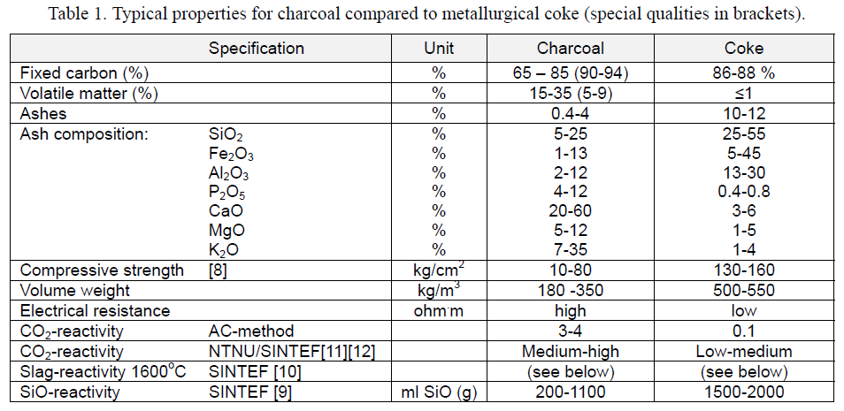
 | Lion project:
 | https://www.engineeringnews.co.za/print-version/lion-ferrochrome-smelter-eastern-chrome-mines-restart-merafe-2020-05-08

 | 4.9 | billion ZAR for lion II
 | 0.36 | Mt Capacity of lion II
 | 0.36 | Mt of lion I
 | 13.611111111 | bn ZAR/Mt

 | .

 | https://www.miningweekly.com/article/technology-slashes-power-use-at-glencores-huge-s-african-chrome-smelter-2014-11-05/rep_id:3650

 | Lion is preheat, prereduce and CO recovery (for drying and preheating)
 | 3000 | MWh/tonne

 | 22 | furnces total for company Glencore
 | 13 | a mix of Semi-open furnaces some with Otukumpu pelletiser tech |  |  |  |  |  |  |  |  |  |  |  |  |  | http://www.carborobot.hu/EN/Coal.htm
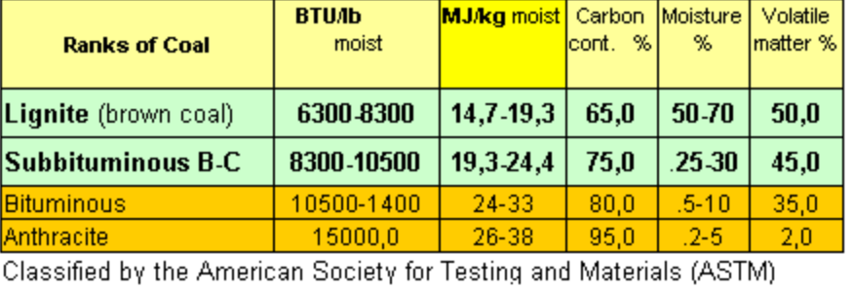
 | 2 | Close furnaces at Boshoek, uses outukumpu
 | 4 | Lion furnaces (not clear if Lion II included) - using premus

 | FAO - BIOENERGY AND FOOD SECURITY RAPID APPRAISAL (BEFS RA) charcoal
 | http://www.fao.org/3/bp846e/bp846e.pdf

 |  |  | Summarised twin-retort plant
 |  |  | life" | 10 | years
 |  |  | USD $ /t | 79 | In 2008
 |  |  |  | 88.48 | in 2019
 |  |  |  | 1053.7968 | 2015 ZAR

 |  |  |  | 11.91 | 2019USD to 2015ZAR
 |  |  |  | 1.12 | 2008 to 2019
 |  |  | efficiency | 33%

 | Bio-reductants
 | Surup, G. R., Trubetskaya, A. and Tangstad, M. (2020) ‘Charcoal as an alternative reductant in ferroalloy production: A review’, Processes, 8(11), pp. 1–41. doi: 10.3390/pr8111432.
 | Charcoal kilns
 |  | efficiency
 | Classic charcol kiln | 20%
 | Industrial retorts (kiln) | 35%

 | On reductants
REDUCTANT CHARACTERISATION AND SELECTION: IMPLICATIONS FOR FERROALLOYS PROCESSING
V. Sahajwalla, M. Dubikova and R. Khanna
https://www.pyrometallurgy.co.za/InfaconX/049.pdf
Coal: Coal is composed of mainly carbon, hydrogen, nitrogen, sulfur and inorganic matter. Coal is characterised by its rank, type and grade. Rank characterises the degree of metamorphism of coal and is an important criterion for determining the technological usage of coal. Degree of impurities, maceral composition and calorific value determine the type and grade of coal. Other factors such as texture, porosity, density also affects coal quality. Traditionally, coal selection criteria for ferroalloys production are volatile matter content, ash content and chemistry and (SiO, CO2) reactivity [4]. Since other reduction materials char and coke are produced from coal their properties will be derived and affected by properties of parent coal material. This is employed in prediction of coke properties and selection of coals in coke making.
Char: Char is a product of coal combustion. It is formed during pyrolysis, that is the first stage of coal combustion, when heated particles are devolatilised yielding a carbon-rich solid residue. Char properties are affected by chemical and physical properties of the parent coal, temperature and time history. Extensive work has been carried out to characterize char oxidation and gasification and was reviewed by Smith at al. [5].
Coke: Coke is produced by heating coal blend in the absence of oxygen to about 1100 °C. Quality and properties of coke are affected by the coal-rank, fluidity, maceral and mineral matter composition as well as processing conditions. Traditionally, chemistry, particle size, reactivity (CRI) and strength after reaction (CSR) are considered as the most important properties of metallurgical coke for blast furnace operations. Electric furnace coke, however, requires higher reactivity, lower strength and proper electrical resistivity [6].
Charcoal: Charcoal is produced from plant-derived biomass material. Charcoal properties depend on the type of wood from which it is obtained as well as the carbonisation process [7]. As compared to coal and coke, charcoal has lower sulfur and ash content and higher fixed carbon content and reactivity. The amount of volatile matter in charcoal is an important factor affecting charcoal properties. High volatile charcoal is less friable but more hygroscopic and easy to ignite [8]. In comparison to fossil fuels, charcoal is a renewable and sustainable resource but is one of the most expensive raw material. The use of charcoal for metallurgy is likely to be profitable only in countries with extensive forests and deficient in coking coal. Brazil, Malaysia and Argentina are some of the few countries in the world with significant metallurgical industry based on charcoal [9]. Charcoal applications in metallurgy are considered as clean technology due to reduced levels of CO2 and SO2 emissions [10-11]

Emissions debate
The emissions factor in the inventory seemed very high (3.22 per tonne of ferrochrome) compared to the IPCC guidelines, which has a generic emissions factor of 1.6 as per table 4.5.
Having then used the emissions factor for the reducing agents from table 4.6 + the reducing agent inputs intensity as per the literature review then the emissions factors come out to be around 2.9 or so, so 3.22 seems to be ok to use.
It's not clear why the emissions factor for ferrochrome in table 4.5 is then so low.

Emissions inventory for SA.
 |  |  | 2017 | 2020
Mass of CO2 per tonne Ferrochromium produced | CO2 | tCO2/tonne | 3.22452 | 3.22452
Mass of CO2 per tonne Ferromanganeses (7% C) produced | CO2 | tCO2/tonne | 1.3 | 1.3
Mass of CO2 per tonne Ferromanganeses (1% C) produced | CO2 | tCO2/tonne | 1.5 | 1.5
Mass of CO2 per tonne Ferrosilicon 65% Si produced | CO2 | tCO2/tonne | 3.6 | 3.6
Mass of CO2 per tonne Ferrosilicon 75% Si produced | CO2 | tCO2/tonne | 4 | 4
Mass of CO2 per tonne Silicon metal produced | CO2 | tCO2/tonne | 5 | 5
Amount of ferroalloy production - Ferrovanadium | CO2 | tCO2/tonne
Amount of ferroalloy production - Silicomanganese | CO2 | tCO2/tonne | 1.4 | 1.4
Amount of ferroalloy production - Other ferroalloys | CO2 | tCO2/tonne
Mass of CH4 per tonne Ferrosilicon 65% Si produced | CH4 | kg CH4/tonne | 1 | 1
Mass of CO2 per tonne Ferrosilicon 75% Si produced | CH4 | kg CH4/tonne | 1 | 1
Mass of CH4 per tonne Silicon metal produced | CH4 | kg CH4/tonne | 1.2 | 1.2
Amount of ferroalloy production - Ferrovanadium | CH4 | kg CH4/tonne
Amount of ferroalloy production - Other ferroalloys | CH4 | kg CH4/tonne

Emissions factors from IPCC guidelines: Vol3 - metals industries

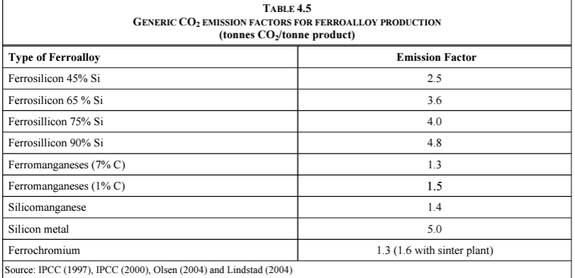

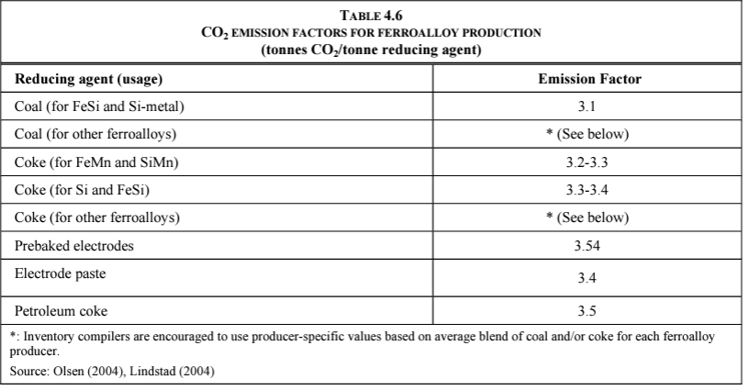
 |  |  |  |  | Intensity in SATIM |  |  |  |  | Emissions of CO2 based on mass: |  |  | mass in kg
 |  |  |  |  |  |  | GJ/t chrome | CV MJ/kg |  |  |  | C | 12 | 27%
 |  |  |  |  |  | Coal | 3.95 | 24 |  |  |  | O2 | 32 | 73%
 |  |  |  |  |  | Coke | 20.63 | 28 |  |  |  | CO2 | 44

 |  |  |  |  | In native units |  |  |  |  | Carbon content % | t Carbon per tonne of reducing agent
 |  |  |  |  |  |  | tonnes of reducing agent / tonne of chrome
 |  |  |  |  |  | Coal | 0.16 |  | Coal | 80% | 0.13
 |  |  |  |  |  | Coke | 0.74 |  | Coke | 90% | 0.66

 |  |  |  |  |  |  |  |  |  | total Carbon | 0.79
 |  |  |  |  | IPPU emissions factors for reagents |  |  |  |  | inferreed CO2 | 2.91
 |  |  |  |  |  |  | t CO2/tonne reducing agent
 |  |  |  |  |  | Coal | 3.1
 |  |  |  |  |  | Coke | 3.2

 |  |  |  |  | Inferred IPPU emissions factor for chrome

 |  |  |  |  |  | CO2/tonne of chrome | 0.51
 |  |  |  |  |  |  | 2.36

 |  |  |  |  |  | total | 2.87

 |  |  |  |  | Emissions factor for ferrochrome:

 |  |  |  |  |  | 2.87 | Using IPPU emissions factors
 |  |  |  |  |  | 2.91 | Using mass balance of coal and coke

RES of chrome industry with EE
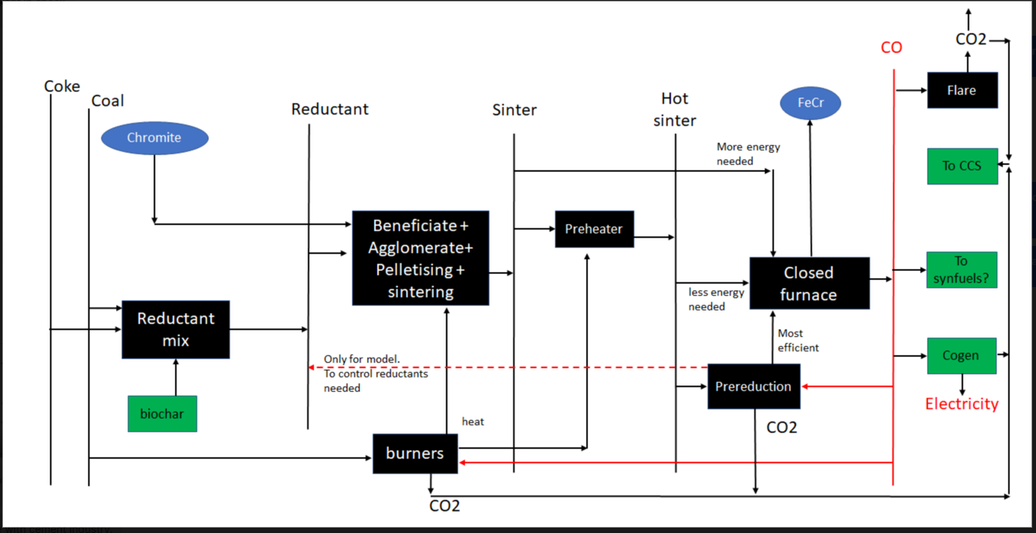
RES diagram of how the chrome industry produces ferrochrome and the potential avenues for efficiency routes

 | Idea for ferrochrome endogenous efficiency technology modelling

