Resultados
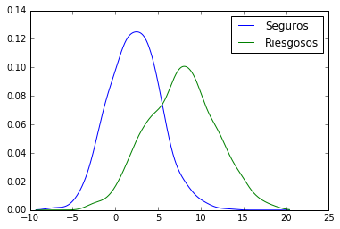
(a) Tasa de Mora < 1,5%
(b) Maximización Beneficio Total
 | Kernel | h | za* | zb* | KS
 | Linear | 0.05 | -2.70 | 3.70 | 0.59
 | Linear | 0.1 | -2.70 | 3.70 | 0.59
 | Linear | 0.25 | -2.70 | 3.70 | 0.59
 | Linear | 0.5 | -2.65 | 3.70 | 0.58
 | Linear | 1 | -2.75 | 3.80 | 0.58
 | Linear | 1.5 | -2.90 | 3.65 | 0.57
 | Linear | 2 | -3.10 | 3.55 | 0.57
 | Linear | 3 | -3.65 | 3.55 | 0.55
 | Gaussian | 0.05 | -2.70 | 3.70 | 0.59
 | Gaussian | 0.1 | -2.70 | 3.70 | 0.59
 | Gaussian | 0.25 | -2.70 | 3.70 | 0.58
 | Gaussian | 0.5 | -2.80 | 3.80 | 0.57
 | Gaussian | 1 | -3.25 | 3.50 | 0.56
 | Gaussian | 1.5 | -4.00 | 3.40 | 0.53
 | Gaussian | 2 | -5.20 | 3.20 | 0.51
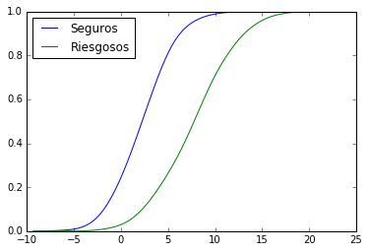
 | Gaussian | 3 | -9.30 | 2.55 | 0.45
Kolmogorov-Smirnoff
 | Epa | 0.05 | -2.70 | 3.70 | 0.59
 | Epa | 0.1 | -2.70 | 3.70 | 0.59
 | Epa | 0.25 | -2.65 | 3.90 | 0.58
 | Epa | 0.5 | -2.85 | 3.80 | 0.57
 | Epa | 1 | -3.40 | 3.45 | 0.56
 | Epa | 1.5 | -4.20 | 3.45 | 0.53
 | Epa | 2 | -5.15 | 3.15 | 0.50
 | Epa | 3 | -7.90 | 2.35 | 0.44

z* caso (a)
h | Linear | Gaussian | Epa
0.05 | -2.70 | -2.70 | -2.70
0.1 | -2.70 | -2.70 | -2.70
0.25 | -2.70 | -2.70 | -2.65
0.5 | -2.65 | -2.80 | -2.85
1 | -2.75 | -3.25 | -3.40
1.5 | -2.90 | -4.00 | -4.20
2 | -3.10 | -5.20 | -5.15 |  |  | h=0,05 | Gaussian
3 | -3.65 | -9.30 | -7.90
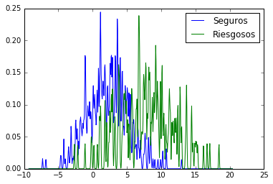
z* caso (b)
h | Linear | Gaussian | Epa
0.05 | 3.70 | 3.70 | 3.70
0.1 | 3.70 | 3.70 | 3.70
0.25 | 3.70 | 3.70 | 3.90
0.5 | 3.70 | 3.80 | 3.80
1 | 3.80 | 3.50 | 3.45
1.5 | 3.65 | 3.40 | 3.45
2 | 3.55 | 3.20 | 3.15
3 | 3.55 | 2.55 | 2.35

KS
h | Linear | Gaussian | Epa
0.05 | 0.59 | 0.59 | 0.59 |  |  | h=0,1
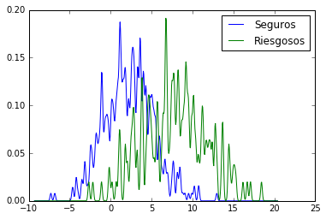
0.1 | 0.59 | 0.59 | 0.59
0.25 | 0.59 | 0.58 | 0.58
0.5 | 0.58 | 0.57 | 0.57
1 | 0.58 | 0.56 | 0.56
1.5 | 0.57 | 0.53 | 0.53
2 | 0.57 | 0.51 | 0.50
3 | 0.55 | 0.45 | 0.44

 |  |  |  |  |  | h=0,25
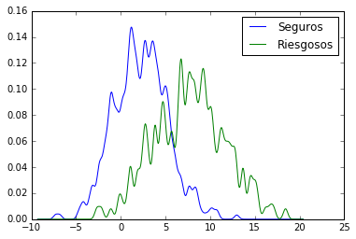

 |  |  |  |  |  | h=0.5
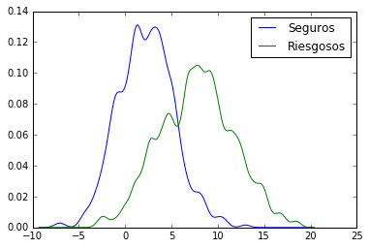

 |  |  |  |  |  | h=0.75
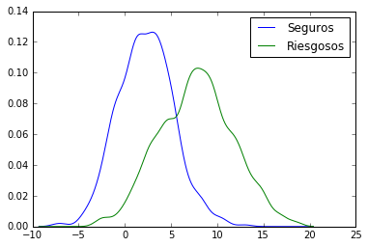

 |  |  |  |  |  | h=1

Sheet2
Bin | Frequency
-7.2961 | 1
-6.3063692308 | 1
-5.3166384615 | 0
-4.3269076923 | 2
-3.3371769231 | 7
-2.3474461538 | 17
-1.3577153846 | 28
-0.36798461538 | 48
0.62174615385 | 45
1.6114769231 | 75
2.6012076923 | 67
3.5909384615 | 72
4.5806692308 | 75
5.5704 | 64
6.5601307692 | 35
7.5498615385 | 34
8.5395923077 | 35
9.5293230769 | 24
10.519053846 | 20
11.508784615 | 13
12.498515385 | 13
13.488246154 | 7
14.477976923 | 7
15.467707692 | 6
16.457438462 | 1
17.447169231 | 2
More | 1

