Sheet1
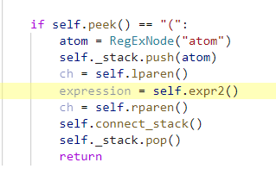
 | 0 | expr
 | 1 | term
 | 2 | factor
top | 3 | lparen

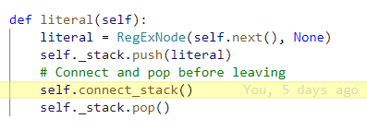
 | 0 | expr
 | 1 | term
 | 2 | factor
 | 3 | atom | lparen | (
 | 4 | expr
 | 5 | term
 | 6 | factor
 | 7 | atom
 | 8 | char
top | 9 | a

 |  | Recurse all the way to expr(), attaching along the way

 | 0 | expr
 | 1 | term
 | 2 | factor
 | 3 | atom | lparen | (
top | 4 | expr | term | factor | atom | char | a

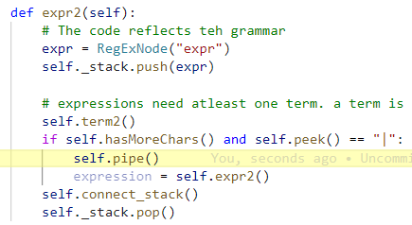

 | 0 | expr
 | 1 | term
 | 2 | factor
 | 3 | atom | lparen | (
 | 4 | expr | term | factor | atom | char | a
 | 5 | pip
top | 6 | |

 | 0 | expr
 | 1 | term
 | 2 | factor
 | 3 | atom | lparen | (
top | 4 | expr | term | factor | atom | char | a
 |  |  | pipe | |

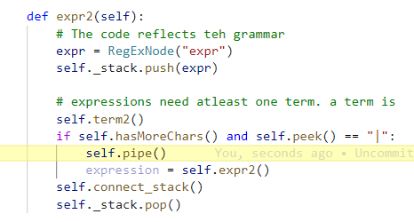

 | 0 | expr
 | 1 | term
 | 2 | factor
 | 3 | atom | lparen | (
 | 4 | expr | term | factor | atom | char | a
 |  |  | pipe | |
top | 5 | expr

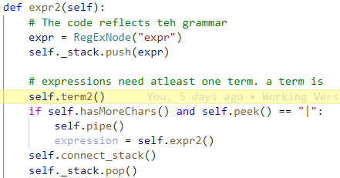

 | 0 | expr
 | 1 | term
 | 2 | factor
 | 3 | atom | lparen | (
 | 4 | expr | term | factor | atom | char | a
 |  |  | pipe | |
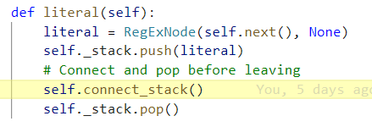
 | 5 | expr
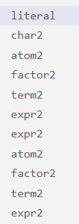
 | 6 | term
 | 7 | factor
 | 8 | atom
 | 9 | char
top | 10 | b

 | Recurse back up

 | 0 | expr
 | 1 | term
 | 2 | factor
 | 3 | atom | lparen | (
 | 4 | expr | term | factor | atom | char | a
 |  |  | pipe | |
 | 5 | expr
 | 6 | term | factor | atom | char | b

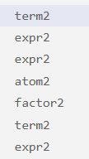
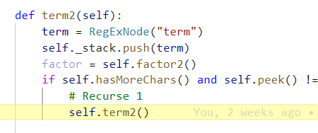

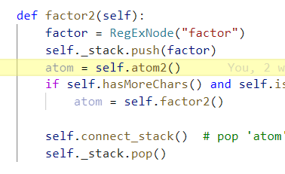

 | 0 | expr
 | 1 | term
 | 2 | factor
 | 3 | atom | lparen | (
 | 4 | expr | term | factor | atom | char | a
 |  |  | pipe | |
 | 5 | expr
 | 6 | term | factor | atom | char | b
 | 7 | term
 | 8 | factor

 | 0 | expr
 | 1 | term
 | 2 | factor
 | 3 | atom | lparen | (
 | 4 | expr | term | factor | atom | char | a
 |  |  | pipe | |
 | 5 | expr
 | 6 | term | factor | atom | char | b
 | 7 | term
 | 8 | factor
 | 9 | atom

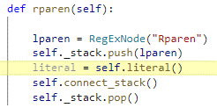
 | 0 | expr
 | 1 | term
 | 2 | factor
 | 3 | atom | lparen | (
 | 4 | expr | term | factor | atom | char | a
 |  |  | pipe | |
 | 5 | expr
 | 6 | term | factor | atom | char | b
 | 7 | term
 | 8 | factor
 | 9 | atom
 | 10 | rparen

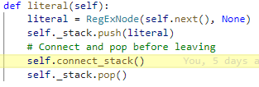
 | 0 | expr
 | 1 | term
 | 2 | factor
 | 3 | atom | lparen | (
 | 4 | expr | term | factor | atom | char | a
 |  |  | pipe | |
 | 5 | expr
 | 6 | term | factor | atom | char | b
 | 7 | term
 | 8 | factor
 | 9 | atom
 | 10 | rparen
 | 11 | )

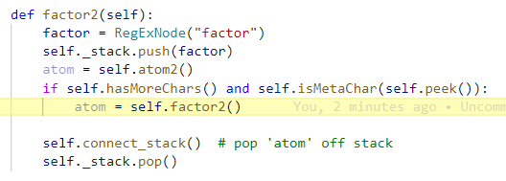
 | 0 | expr
 | 1 | term
 | 2 | factor
 | 3 | atom | lparen | (
 | 4 | expr | term | factor | atom
 |  |  | pipe | |
 | 5 | expr
 | 6 | term | factor | atom | char
 | 7 | term
 | 8 | factor | atom | rparen | )

 | Recursor back to factor

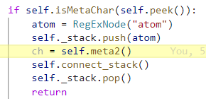
 | 0 | expr
 | 1 | term
 | 2 | factor
 | 3 | atom | lparen | (
 | 4 | expr | term | factor | atom | char | a
 |  |  | pipe | |
 | 5 | expr
 | 6 | term | factor | atom | char | b
 | 7 | term
 | 8 | factor | atom | rparen | )
 | 9 | factor
 | 10 | atom

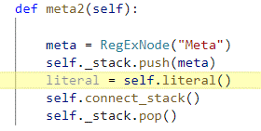
 | 0 | expr
 | 1 | term
 | 2 | factor
 | 3 | atom | lparen | (
 | 4 | expr | term | factor | atom | char | a
 |  |  | pipe | |
 | 5 | expr
 | 6 | term | factor | atom | char | b
 | 7 | term
 | 8 | factor | atom | rparen | )
 | 9 | factor
 | 10 | atom
 | 11 | meta

 | 0 | expr
 | 1 | term
 | 2 | factor
 | 3 | atom | lparen | (
 | 4 | expr | term | factor | atom | char | a
 |  |  | pipe | |
 | 5 | expr
 | 6 | term | factor | atom | char | b
 | 7 | term
 | 8 | factor | atom | rparen | )
 | 9 | factor
 | 10 | atom
 | 11 | meta
 | 12 | *

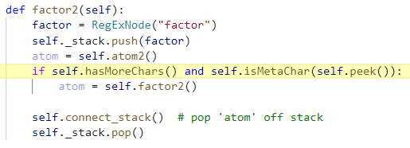
 | 0 | expr
 | 1 | term
 | 2 | factor
 | 3 | atom | lparen | (
 | 4 | expr | term | factor | atom | char | a
 |  |  | pipe | |
 | 5 | expr
 | 6 | term | factor | atom | char | b
 | 7 | term
 | 8 | factor | atom | rparen | )
 | 9 | factor | atom | meta | *

 |  | The next car is a c. So we need to recurse back to term to capture the c.

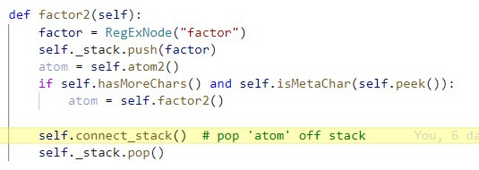
 | 0 | expr
 | 1 | term
 | 2 | factor
 | 3 | atom | lparen | (
 | 4 | expr | term | factor | atom | char | a
 |  |  | pipe | |
 | 5 | expr
 | 6 | term | factor | atom | char | b
 | 7 | term
 | 8 | factor | atom | rparen | )
 |  |  | factor | atom | meta | *

 | 0 | expr
 | 1 | term
 | 2 | factor
 | 3 | atom | lparen | (
 | 4 | expr | term | factor | atom | char
 |  |  | pipe | |
 | 5 | expr
 | 6 | term | factor | atom | char | b
 | 7 | term | factor | atom | rparen | )
 |  |  |  | factor | atom | meta | *

 |  | Recurse twice.

 | 0 | expr
 | 1 | term
 | 2 | factor
 | 3 | atom | lparen | (
 | 4 | expr | term | factor | atom | char | a
 |  |  | pipe | |
 | 5 | expr
 | 6 | term | factor | atom | char | b
 | 7 | term | factor | atom | rparen | )
 |  |  |  | factor | atom | meta | *

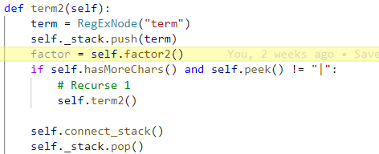
 | 0 | expr
 | 1 | term
 | 2 | factor
 | 3 | atom | lparen | (
 | 4 | expr | term | factor | atom | char | a
 |  |  | pipe | |
 | 5 | expr
 | 6 | term | factor | atom | char | b
 | 7 | term | factor | atom | rparen | )
 |  |  |  | factor | atom | meta | *
 | 8 | term

 | 0 | expr
 | 1 | term
 | 2 | factor
 | 3 | atom | lparen | (
 | 4 | expr | term | factor | atom | char | a
 |  |  | pipe | |
 | 5 | expr
 | 6 | term | factor | atom | char | b
 | 7 | term | factor | atom | rparen | )
 |  |  |  | factor | atom | meta | *
 | 8 | term

 | 0 | expr
 | 1 | term
 | 2 | factor
 | 3 | atom | lparen | (
 | 4 | expr | term | factor | atom | char | a
 |  |  | pipe | |
 | 5 | expr
 | 6 | term | factor | atom | char | b
 | 7 | term | factor | atom | rparen | )
 |  |  |  | factor | atom | meta | *
 | 8 | term
 | 9 | factor

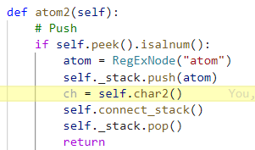
 | 0 | expr
 | 1 | term
 | 2 | factor
 | 3 | atom | lparen | (
 | 4 | expr | term | factor | atom | char | a
 |  |  | pipe | |
 | 5 | expr
 | 6 | term | factor | atom | char | b
 | 7 | term | factor | atom | rparen | )
 |  |  |  | factor | atom | meta | *
 | 8 | term
 | 9 | factor
 | 10 | atom

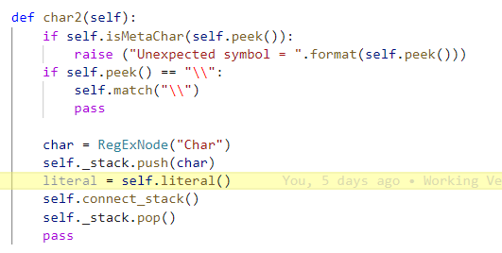
 | 0 | expr
 | 1 | term
 | 2 | factor
 | 3 | atom | lparen | (
 | 4 | expr | term | factor | atom | char | a
 |  |  | pipe | |
 | 5 | expr
 | 6 | term | factor | atom | char | b
 | 7 | term | factor | atom | rparen | )
 |  |  |  | factor | atom | meta | *
 | 8 | term
 | 9 | factor
 | 10 | atom
 | 11 | char

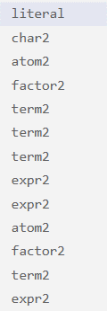
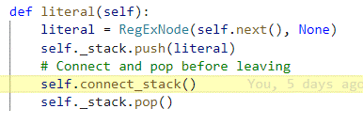
 | 0 | expr
 | 1 | term
 | 2 | factor
 | 3 | atom | lparen | (
 | 4 | expr | term | factor | atom | char | a
 |  |  | pipe | |
 | 5 | expr
 | 6 | term | factor | atom | char | b
 | 7 | term | factor | atom | rparen | )
 |  |  |  | factor | atom | meta | *
 | 8 | term
 | 9 | factor
 | 10 | atom
 | 11 | char
 | 12 | c

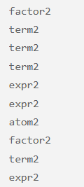

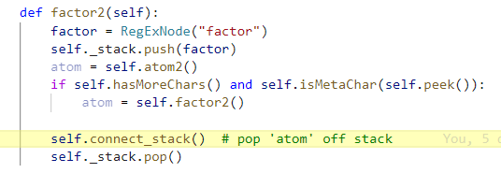
 | 0 | expr
 | 1 | term
 | 2 | factor
 | 3 | atom | lparen | (
 | 4 | expr | term | factor | atom | char | a
 |  |  | pipe | |
 | 5 | expr
 | 6 | term | factor | atom | char | b
 | 7 | term | factor | atom | rparen | )
 |  |  |  | factor | atom | meta | *
 | 8 | term
 | 9 | factor | atom | char | c

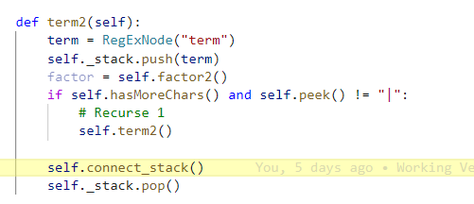
 | 0 | expr
 | 1 | term
 | 2 | factor
 | 3 | atom | lparen | (
 | 4 | expr | term | factor | atom | char | a
 |  |  | pipe | |
 | 5 | expr
 | 6 | term | factor | atom | char | b
 | 7 | term | factor | atom | rparen | )
 |  |  |  | factor | atom | meta | *
 | 8 | term | factor | atom | char | c

 |  | Recurse 3 times for term

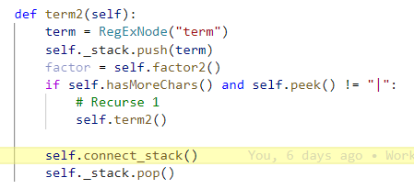
 | 0 | expr
 | 1 | term
 | 2 | factor
 | 3 | atom | lparen | (
 | 4 | expr | term | factor | atom | char | a
 |  |  | pipe | |
 | 5 | expr
 | 6 | term | factor | atom | char | b
 | 7 | term | factor | atom | rparen | )
 |  |  |  | factor | atom | meta | *
 |  |  | term | factor | atom | char | c

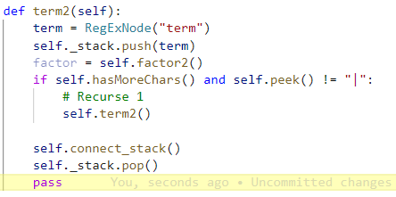
 | 0 | expr
 | 1 | term
 | 2 | factor
 | 3 | atom | lparen | (
 | 4 | expr | term | factor | atom | char | a
 |  |  | pipe | |
 | 5 | expr
 | 6 | term | factor | atom | char | b
 |  |  | term | factor | atom | rparen | )
 |  |  |  |  | factor | atom | meta | *
 |  |  |  | term | factor | atom | char | c

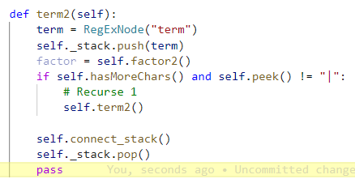

 | 0 | expr
 | 1 | term
 | 2 | factor
 | 3 | atom | lparen | (
 | 4 | expr | term | factor | atom | char | a
 |  |  | pipe | |
 | 5 | expr | term | factor | atom | char | b
 |  |  |  | term | factor | atom | rparen | )
 |  |  |  |  |  | factor | atom | meta | *
 |  |  |  |  | term | factor | atom | char | c
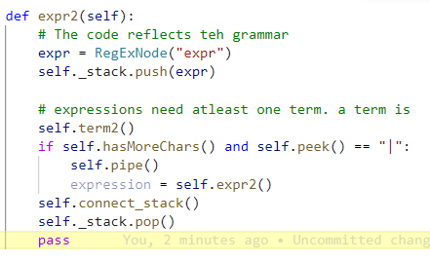
 |  | Get rid of expression and attach

 | 0 | expr
 | 1 | term
 | 2 | factor
 | 3 | atom | lparen | (
 | 4 | expr | term | factor | atom | char | a
 |  |  | pipe | |
 |  |  | expr | term | factor | atom | char | b
 |  |  |  |  | term | factor | atom | rparen | )
 |  |  |  |  |  |  | factor | atom | meta | *
 |  |  |  |  |  | term | factor | atom | char | c

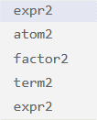
 | 0 | expr
 | 1 | term
 | 2 | factor
 | 3 | atom | lparen | (
 |  |  | expr | term | factor | atom | char | a
 |  |  |  | pipe | |
 |  |  |  | expr | term | factor | atom | char | b
 |  |  |  |  |  | term | factor | atom | rparen | )
 |  |  |  |  |  |  |  | factor | atom | meta | *
 |  |  |  |  |  |  | term | factor | atom | char | c

 | 0 | expr
 | 1 | term
 | 2 | factor | atom | lparen | (
 |  |  |  | expr | term | factor | atom | char | a
 |  |  |  |  | pipe | |
 |  |  |  |  | expr | term | factor | atom | char | b
 |  |  |  |  |  |  | term | factor | atom | rparen | )
 |  |  |  |  |  |  |  |  | factor | atom | meta | *
 |  |  |  |  |  |  |  | term | factor | atom | char | c

 | 0 | expr
 | 1 | term | factor | atom | lparen | (
 |  |  |  |  | expr | term | factor | atom | char | a
 |  |  |  |  |  | pipe | |
 |  |  |  |  |  | expr | term | factor | atom | char | b
 |  |  |  |  |  |  |  | term | factor | atom | rparen | )
 |  |  |  |  |  |  |  |  |  | factor | atom | meta | *
 |  |  |  |  |  |  |  |  | term | factor | atom | char | c

 | 0 | expr | term | factor | atom | lparen | (
 |  |  |  |  |  | expr | term | factor | atom | char | a
 |  |  |  |  |  |  | pipe | |
 |  |  |  |  |  |  | expr | term | factor | atom | char | b
 |  |  |  |  |  |  |  |  | term | factor | atom | rparen | )
 |  |  |  |  |  |  |  |  |  |  | factor | atom | meta | *
 |  |  |  |  |  |  |  |  |  | term | factor | atom | char | c

Chart2
 | x

Chart1
 | x

Sheet2
Read |  |  |  |  |  |  |  |  |  |  | Recurse

expr |  |  |  |  |  |  |  |  |  | 0 | expr
term |  |  |  |  |  |  |  |  |  | 1 | term
factor |  |  |  |  |  |  |  |  |  | 2 | factor | atom | (
atom |  |  |  |  |  |  |  |  |  | 3
(
return to atom
Read down to 'a'
Expr |  |  |  |  |  |  |  |  |  | 0
term |  |  |  |  |  |  |  |  |  | 1
factor |  |  |  |  |  |  |  |  |  | 2
atom | ( |  |  |  |  |  |  |  |  | 3
expr |  |  |  |  |  |  |  |  |  | 4
expr |  |  |  |  |  |  |  |  |  | 5
term |  |  |  |  |  |  |  |  |  | 6
factor |  |  |  |  |  |  |  |  |  | 7
 |  |  |  |  |  |  |  |  |  | 8

Read down to 'a'
Expr |  |  |  |  |  |  |  |  |  | 0 | Expr
term |  |  |  |  |  |  |  |  |  | 1 | term |  | x1
factor |  |  |  |  |  |  |  |  |  | 2 | factor
atom | ( |  |  |  |  |  |  |  |  | 3 | atom | (
expr |  |  |  |  |  |  |  |  |  | 4 | expr | term | factor | atom | char | a
term
factor
atom
char
a
recurse to expr
(1) expr continues (check for more chars and hit |, so call expr recursively) |  |  |  |  |  |  | (3) recurse to expr
(2) from expr I need to find | |  |  |  |  |  |  | (4) will have 3 children, middle being |
Expr |  |  |  |  |  |  |  |  |  | 0 | Expr
term |  |  |  |  |  |  |  |  |  | 1 | term
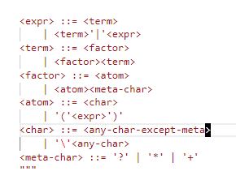
factor |  |  |  |  |  |  |  |  |  | 2 | factor
atom | ( |  |  |  |  |  |  |  |  | 3 | atom | (
expr | term | factor | atom | char | a |  |  |  |  | 4 | expr | term | factor | atom | char | a
| |  |  |  |  |  |  |  |  |  |  |  | |
recurse to expr
expr continues down call tree to read b
Expr |  |  |  |  |  |  |  |  |  | 0 | Expr
term |  |  |  |  |  |  |  |  |  | 1 | term
factor |  |  |  |  |  |  |  |  |  | 2 | factor
atom | ( |  |  |  |  |  |  |  |  | 3 | atom | (
expr | term | factor | atom | char | a |  |  |  |  | 4 | expr | term | factor | atom | char | a
 | | |  |  |  |  |  |  |  |  |  |  | |
expr |  |  |  |  |  |  |  |  |  | 5 | expr | term | factor | atom | char | b
term
factor
atom
char
b
recurse to second expr
no more to do in expr, so recurse up 1
Expr |  |  |  |  |  |  |  |  |  | 0
term |  |  |  |  |  |  |  |  |  | 1
factor |  |  |  |  |  |  |  |  |  | 2
atom | ( |  |  |  |  |  |  |  |  | 3
expr | term | factor | atom | char | a |  |  |  |  | 4
 | | |  |  |  |  |  |  |  |  | 5
expr | term | factor | atom | char | b |  |  |  |  | 6
recurse up own to expr

Expr
term
factor
atom | ( |  |  |  |  |  | It looks like we return to the expr level to add | as a child
 | expr | term | factor | atom | char | a
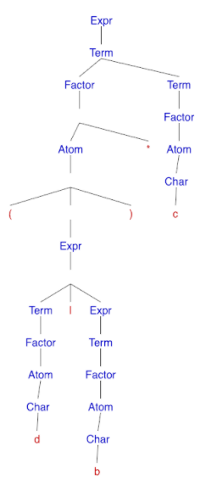

recurse to factor
Expr
term
factor
atom | (
 | expr | term | factor | atom | char | a
 |  | |
 |  | expr | term | factor | atom | char | b
)

Expr
term
factor
atom | (
 | expr | x
 |  | expr | |

Expr needs | as a child
Needs full ride for alpha

[3] atom
(
[4] expr
term
factor
a

what i need

atom
(
expr
term
factor
atom
char
a
|
expr
term
factor
atom
char
b
)

recurse to factor
Expr |  |  |  |  |  |  |  |  |  |  | Expr
term |  |  |  | atom has 4 children is issue |  |  |  |  |  |  | term
factor |  |  |  |  |  |  |  |  |  |  | factor | atom | (
atom | ( |  |  |  |  |  |  |  |  |  |  |  | expr | term | factor | atom | char | a
 | expr | term | factor | atom | char | a |  |  |  |  |  |  |  | |
 |  | | |  |  |  |  |  |  |  |  |  |  |  | expr | term | factor | atom | char | b
 |  | expr | term | factor | atom | char | b |  |  |  |  |  | )
 | )
recurse up
factor reads *
Expr |  |  |  |  |  |  |  |  |  |  | Expr
term |  |  |  |  |  |  |  |  |  |  | term
factor | atom | ( |  |  |  |  |  |  |  |  | factor | atom | (
 |  | expr | term | factor | atom | char | a |  |  |  |  |  | expr | term | factor | atom | char | a
 |  |  | | |  |  |  |  |  |  |  |  |  |  | |
 |  |  | expr | term | factor | atom | char | b |  |  |  |  |  | expr | term | factor | atom | char | b
 |  | ) |  |  |  |  |  |  |  |  |  |  | )
* |  |  |  |  |  |  |  |  |  |  |  | *
recurse to add asterisk
recurse up one to term
Expr |  |  |  |  |  |  |  |  |  |  | Expr
term |  |  |  |  |  |  |  |  |  |  | term | factor | atom | (
factor | atom | ( |  |  |  |  |  |  |  |  |  |  |  | expr | term | factor | atom | char | a
 |  | expr | term | factor | atom | char | a |  |  |  |  |  |  |  | |
 |  |  | | |  |  |  |  |  |  |  |  |  |  |  | expr | term | factor | atom | char | b
 |  |  | expr | term | factor | atom | char | b |  |  |  |  |  | )
 |  | ) |  |  |  |  |  |  |  |  |  |  | *
 | *
Term call itself recursively to read the 'c'
Expr |  |  |  |  |  |  |  |  |  |  | Expr
term | factor | atom | ( |  |  |  |  |  |  |  | term | factor | atom | (
 |  |  | expr | term | factor | atom | char | a |  |  |  |  |  | expr | term | factor | atom | char | a
 |  |  |  | | |  |  |  |  |  |  |  |  |  |  | |
 |  |  |  | expr | term | factor | atom | char | b |  |  |  |  |  | expr | term | factor | atom | char | b
 |  |  | ) |  |  |  |  |  |  |  |  |  |  | )
 |  | * |  |  |  |  |  |  |  |  |  |  | *
term |  |  |  |  |  |  |  |  |  |  | term
factor |  |  |  |  |  |  |  |  |  |  | factor
atom |  |  |  |  |  |  |  |  |  |  | atom
char |  |  |  |  |  |  |  |  |  |  | char
c |  |  |  |  |  |  |  |  |  |  | c
recurse all the back to term
Recurse up
Expr |  |  |  |  |  |  |  |  |  |  | Expr | term | factor | atom | (
term | factor | atom | ( |  |  |  |  |  |  |  |  |  |  |  | expr | term | factor | atom | char | a
 |  |  | expr | term | factor | atom | char | a |  |  |  |  |  |  |  | |
 |  |  |  | | |  |  |  |  |  |  |  |  |  |  |  | expr | term | factor | atom | char | b
 |  |  |  | expr | term | factor | atom | char | b |  |  |  |  |  | )
 |  |  | ) |  |  |  |  |  |  |  |  |  |  | *
 |  | * |  |  |  |  |  |  |  |  |  |  | term | factor | atom | char | c
 | term | factor | atom | char | c
final recurse and completion

