Bug 1
ID | Bug 1
Project | ListBoxer
Issul type | Bug
Summarry | Numbers are not sorted correctly after pressing the "Askendit" button
Description | STR 1. Open app 2. Select the "Numeric" symbols 3. Add the numbers to the list: 12; 90; 32; 87; 43; 76; 455 4. Select the sort order "Ascending" Actual result Numbers are not sorted correctly after pressing the "Askendit" button Expected result Numbers should sort correctly when "Sort Order" is selected
Reporter | Bruslavets
Priority | Medium
Labels
Enwironment | Windows 7 Maximum 64-bit Google Chrome v 98.0.4758.82
Linked Issues | relates to
Issue | TEST
Sprint | Sprint 1
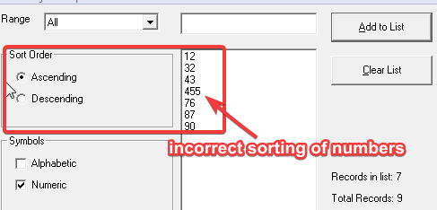
Attachment

Bug 2
ID | Bug 2
Project | ListBoxer
Issul type | Bug
Summarry | The "Clear List" button is not active when adding one number to the list
Description | STR 1. Open app 2. Add the numbers to the list: 1 Actual result The "Clear List" button is not active when adding one number to the list Expected result The "Clear List" button should be active when adding any number of numbers to the list
Reporter | Bruslavets
Priority | Medium
Labels
Enwironment | Windows 7 Maximum 64-bit Google Chrome v 98.0.4758.82
Linked Issues | relates to
Issue | TEST
Sprint | Sprint 1
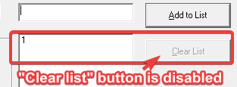
Attachment

Bug 3
ID | Bug 3
Project | ListBoxer
Issul type | Bug
Summarry | When you click on the "Add to List" button, information about adding to the "Records in list" and "Total Records" is displayed
Description | STR 1. Open app 2. Click the "Add to List" button three times Actual result When you click on the "Add to List" button, information about adding to the "Records in list" and "Total Records" is displayed Expected result When you click on the "Add to List" button, information about adding should not be displayed
Reporter | Bruslavets
Priority | Medium
Labels
Enwironment | Windows 7 Maximum 64-bit Google Chrome v 98.0.4758.82
Linked Issues | relates to
Issue | TEST
Sprint | Sprint 1
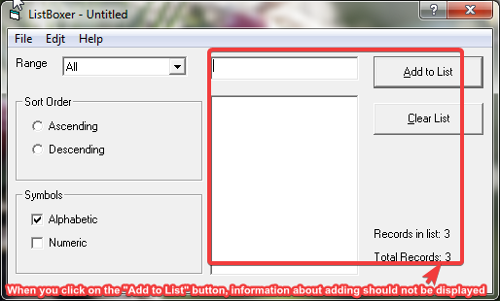
Attachment

